Task1_ETL
TASK 1 ETL - 16/07/23
Questions | Answers

What is ETL? | ETL - Extract , Transform , Load Extract - Retreieve raw data from unstructured data pool and migrate into temporary staging repo Transform - Structure and converts data to match correct target source Load - Load structured data in data warehouse and use it for analyze usecases

What is ELT? | ELT - Extract Load Transform , at first the data is extracted from data source and it directly load into target source (destination ) whereas transformation happens inside the target source at last

List out various tools used in ETL | Talend Open Studio, Pentaho Data Integration , Informatica Powercenter, Infosphere dat stage OWB , Talend(Hybrid) , Snowflake ETL

What is datalake? | Data lake is a centralized repository designed to store , process , and secure large amount of structured , semi-structured and unstructured data It has Distributed , Flexible , Scalable Storage SQL / NOSQL queries Hard to access data Hard to pull insights Mostly used for SQL , Data Engineering It has batch processing and real time processing Lower Cost and Scalable Use Case : Analytics and Machine Learning

what is data warehouse? | Data Warehouse is a highly centralized repository designed to store structured data It has predefined schema and ETL process Higher Cost , Upfront Env Batch processing High Consistency and quality SQL queries Easy to pull insights Contain data from current source (Live Data - Connecte with BI OR Tableau) Used for SQL and Data Modelling Use Case : BI and reporting

OLTP vs OLAP | OLAP - Online Analytics Processing Analyze Aggregated Data Used at genearte reports , Perform complex Analyze , Cmpare Trends Handle Historical data Handle large amount of data Complex queries and analyical query High latency , Batch processing use case : Historical sales , customer demand data -------------------------------------------------------------------------------------------------------------------------------------------- OLTP - Online Transcational Process Process DB transcation data Used to process orders, update inventory,Customer accounts Normalized data Handle moderate amount of data Simple Transaction queries Low latency , real time processing Use case : Customer orders,Payments

Various analytical tool can be connected with data warehouse? | Amazon Redshift BigQuery Microsift Azure Teradata Cloudera Amazon DynamoDB

Different Stages used in ETL | Extract Clean - Ensure the quality of data prior to transform Transform Load Analyze - Gain Insights from data loaded

10 use cases of No SQL | Personalization Profile Management Real time Big data Content Management Catalog Mobile Application IOT Digital Detection Fraud Detection

Characteristics of NOSQL | Non Relational Database Dynamic Schema Data as collection of Key-value pair, graphs , documents,column oriented Not suitable for complex queries Unstructured Query Lang Eg:MangoDB , Cassendra,Redis

Tools used to analyse nosql | Azure Cosmos DB , Couchbase Server Apache Cassandra Neo4j Raven DB
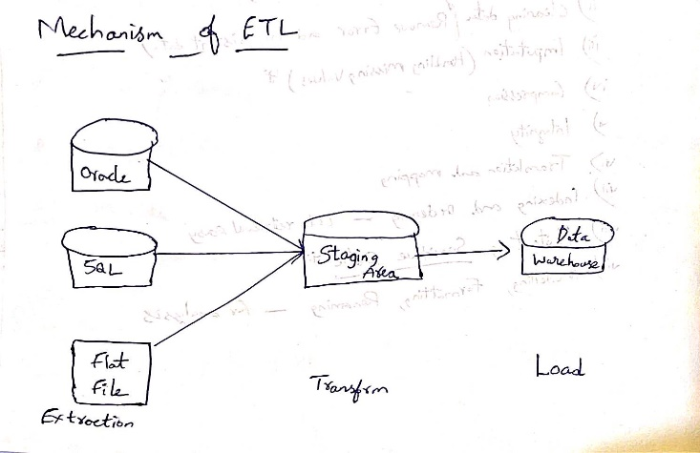
Draw Mechanism of ETL Process

