EELP22
 |  |  |  |  |  |  |  | Current | 0.1 | A | Equivalent DC current | Vout | 24 | V |  |  |  | Ae | 78.5 | mm²
Core dimensions | Core width | 21.8 | mm | Total core width |  |  |  |  |  |  |  | Iout | 0.1 | A |  |  |  | L | 38 | µH
 | Pw | 5 | mm | Central pillar width |  |  |  |  |  |  |  | Pout | 2.4 | W |  |  |  | N | 5 | turns
 | H | 15.8 | mm | Central pillar height |  |  |  |  |  |  |  | Eff | 65% |  |  |  |  | Idc | 300 | mA
 | Sw | 2.5 | mm | Side lobe width |  |  |  |  |  |  |  | Pin | 3.6923076923 | W |  |  |  | Ipk | 4.00 | A
 | Al | 1520 | nH/turn² | TODO: measure on core |  |  |  |  |  |  |  | Vin | 24 | V |  |  |  | Bmax | 387.26 | mT | Keep below 390mT
 | W | 5.9 | mm | Winding width W=(Core_width - Pw )/2 - Sw |  |  |  | T1 | 4 |  | # turns on Layer 1 | Iin | 0.15384615385 | A
 | Max T | 30 |  | Max number of turns using min spacing/min track size Max T = (W-2D+C)/(C+S) |  |  |  | T2 | 5 |  | # turns on Layer 2 | Dmax | 45% |  | Fsw | 300 | kHz | Ve | 120 | mm^3
 |  |  |  |  |  |  |  | T3 | 2 |  | # turns on Layer 3 | N ideal | 1.2222222222 |  | Dmax | 42% |  | PV@300kHz | 390 | kW/m^3
 |  |  |  |  |  |  |  | Ttot | 4 |  | Total number of turns |  |  |  | Lpri max | 45.9 | µH | PV@500kHz | 215 | kW/m^3
Variable constraints | D | 0.3 | mm | Min copper to edge clearance |  |  |  | L | 24.3 | µH | Expected magnetizing inductance |  |  |  | Lpri targ | 24.3 | µH | P 300k | 46.8 | mW | Core losses
 | C | 0.1 | mm | Min track spacing |  |  |  |  |  |  |  |  |  |  | Lsec targ | 36.3 | µH | P 500k | 25.8 | mW
 | Copper 1 | 35 | µm |  |  |  |  |  |  |  |  |  |  |  | Npri targ | 4 | turns
 | Copper 2 | 35 | µm |  |  |  |  | R1 | 95 | mΩ | Layer 1 DCR |  |  |  | Nsec targ | 5 | turns
 | Copper 3 | 35 | µm |  |  |  |  | R2 | 0 | mΩ | Layer 2 DCR
 | N layers | 1 |  |  |  |  |  | R3 | 0 | mΩ | Layer 3 DCR
 |  |  |  |  |  |  |  | Rtot | 95 | mΩ | Total winding DCR (without vias) |  |  |  |  |  |  | Max energy transfer:
JLC capabilities | Min C | 0.09 | mm | Min track spacing |  |  |  |  |  |  |  |  |  |  |  |  |  | Lpri | 60 | µH
 | Min S | 0.09 | mm | Min track width |  |  |  | L1 section | 64.8 | mils² |  |  |  |  |  |  |  | I sat (+margin) | 1.1 | A
 | Min D | 0.3 | mm | Min trace to outline distance |  |  |  | L1 T rise | 0 | °C |  |  |  |  |  |  |  | E pulse | 36.3 | µJ
 | Inner copper | 17.5 | µm |  |  |  |  | L2 section | 50.8 | mils² |  |  |  |  |  |  |  | Fsw | 100 | kHz
 | Outer copper | 35 | µm |  |  |  |  | L2 T rise | 0 | °C |  | 35/35 | Secondary |  |  |  |  | Pin calc | 3.63 | W
 | Cr | 1.72E-08 | Ω*m | Copper resistivity |  |  |  | L3 section | 134.7 | mils² |  | 7 | turns | N | 1.75
 |  |  |  |  |  |  |  | L3 T rise | 0 | °C |  | 40 | µH
step: | 5% |  |  |  |  |  |  |  |  |  |  | 429 | mOhm
 | S(mm) | Max Turns | Track length(mm) | Cross section (mm²) | Resistance L1 (mΩ) | Resistance L2 (mΩ) | Resistance L3 (mΩ)
 | 0.090 | 28.0 | 1719.2 | 0.0032 | 9388 | 9388 | 9388 |  |  |  |  | 35/35 | Primary
 | 0.095 | 27.0 | 1651.6 | 0.0033 |  |  |  |  |  |  |  | 4 | turns | 1.2mm
 | 0.099 | 27.0 | 1662.1 | 0.0035 | 8232 | 8232 | 8232 |  |  |  |  | 24.3 | µH
 | 0.104 | 26.0 | 1594.4 | 0.0036 | 7520 | 7520 | 7520 |  |  |  |  | 150 | mOhm
 | 0.109 | 25.0 | 1526.8 | 0.0038
 | 0.115 | 25.0 | 1537.1 | 0.0040 | 6576 | 6576 | 6576
 | 0.121 | 24.0 | 1469.4 | 0.0042 | 5987 | 5987 | 5987
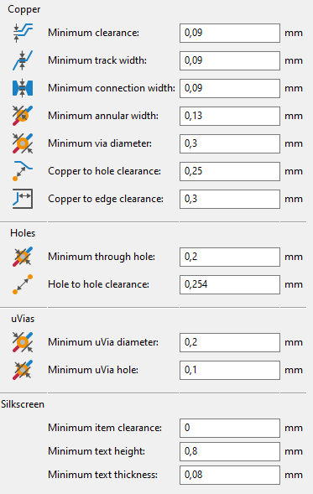
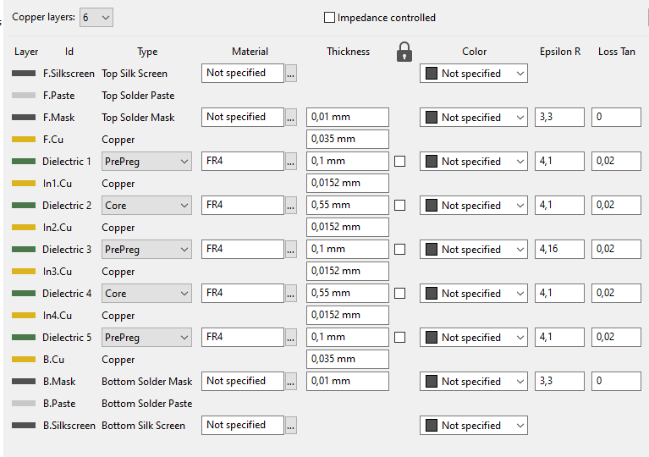
 | 0.127 | 23.0 | 1401.8 | 0.0044
 | 0.133 | 23.0 | 1411.9 | 0.0047 | 5218 | 5218 | 5218 |  |  |  |  |  |  |  |  |  |  |  | Order options:
 | 0.140 | 22.0 | 1344.1 | 0.0049 | 4731 | 4731 | 4731
 | 0.147 | 21.0 | 1276.4 | 0.0051 |  |  |  |  |  |  |  |  |  |  |  |  |  | $2 | 4Layer 50x50mm
 | 0.154 | 21.0 | 1286.0 | 0.0054 | 4106 | 4106 | 4106 |  |  |  |  |  |  |  |  |  |  |  | or
 | 0.162 | 20.0 | 1218.0 | 0.0057 |  |  |  |  |  |  |  |  |  |  |  |  |  | $7 | 4Layer 100x100mm
 | 0.170 | 20.0 | 1227.7 | 0.0059 | 3555 | 3555 | 3555 |  |  |  |  |  |  |  |  |  |  | $3 | Material: FR4 TG155
 | 0.178 | 19.0 | 1159.3 | 0.0062 | 3197 | 3197 | 3197 |  |  |  |  |  |  |  |  |  |  | $0 | HASL
 | 0.187 | 18.0 | 1091.1 | 0.0065 |  |  |  |  |  |  |  |  |  |  |  |  |  | $15 | Inner & outer copper weight 1oz
 | 0.196 | 18.0 | 1100.1 | 0.0069 | 2752 | 2752 | 2752 |  |  |  |  |  |  |  |  |  |  | $0 | Plugged vias
 | 0.206 | 17.0 | 1031.6 | 0.0072 |  |  |  |  |  |  |  |  |  |  |  |  |  | $0 | Min size/hole diameter 0.3mm/0.45mm
 | 0.217 | 17.0 | 1040.4 | 0.0076 | 2360 | 2360 | 2360 |  |  |  |  |  |  |  |  |  |  |  |  | No extra charge for hole<0.3mm if pad>=0.45mm
 | 0.227 | 16.0 | 971.4 | 0.0080 | 2099 | 2099 | 2099 |  |  |  |  |  |  |  |  |  |  | $8 | Board outline tolerance: +/-0.1mm (precision)
 | 0.239 | 15.0 | 902.8 | 0.0084 |  |  |  |  |  |  |  |  |  |  |  |  |  | $0.5 | Confirm production file: yes
 | 0.251 | 15.0 | 910.7 | 0.0088 | 1785 | 1785 | 1785 |  |  |  |  |  |  |  |  |  |  | $0 | Remove order number: specify a location
 | 0.263 | 14.0 | 841.7 | 0.0092
 | 0.276 | 14.0 | 849.2 | 0.0097 | 1510 | 1510 | 1510
 | 0.290 | 13.0 | 780.0 | 0.0102
 | 0.305 | 13.0 | 787.1 | 0.0107 | 1269 | 1269 | 1269 |  |  |  |  |  |  |  |  |  |  | proto | $15
 | 0.320 | 12.0 | 717.6 | 0.0112 |  |  |  |  |  |  |  |  |  |  |  |  |  | HB 4L 15x15 | $55
 | 0.336 | 12.0 | 724.2 | 0.0118 | 1059 | 1059 | 1059
 | 0.353 | 11.0 | 654.6 | 0.0123
 | 0.370 | 11.0 | 660.7 | 0.0130
 | 0.389 | 11.0 | 667.1 | 0.0136 | 843 | 843 | 843
 | 0.408 | 10.0 | 596.6 | 0.0143
 | 0.429 | 10.0 | 602.4 | 0.0150 | 690 | 690 | 690
 | 0.450 | 9.0 | 532.0 | 0.0158
 | 0.473 | 9.0 | 537.1 | 0.0165
 | 0.496 | 9.0 | 542.5 | 0.0174 | 537 | 537 | 537
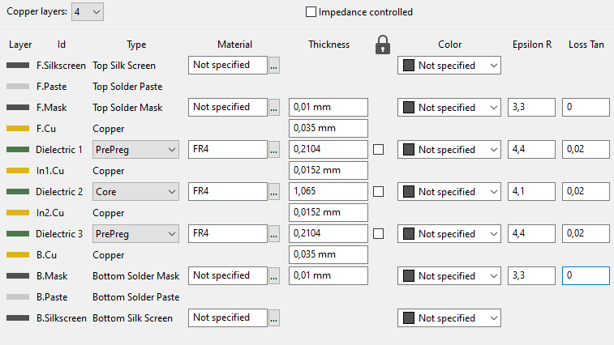
 | 0.521 | 8.0 | 471.6 | 0.0182
 | 0.547 | 8.0 | 476.2 | 0.0192
 | 0.575 | 8.0 | 481.0 | 0.0201 | 411 | 411 | 411
 | 0.603 | 7.0 | 409.8 | 0.0211
 | 0.634 | 7.0 | 413.8 | 0.0222
 | 0.665 | 7.0 | 418.0 | 0.0233 | 309 | 309 | 309
 | 0.699 | 6.0 | 347.0 | 0.0244
 | 0.733 | 6.0 | 350.3 | 0.0257
 | 0.770 | 6.0 | 353.7 | 0.0270 | 226 | 226 | 226
 | 0.809 | 5.0 | 283.5 | 0.0283
 | 0.849 | 5.0 | 286.1 | 0.0297
 | 0.892 | 5.0 | 288.7 | 0.0312
 | 0.936 | 5.0 | 291.5 | 0.0328 | 153 | 153 | 153
 | 0.983 | 4.0 | 222.0 | 0.0344
 | 1.032 | 4.0 | 223.8 | 0.0361
 | 1.084 | 4.0 | 225.8 | 0.0379
 | 1.138 | 4.0 | 227.8 | 0.0398
 | 1.195 | 4.0 | 230.0 | 0.0418 | 95 | 95 | 95
 | 1.254 | 3.0 | 161.4 | 0.0439
 | 1.317 | 3.0 | 162.6 | 0.0461
 | 1.383 | 3.0 | 163.8 | 0.0484
 | 1.452 | 3.0 | 165.1 | 0.0508
 | 1.525 | 3.0 | 166.5 | 0.0534
 | 1.601 | 3.0 | 167.9 | 0.0560
 | 1.681 | 3.0 | 169.4 | 0.0588 | 50 | 50 | 50
 | 1.765 | 2.0 | 102.3 | 0.0618
 | 1.853 | 2.0 | 102.8 | 0.0649
 | 1.946 | 2.0 | 103.4 | 0.0681
 | 2.043 | 2.0 | 104.0 | 0.0715
 | 2.146 | 2.0 | 104.7 | 0.0751
 | 2.253 | 2.0 | 105.4 | 0.0789
 | 2.366 | 2.0 | 106.1 | 0.0828
 | 2.484 | 2.0 | 106.8 | 0.0869 | 21 | 21 | 21
 | 2.608 | 1.0 | 45.3 | 0.0913
 | 2.738 | 1.0 | 45.3 | 0.0958
 | 2.875 | 1.0 | 45.3 | 0.1006
 | 3.019 | 1.0 | 45.3 | 0.1057
 | 3.170 | 1.0 | 45.3 | 0.1110
 | 3.329 | 1.0 | 45.3 | 0.1165
 | 3.495 | 1.0 | 45.3 | 0.1223
 | 3.670 | 1.0 | 45.3 | 0.1284
 | 3.853 | 1.0 | 45.3 | 0.1349
 | 4.046 | 1.0 | 45.3 | 0.1416
 | 4.248 | 1.0 | 45.3 | 0.1487
 | 4.461 | 1.0 | 45.3 | 0.1561
 | 4.684 | 1.0 | 45.3 | 0.1639
 | 4.918 | 1.0 | 45.3 | 0.1721
 | 5.164 | 1.0 | 45.3 | 0.1807 | 4 | 4 | 4
 | 5.422 | 0.0 | 0.0 | 0.1898
 | 5.693 | 0.0 | 0.0 | 0.1993
 | 5.978 | 0.0 | 0.0 | 0.2092
 | 6.276 | 0.0 | 0.0 | 0.2197
 | 6.590 | 0.0 | 0.0 | 0.2307
 | 6.920 | 0.0 | 0.0 | 0.2422
 | 7.266 | 0.0 | 0.0 | 0.2543
 | 7.629 | 0.0 | 0.0 | 0.2670
 | 8.010 | 0.0 | 0.0 | 0.2804
 | 8.411 | 0.0 | 0.0 | 0.2944
 | 8.832 | 0.0 | 0.0 | 0.3091
 | 9.273 | 0.0 | 0.0 | 0.3246
 | 9.737 | 0.0 | 0.0 | 0.3408
 | 10.224 | 0.0 | 0.0 | 0.3578
 | 10.735 | 0.0 | 0.0 | 0.3757
 | 11.272 | 0.0 | 0.0 | 0.3945
 | 11.835 | 0.0 | 0.0 | 0.4142
 | 12.427 | 0.0 | 0.0 | 0.4349
 | 13.048 | 0.0 | 0.0 | 0.4567
 | 13.701 | 0.0 | 0.0 | 0.4795
 | 14.386 | 0.0 | 0.0 | 0.5035
 | 15.105 | 0.0 | 0.0 | 0.5287
 | 15.860 | 0.0 | 0.0 | 0.5551
 | 16.653 | 0.0 | 0.0 | 0.5829
 | 17.486 | 0.0 | 0.0 | 0.6120
 | 18.360 | 0.0 | 0.0 | 0.6426
 | 19.278 | 0.0 | 0.0 | 0.6747
 | 20.242 | 0.0 | 0.0 | 0.7085
 | 21.254 | 0.0 | 0.0 | 0.7439
 | 22.317 | 0.0 | 0.0 | 0.7811
 | 23.433 | 0.0 | 0.0 | 0.8201
 | 24.604 | 0.0 | 0.0 | 0.8612
 | 25.835 | 0.0 | 0.0 | 0.9042
 | 27.126 | 0.0 | 0.0 | 0.9494
 | 28.483 | 0.0 | 0.0 | 0.9969
 | 29.907 | 0.0 | 0.0 | 1.0467
 | 31.402 | 0.0 | 0.0 | 1.0991
 | 32.972 | 0.0 | 0.0 | 1.1540
 | 34.621 | 0.0 | 0.0 | 1.2117
 | 36.352 | 0.0 | 0.0 | 1.2723
 | 38.169 | 0.0 | 0.0 | 1.3359
 | 40.078 | 0.0 | 0.0 | 1.4027
 | 42.082 | 0.0 | 0.0 | 1.4729
 | 44.186 | 0.0 | 0.0 | 1.5465
 | 46.395 | 0.0 | 0.0 | 1.6238
 | 48.715 | 0.0 | 0.0 | 1.7050
 | 51.151 | 0.0 | 0.0 | 1.7903
 | 53.708 | 0.0 | 0.0 | 1.8798
 | 56.394 | 0.0 | 0.0 | 1.9738
 | 59.213 | 0.0 | 0.0 | 2.0725
 | 62.174 | 0.0 | 0.0 | 2.1761
 | 65.283 | 0.0 | 0.0 | 2.2849
 | 68.547 | 0.0 | 0.0 | 2.3991
 | 71.974 | 0.0 | 0.0 | 2.5191
 | 75.573 | 0.0 | 0.0 | 2.6450
 | 79.351 | 0.0 | 0.0 | 2.7773
 | 83.319 | 0.0 | 0.0 | 2.9162
 | 87.485 | 0.0 | 0.0 | 3.0620
 | 91.859 | 0.0 | 0.0 | 3.2151
 | 96.452 | 0.0 | 0.0 | 3.3758
 | 101.275 | 0.0 | 0.0 | 3.5446
 | 106.339 | 0.0 | 0.0 | 3.7219
 | 111.656 | 0.0 | 0.0 | 3.9079
 | 117.238 | 0.0 | 0.0 | 4.1033
 | 123.100 | 0.0 | 0.0 | 4.3085
 | 129.255 | 0.0 | 0.0 | 4.5239
 | 135.718 | 0.0 | 0.0 | 4.7501
 | 142.504 | 0.0 | 0.0 | 4.9876
 | 149.629 | 0.0 | 0.0 | 5.2370
 | 157.111 | 0.0 | 0.0 | 5.4989
 | 164.966 | 0.0 | 0.0 | 5.7738
 | 173.214 | 0.0 | 0.0 | 6.0625
 | 181.875 | 0.0 | 0.0 | 6.3656
 | 190.969 | 0.0 | 0.0 | 6.6839
 | 200.517 | 0.0 | 0.0 | 7.0181
 | 210.543 | 0.0 | 0.0 | 7.3690
 | 221.070 | 0.0 | 0.0 | 7.7375
 | 232.124 | 0.0 | 0.0 | 8.1243
 | 243.730 | 0.0 | 0.0 | 8.5305
 | 255.916 | 0.0 | 0.0 | 8.9571
 | 268.712 | 0.0 | 0.0 | 9.4049
 | 282.148 | 0.0 | 0.0 | 9.8752
 | 296.255 | 0.0 | 0.0 | 10.3689
 | 311.068 | 0.0 | 0.0 | 10.8874
 | 326.621 | 0.0 | 0.0 | 11.4318
 | 342.953 | 0.0 | 0.0 | 12.0033
 | 360.100 | 0.0 | 0.0 | 12.6035
 | 378.105 | 0.0 | 0.0 | 13.2337
 | 397.010 | 0.0 | 0.0 | 13.8954
 | 416.861 | 0.0 | 0.0 | 14.5901
 | 437.704 | 0.0 | 0.0 | 15.3196
 | 459.589 | 0.0 | 0.0 | 16.0856
 | 482.569 | 0.0 | 0.0 | 16.8899
 | 506.697 | 0.0 | 0.0 | 17.7344
 | 532.032 | 0.0 | 0.0 | 18.6211
 | 558.634 | 0.0 | 0.0 | 19.5522
 | 586.565 | 0.0 | 0.0 | 20.5298
 | 615.894 | 0.0 | 0.0 | 21.5563
 | 646.688 | 0.0 | 0.0 | 22.6341
 | 679.023 | 0.0 | 0.0 | 23.7658
 | 712.974 | 0.0 | 0.0 | 24.9541
 | 748.622 | 0.0 | 0.0 | 26.2018
 | 786.054 | 0.0 | 0.0 | 27.5119

ER11-12V
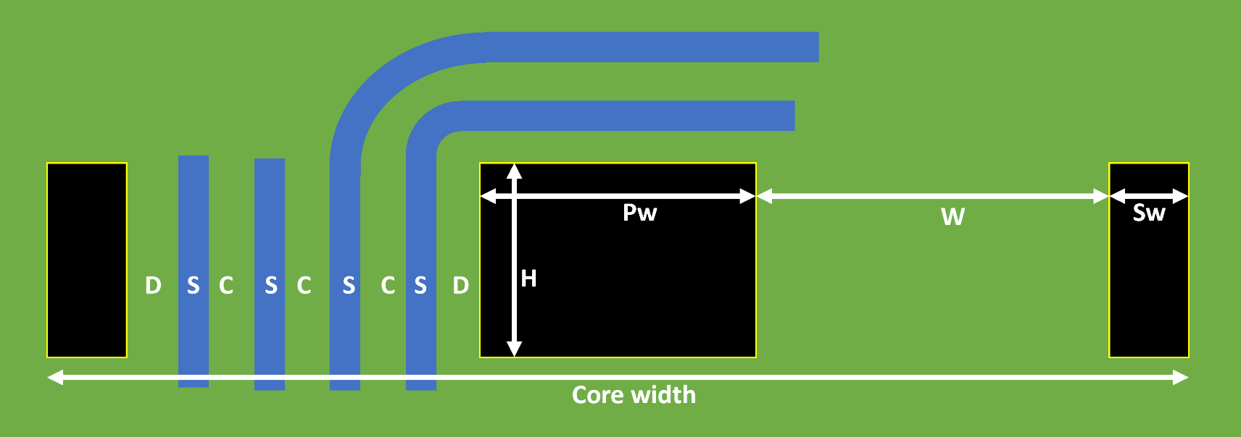
 |  |  | https://www.mouser.fr/ProductDetail/EPCOS-TDK/B65525J0160A087
 |  |  | https://www.digikey.com/en/products/detail/epcos-tdk-electronics/B65525J0160A087/3913735 |  |  |  |  | Current | 0.1 | A | Equivalent DC current | Vout | 21 | V |  |  |  | Ae | 8.81 | mm²
Core dimensions | Core width | 11 | mm | Total core width |  |  |  |  |  |  |  | Iout | 0.1 | A |  |  |  | L | 80 | µH
 | Pw | 4.25 | mm | Central pillar width |  |  |  |  |  |  |  | Pout | 2.1 | W |  |  |  | N | 14 | turns
 | H | 4.25 | mm | Central pillar height |  |  |  |  |  |  |  | Eff | 70% |  |  |  |  | Idc | 100 | mA
 | Sw | 1.15 | mm | Side lobe width |  |  |  |  |  |  |  | Pin | 3 | W |  |  |  | Ipk | 476.19 | mA
 | Al | 160 | nH/turn² | TODO: measure on core |  |  |  |  |  |  |  | Vin | 24 | V |  |  |  | Bmax | 308.86 | mT | Keep below 390mT
 | W | 2.225 | mm | Winding width W=(Core_width - Pw )/2 - Sw |  |  |  | T1 | 3 |  | # turns on Layer 1 | Iin | 0.125 | A
 | Max T | 9 |  | Max number of turns using min spacing/min track size Max T = (W-2D+C)/(C+S) |  |  |  | T2 | 3 |  | # turns on Layer 2 | Dmax | 45% |  | Fsw | 250 | kHz | Ve | 120 | mm^3
 |  |  |  |  |  |  |  | T3 | 2 |  | # turns on Layer 3 | N ideal | 1.0694444444 |  | Dmax | 42% |  | PV@300kHz | 390 | kW/m^3
 |  |  |  |  |  |  |  | Ttot | 6 |  | Total number of turns |  |  |  | Lpri max | 67.7 | µH | PV@500kHz | 215 | kW/m^3
Variable constraints | D | 0.3 | mm | Min copper to edge clearance |  |  |  | L | 5.8 | µH | Expected magnetizing inductance |  |  |  | Lpri targ | 60 | µH | P 300k | 46.8 | mW | Core losses
 | C | 0.1 | mm |  |  |  |  |  |  |  |  |  |  |  | Lsec targ | 68.6 | µH | P 500k | 25.8 | mW
 | Copper 1 | 35 | µm |  |  |  |  |  |  |  |  |  |  |  | Npri targ | 19 | turns
 | Copper 2 | 35 | µm |  |  |  |  | R1 | 59 | mΩ | Layer 1 DCR |  |  |  | Nsec targ | 21 | turns
 | Copper 3 | 35 | µm |  |  |  |  | R2 | 59 | mΩ | Layer 2 DCR
 | N layers | 2 |  |  |  |  |  | R3 | 0 | mΩ | Layer 3 DCR
 |  |  |  |  |  |  |  | Rtot | 118 | mΩ | Total winding DCR (without vias) |  |  |  |  |  |  | Max energy transfer:
JLC capabilities | Min C | 0.09 | mm | Min track spacing |  |  |  |  |  |  |  |  |  |  |  |  |  | Lpri | 60 | µH
 | Min S | 0.09 | mm | Min track width |  |  |  | L1 section | 24.8 | mils² |  |  |  |  |  |  |  | I sat (+margin) | 1.1 | A
 | Min D | 0.3 | mm | Min trace to outline distance |  |  |  | L1 T rise | 0 | °C |  |  |  |  |  |  |  | E pulse | 36.3 | µJ
 | Inner copper | 17.5 | µm |  |  |  |  | L2 section | 24.8 | mils² |  |  |  |  |  |  |  | Fsw | 100 | kHz
 | Outer copper | 35 | µm |  |  |  |  | L2 T rise | 0 | °C |  | 17.5/17.5 | Secondary |  |  |  |  | Pin calc | 3.63 | W
 | Cr | 1.72E-08 | Ω*m | Copper resistivity |  |  |  | L3 section | 28.4 | mils² |  | 16 | turns | N | 2.6666666667
 |  |  |  |  |  |  |  | L3 T rise | 0 | °C |  | 41 | µH
step: | 7% |  |  |  |  |  |  |  |  |  |  | 2775 | mOhm | 1388/+0°C
 | S(mm) | Max Turns | Track length(mm) | Cross section (mm²) | Resistance L1 (mΩ) | Resistance L2 (mΩ) | Resistance L3 (mΩ) |  |  |  |  | +4°C
 | 0.090 | 9.0 | 176.5 | 0.0032 | 964 | 964 | 964 |  |  |  |  | 35/35 | Primary
 | 0.096 | 8.0 | 153.2 | 0.0034 |  |  |  |  |  |  |  | 6 | turns
 | 0.103 | 8.0 | 154.4 | 0.0036 |  |  |  |  |  |  |  | 5.8 | µH
 | 0.110 | 8.0 | 155.7 | 0.0039 | 694 | 694 | 694 |  |  |  |  | 118 | mOhm | 237/+6°C
 | 0.118 | 7.0 | 132.6 | 0.0041
 | 0.126 | 7.0 | 133.7 | 0.0044
 | 0.135 | 7.0 | 134.9 | 0.0047
 | 0.145 | 7.0 | 136.1 | 0.0051 | 463 | 463 | 463
 | 0.155 | 6.0 | 113.0 | 0.0054
 | 0.165 | 6.0 | 114.0 | 0.0058
 | 0.177 | 6.0 | 115.1 | 0.0062 | 320 | 320 | 320
 | 0.189 | 5.0 | 92.4 | 0.0066
 | 0.203 | 5.0 | 93.2 | 0.0071
 | 0.217 | 5.0 | 94.1 | 0.0076
 | 0.232 | 5.0 | 95.0 | 0.0081 | 201 | 201 | 201
 | 0.248 | 4.0 | 72.5 | 0.0087
 | 0.266 | 4.0 | 73.1 | 0.0093
 | 0.284 | 4.0 | 73.8 | 0.0100
 | 0.304 | 4.0 | 74.6 | 0.0106
 | 0.325 | 4.0 | 75.4 | 0.0114 | 114 | 114 | 114
 | 0.348 | 3.0 | 53.0 | 0.0122
 | 0.373 | 3.0 | 53.4 | 0.0130
 | 0.399 | 3.0 | 53.9 | 0.0140
 | 0.427 | 3.0 | 54.4 | 0.0149
 | 0.457 | 3.0 | 55.0 | 0.0160 | 59 | 59 | 59
 | 0.488 | 2.0 | 33.4 | 0.0171
 | 0.523 | 2.0 | 33.6 | 0.0183
 | 0.559 | 2.0 | 33.8 | 0.0196
 | 0.598 | 2.0 | 34.1 | 0.0209
 | 0.640 | 2.0 | 34.3 | 0.0224
 | 0.685 | 2.0 | 34.6 | 0.0240
 | 0.733 | 2.0 | 34.9 | 0.0257 | 23 | 23 | 23
 | 0.784 | 1.0 | 14.8 | 0.0275
 | 0.839 | 1.0 | 14.8 | 0.0294
 | 0.898 | 1.0 | 14.8 | 0.0314
 | 0.961 | 1.0 | 14.8 | 0.0336
 | 1.028 | 1.0 | 14.8 | 0.0360
 | 1.100 | 1.0 | 14.8 | 0.0385
 | 1.177 | 1.0 | 14.8 | 0.0412
 | 1.260 | 1.0 | 14.8 | 0.0441
 | 1.348 | 1.0 | 14.8 | 0.0472
 | 1.442 | 1.0 | 14.8 | 0.0505
 | 1.543 | 1.0 | 14.8 | 0.0540 | 5 | 5 | 5
 | 1.651 | 0.0 | 0.0 | 0.0578
 | 1.767 | 0.0 | 0.0 | 0.0618
 | 1.890 | 0.0 | 0.0 | 0.0662
 | 2.023 | 0.0 | 0.0 | 0.0708
 | 2.164 | 0.0 | 0.0 | 0.0757
 | 2.316 | 0.0 | 0.0 | 0.0810

Sheet2
 |  |  |  |  |  |  | Al | 155 | nH/turns² | With DC bias |  | 6 turns |  |  |  | 7 turns |  |  |  | 10 turns
 |  |  |  |  | Turns | 100kHz standalone | Formula | Error |  | Turns | 100kHz | Current | L 100k |  |  | Current | L 100k |  |  | Current | L 100k |  |  | Conductor width W | Conductor height | Er | Er eff | pF/cm
Fsw | 500 | kHz | µ0 | 1 | 1 | 159 | 155 | 3% |  | 1 | 150 | 0 | 4.87 |  | 0 | 0 | 6.31 |  | 0 | 0 | 14.22 |  | 0 | 0.127 | 0.254 | 4.6 | 2.9 | 0.6708
Tsw | 2 | µs | µrdg | 1 | 2 | 633 | 620 | 2% |  | 2 | 582 | 0.1 | 4.87 | 0% | 0.6 | 0.1 | 6.4 | 1% | 0.7 | 0.2 | 14.29 | 0% | 2 | 0.254 | 0.254 | 4.6 | 3.1 | 0.8956
 |  |  | Bm | 400 | 3 | 1370 | 1395 | -2% |  | 3 | 1000 | 0.3 | 4.88 | 0% | 1.8 | 0.2 | 6.44 | 2% | 1.4 | 0.4 | 14.33 | 1% | 4 | 0.508 | 0.254 | 4.6 | 3.3412 | 1.3143
Pout | 2.5 | W |  |  | 4 | 2516 | 2480 | 1% |  | 4 | 1818 | 0.5 | 4.88 | 0% | 3 | 0.4 | 6.48 | 3% | 2.8 | 0.6 | 14.3 | 1% | 6 | 1 | 0.254 | 4.6 | 3.6095 | 2.0974
duty | 40% |  |  |  | 5 | 3500 | 3875 | -11% |  | 5 | 2900 | 0.7 | 4.88 | 0% | 4.2 | 0.6 | 6.5 | 3% | 4.2 | 0.9 | 14.2 | 0% | 9 | 2 | 0.254 | 4.6 | 3.8888 | 3.6715
Ton | 0.8 | µs |  |  | 6 | 5420 | 5580 | -3% |  | 6 | 4630 | 1.44 | 4.85 | 0% | 8.64 | 0.9 | 6.51 | 3% | 6.3 | 1.2 | 14 | -2% | 12 | 20 | 0.254 | 4.6 | 4.453 | 32.2164
Eout | 5 | µJ |  |  | 7 | 7360 | 7595 | -3% |  | 7 | 6310 | 1.9 | 4.8 | -1% | 11.4 | 1.2 | 6.5 | 3% | 8.4 | 1.5 | 13.6 | -4% | 15
Efficiency | 70% |  |  |  | 8 | 9640 | 9920 | -3% |  | 10 | 14220 | 2.2 | 4.78 | -2% | 13.2 | 1.5 | 6.5 | 3% | 10.5 | 1.8 | 12.9 | -9% | 18
Em | 7.1428571429 | µJ |  |  |  |  |  |  |  |  |  | 2.6 | 4.67 | -4% | 15.6 | 1.8 | 6.43 | 2% | 12.6 | 2.1 | 11.3 | -21% | 21
Pmax | 8.9285714286 | W |  |  |  |  |  |  |  |  |  | 2.8 | 4.62 | -5% | 16.8 | 2.1 | 6.36 | 1% | 14.7 | 2.2 | 9.9 | -30% | 22 | W (mm) | height (mm) | L (cm) | Er | Cap | Cap+edge
 |  |  |  |  |  |  |  |  |  |  |  | 3 | 4.59 | -6% | 18 | 2.5 | 6.19 | -2% | 17.5 | 2.3 | 7.6 | -47% | 23 | 0.15 | 0.21 | 1 | 4.2 | 2.655 | 3.1077
Vol | 8.9285714286E-11 |  |  |  |  |  |  |  |  |  |  |  |  |  |  | 2.9 | 5.77 | -9% | 20.3 | 2.5 | 5 | -65% | 25
 |  |  |  |  | 0.97 | 2.5 | 39% |  |  |  |  |  |  |  |  | 2.8 | 5.95 | -6% | 19.6 |  |  |  | 0
Al curve, 0 bias
 | 100kHz standalone |  | Formula |  | With DC bias
1 | 159 | 1 | 155 | 1 | 150
2 | 633 | 2 | 620 | 2 | 582
3 | 1370 | 3 | 1395 | 3 | 1000
4 | 2516 | 4 | 2480 | 4 | 1818
5 | 3500 | 5 | 3875 | 5 | 2900
6 | 5420 | 6 | 5580 | 6 | 4630
7 | 7360 | 7 | 7595 | 7 | 6310
8 | 9640 | 8 | 9920 | 10 | 14220
 |  |  |  |  |  |  |  |  |  |  |  |  |  |  |  |  |  |  |  |  |  |  |  | W(mm) | t(µm) | g(mm) | d | Cap in pf/m
 |  |  |  |  |  |  |  |  |  |  |  |  |  |  |  |  |  |  |  |  |  |  |  | 10 | 2 | 0.5 | 3.5 | 0.99

 |  |  |  |  | 48 | V |  | 950
 |  |  |  |  | 24 | V |  | 10
 |  |  |  |  | 10 | mA |  | 2000
 |  |  |  |  | 24 | V |  | 4.7263681592 | V
 |  |  |  |  | 2.4 | kOhm
 |  |  |  |  | 240 | mW

