ER11-12V
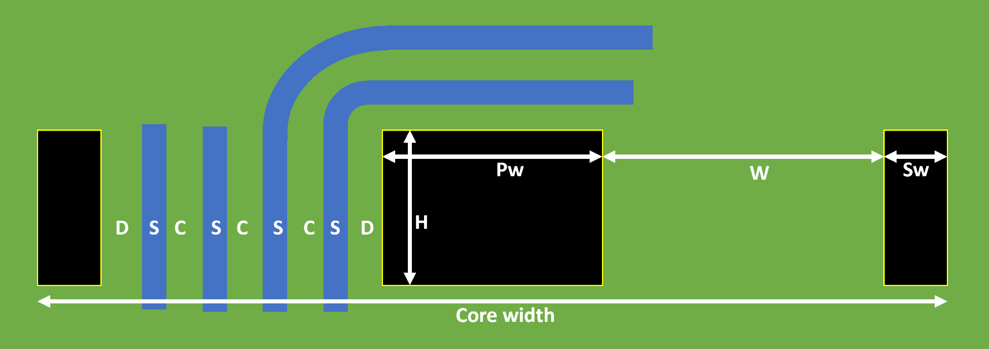
 |  |  |  |  |  |  |  | Current | 0.1 | A | Equivalent DC current | Vout | 21 | V |  |  |  | Ae | 8.81 | mm²
Core dimensions | Core width | 11 | mm | Total core width |  |  |  |  |  |  |  | Iout | 0.1 | A |  |  |  | L | 80 | µH
 | Pw | 4.25 | mm | Central pillar width |  |  |  |  |  |  |  | Pout | 2.1 | W |  |  |  | N | 14 | turns
 | H | 4.25 | mm | Central pillar height |  |  |  |  |  |  |  | Eff | 70% |  |  |  |  | Idc | 100 | mA
 | Sw | 1.15 | mm | Side lobe width |  |  |  |  |  |  |  | Pin | 3 | W |  |  |  | Ipk | 476.19 | mA
 | Al | 160 | nH/turn² | TODO: measure on core |  |  |  |  |  |  |  | Vin | 24 | V |  |  |  | Bmax | 308.86 | mT | Keep below 390mT
 | W | 2.225 | mm | Winding width W=(Core_width - Pw )/2 - Sw |  |  |  | T1 | 3 |  | # turns on Layer 1 | Iin | 0.125 | A
 | Max T | 9 |  | Max number of turns using min spacing/min track size Max T = (W-2D+C)/(C+S) |  |  |  | T2 | 3 |  | # turns on Layer 2 | Dmax | 45% |  | Fsw | 250 | kHz | Ve | 120 | mm^3
 |  |  |  |  |  |  |  | T3 | 2 |  | # turns on Layer 3 | N ideal | 1.0694444444 |  | Dmax | 42% |  | PV@300kHz | 390 | kW/m^3
 |  |  |  |  |  |  |  | Ttot | 6 |  | Total number of turns |  |  |  | Lpri max | 67.7 | µH | PV@500kHz | 215 | kW/m^3
Variable constraints | D | 0.3 | mm | Min copper to edge clearance |  |  |  | L | 5.8 | µH | Expected magnetizing inductance |  |  |  | Lpri targ | 60 | µH | P 300k | 46.8 | mW | Core losses
 | C | 0.1 | mm |  |  |  |  |  |  |  |  |  |  |  | Lsec targ | 68.6 | µH | P 500k | 25.8 | mW
 | Copper 1 | 35 | µm |  |  |  |  |  |  |  |  |  |  |  | Npri targ | 19 | turns
 | Copper 2 | 35 | µm |  |  |  |  | R1 | 59 | mΩ | Layer 1 DCR |  |  |  | Nsec targ | 21 | turns
 | Copper 3 | 35 | µm |  |  |  |  | R2 | 59 | mΩ | Layer 2 DCR
 | N layers | 2 |  |  |  |  |  | R3 | 0 | mΩ | Layer 3 DCR
 |  |  |  |  |  |  |  | Rtot | 118 | mΩ | Total winding DCR (without vias) |  |  |  |  |  |  | Max energy transfer:
JLC capabilities | Min C | 0.09 | mm | Min track spacing |  |  |  |  |  |  |  |  |  |  |  |  |  | Lpri | 60 | µH
 | Min S | 0.09 | mm | Min track width |  |  |  | L1 section | 24.8 | mils² |  |  |  |  |  |  |  | I sat (+margin) | 1.1 | A
 | Min D | 0.3 | mm | Min trace to outline distance |  |  |  | L1 T rise | 0 | °C |  |  |  |  |  |  |  | E pulse | 36.3 | µJ
 | Inner copper | 17.5 | µm |  |  |  |  | L2 section | 24.8 | mils² |  |  |  |  |  |  |  | Fsw | 100 | kHz
 | Outer copper | 35 | µm |  |  |  |  | L2 T rise | 0 | °C |  | 17.5/17.5 | Secondary |  |  |  |  | Pin calc | 3.63 | W
 | Cr | 1.72E-08 | Ω*m | Copper resistivity |  |  |  | L3 section | 28.4 | mils² |  | 16 | turns | N | 2.6666666667
 |  |  |  |  |  |  |  | L3 T rise | 0 | °C |  | 41 | µH
step: | 7% |  |  |  |  |  |  |  |  |  |  | 2775 | mOhm | 1388/+0°C
 | S(mm) | Max Turns | Track length(mm) | Cross section (mm²) | Resistance L1 (mΩ) | Resistance L2 (mΩ) | Resistance L3 (mΩ) |  |  |  |  | +4°C
 | 0.090 | 9.0 | 176.5 | 0.0032 | 964 | 964 | 964 |  |  |  |  | 35/35 | Primary
 | 0.096 | 8.0 | 153.2 | 0.0034 |  |  |  |  |  |  |  | 6 | turns
 | 0.103 | 8.0 | 154.4 | 0.0036 |  |  |  |  |  |  |  | 5.8 | µH
 | 0.110 | 8.0 | 155.7 | 0.0039 | 694 | 694 | 694 |  |  |  |  | 118 | mOhm | 237/+6°C
 | 0.118 | 7.0 | 132.6 | 0.0041
 | 0.126 | 7.0 | 133.7 | 0.0044
 | 0.135 | 7.0 | 134.9 | 0.0047
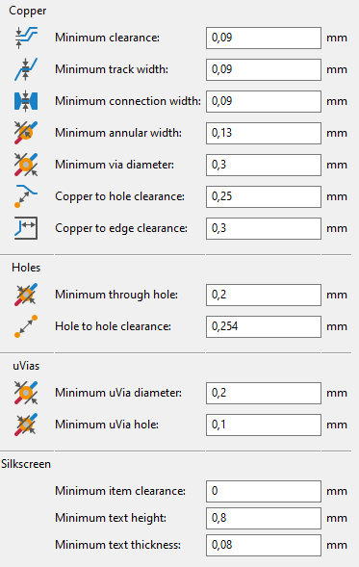
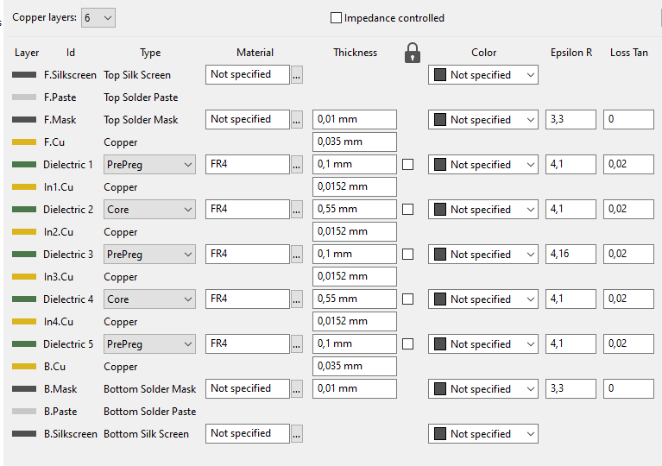
 | 0.145 | 7.0 | 136.1 | 0.0051 | 463 | 463 | 463
 | 0.155 | 6.0 | 113.0 | 0.0054
 | 0.165 | 6.0 | 114.0 | 0.0058
 | 0.177 | 6.0 | 115.1 | 0.0062 | 320 | 320 | 320
 | 0.189 | 5.0 | 92.4 | 0.0066
 | 0.203 | 5.0 | 93.2 | 0.0071
 | 0.217 | 5.0 | 94.1 | 0.0076
 | 0.232 | 5.0 | 95.0 | 0.0081 | 201 | 201 | 201
 | 0.248 | 4.0 | 72.5 | 0.0087
 | 0.266 | 4.0 | 73.1 | 0.0093
 | 0.284 | 4.0 | 73.8 | 0.0100
 | 0.304 | 4.0 | 74.6 | 0.0106
 | 0.325 | 4.0 | 75.4 | 0.0114 | 114 | 114 | 114
 | 0.348 | 3.0 | 53.0 | 0.0122
 | 0.373 | 3.0 | 53.4 | 0.0130
 | 0.399 | 3.0 | 53.9 | 0.0140
 | 0.427 | 3.0 | 54.4 | 0.0149
 | 0.457 | 3.0 | 55.0 | 0.0160 | 59 | 59 | 59
 | 0.488 | 2.0 | 33.4 | 0.0171
 | 0.523 | 2.0 | 33.6 | 0.0183
 | 0.559 | 2.0 | 33.8 | 0.0196
 | 0.598 | 2.0 | 34.1 | 0.0209
 | 0.640 | 2.0 | 34.3 | 0.0224
 | 0.685 | 2.0 | 34.6 | 0.0240
 | 0.733 | 2.0 | 34.9 | 0.0257 | 23 | 23 | 23
 | 0.784 | 1.0 | 14.8 | 0.0275
 | 0.839 | 1.0 | 14.8 | 0.0294
 | 0.898 | 1.0 | 14.8 | 0.0314
 | 0.961 | 1.0 | 14.8 | 0.0336
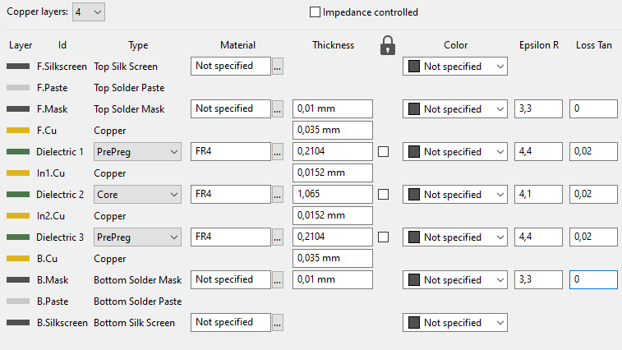
 | 1.028 | 1.0 | 14.8 | 0.0360
 | 1.100 | 1.0 | 14.8 | 0.0385
 | 1.177 | 1.0 | 14.8 | 0.0412
 | 1.260 | 1.0 | 14.8 | 0.0441
 | 1.348 | 1.0 | 14.8 | 0.0472
 | 1.442 | 1.0 | 14.8 | 0.0505
 | 1.543 | 1.0 | 14.8 | 0.0540 | 5 | 5 | 5
 | 1.651 | 0.0 | 0.0 | 0.0578
 | 1.767 | 0.0 | 0.0 | 0.0618
 | 1.890 | 0.0 | 0.0 | 0.0662
 | 2.023 | 0.0 | 0.0 | 0.0708
 | 2.164 | 0.0 | 0.0 | 0.0757
 | 2.316 | 0.0 | 0.0 | 0.0810

Sheet2
 |  |  |  |  |  |  | Al | 155 | nH/turns² | With DC bias |  | 6 turns |  |  |  | 7 turns |  |  |  | 10 turns
 |  |  |  |  | Turns | 100kHz standalone | Formula | Error |  | Turns | 100kHz | Current | L 100k |  |  | Current | L 100k |  |  | Current | L 100k |  |  | Conductor width W | Conductor height | Er | Er eff | pF/cm
Fsw | 500 | kHz | µ0 | 1 | 1 | 159 | 155 | 3% |  | 1 | 150 | 0 | 4.87 |  | 0 | 0 | 6.31 |  | 0 | 0 | 14.22 |  | 0 | 0.127 | 0.254 | 4.6 | 2.9 | 0.6708
Tsw | 2 | µs | µrdg | 1 | 2 | 633 | 620 | 2% |  | 2 | 582 | 0.1 | 4.87 | 0% | 0.6 | 0.1 | 6.4 | 1% | 0.7 | 0.2 | 14.29 | 0% | 2 | 0.254 | 0.254 | 4.6 | 3.1 | 0.8956
 |  |  | Bm | 400 | 3 | 1370 | 1395 | -2% |  | 3 | 1000 | 0.3 | 4.88 | 0% | 1.8 | 0.2 | 6.44 | 2% | 1.4 | 0.4 | 14.33 | 1% | 4 | 0.508 | 0.254 | 4.6 | 3.3412 | 1.3143
Pout | 2.5 | W |  |  | 4 | 2516 | 2480 | 1% |  | 4 | 1818 | 0.5 | 4.88 | 0% | 3 | 0.4 | 6.48 | 3% | 2.8 | 0.6 | 14.3 | 1% | 6 | 1 | 0.254 | 4.6 | 3.6095 | 2.0974
duty | 40% |  |  |  | 5 | 3500 | 3875 | -11% |  | 5 | 2900 | 0.7 | 4.88 | 0% | 4.2 | 0.6 | 6.5 | 3% | 4.2 | 0.9 | 14.2 | 0% | 9 | 2 | 0.254 | 4.6 | 3.8888 | 3.6715
Ton | 0.8 | µs |  |  | 6 | 5420 | 5580 | -3% |  | 6 | 4630 | 1.44 | 4.85 | 0% | 8.64 | 0.9 | 6.51 | 3% | 6.3 | 1.2 | 14 | -2% | 12 | 20 | 0.254 | 4.6 | 4.453 | 32.2164
Eout | 5 | µJ |  |  | 7 | 7360 | 7595 | -3% |  | 7 | 6310 | 1.9 | 4.8 | -1% | 11.4 | 1.2 | 6.5 | 3% | 8.4 | 1.5 | 13.6 | -4% | 15
Efficiency | 70% |  |  |  | 8 | 9640 | 9920 | -3% |  | 10 | 14220 | 2.2 | 4.78 | -2% | 13.2 | 1.5 | 6.5 | 3% | 10.5 | 1.8 | 12.9 | -9% | 18
Em | 7.1428571429 | µJ |  |  |  |  |  |  |  |  |  | 2.6 | 4.67 | -4% | 15.6 | 1.8 | 6.43 | 2% | 12.6 | 2.1 | 11.3 | -21% | 21
Pmax | 8.9285714286 | W |  |  |  |  |  |  |  |  |  | 2.8 | 4.62 | -5% | 16.8 | 2.1 | 6.36 | 1% | 14.7 | 2.2 | 9.9 | -30% | 22 | W (mm) | height (mm) | L (cm) | Er | Cap | Cap+edge
 |  |  |  |  |  |  |  |  |  |  |  | 3 | 4.59 | -6% | 18 | 2.5 | 6.19 | -2% | 17.5 | 2.3 | 7.6 | -47% | 23 | 0.15 | 0.21 | 1 | 4.2 | 2.655 | 3.1077
Vol | 8.9285714286E-11 |  |  |  |  |  |  |  |  |  |  |  |  |  |  | 2.9 | 5.77 | -9% | 20.3 | 2.5 | 5 | -65% | 25
 |  |  |  |  | 0.97 | 2.5 | 39% |  |  |  |  |  |  |  |  | 2.8 | 5.95 | -6% | 19.6 |  |  |  | 0
Al curve, 0 bias
 | 100kHz standalone |  | Formula |  | With DC bias
1 | 159 | 1 | 155 | 1 | 150
2 | 633 | 2 | 620 | 2 | 582
3 | 1370 | 3 | 1395 | 3 | 1000
4 | 2516 | 4 | 2480 | 4 | 1818
5 | 3500 | 5 | 3875 | 5 | 2900
6 | 5420 | 6 | 5580 | 6 | 4630
7 | 7360 | 7 | 7595 | 7 | 6310
8 | 9640 | 8 | 9920 | 10 | 14220
 |  |  |  |  |  |  |  |  |  |  |  |  |  |  |  |  |  |  |  |  |  |  |  | W(mm) | t(µm) | g(mm) | d | Cap in pf/m
 |  |  |  |  |  |  |  |  |  |  |  |  |  |  |  |  |  |  |  |  |  |  |  | 10 | 2 | 0.5 | 3.5 | 0.99

 |  |  |  |  | 48 | V |  | 950
 |  |  |  |  | 24 | V |  | 10
 |  |  |  |  | 10 | mA |  | 2000
 |  |  |  |  | 24 | V |  | 4.7263681592 | V
 |  |  |  |  | 2.4 | kOhm
 |  |  |  |  | 240 | mW

