Sheet1
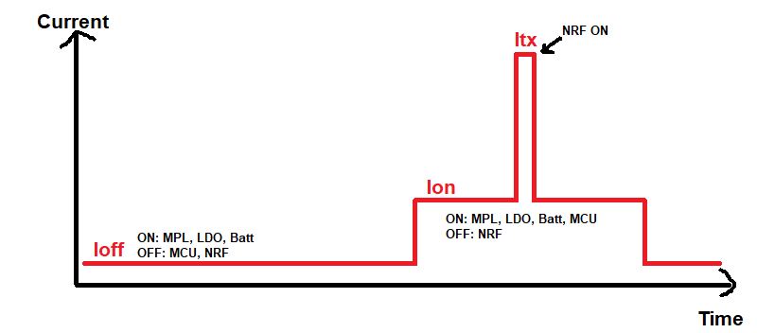
 | Theoretical meas
 | Battery capacity | 2.2 | Ah | T off | 990 | ms
 |  |  |  | Ioff | 314.5 | µA
84.3% | I MPL | 265 | µA | Eoff | 0.311 | mA*s | 34.5%
8.3% | I NRF sleep | 26 | µA | Eon MCU | 0.030 | mA*s | 3.3%
6.4% | I MCU sleep | 20 | µA | Eon NRF | 0.560 | mA*s | 62.1%
0.5% | Iq LDO | 1.5 | µA | Etot | 0.901 | mA*s
0.6% | I Vbatt meas | 2 | µA
 |  |  |  | Battery cap | 7920000 | A*s
 | wakeup Period | 1 | s | Batt life | 8786771 | s
 | T MCU ON | 10 | ms |  | 2441 | h
 | I MCU ON | 3 | mA |  | 101.7 | days
 | T NRF ON | 8 | ms |  | 3.39 | months
 | I NRF ON | 70 | mA

 | Lab meas
 | Battery capacity | 2.2 | Ah

 | wakeup Period | 1 | s | Eoff | 0.691 | mA*s | 55.9%
 | T MCU ON | 5 | ms | Eon MCU | 0.008 | mA*s | 0.6%
 | I MCU ON | 1.6 | mA | Eon NRF | 0.536 | mA*s | 43.4%
8-20ms | T NRF ON | 8 | ms | Etot | 1.235 | mAs
12-67mA | I NRF ON | 67 | mA
 | T off | 987 | ms
 | Ioff | 700 | µA | Battery cap | 7920000 | As
 |  |  |  | Batt life | 6413475 | s
 |  |  |  |  | 1782 | h
 |  |  |  |  | 74.2 | days
 |  |  |  |  | 2.47 | months

v0 scope
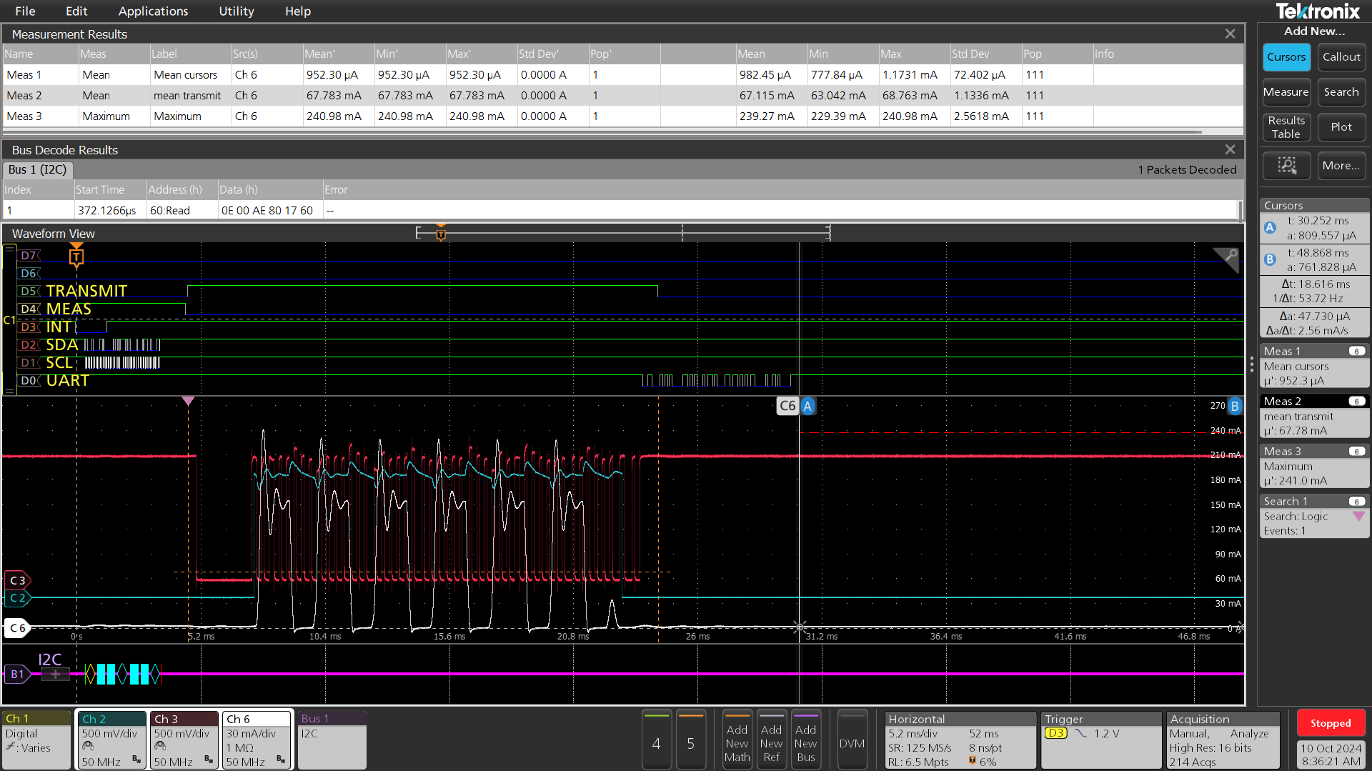
Zoom I2C/meas
duration | 4.9ms
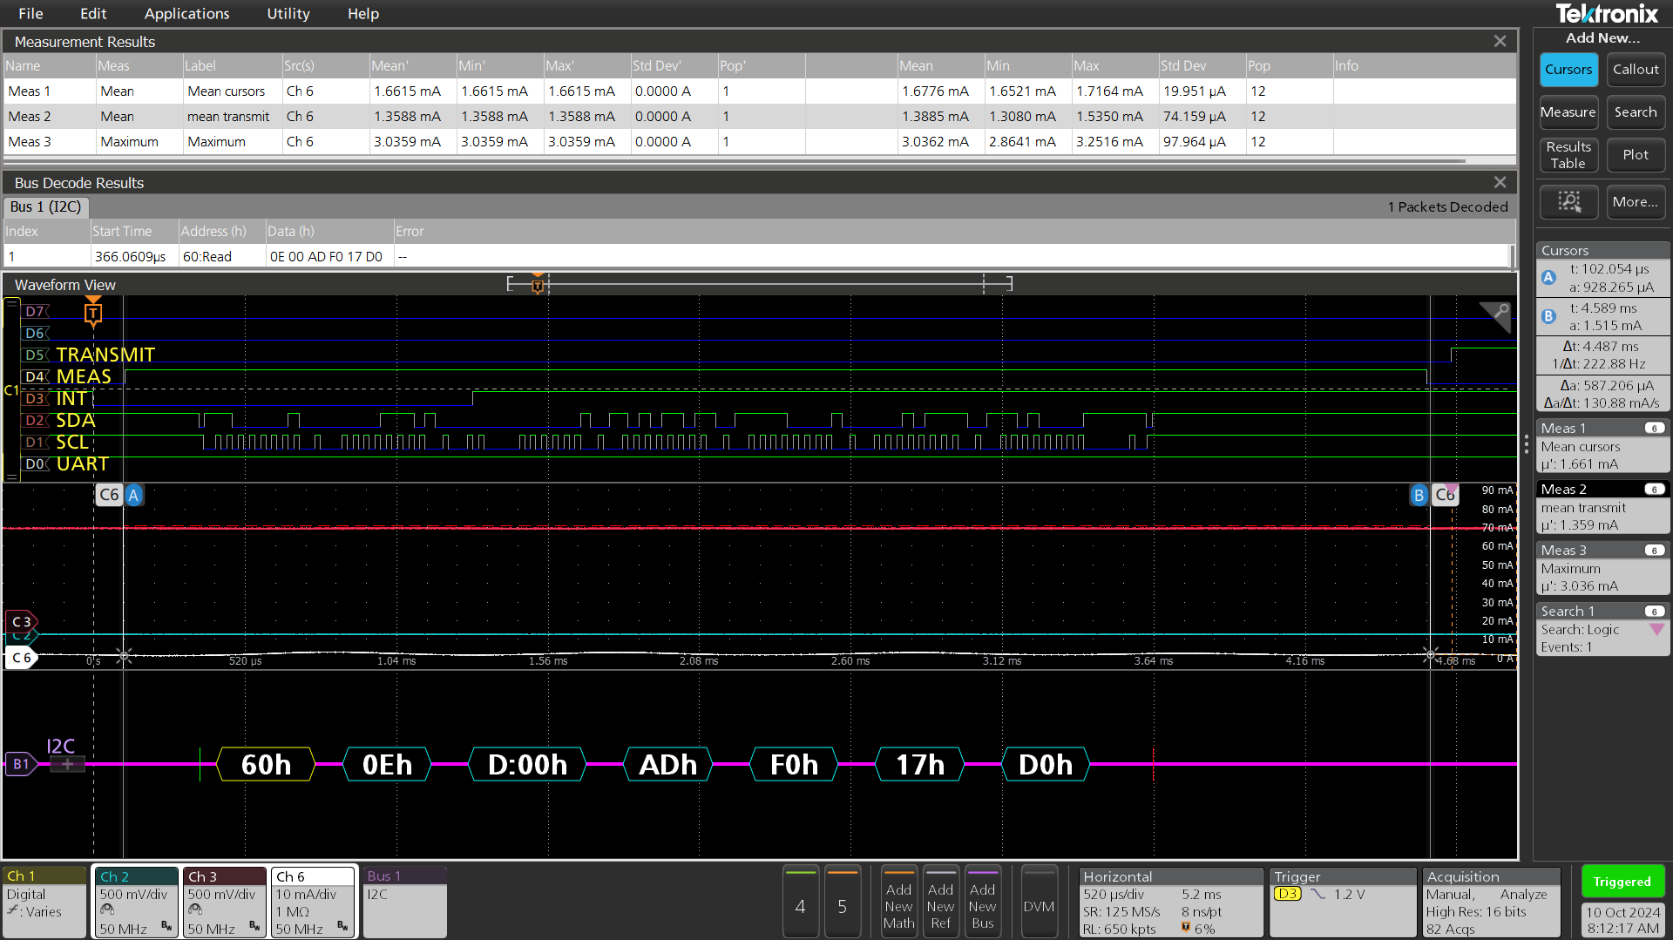

Transmit (no receiver, 5 retries) |  | Time | 20ms | Avg current | 12mA | Pk current | 71mA |  | small NRF ( no pa/lna)
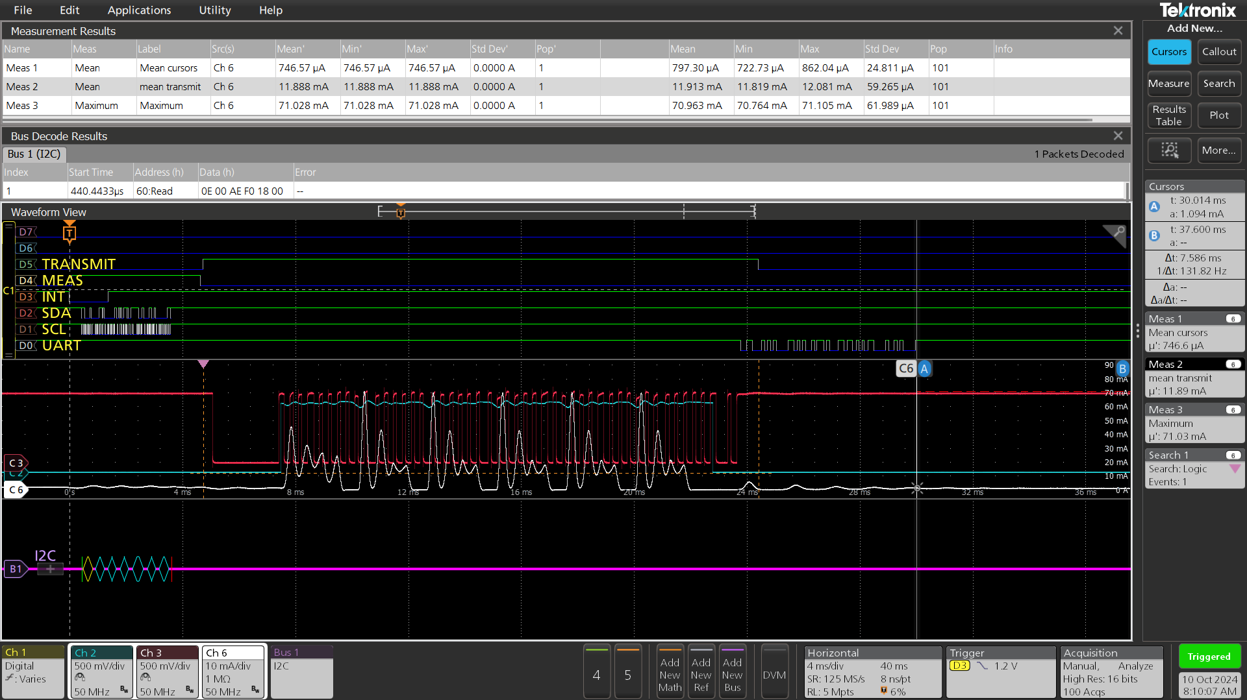

Transmit with receiver, typ. 1 or 3 retries |  |  |  | OFF current | 800µA |  | Avg current during transmit | 11mA |  | Min transmit time | 8ms | small NRF ( no pa/lna)

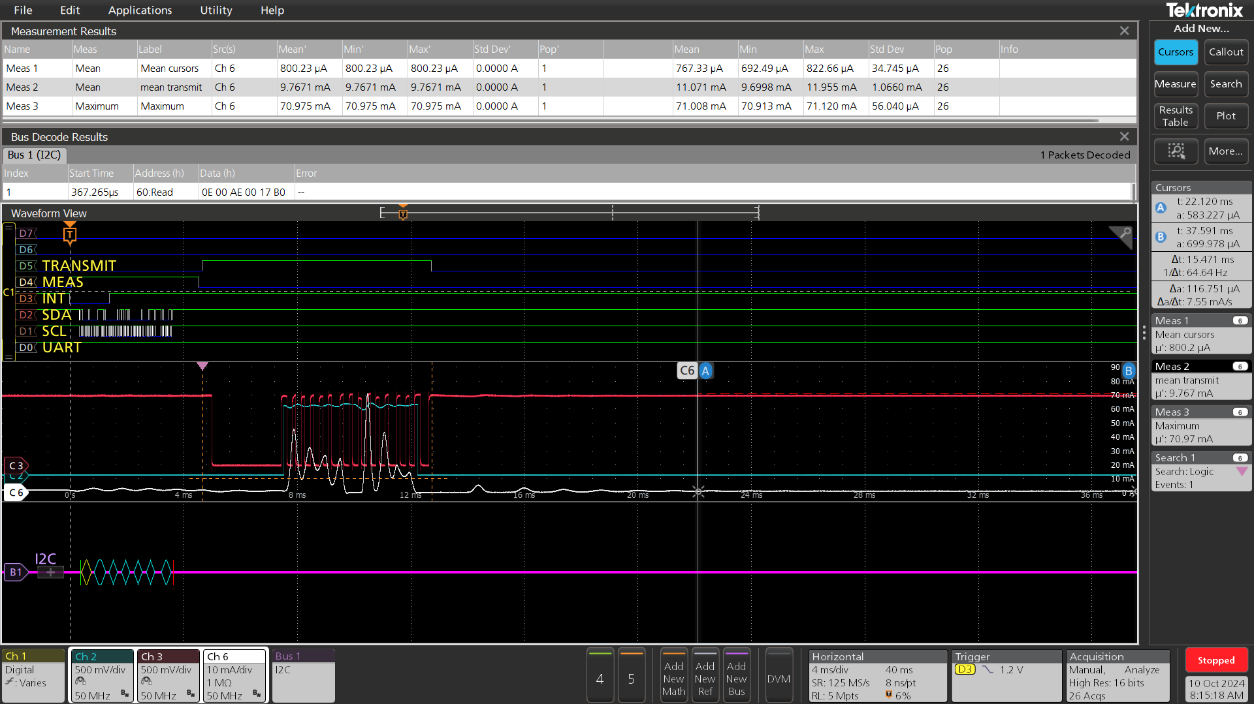

Transmit (no receiver, 5 retries) |  | Time | 20ms | Avg current | 67mA | Pk current | 240mA |  | big NRF ( with pa/lna)

