Sheet1
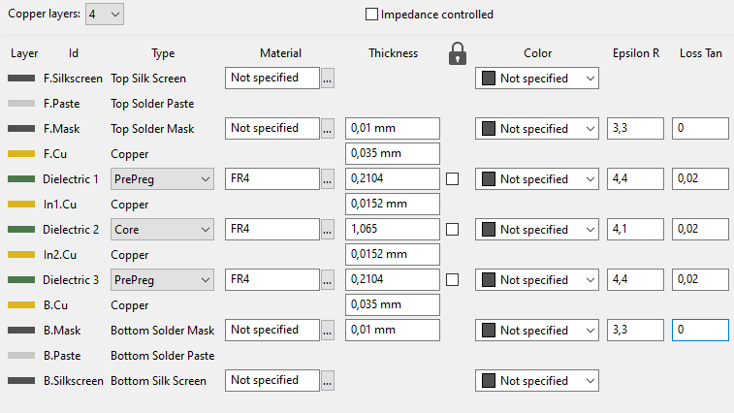
 |  |  |  |  |  |  |  | Current | 0.3 | A | Equivalent DC current | Vout | 24 | V
Core dimensions | Core width | 11.4 | mm | Total core width |  |  |  |  |  |  |  | Iout | 0.1 | A
 | Pw | 5.4 | mm | Central pillar width |  |  |  |  |  |  |  | Pout | 2.4 | W
 | H | 5.65 | mm | Central pillar height |  |  |  |  |  |  |  | Eff | 70%
 | Sw | 1.4 | mm | Side lobe width |  |  |  |  |  |  |  | Pin | 3.4285714286 | W
 | Al | 155 | nH/turn² | TODO: measure on core |  |  |  |  |  |  |  | Vin | 12 | V
 | W | 1.6 | mm | Winding width W=(Core_width - Pw )/2 - Sw |  |  |  | T1 | 3 |  | # turns on Layer 1 | Iin | 0.28571428571 | A
 | Max T | 6 |  | Max number of turns using min spacing/min track size Max T = (W-2D+C)/(C+S) |  |  |  | T2 | 3 |  | # turns on Layer 2 | Dmax | 45%
 |  |  |  |  |  |  |  | T3 | 2 |  | # turns on Layer 3 | N ideal | 2.4444444444
 |  |  |  |  |  |  |  | Ttot | 6 |  | Total number of turns
 | D | 0.3 | mm | Min copper to edge clearance |  |  |  | L | 5.6 | µH | Expected magnetizing inductance
 | C | 0.09 | mm
 | Copper 1 | 17.5 | µm
 | Copper 2 | 17.5 | µm |  |  |  |  | R1 | 213 | mΩ | Layer 1 DCR
 | Copper 3 | 17.5 | µm |  |  |  |  | R2 | 213 | mΩ | Layer 2 DCR
 | N layers | 2 |  |  |  |  |  | R3 | 0 | mΩ | Layer 3 DCR
 |  |  |  |  |  |  |  | Rtot | 426 | mΩ | Total winding DCR (without vias)
JLC capabilities | Min C | 0.09 | mm | Min track spacing
 | Min S | 0.09 | mm | Min track width |  |  |  | L1 section | 7.0 | mils²
 | Min D | 0.3 | mm | Min trace to outline distance |  |  |  | L1 T rise | 13 | °C
 | Inner copper | 17.5 | µm |  |  |  |  | L2 section | 7.0 | mils²
 | Outer copper | 35 | µm |  |  |  |  | L2 T rise | 13 | °C |  | 35/35 | Secondary
 | Cr | 1.72E-08 | Ω*m | Copper resistivity |  |  |  | L3 section | 12.3 | mils² |  | 12 | turns | N | 2
 |  |  |  |  |  |  |  | L3 T rise | 0 | °C |  | 22.3 | µH
 | 10% |  |  |  |  |  |  |  |  |  |  | 1260 | mOhm
 | S(mm) | Max Turns | Track length(mm) | Cross section (mm²) | Resistance L1 (mΩ) | Resistance L2 (mΩ) | Resistance L3 (mΩ)
 | 0.090 | 6.0 | 115.3 | 0.0016 | 1259 | 1259 | 1259 |  |  |  |  | 17.5/17.5 | Primary
 | 0.099 | 5.5 | 104.8 | 0.0017 | 1041 | 1041 | 1041 |  |  |  |  | 6 | turns
 | 0.109 | 5.0 | 94.4 | 0.0019 |  |  |  |  |  |  |  | 5.6 | µH
 | 0.120 | 5.0 | 95.1 | 0.0021 | 780 | 780 | 780 |  |  |  |  | 427 | mOhm
 | 0.132 | 4.5 | 84.7 | 0.0023
 | 0.145 | 4.5 | 85.4 | 0.0025 | 579 | 579 | 579
 | 0.159 | 4.0 | 74.9 | 0.0028
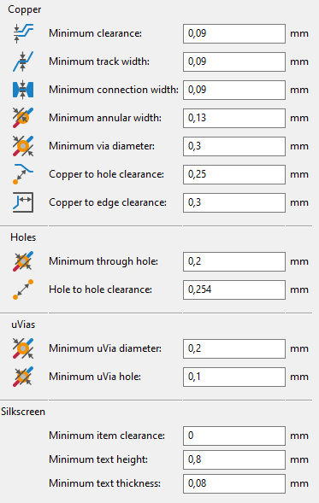
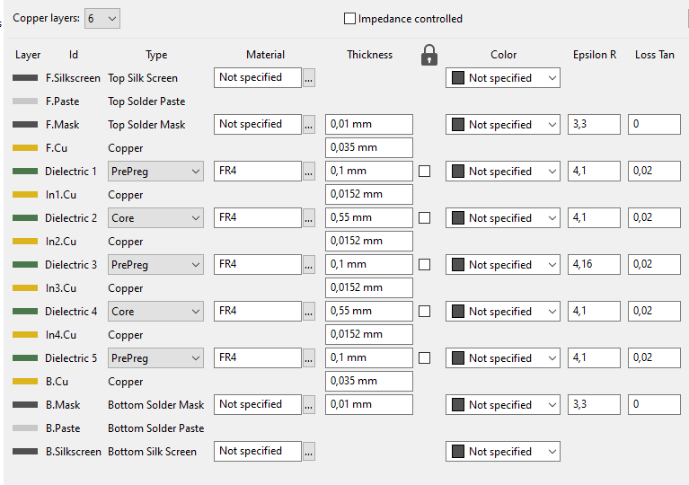
 | 0.175 | 4.0 | 75.5 | 0.0031 | 423 | 423 | 423
 | 0.193 | 3.5 | 65.1 | 0.0034
 | 0.212 | 3.5 | 65.7 | 0.0037 | 304 | 304 | 304
 | 0.233 | 3.0 | 55.3 | 0.0041
 | 0.257 | 3.0 | 55.7 | 0.0045 | 213 | 213 | 213
 | 0.282 | 2.5 | 45.4 | 0.0049
 | 0.311 | 2.5 | 45.7 | 0.0054
 | 0.342 | 2.5 | 46.0 | 0.0060 | 132 | 132 | 132
 | 0.376 | 2.0 | 35.7 | 0.0066
 | 0.414 | 2.0 | 35.9 | 0.0072
 | 0.455 | 2.0 | 36.2 | 0.0080 | 78 | 78 | 78
 | 0.500 | 1.5 | 26.0 | 0.0088
 | 0.550 | 1.5 | 26.1 | 0.0096
 | 0.605 | 1.5 | 26.2 | 0.0106 | 43 | 43 | 43
 | 0.666 | 1.0 | 16.4 | 0.0117
 | 0.733 | 1.0 | 16.4 | 0.0128
 | 0.806 | 1.0 | 16.4 | 0.0141
 | 0.886 | 1.0 | 16.4 | 0.0155
 | 0.975 | 1.0 | 16.4 | 0.0171 | 17 | 17 | 17
 | 1.073 | 0.5 | 7.3 | 0.0188 | 7 | 7 | 7

Sheet2
 | 100kHz | Formula
1 | 159 | 155
2 | 633 | 620
3 | 1370 | 1395
4 | 2516 | 2480
5 | 3500 | 3875
6 | 5420 | 5580
7 | 7360 | 7595
8 | 9640 | 9920
 |  |  |  |  |  |  | Al | 155 | nH/turns²
 |  |  |  |  | Turns | 100kHz | Formula | Error
Fsw | 500 | kHz | µ0 | 1 | 1 | 159 | 155 | 3%
Tsw | 2 | µs | µrdg | 1 | 2 | 633 | 620 | 2%
 |  |  | Bm | 400 | 3 | 1370 | 1395 | -2%
Pout | 2.5 | W |  |  | 4 | 2516 | 2480 | 1%
duty | 40% |  |  |  | 5 | 3500 | 3875 | -11%
Ton | 0.8 | µs |  |  | 6 | 5420 | 5580 | -3%
Eout | 5 | µJ |  |  | 7 | 7360 | 7595 | -3%
Efficiency | 70% |  |  |  | 8 | 9640 | 9920 | -3%
Em | 7.1428571429 | µJ
Pmax | 8.9285714286 | W

Vol | 8.9285714286E-11
 |  |  |  |  | 0.97 | 2.5 | 39%

