Flash
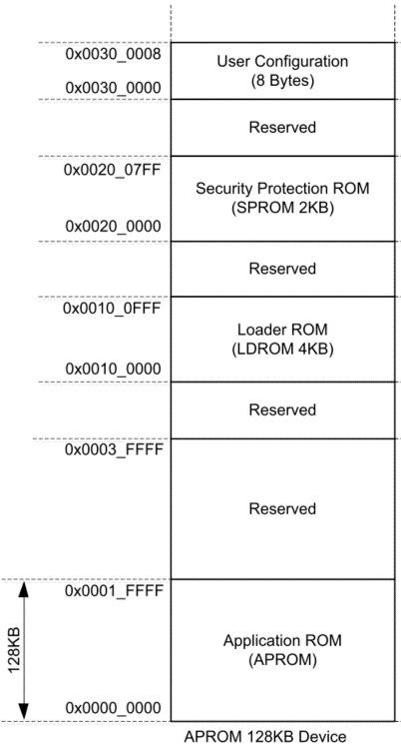
 |  | HEX
target MCU flash (KB) | 128 | 20000
MCU flash page size (Bytes) | 2048 | 800
LDROM size (KB) | 4
target to place LDROM in APROM (KB) | 8 | 2000
target data flash size (KB) | 4
 |  | start | size (KB) | HEX
LDROM in APROM start address |  | 1D000 | 8 | 2000

application in APROM start address |  | 0x00 | 116 | 1D000
LDROM
checksum address |  | 1CFFC | APROM size last 4 bytes

data flash start address |  | 1F000

data flash start address
LDROM in APROM start address

application code
checksum

Flash IAP
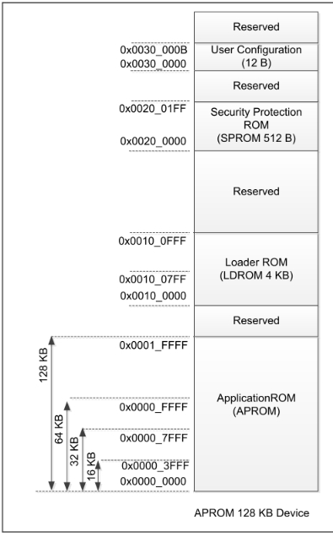
 |  | HEX
target MCU flash (KB) | 128 | 20000
MCU flash page size (Bytes) | 512 | 200
LDROM size (KB) | 0
target to place LDROM in APROM (KB) | 12 | 3000
target data flash size (KB) | 0
 |  | start | size (KB) | HEX
bootloader in APROM start address |  | 0x00 | 12 | 3000

application in APROM start address |  | 3000 | 116 | 1D000

checksum address * |  | 1FFFC | APROM size last 4 bytes
*sreord use binary to generate checksum , and binary don’t have addreess
data flash start address |  | 20000

data flash start address
application code
checksum

LDROM in APROM start address

