Flash
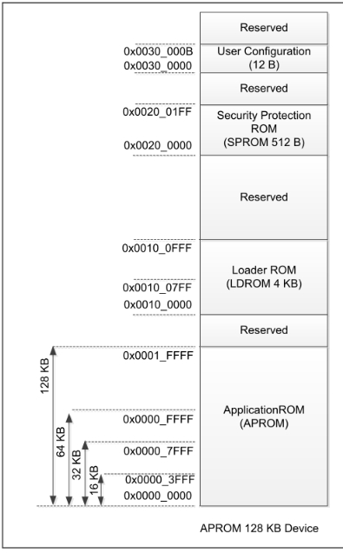
 |  | HEX
target MCU flash (KB) | 32 | 8000
MCU flash page size (Bytes) | 512 | 200
LDROM size (KB) | 2
target to place LDROM in APROM (KB) | 8 | 2000
target data flash size (KB) | 0
 |  | start | size (KB) | HEX
LDROM in APROM start address |  | 6000 | 8 | 2000

application in APROM start address |  | 0x00 | 24 | 6000
LDROM
checksum address |  | 5FFC | APROM size last 4 bytes

data flash start address |  | 8000

data flash start address

LDROM in APROM start address
application code
checksum

Flash IAP
 |  | HEX
target MCU flash (KB) | 32 | 8000
MCU flash page size (Bytes) | 512 | 200
LDROM size (KB) | 0
target to place LDROM in APROM (KB) | 10 | 2800
target data flash size (KB) | 0
 |  | start | size (KB) | HEX
bootloader in APROM start address |  | 0x00 | 10 | 2800

application in APROM start address |  | 2800 | 22 | 5800

checksum address * |  | 57FC | APROM size last 4 bytes
*sreord use binary to generate checksum , and binary don’t have addreess
data flash start address |  | 8000

data flash start address
application code
checksum

LDROM in APROM start address

