ADC
 |  | HEX
target MCU flash (KB) | 512 | 80000
MCU flash page size (KB) | 4 | 1000
LDROM size (KB) | 4
 |  |  | APROM remain size (KB)
target to place LDROM in APROM (KB) | 20 |  | 488 | /* \AP\KEIL\obj\APROM_application.bin file size*/
target data flash size (KB) | 4 |  | total boot loader size (KB)
 |  |  | 20 | *LDROM not use , in IAP mode , put boot loader at first of ARPOM address
 |  |  | total data flash size (KB)
 |  |  | 4

boot loader in APROM start address |  | 0 |  | /* generateChecksum , generateCRCbinary.cmd*/
 |  |  |  | /* for APROM_APPLICATION_SIZE in \ISP_HID_20\isp_user.h*/
 |  |  |  | /* for ICP tool , APROM address , to programming boot loader */
boot loader in APROM length |  | 5000 |  | /* for \ISP_HID_20\KEIL\hid_20_iap.sct*/

application in APROM start address |  | 5000 |  | /* for ICP tool , APROM address , to programming application */
application in APROM length |  | 7A000

data flash start address |  | 7F000 |  | /* for ICP tool , data flash config setting*/

LAST page (checksum) start address |  | 7E000
checksum address |  | 7EFFC |  | /* for generateChecksum , generateCRCbinary.cmd*/
 |  |  |  | /* for verify_application_chksum in \ISP_HID_20\main.c */
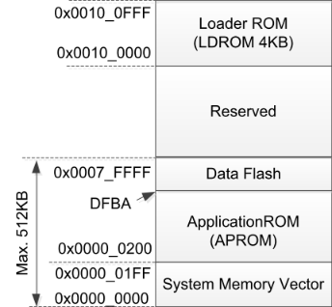
LDROM_Bootloader.bin
APROM_Bootloader.bin
boot loader in APROM start address
data flash start address
checksum
checksum address
application code
application in APROM start address

