Flash
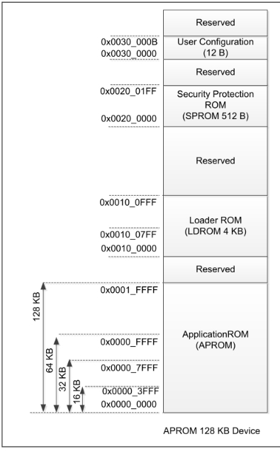
 |  | HEX
target MCU flash (KB) | 68 | 11000
MCU flash page size (Bytes) | 512 | 200
LDROM size (KB) | 4
target to place LDROM in APROM (KB) | 8 | 2000
target data flash size (KB) | 4
 |  |  | APROM remain size (KB) | HEX
LDROM in APROM start address |  | E000 | 56 | E000
checksum address |  | DFFC | APROM size last 4 bytes

data flash start address |  | 10000
LDROM

data flash start address

LDROM in APROM start address

application code
checksum

