Sheet1
Purchaser | Company | Order details | Item name | Card used | Quantity | Total | Date
Billy | Bambu | Order us596461158740168705 | Fillament | Robinhood B | 10 rolls | $175.15
Nick | SunBiz | Confirmation 600450349276 | LLC filing | Robinhood N | 1 | $160.00 | 5/5/25 |  | 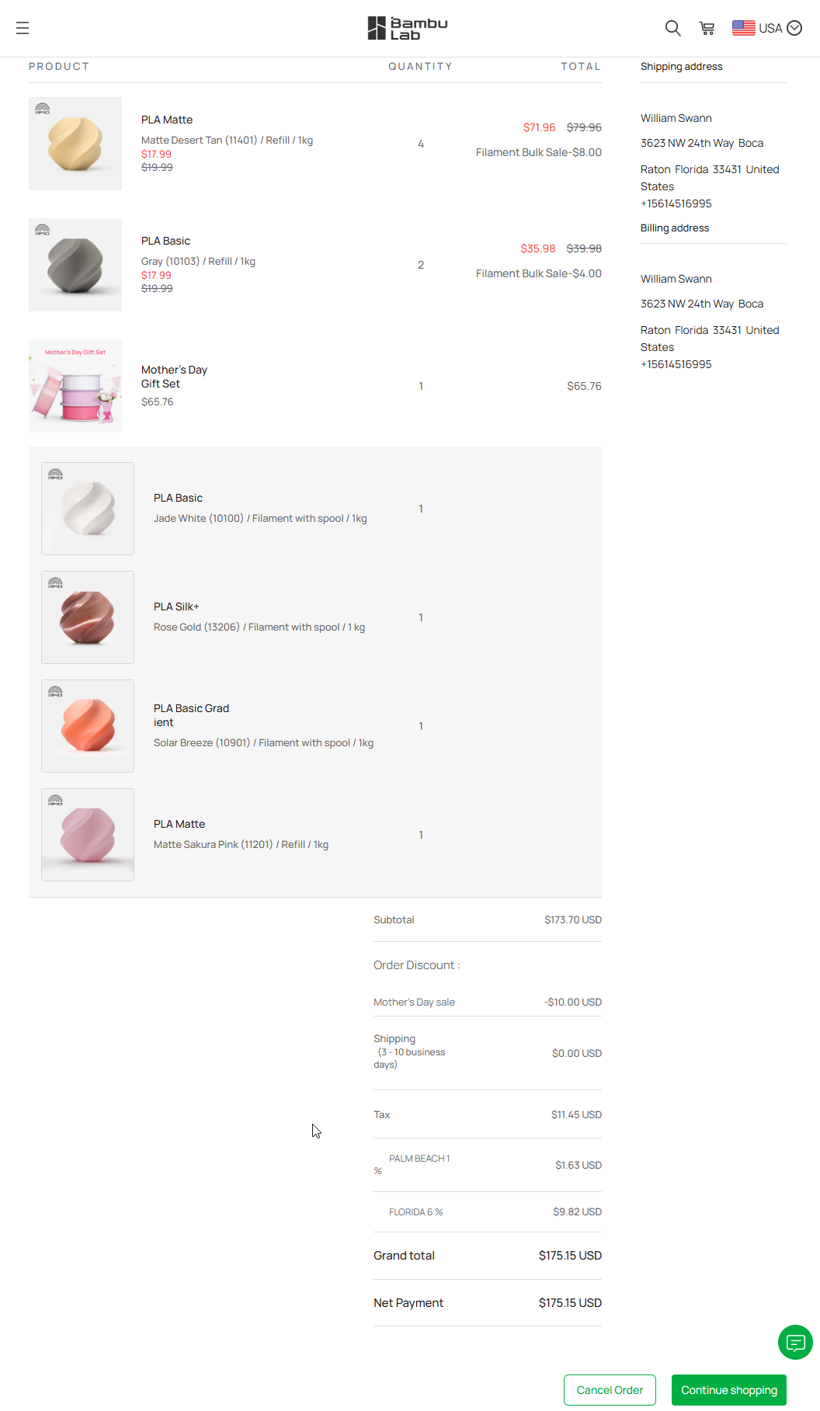
Nick | Amazon | Order # 113-9641569-9804201 | Filament | Capitol One Savor | 3 rolls | $60.69 | 5/5/25
Nick | Amazon | Order # 113-1408594-4164242 | Filament | Capitol One Savor | 5 rolls | $80.44 | 5/5/25
Nick | Wawa | Gas to pick up 3D printers soflo | Gas | Capitol One Savor | 1 | $38.71 | 5/11/25
Billy | Home Depot | 6 succulent plants and super glue | Plants | Robinhood B |  | $48.99
Nick | Rockler Wood | 1 30x30 baltic birch. and 1lb bone yard lumber | Laser Wood | Venture X | 1 | $22.45 | 5/29/25
Nick | Laird Plastics | cut to order 3 sheets acrylic | Acrylic | Venture X | 3 | $318.44 | 5/29/25
Nick | Home Depot | Pots, metal wire, glue |  | Venture X | 1 | $115.50
Billy | Etsy | $30 sign up fee and $10/month sub |  | Robinhood B | 1 | $30.00 | 6/21/25
Billy | Alibaba | 250 chains | Pot Chains | Robinhood B | 250 | $183.78 |  | Order no 266630435501023972

 |  |  |  |  |  | $1,050.37

