Sheet1
T-1JP8W790621A-BOM清单
No. Item | 捷创ID | 型号 Mfg Part | 封装 Package/Footprint | 规格参数 Description / Value | 位号 Designator | 单板用量 Qty per board | 总量 Total Qty | 来料数量 Qty Received | 物料备注 Instructions / Notes | 不良原因 Assembly Question | 是否全部空贴 | 是否少料空贴 | 是否按来料贴 | 是否等补料 | 客户回复 Reply from Customer
1 | W239622-001 |  | Connector_PinHeader_2.54mm:PinHeader_1x02_P2.54mm_Vertical | Conn_01x02_Pin | J2 | 1 | 1 | 0 | [DNP不要贴];
2 | W239622-002 | M20-7823242 | ESP32-DEVKITC-32E:MODULE_ESP32-DEVKITC-32E | ESP32-DEVKITC-32E | U1 | 1 | 1 | 1 |  | The component is 1*32P, but the board requires two 19P. Cutting it down to 1*19P may result in uneven cuts, and the quantity will also be insufficient. Please confirm whether to replace the components with 1*19P and re-quote. |  | 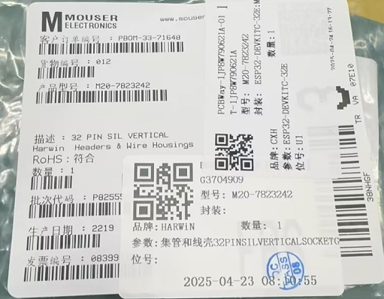 |  |  | Can you change the component to this one? https://ja.aliexpress.com/item/4000589118217.html?gatewayAdapt=glo2jpn I am also fine you cutting the 32P part to 19 one and solder them if the part is not available in aliexpress. | 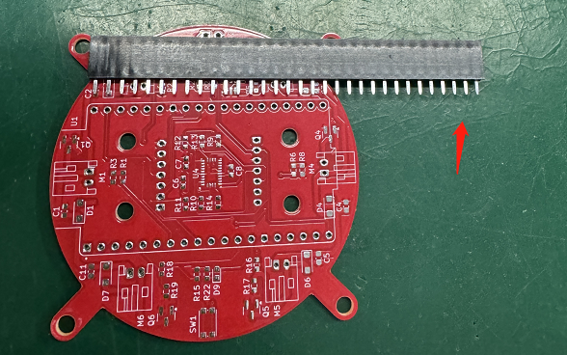 |  | 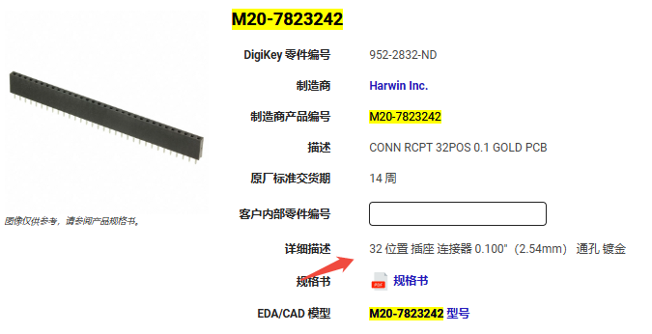
3 | W239622-003 | CRCW06035K10FKEC | Resistor_SMD:R_0603_1608Metric | 5.1kΩ | R15 | 1 | 1 | 3
4 | W239622-004 | MMZ1608S102ATA00 | Resistor_SMD:R_0603_1608Metric | 1kΩ | R20 | 1 | 1 | 4
5 | W239622-005 | S2B-PH-K-S | Connector_JST:JST_PH_S2B-PH-K_1x02_P2.00mm_Horizontal | Motor_DC | M1,M2,M3,M4,M5,M6 | 6 | 6 | 10
6 | W239622-006 | VJ0603Y682KXBAC31X | Capacitor_SMD:C_0603_1608Metric | 6.8nF | C7 | 1 | 1 | 2
7 | W239622-007 | 0603ZD226MAT2A | Capacitor_SMD:C_0603_1608Metric | 22uF | C1,C2,C3,C4,C5,C11,C12,C13 | 8 | 8 | 10
8 | W239622-008 | B7B-PH-K-S | Connector_JST:JST_PH_B7B-PH-K_1x07_P2.00mm_Vertical | PMW3901 | U3 | 1 | 1 | 2 |  | We purchased this component according to part number B7B-PH-K-S in your BOM. However, it does not match the parameter PMW3901 listed in your BOM. Please confirm whether part number B7B-PH-K-S is correct. |  | 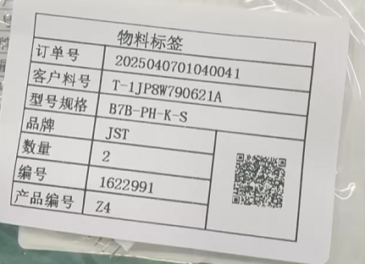 |  |  | It is correct. PMW3901 and VL53L1X modules are connected through the B7B-PH-K-S connectors.
9 | W239622-009 | B7B-PH-K-S | Connector_JST:JST_PH_B7B-PH-K_1x07_P2.00mm_Vertical | VL53L1X | U6 | 1 | 1 | 2 |  | We purchased this component according to part number B7B-PH-K-S in your BOM. However, it does not match the parameter VL53L1X listed in your BOM. Please confirm whether part number B7B-PH-K-S is correct. |  |  |  |  |  | 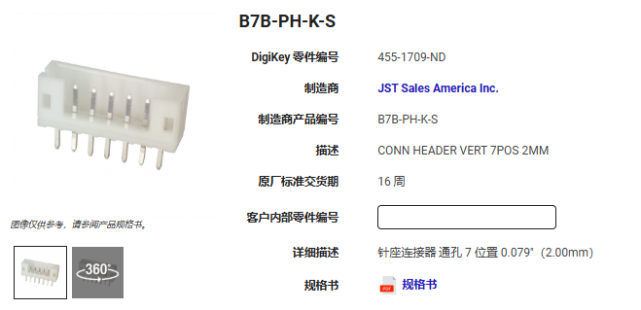 | 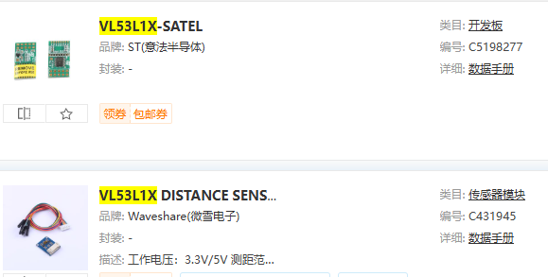
10 | W239622-010 | BNO055 | Package_LGA:LGA-28_5.2x3.8mm_P0.5mm | BNO055 | U4 | 1 | 1 | 1
11 | W239622-011 | CR0603-JW-101ELF | Resistor_SMD:R_0603_1608Metric | 100Ω | R1,R2,R5,R6,R16,R18 | 6 | 6 | 10
12 | W239622-012 | GBK160808T-221Y-N | Resistor_SMD:R_0603_1608Metric | 220Ω | R22 | 1 | 1 | 2
13 | W239622-013 | IHLP2020BZER220M5A | Inductor_SMD:L_Vishay_IHLP-2020 | 22uH | L1 | 1 | 1 | 1
14 | W239622-014 | KAM15AR71C104KM | Capacitor_SMD:C_0603_1608Metric | 0.1uF | C6,C8 | 2 | 2 | 9
15 | W239622-015 | KMR231NGLFS | Button_Switch_SMD:SW_Push_1P1T_NO_CK_KMR2 | SW_Push | SW1 | 1 | 1 | 1
16 | W239622-016 | MCT06030D1002BP500 | Resistor_SMD:R_0603_1608Metric | 10kΩ | R3,R4,R7,R8,R9,R10,R11,R12,R13,R14,R17,R19 | 12 | 12 | 24
17 | W239622-017 | MT3608 | Package_TO_SOT_SMD:SOT-23-6 | MT3608 | U2 | 1 | 1 | 2
18 | W239622-018 | RG1608P-752-B-T5 | Resistor_SMD:R_0603_1608Metric | 7.5kΩ | R21 | 1 | 1 | 2
19 | W239622-019 | SM0603UBWC | Diode_SMD:D_0603_1608Metric | LED | D9 | 1 | 1 | 1
20 | W239622-020 | SQ2310CES-T1_GE3 | Package_TO_SOT_SMD:SOT-23 | SQ2310CES | Q1,Q2,Q3,Q4,Q5,Q6 | 6 | 6 | 7
21 | W239622-021 | SS34FA | Diode_SMD:D_SOD-123F | SS34 | D1,D2,D3,D4,D6,D7,D8 | 7 | 7 | 8
IQC备注

