Sheet1
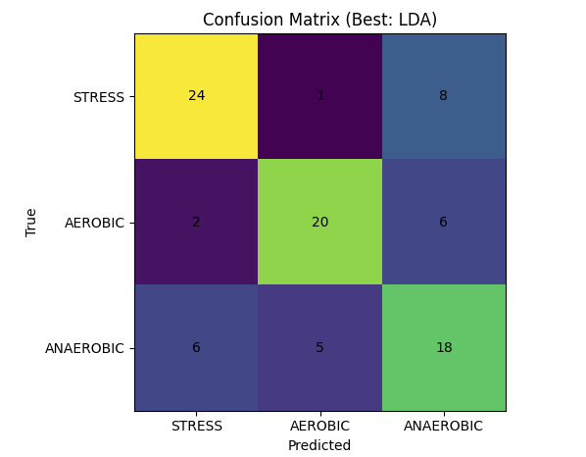
LOSO Results (RFE-selected features) for 3way Classification
Model Accuracy_Mean Accuracy_SD Precision_Mean Precision_SD Recall_Mean Recall_SD FNR_Mean FNR_SD F1_Mean F1_SD N Folds Features
LDA 0.70 0.32 0.61 0.37 0.70 0.32 0.27 0.28 0.64 0.36 90 35 10
QDA 0.68 0.33 0.59 0.36 0.67 0.33 0.30 0.29 0.62 0.35 90 35 10
ExtraTrees 0.67 0.32 0.57 0.37 0.66 0.32 0.30 0.30 0.60 0.35 90 35 10
RandomForest 0.67 0.30 0.57 0.35 0.67 0.30 0.30 0.27 0.60 0.33 90 35 10
XGBoost 0.65 0.32 0.55 0.36 0.65 0.32 0.32 0.30 0.58 0.35 90 35 10
kNN 0.66 0.32 0.55 0.37 0.66 0.32 0.30 0.27 0.58 0.35 90 35 10
LightGBM 0.65 0.31 0.55 0.35 0.65 0.31 0.33 0.29 0.58 0.33 90 35 10
LRC3 0.63 0.35 0.55 0.37 0.63 0.35 0.32 0.30 0.58 0.36 90 35 10
DecisionTree 0.64 0.32 0.54 0.37 0.63 0.33 0.31 0.28 0.57 0.36 90 35 10
GradBoost 0.64 0.29 0.53 0.34 0.64 0.29 0.33 0.27 0.56 0.32 90 35 10
MLP 0.61 0.34 0.52 0.37 0.61 0.34 0.35 0.29 0.55 0.36 90 35 10
LDA_autoshrink 0.62 0.32 0.51 0.36 0.62 0.32 0.33 0.27 0.55 0.35 90 35 10
SVM-RBF 0.59 0.26 0.43 0.33 0.59 0.26 0.38 0.24 0.48 0.31 90 35 10
GNB 0.55 0.30 0.41 0.33 0.55 0.30 0.42 0.28 0.45 0.32 90 35 10

