Plan1
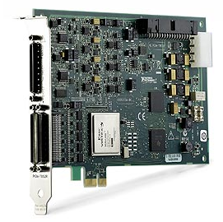

Performance |  | Electrical Specifications
Resolution | 16 bits | Supply Tension | 5 VDC
Input Channels | 8 analog | Supply Current | 350 mA
Sampling Rate | independent sampling rates up to 750 kHz
Input range | ±10 V | *** | ***

Physical Specifications |  | Observations
Length | 170.0 mm | Connection | PCI express
Width | 110.0 mm | Price | US$ 6 295
Weight | *** | *** | ***

