Plan1
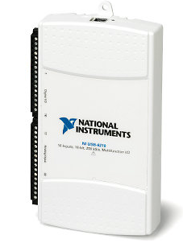

Performance |  | Electrical Specifications
Resolution | 16 bits | Supply Tension | 4.5 to 5.25 VDC on USB port
Input Channels | Analog 8 differential 16 single-ended | Supply Current | 500 mA
Sampling Rate | up to 250 kHz (No simultaneous sampling) | *** | ***
Input range | ±10 V | *** | ***

Physical Specifications |  | Observations
Length | 169.0 mm | Interface with PC | USB
Width | 94.0 mm | Price | US$ 690
Height | 31.0 mm | *** | ***
Weight | 206 g | *** | ***

