Plan1
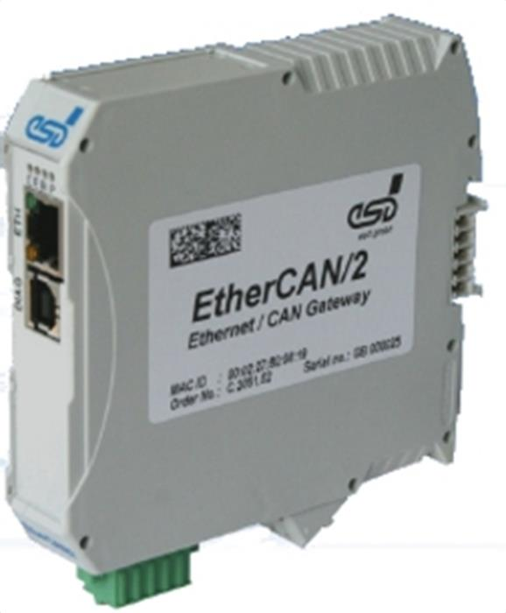

CPU:
Microcontroller: | ARM9, 200 MHz
Interfaces:
Ethernet: | 100BASE-TX, IEEE802.3,RJ45-connector
CAN interface: | 5-pin open style 3.81 (CiA DR 303-1),
 | 1 Mbit/s, ISO 11898-2, electrically isolated
General:
Supply voltage: | Nom. 24 VDC / 100 mA
 | Min./max.: 18 VDC / 32 VDC
Operating temp.: | 0...70° C
Humidity: | Max. 90 % non-condensing
Dimensions [mm]: | 22 x 112 x 113
Interfaces:
Product: EUR 450.00 | Freight and Packing: EUR 145.00
Total: EUR 545.00

