Plan1
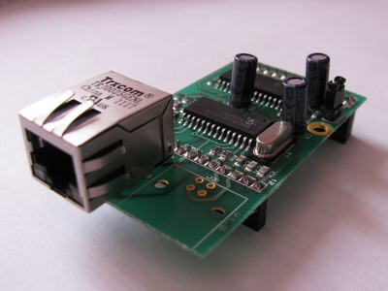
 | Power supply: | 3.3V / 176mA
 | Dimensions: | 65 x 37 mm
 | Interface Ethernet: | RJ45 10Mbit
 | Supported Protocols: | IP, TCP, UDP, ICMP, DHCP, ARP
 | Remappable pins: | 12 pins, 4 x 5V tolerant inputs available
 | Interface RS232 TTL: | 2 Interfaces
 | Speed: | 16-4000000 bps
 | Databits: | 8 bit
 | Parity: | Odd, Even, None
 | Stop bits: | 1, 2
 | Signals: | TXD, RXD
 | Buffers: | 4 x 256 bytes - one for every interface and direction
 | Interface I2C: | 2 Interfaces
Price: qty 1+ EUR 33.00 (each) qty 5+ EUR 31.00 (each) qty 10+ EUR 29.00 (each) | Speed: | 62112-2857143 bps
 | Mode: | Master
 | Signals: | SCL, SDA
 | Interface SPI: | 1 Interface
 | Speed: | 31250-8000000 bps
 | Mode: | Master
 | Signals: | SCK, SDO, SDI
 | Counter: | 4 Interfaces
 | Speed: | 0-16000000 Hz
 | Rollover: | 65536 ticks
 | General purpose IO (Input/Output): | 12 IO
 | Analog Digital Input: | 6 analog inputs

