Plan1
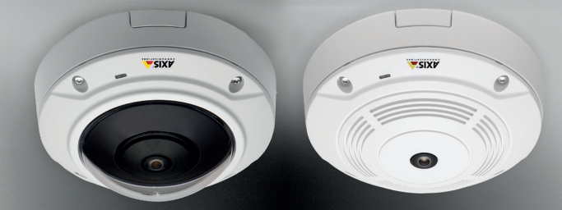

Performance |  | Electrical Specifications
Min Resolution | 160X120 | Max Power | Class 2, max: 4.6 W
Max Resolution | 2592X1944 (5MP) | Supply Voltage | 24 to 34 VDC or PoE
Frame Rate | 12fps in 360◦ panoramic view | *** | ***
Minimum Illumination | 0.60 lux | *** | ***
Video Compression | H-264 Main Profile, H-264 Baseline Profile, Motion JPEG | *** | ***

Physical Specifications |  | Observations
Height | 65.0 mm | Use in Hazardous Areas | Yes/IP42
Diameter | 131.0 mm | Network Connection | Ethernet Cable
Weight | 610 g | Price | R$ 3319.00

