Plan1
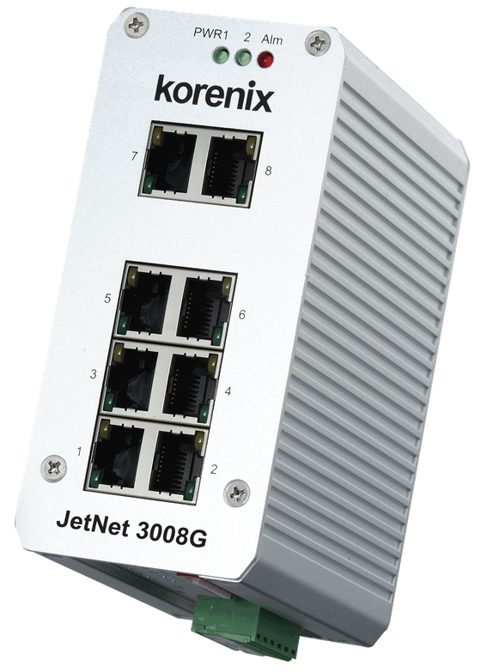

Performance |  | Electrical Specifications
Transfer Packet Size for Ethernet 10Base-T | 14 880 pps (packet per second) | System Power | 2 Power inputs with redundancy and polarity reverse protection
Transfer Packet Size for Fast Ethernet | 148 800 pps (packet per second) | Voltage | DC 24V (12-48V)
Transfer Packet Size for Gigabit Ethernet Obs.: Packet size from 64-1518 Bytes | 1488 100 pps (packet per second) | Power Consumption | Max 8 Watts @ 48VDC
Ports | 8 with Full/Half duplex, Auto MDI, MDI-X, Auto-Negotiation Function | Current | 0.2A @12VDC

Physical Specifications |  | Observations
Depth | 108.0 mm | Use in hazardous areas | Yes: IP31
Width | 55.0 mm | Network Connection | Gigabit Ethernet
Height | 120.0 mm | Oper. Temp. | -10-70°C
Weight | 525 g (without package) 775 g (with package) | QoS | Default Enabled
*** | *** | Price | R$ 1 200.00

