CapabilitiesWorking
ChildId | ChildCode | ChildLabel | ParentLabel | ParentId | ParentCode | Maturity | Importance | Priority | PriorityColor | MaturityColor | Check
0 | Top-Analytics | Analytics | Top |  |  |  |  | 1 | D3D3D3 |  | 0
1 | Data Analytics-Delivery | Delivery | Data Analytics | 0 | a | 1 | 0 | 1 | 3B69B7 |  | #N/A
2 | Data Analytics-Sales | Sales | Data Analytics | 0 | a | 1 | 0 | 1 | 3B69B7 |  | #N/A
3 | Data Analytics-Support | Support | Data Analytics | 0 | a | 1 | 0 | 1 | 3B69B7 |  | #N/A
4 | Data Analytics-R&D | R&D | Data Analytics | 0 | a | 1 | 0 | 1 | 3B69B7 |  | #N/A
5 | Delivery-Data Architecture | Data Architecture | Delivery | 1 | Delivery | 1 | 0 | 1 | 3B69B7 | 3B69B7 | #N/A
6 | Delivery-Data Quality | Data Quality | Delivery | 1 | Delivery | 1 | 0 | 1 | 3B69B7 | 3B69B7 | #N/A
7 | Delivery-Data Modeling | Data Modeling | Delivery | 1 | Delivery | 1 | 0 | 1 | 3B69B7 | 3B69B7 | #N/A
8 | Delivery-Privacy | Privacy | Delivery | 1 | Delivery | 1 | 0 | 1 | 3B69B7 | 3B69B7 | #N/A
9 | Delivery-Master Data | Master Data | Delivery | 1 | Delivery | 1 | 0 | 1 | 3B69B7 | 3B69B7 | #N/A
10 | Delivery-Data Integration | Data Integration | Delivery | 1 | Delivery | 1 | 0 | 1 | 3B69B7 | 3B69B7 | #N/A
11 | Delivery-Documentation | Documentation | Delivery | 1 | Delivery | 1 | 0 | 1 | 3B69B7 | 3B69B7 | #N/A
12 | Delivery-Data Storage | Data Storage | Delivery | 1 | Delivery | 1 | 0 | 1 | 3B69B7 | 3B69B7 | #N/A
13 | Delivery-Orchestration | Orchestration | Delivery | 1 | Delivery | 1 | 0 | 1 | 3B69B7 | 3B69B7 | #N/A
14 | Delivery-Metadata | Metadata | Delivery | 1 | Delivery | 1 | 0 | 1 | 3B69B7 | 3B69B7 | #N/A
15 | Delivery-Security | Security | Delivery | 1 | Delivery | 1 | 0 | 1 | 3B69B7 | 3B69B7 | #N/A
16 | Delivery-Integration | Integration | Delivery | 1 | Delivery | 1 | 0 | 1 | 3B69B7 | 3B69B7 | #N/A
17 | Delivery-Data Operations | Data Operations | Delivery | 1 | Delivery | 1 | 0 | 1 | 3B69B7 | 3B69B7 | #N/A
18 | Delivery-WayOfWorking | WayOfWorking | Delivery | 1 | Delivery | 1 | 0 | 1 | 3B69B7 | 3B69B7 | #N/A
19 | Data Modeling-Normal Form Modeling | Normal Form Modeling | Data Modeling | 7 | Data Modeling | 1 | 0 | 1 | 3B69B7 | 3B69B7 | #N/A
20 | Data Modeling-Dimensional Modeling | Dimensional Modeling | Data Modeling | 7 | Data Modeling | 1 | 0 | 1 | 3B69B7 | 3B69B7 | #N/A
21 | Data Modeling-Data Vault | Data Vault | Data Modeling | 7 | Data Modeling | 1 | 0 | 1 | 3B69B7 | 3B69B7 | #N/A
22 | Delivery-Data Processing | Data Processing | Delivery | 1 | Delivery | 1 | 0 | 1 | 3B69B7 | 3B69B7 | #N/A
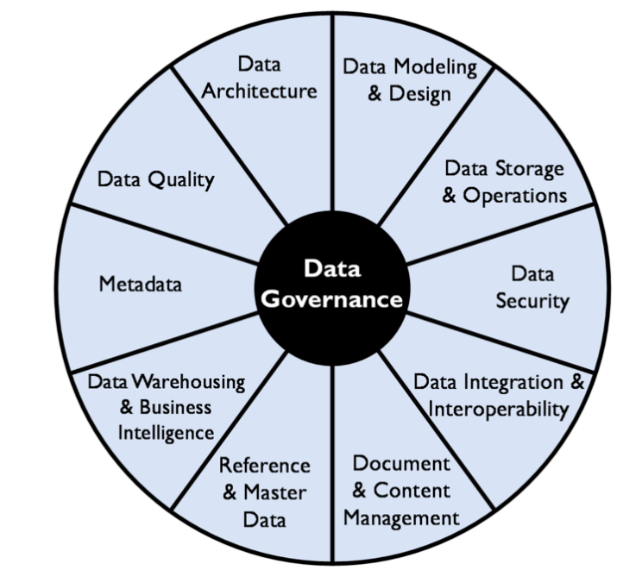
23 | Data Operations-Logging | Logging | Data Operations | 3 | Support | 1 | 0 | 1 | 3B69B7 | 3B69B7 | #N/A
24 | Data Operations-Monitoring | Monitoring | Data Operations | 3 | Support | 1 | 0 | 1 | 3B69B7 | 3B69B7 | #N/A
25 | Data Operations-Alerting | Alerting | Data Operations | 3 | Support | 1 | 0 | 1 | 3B69B7 | 3B69B7 | #N/A
26 | Data Analytics-Development Lifecycle | Development Lifecycle | Data Analytics | 18 | WayOfWorking | 1 | 0 | 1 | 3B69B7 | 3B69B7 | #N/A
27 | Data Analytics-Calculation | Calculation | Data Analytics | 2 | Sales | 1 | 0 | 1 | 3B69B7 | 3B69B7 | #N/A

DMBOK

childid | parent | child | leaf | childCount | parentChildCount | grade | target | value | intermediateValue | colour | sort | level
Services |  | Services | 0 | 13 | #N/A |  |  | 0 | 100000 | 1 |  | 0
Data Architecture | Services | Data Architecture | 1 | 0 | 13 |  |  | 7692.3076923 | 7692.3076923 | 0
Data Modeling & Design | Services | Data Modeling & Design | 1 | 0 | 13 |  |  | 7692.3076923 | 7692.3076923 | 0
Data Storage & Operations | Services | Data Storage & Operations | 1 | 0 | 13 |  |  | 7692.3076923 | 7692.3076923 | 0 | 1 | 1
Data Security | Services | Data Security | 1 | 0 | 13 |  |  | 7692.3076923 | 7692.3076923 | 0 | 3 | 1
Data Integration | Services | Data Integration | 1 | 0 | 13 |  |  | 7692.3076923 | 7692.3076923 | 0 | 4 | 1
Document & Content Mgt | Services | Document & Content Mgt | 1 | 0 | 13 |  |  | 7692.3076923 | 7692.3076923 | 0
Reference & Master Data | Services | Reference & Master Data | 1 | 0 | 13 |  |  | 7692.3076923 | 7692.3076923 | 0 | 9
Datawarehousing & BI | Services | Datawarehousing & BI | 1 | 0 | 13 |  |  | 7692.3076923 | 7692.3076923 | 0 | 10
Metadata | Services | Metadata | 1 | 0 | 13 |  |  | 7692.3076923 | 7692.3076923 | 0
Data Quality | Services | Data Quality | 1 | 0 | 13 |  |  | 7692.3076923 | 7692.3076923 | 0

