Sheet1
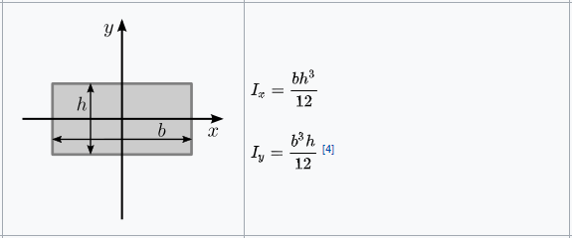
Parameter | Var. | Value | Unit |  |  |  |  |  | Parameter | Var. | Value | Unit
length | l | 18.9 | mm |  |  |  |  |  | length | l | 19.5 | mm
width | b | 16.1 | mm |  |  |  |  |  | width | b | 16 | mm
height | h | 0.73 | mm |  |  |  |  |  | height | h | 0.7 | mm
Youngs'modulus | E | 210000 | N/mm² |  |  |  |  |  | Youngs'modulus | E | 210000 | N/mm²
2nd moment of inertia | I | 0.52193114167 | mm4 | wikipedia |  |  |  |  | 2nd moment of inertia | I | 0.45733333333 | mm4
stiffness displacement | K | 48.704416792 | N/mm |  |  |  |  |  | stiffness (force) | K | 155.42810904 | N/mm
stiffness deflection | C | 613.67565158 | N/rad
From force to displacement |  |  |  |  |  |  |  |  | From force to displacement
Input |  |  |  |  |  |  |  |  | Input
Force | F | 42 | N |  |  |  |  |  | Force | V1 | 5 | N
Output |  |  |  |  |  |  |  |  | Output
displacement | w2 | 0.86234478855 | mm |  |  |  |  |  | displacement | w0 | 0.032169213349 | mm
deflection | θ | 0.13688012517 | rad |  |  |  |  |  | moment | M1 | 0.04875 | Nm
From displacement to force |  |  |  |  |  |  |  |  | From displacement to force
Input |  |  |  |  |  |  |  |  | Input
deflection | w2 | 0.8 | mm |  |  |  |  |  | displacement | w0 | 1 | mm
angle | θ | 0.001 | rad |  |  |  |  |  | Output
Output |  |  | mm |  |  | 0.8 mm | 1mm | 1.2 mm | Force | V1 | 155.42810904 | N
Force (displacement) | F_w2 | 38.963533433 | N |  | weak | 28.82509326 | 36.031366575 | 43.23763989 | moment | M1 | 1.5154240631 | Nm
Force (deflection) | F_θ | 0.61367565158 | N |  | nom | 33.604898673 | 42.006123342 | 50.40734801
 |  |  |  |  | stiff | 38.963533433 | 48.704416792 | 58.44530015

