Pivot Chart
Revenue By Day of week
Row Labels | Sum of Revenue
Sunday | 143633.17
Monday | 156796.65
Tuesday | 142420.11
Wednesday | 137191.34
Thursday | 132461.26
Friday | 135643.88
Saturday | 126897.06
Grand Total | 975043.47

Row Labels | Sum of Electricity_Cost
EV001 | 44737.52
EV002 | 18197.58
EV003 | 26664.04
EV004 | 46013.09
EV005 | 63440.58
EV006 | 40334.8
EV007 | 48374.23
EV008 | 34192.05
EV009 | 70316.42
Revenue by Charger Type
EV010 | 86631.33
Grand Total | 478901.64

Row Labels | Sum of Revenue
AC Level 2 | 329691.62
DC Fast | 489110.87
DC Ultra Fast | 156240.98
Grand Total | 975043.47

Row Labels | Count of Session_ID | Sum of Revenue | Sum of Profit
New | 1399 | 274645.35 | 112890.61
Returning | 3348 | 649464.76 | 262420.06
VIP | 253 | 50933.36 | 20579.74
Grand Total | 5000 | 975043.47 | 395890.41

Station_ID | (All)

Row Labels | Sum of Charging_Duration_Min
2.9 | 37
3.1 | 64
3.2 | 660
3.3 | 272
3.4 | 1539
3.5 | 2373
3.6 | 4477
3.7 | 6788
3.8 | 11205
3.9 | 16278
4 | 20131
4.1 | 25962
4.2 | 30542
4.3 | 30941
4.4 | 36617
4.5 | 32817
4.6 | 28890
4.7 | 21173
4.8 | 17671
4.9 | 12569
5 | 18396
(blank) | 67
Grand Total | 319469

Row Labels | Sum of Profit
Clear | 172670.5
Cloudy | 79531.99
Hot | 38958.32
Humid | 52968.6
Rainy | 51761
Grand Total | 395890.41

Row Labels | Sum of Maintenance_Cost
ST031 | 24.41
ST030 | 3480.33
ST029 | 3418.67
ST028 | 3170.44
ST027 | 3447.28
ST026 | 3089.11
ST025 | 3845.57
ST024 | 3285.89
ST023 | 3658.7
ST022 | 3364.04
ST021 | 3088.71
ST020 | 2963.95
ST019 | 3491.21
ST018 | 3705.95
ST017 | 2800.71
ST016 | 3104.18
ST015 | 3326.34
ST014 | 3337.99
ST013 | 3155.25
ST012 | 3259.26
ST011 | 3358.26
ST010 | 3324.92
ST009 | 3608.01
ST008 | 3067.53
ST007 | 3210.31
ST006 | 3236.47
ST005 | 3407.72
ST004 | 3724.74
ST003 | 4022.91
ST002 | 3285.61
ST001 | 2987.92
Grand Total | 100252.39

Row Labels | Count of Session_ID | Sum of Revenue | Sum of Profit | Average of Waiting_Time_Min | Average of Queue_Length
Off-Peak | 2678 | 481376.3 | 165500.63 | 3.3961911875 | 1.0765496639
Peak | 2322 | 493667.17 | 230389.78 | 7.6563307494 | 2.6003445306
Grand Total | 5000 | 975043.47 | 395890.41 | 5.3746 | 1.7842

Dashboard
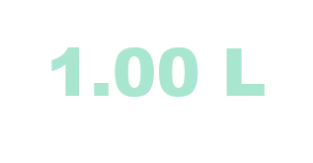

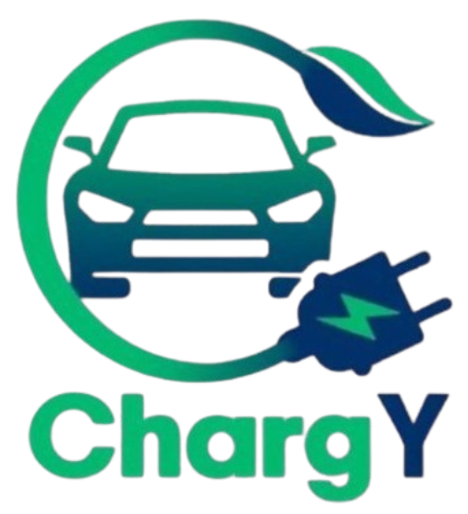
EV CHARGING ANALYTICS DASHBOARD

DATA PERIOD

01-Jul-2025 To 30-Jun-2026
TOTAL SESSIONS
5,000
TOTAL REVENUE
9.75L
ENERGY CONSUMED
76,575 kWh
AVG CUSTOMER RATING
PROFIT MARGIN
TOTAL PROFIT
3.96 L
40.6%
4.36 / 5

PEAK HOURS

6PM - 9PM

REVENUE BY CHARGER TYPE
 | Total
AC Level 2 | 329691.62
DC Fast | 489110.87
DC Ultra Fast | 156240.98
REVENUE BY DAY OF WEEK
 | Total
Sunday | 143633.17
Monday | 156796.65
Tuesday | 142420.11
Wednesday | 137191.34
Thursday | 132461.26
Friday | 135643.88
Saturday | 126897.06
ELECTRICITY COST BY MODEL
 | Total
EV001 | 44737.52
EV002 | 18197.58
EV003 | 26664.04
EV004 | 46013.09
EV005 | 63440.58
EV006 | 40334.8
EV007 | 48374.23
EV008 | 34192.05
EV009 | 70316.42
EV010 | 86631.33
SESSIONS BY CUSTOMER TYPE
 | Count of Session_ID | Sum of Revenue | Sum of Profit
New | 1399 | 274645.35 | 112890.61
Returning | 3348 | 649464.76 | 262420.06
VIP | 253 | 50933.36 | 20579.74
KEY INSIGHTS

Charger Leader -
DC Fast contributes 50.2%Revenue

Top Performing Station -

ST003 generated the highest profit
2.45 L

Cancellation Rate -

3.48% sessions were cancelled

⚙️
PROFIT BY WEATHER
 | Total
Clear | 172670.5
Cloudy | 79531.99
Hot | 38958.32
Humid | 52968.6
Rainy | 51761
PEAK VS NON PEAK
 | Count of Session_ID | Sum of Revenue | Sum of Profit | Average of Waiting_Time_Min | Average of Queue_Length
Off-Peak | 2678 | 481376.3 | 165500.63 | 3.3961911875 | 1.0765496639
Peak | 2322 | 493667.17 | 230389.78 | 7.6563307494 | 2.6003445306
Operating Cost -
CUSTOMER RATING
 | Total
2.9 | 37
3.1 | 64
3.2 | 660
3.3 | 272
3.4 | 1539
3.5 | 2373
3.6 | 4477
3.7 | 6788
3.8 | 11205
3.9 | 16278
4 | 20131
4.1 | 25962
4.2 | 30542
4.3 | 30941
4.4 | 36617
4.5 | 32817
4.6 | 28890
4.7 | 21173
4.8 | 17671
4.9 | 12569
5 | 18396
(blank) | 67
MAINTANANCE COST BY STATION
 | Total
ST031 | 24.41
ST030 | 3480.33
ST029 | 3418.67
ST028 | 3170.44
ST027 | 3447.28
ST026 | 3089.11
ST025 | 3845.57
ST024 | 3285.89
ST023 | 3658.7
ST022 | 3364.04
ST021 | 3088.71
ST020 | 2963.95
ST019 | 3491.21
ST018 | 3705.95
ST017 | 2800.71
ST016 | 3104.18
ST015 | 3326.34
ST014 | 3337.99
ST013 | 3155.25
ST012 | 3259.26
ST011 | 3358.26
ST010 | 3324.92
ST009 | 3608.01
ST008 | 3067.53
ST007 | 3210.31
ST006 | 3236.47
ST005 | 3407.72
ST004 | 3724.74
ST003 | 4022.91
ST002 | 3285.61
ST001 | 2987.92
Efficient operational spending

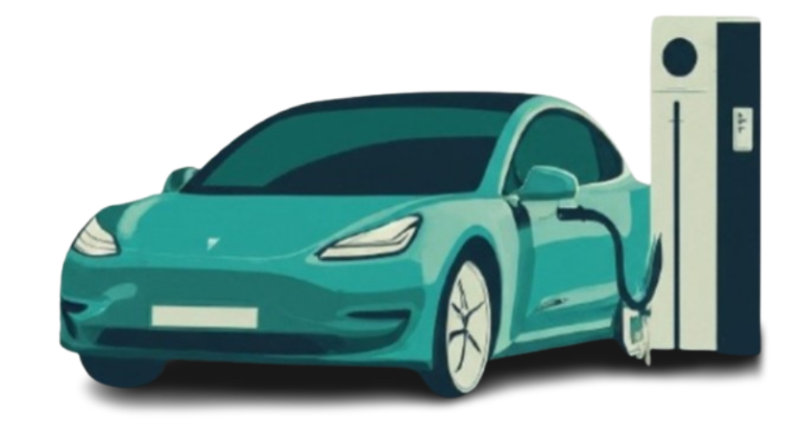
5.79.L

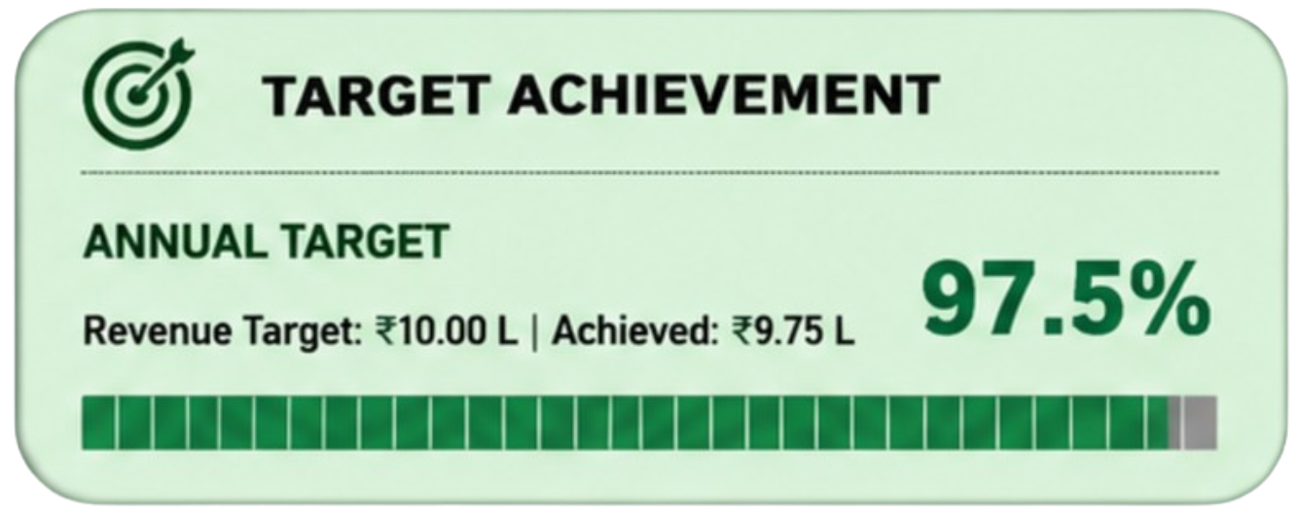

GROSS CHARGE
ELECTRICITY COST

8.94 L
4.79 L

