Sheet1
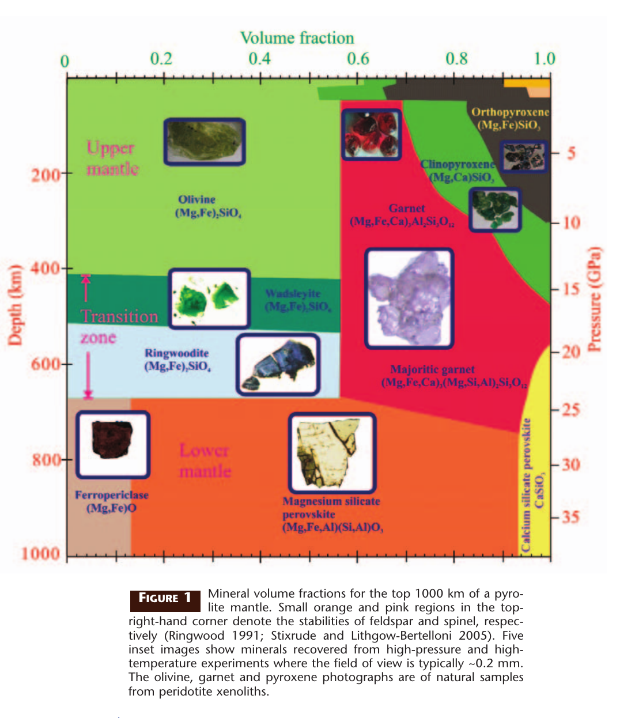
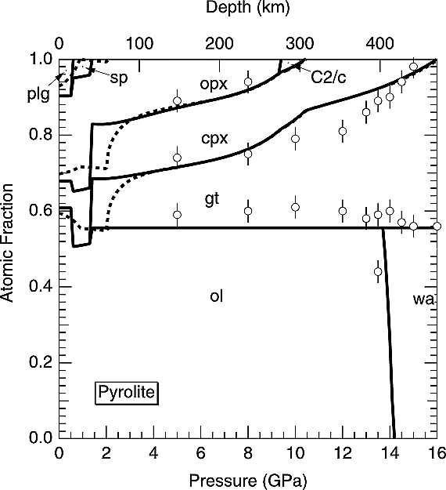
 |  | Pyrolitte models
<410km | olivine | 60%
 | orthopyroxene | 20%
 | clinopyroxene | 10%
 | garnet | 10%
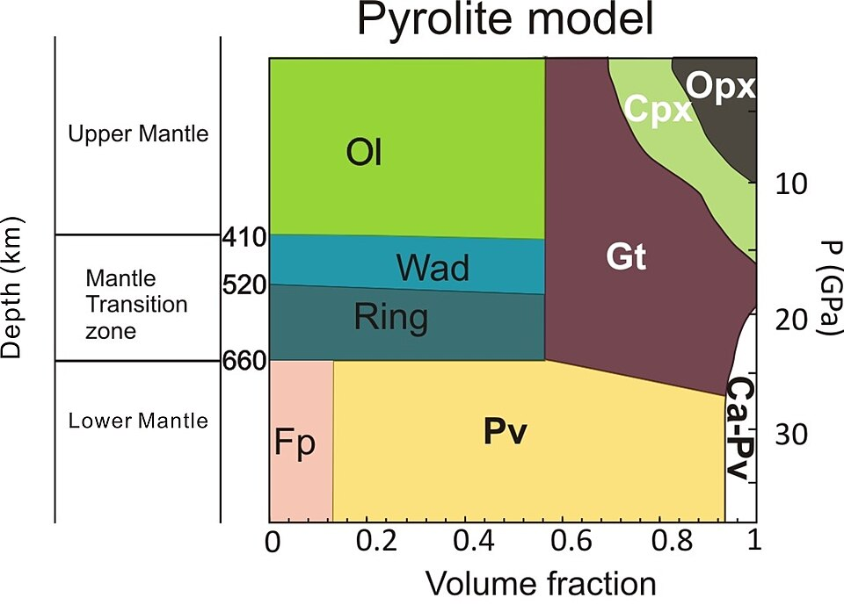
410km-520km | wadsleyite | 60%
 | garnet | 40%
520km-660km | ringwoodite | 60%
 | garnet | 40%
>660km | perovskite | 80%
 | ferroperclase | 13%
 | calcium perovskite | 7%

upper_mantle_electrical_conductivity（T, P, o_f, opx_f, cpx_f, g_f, C_water, water_partition_coefficients）
mantle_transiztion_zone_upper_electrical_conductivity（T, P, wad_f, g_f, C_water, water_partition_coefficients）
mantle_transiztion_zone_lower_electrical_conductivity（T, P, wad_f, g_f, C_water, water_partition_coefficients）
lower_mantle_electrical_conductivity（T, P, pv_f, opx_f, fp_f, capv_f, C_water, water_partition_coefficients）

1. Frost, Daniel J. (2008-06-01). "The Upper Mantle and Transition Zone". Elements. 4 (3): 171–176. Bibcode:2008Eleme...4..171F. doi:10.2113/GSELEMENTS.4.3.171. ISSN 1811-5209. S2CID 129527426.
2. Stixrude, Lars; Lithgow-Bertelloni, Carolina (2005). "Mineralogy and elasticity of the oceanic upper mantle: Origin of the low-velocity zone". Journal of Geophysical Research: Solid Earth. 110 (B3). Bibcode:2005JGRB..110.3204S. doi:10.1029/2004JB002965. hdl:2027.42/94924. ISSN 2156-2202.
3. Khan, A. (2016). On Earth’s Mantle Constitution and Structure from Joint Analysis of Geophysical and Laboratory-Based Data: An Example. Surveys in Geophysics, 37(1), 149–189. https://doi.org/10.1007/s10712-015-9353-z
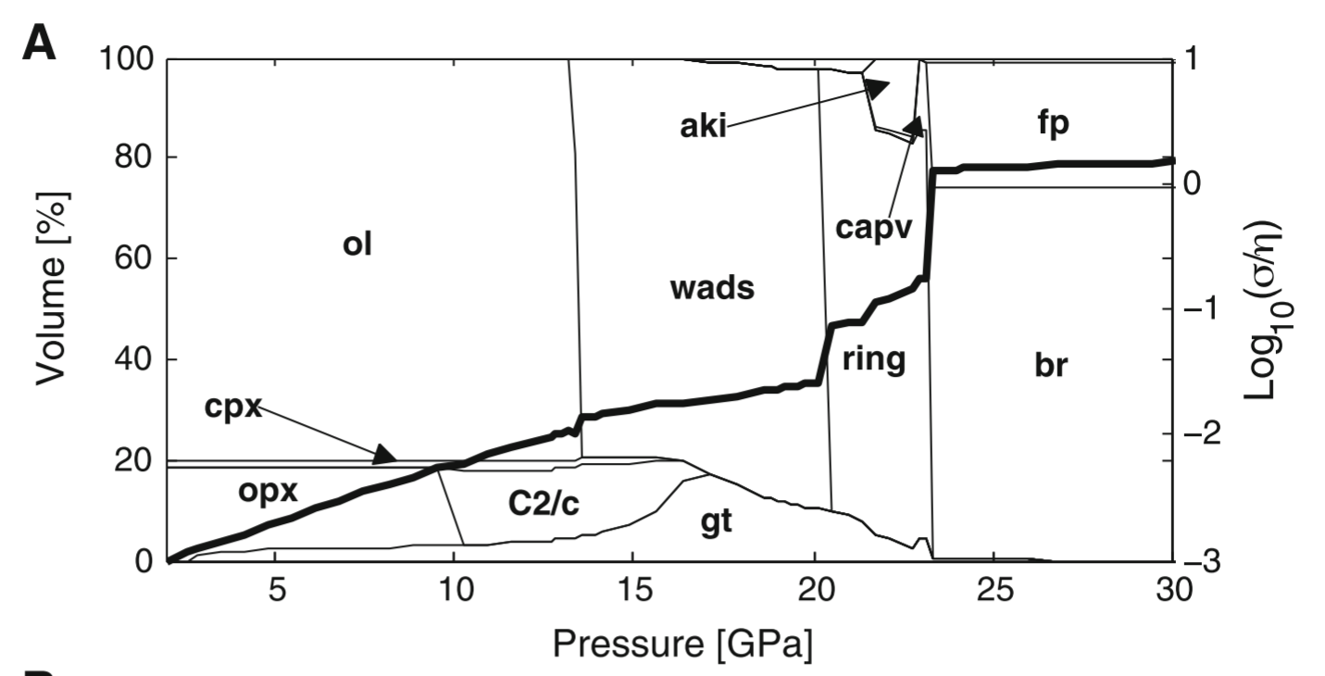
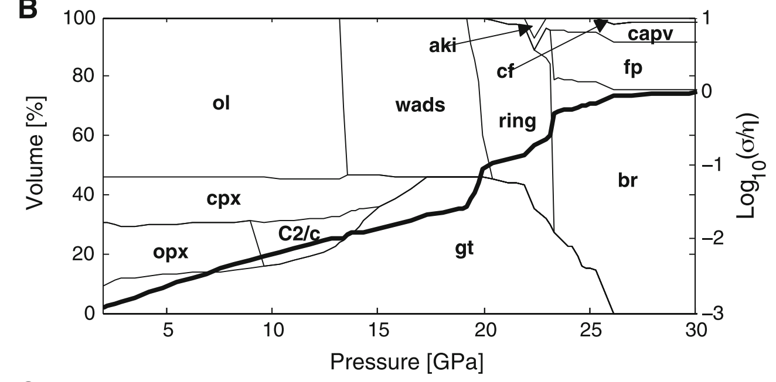

 |  |  |  |  | Pyrolite composition
 |  |  |  | Harzburgite composition
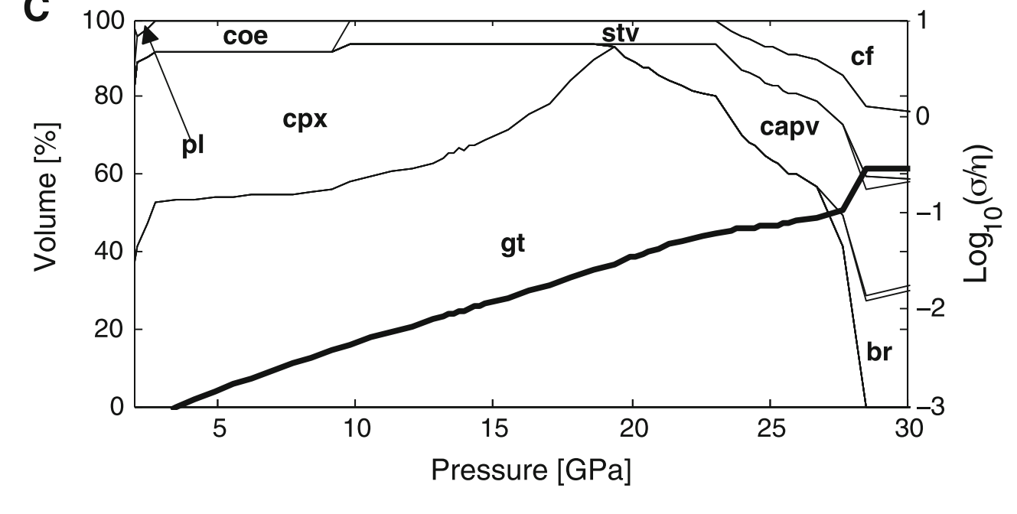

 |  |  | MORB composition

