4.B.3
Month | Electronics | Clothing | Furniture | Appliances
January | 12500 | 8200 | 5400 | 7600 |  | Task to complete
February | 13200 | 7900 | 6100 | 8200
March | 14800 | 9100 | 6800 | 8900 |  | Transpose by using months as column headings, and Category as row identifers Copy Dell Range A1:E6. Click cell A10. Use Paste Special > Transpose
April | 15600 | 9700 | 7200 | 9400
May | 16200 | 10100 | 7500 | 9800
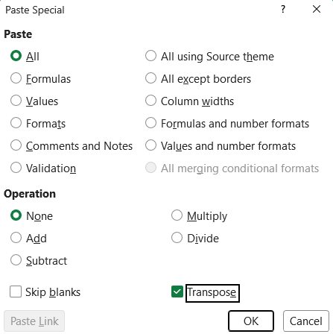

Month | January | February | March | April | May
Electronics | 12500 | 13200 | 14800 | 15600 | 16200
Clothing | 8200 | 7900 | 9100 | 9700 | 10100
Furniture | 5400 | 6100 | 6800 | 7200 | 7500
Appliances | 7600 | 8200 | 8900 | 9400 | 9800

4.B.4
Order ID | Customer Name | Product | Units Sold | Order Date
1001 | Maria Lopez | Laptop | 1 | 2026-01-10 | Tasks to complete: Remove duplicates
1002 | James Carter | Jacket | 2 | 2026-01-11
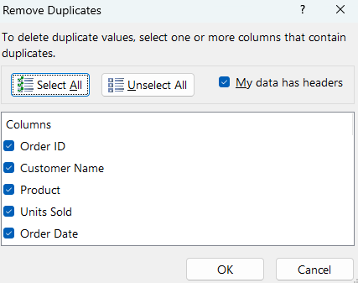
1003 | Li Chen | Microwave | 1 | 2026-01-12 |  | 1. Select the entire dataset A1:E11 2. Go to Home > Conditional Formatting 3. Select Highlight Cells Rules > Duplicate Values
1004 | Sarah Ahmed | Smartphone | 1 | 2026-01-13
1005 | David Smith | Desk | 1 | 2026-01-14
1006 | Ana Rodriguez | Shoes | 3 | 2026-01-15
1007 | Michael Brown | Tablet | 1 | 2026-01-16
1008 | Emily Davis | Blender | 1 | 2026-01-17 | Task 1: Identify Duplicates Records

 |  |  |  |  |  | 1. Select the dataset A1:E11 2. Go to Data Tab 3. Click Remove Duplicates 4. Ensure all columns are selected 5. Click OK

 |  |  |  |  |  | Task 2: Remove Duplicates

4.B.6
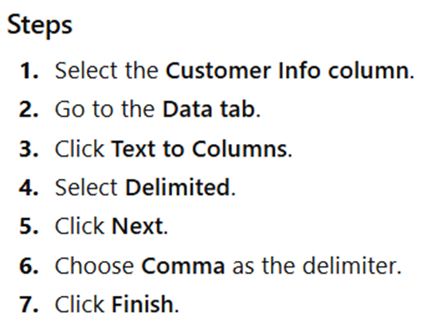
First name | Last name | Email
Maria | Lopez | maria.lopez@email.com
James | Carter | james.carter@email.com |  | A1:A9
Li | Chen | li.chen@email.com |  | Data Tools
Sarah | Ahmed | sarah.ahmed@email.com
David | Smith | david.smith@email.com
Ana | Rodriguez | ana.rodriguez@email.com
Michael | Brown | michael.brown@email.com
Emily | Davis | emily.davis@email.com

Column A contains two pieces of information seperated by a comma |  |  | Try Separating Full Name to 2 columns First Name and Last Name

4.B.11
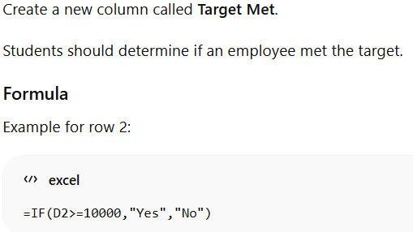
Employee ID | Employee Name | Region Code | Monthly Sales ($) | Target Met
E101 | Maria Lopez | E | 12500 | Yes
E102 | James Carter | W | 8700 | No
E103 | Li Chen | N | 9400 | No
E104 | Sarah Ahmed | S | 11200 | Yes
E105 | David Smith | W | 7600 | No
E106 | Ana Rodriguez | E | 13200 | Yes
E107 | Michael Brown | N | 9800 | No
E108 | Emily Davis | S | 10400 | Yes

Assume the sales target is $10,000

4.B.11B
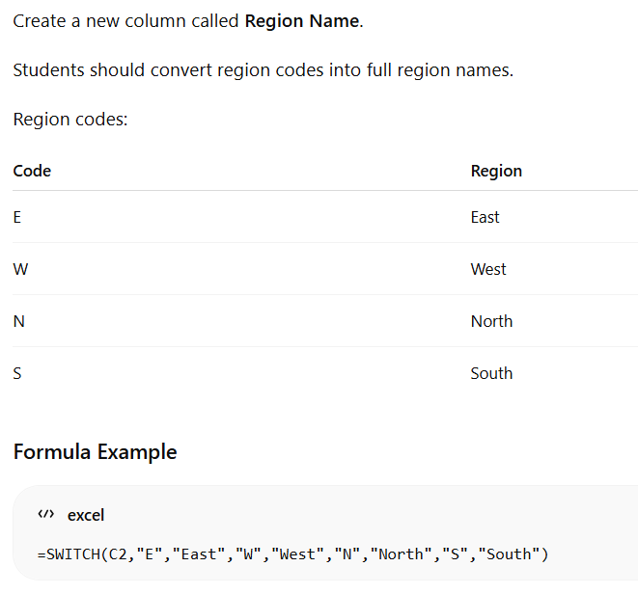
Employee ID | Employee Name | Region Code | Monthly Sales ($) | Region Name
E101 | Maria Lopez | E | 12500 | East
E102 | James Carter | W | 8700 | West
E103 | Li Chen | N | 9400 | North
E104 | Sarah Ahmed | S | 11200 | South
E105 | David Smith | W | 7600 | West
E106 | Ana Rodriguez | E | 13200 | East
E107 | Michael Brown | N | 9800 | North
E108 | Emily Davis | S | 10400 | South

Assume the sales target is $10,000

4.B.12
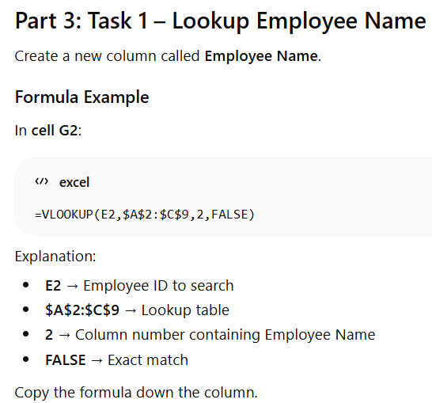
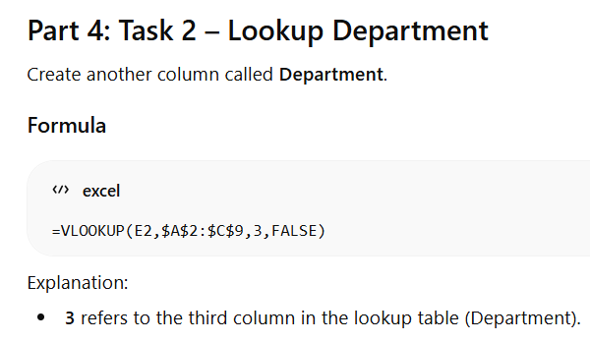
Employee ID | Employee Name | Department | Employee ID | Monthly Sales | Employee Name | Department
E101 | Maria Lopez | Electronics | E101 | 12500 | Maria Lopez | Electronics
E102 | James Carter | Clothing | E104 | 11200 | Sarah Ahmed | Electronics
E103 | Li Chen | Appliances | E102 | 8700 | James Carter | Clothing
E104 | Sarah Ahmed | Electronics | E108 | 10400 | Emily Davis | Furniture
E105 | David Smith | Furniture | E105 | 7600 | David Smith | Furniture
E106 | Ana Rodriguez | Clothing | E103 | 9400 | Li Chen | Appliances
E107 | Michael Brown | Appliances | E106 | 13200 | Ana Rodriguez | Clothing
E108 | Emily Davis | Furniture | E107 | 9800 | Michael Brown | Appliances

Student will add Employee Name and Department using VLOOKUP

4.B.14
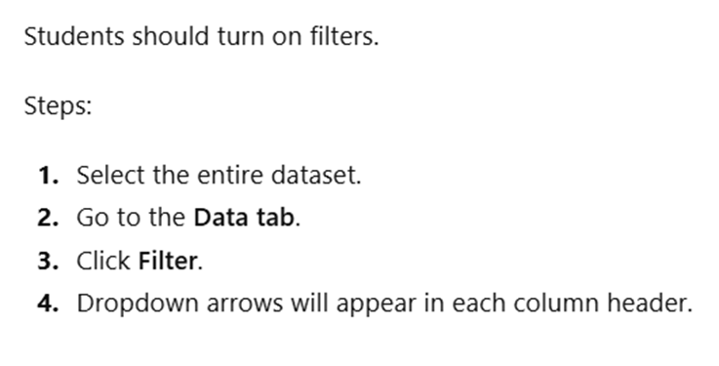
Order ID | Salesperson | Product Category | Region | Sales Amount
1009 | Daniel Kim | Electronics | East | 14500 | Enable Filtering
1006 | Ana Rodriguez | Clothing | East | 13200
1001 | Maria Lopez | Electronics | East | 12500
1004 | Sarah Ahmed | Electronics | South | 11200
1008 | Emily Davis | Furniture | South | 10400
1007 | Michael Brown | Appliances | North | 9800
1003 | Li Chen | Appliances | North | 9400
1010 | Olivia Martin | Clothing | West | 9100
1002 | James Carter | Clothing | West | 8700
1005 | David Smith | Furniture | West | 7600

 |  |  |  |  | 1. Filter by Product Category 2. Filter by Region 3. Filter by Sales Amount

