UC Diagram
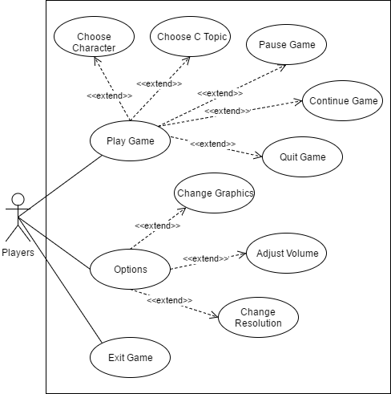
CodeTest - A Role Playing Game

