Instructions
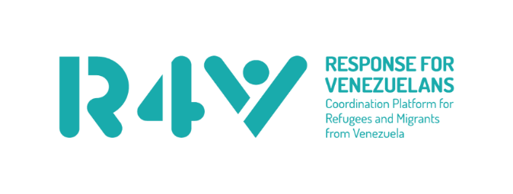
 |  | This is the template for an appealing organisation's submission for the RMRP planning process. Please see further guidance in the RMRP Planning Instructions r4v.info/keyresources. All submissions need to be submitted to the relevant National Platform using the online form https://www.r4v.info/en/submission. Please respond the questions below and the information on the second tab (Activity Sheet).
 |  |  | Link for Submission

 |  | Please find the organisation list in additional sheet "Organisations", and the sector indicator list in the sheet "Indicators". Please use official and agreed spellings for country, provinces/departments, organisations, sectors and indicators.
 | Country: | Aruba

 | Appealing organization: | Foundation ABC
 | Name in Spanish | Fundación ABC
 | Acronym/Short name | ABC
 | Organization type | Civil Society

 | Focal Point: | Francis Fayolle
 | Focal Point email: | platformr4v@gmail.com

 | Column | Description
Where? | Year | Select the year of the activity
 | Country | Select country from dropdown list
 | Admin1 | Select an Admin1 from dropdown list
Who? | Organization name | Select organization name from the dropdown list. Only if your organization is not in the list, Please enter the complete name of your organization and at the end in brackets the acronym or short name
What? | Sector, Subsector, WG | Select the sector/subsector or Working group to which the activity relates
 | Indicator | 1. Select applicable Regional Core Indicator. 2. Only where no Regional Core indicator applies, select applicable National Indicator. 3. Where neither Regional Core nor National Indicator apply, select "No indicator.
 | Indicator Type | Do not complete: The indicator type will be displayed automatically according to the indicator you chose. Please refer to the Indicator sheet for more information regarding targets and breakdown that are mandatory
 | Activity name | Enter title of activity
 | Activity description | Enter brief description of activity (Please use a maximum of 250 words) If you want to use hashtags in your activities, please insert them in this field
How? | In kind & all programming costs (USD) | Enter all in kind costs associated to programming the activity as well other costs including admin, staff, office, CBI transfer cost fees, etc.
 | Modality CBI (Value of Transfers in USD) | If aplicable Enter the planned USD TOTAL ACTIVITY value of transfers to be received by ALL RECIPIENTS made through cash or vouchers
 | Total Budget requirement:(In kind + CBI) | Automatically generated (sum of the two previous column). Do no enter data here.
 | Target: Refugees and migrants in transit | If this cell is black, please don't enter data! Enter the target number of refugees and migrants in transit for this activity
 | Target: Refugees and migrants from Venezuela in destination | If this cell is black, please don't enter data! Enter the target number of refugees and migrants in destination for this activity
 | Target: Host communities | If this cell is black, please don't enter data! Enter the target number of host communities for this activity
 | Target: Pendular | If this cell is black, please don't enter data! Enter the target number of host communities for this activity2
 | Target: Returnees | If this cell is black, please don't enter data! Enter the target number of host communities for this activity3
 | Girls (<18) | If this cell is black, please don't enter data! Enter total numbeder 18
 | Boys (<18) | If this cell is black, please don't enter data! Enter total number of target boys under 18
 | Women (>=18) | If this cell is black, please don't enter data! Enter total number of target women >= 18
 | Men (>=18) | If this cell is black, please don't enter data!
 | Total Target (Beneficaries) | If this cell is black, please don't enter data! This target includes all targets that ARE refugees, migrants or host communities.
 | Total Output | If this cell is black, please don't enter data! This target includes all targets that are NOT refugees, migrants or host communities. This may include, e.g. "# of meetings", or "# of items", or "# of activities", etc..
 | Population type breakdown chek | Automatically generated to verify the breakdown value. Only valid for PiN indicators
 | Age and Gender breakdown check | Automatically generated to verify the breakdown value. Only valid for PiN indicators

Summary
Instructions: Click on Data tab and refresh all after you finalized the Activity Sheet table.

Summary of the submission
Total Budget Requirement
 | Total
(blank) | 0
Number of activities
 | Total
(blank) | 998

Budget requirement per sector 2023 & 2024
 | (blank)
(blank) | 0
WASH | 0

Indicator_type
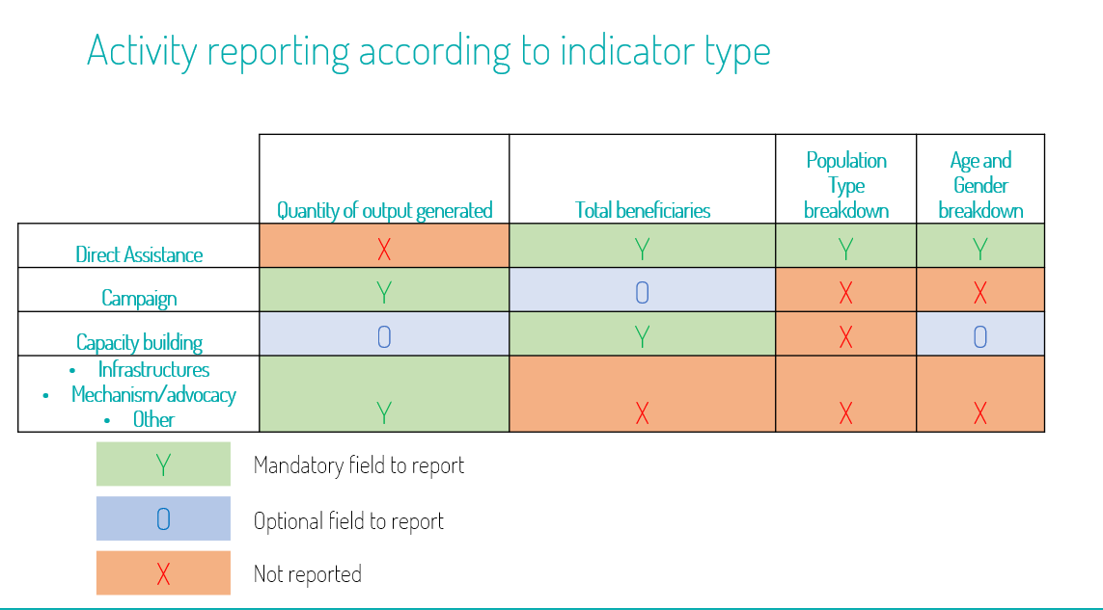
FALSE
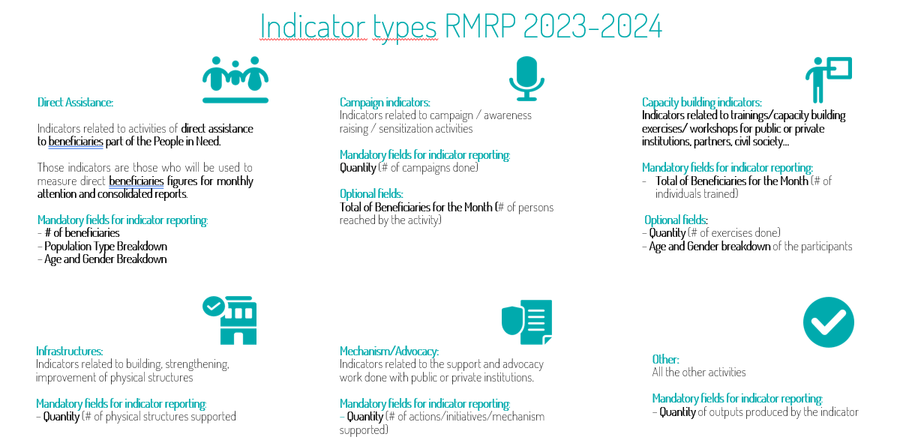

Direct Assistance | 14;15;16;17;18;19;20;21;22;23 | 24
Campaign | 23;24 | 16
Capacity building | 19;20;21;22;23;24 | 20
Infrastructure | 24 | 15
Mechanism/Advocacy | 24 | 15
Other | 24 | 15

