Election Results
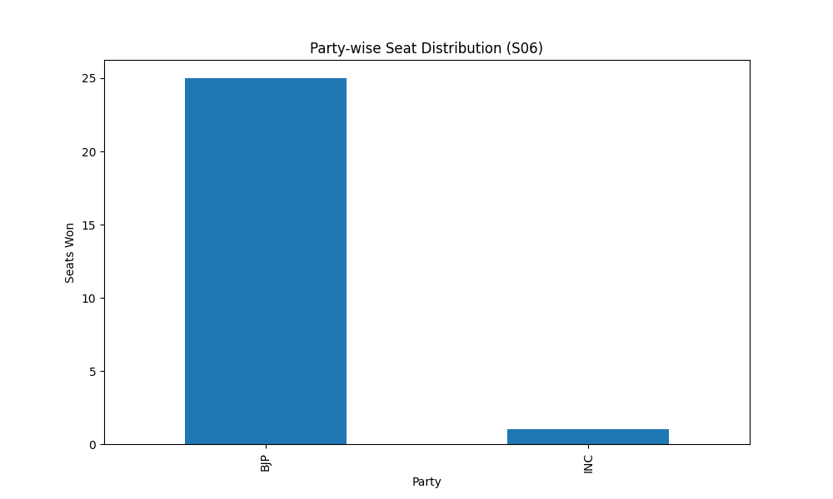
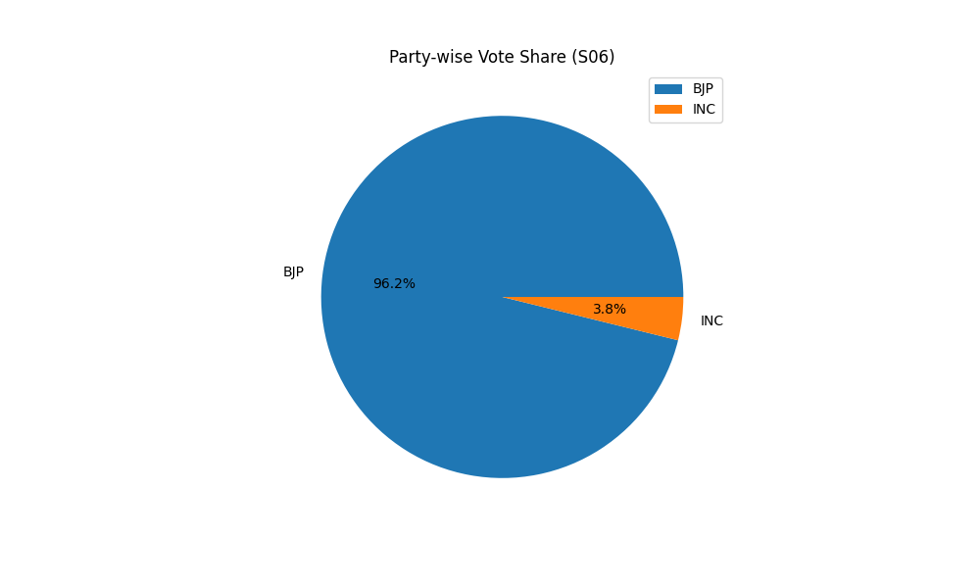
Party-wise Seat Distribution (S06)
Party | Seats
BJP | 25
INC | 1

Party-wise Vote Share (S06)
Party | Votes
BJP | 25
INC | 1

