Election Results
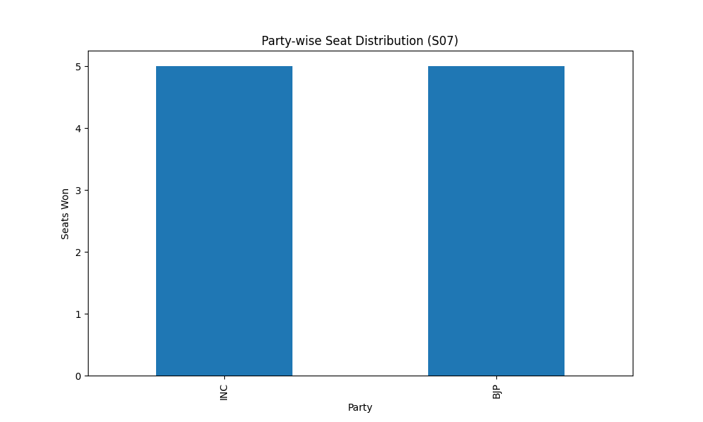
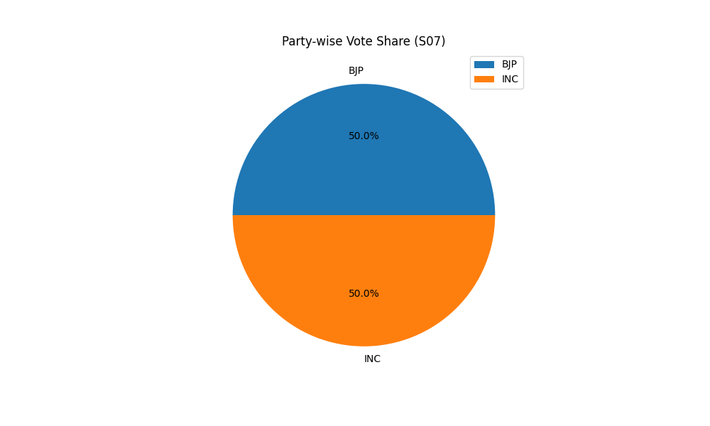
Party-wise Seat Distribution (S07)
Party | Seats
INC | 5
BJP | 5

Party-wise Vote Share (S07)
Party | Votes
BJP | 5
INC | 5

