Election Results
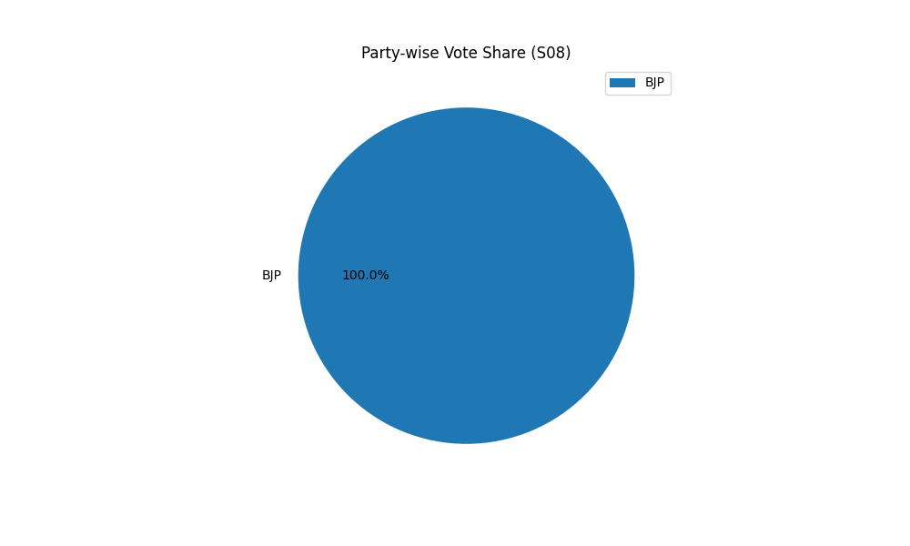
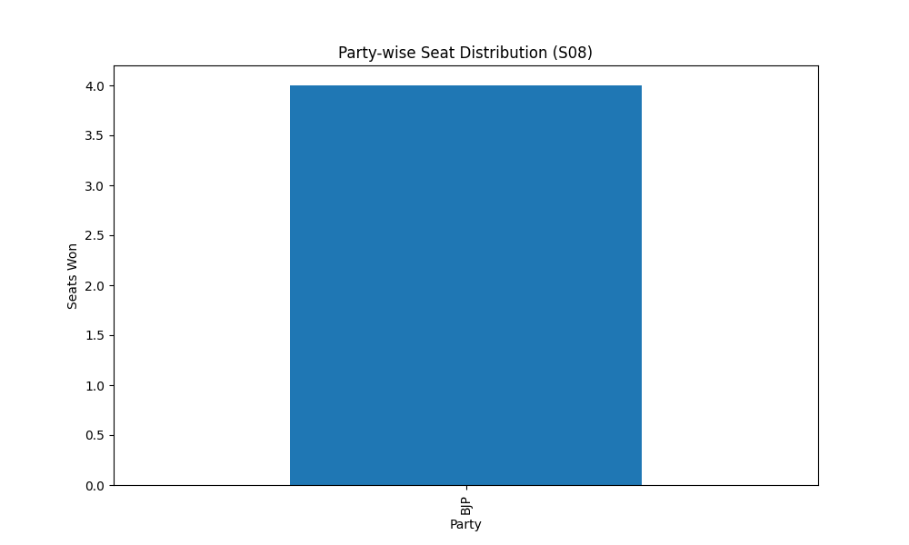
Party-wise Seat Distribution (S08)
Party | Seats
BJP | 4

Party-wise Vote Share (S08)
Party | Votes
BJP | 4

