Election Results
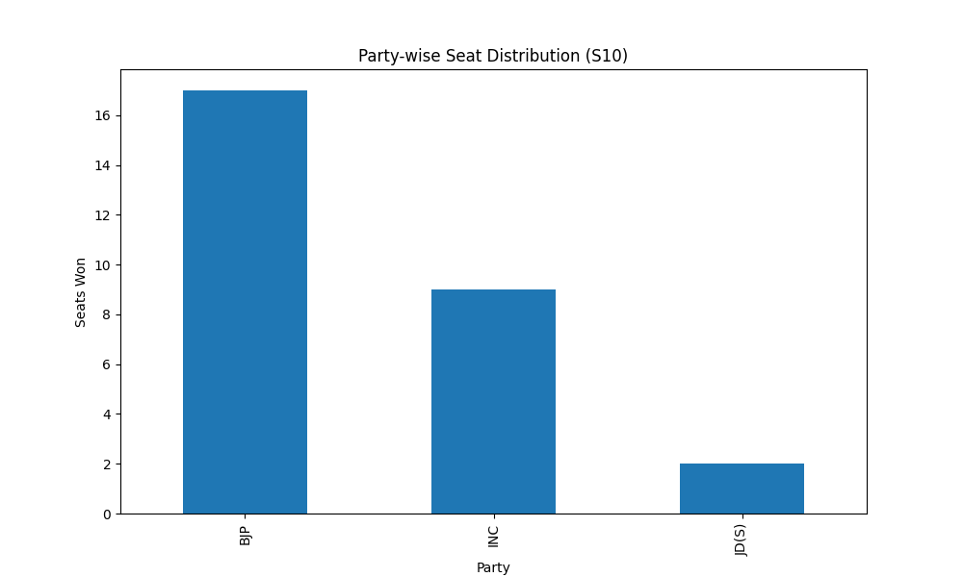
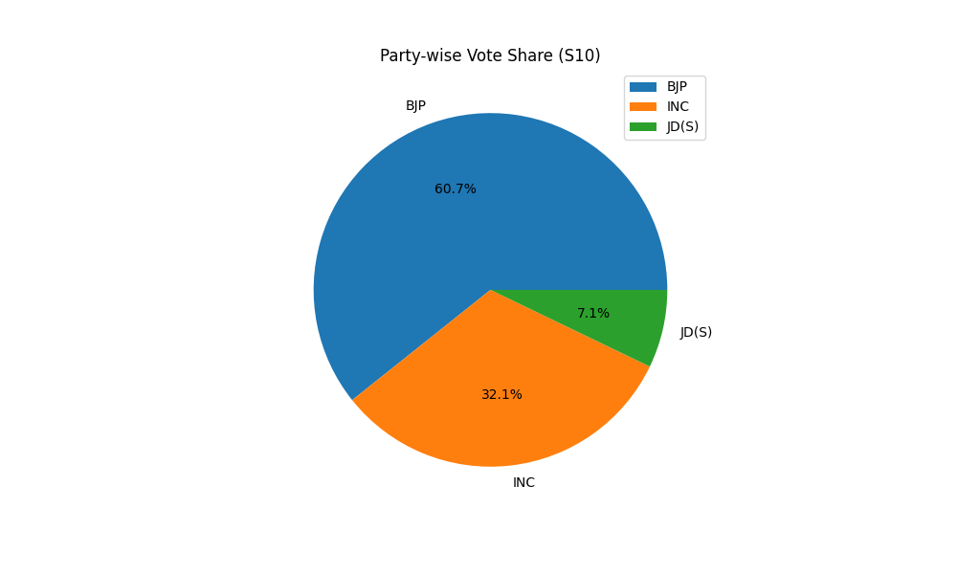
Party-wise Seat Distribution (S10)
Party | Seats
BJP | 17
INC | 9
JD(S) | 2

Party-wise Vote Share (S10)
Party | Votes
BJP | 17
INC | 9
JD(S) | 2

