Election Results
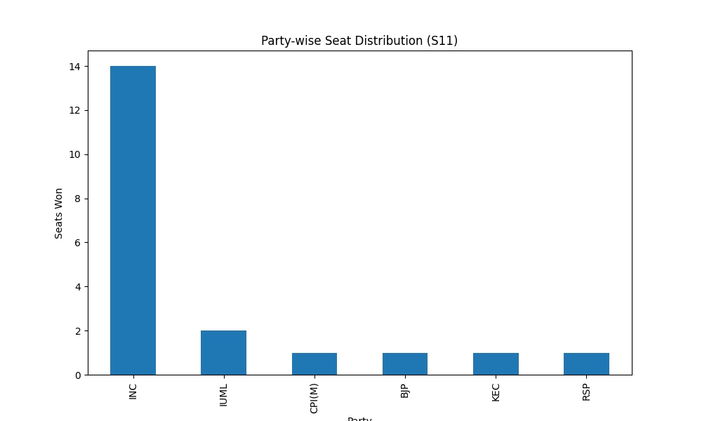
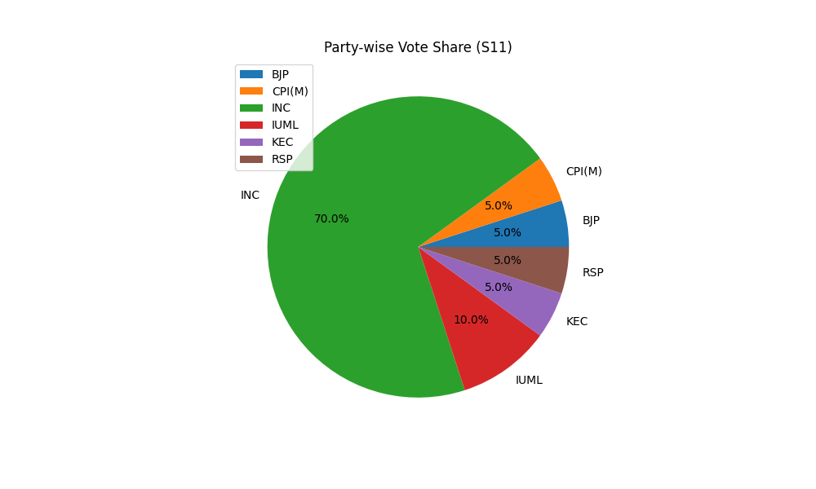
Party-wise Seat Distribution (S11)
Party | Seats
INC | 14
IUML | 2
CPI(M) | 1
BJP | 1
KEC | 1
RSP | 1

Party-wise Vote Share (S11)
Party | Votes
BJP | 1
CPI(M) | 1
INC | 14
IUML | 2
KEC | 1
RSP | 1

