Election Results
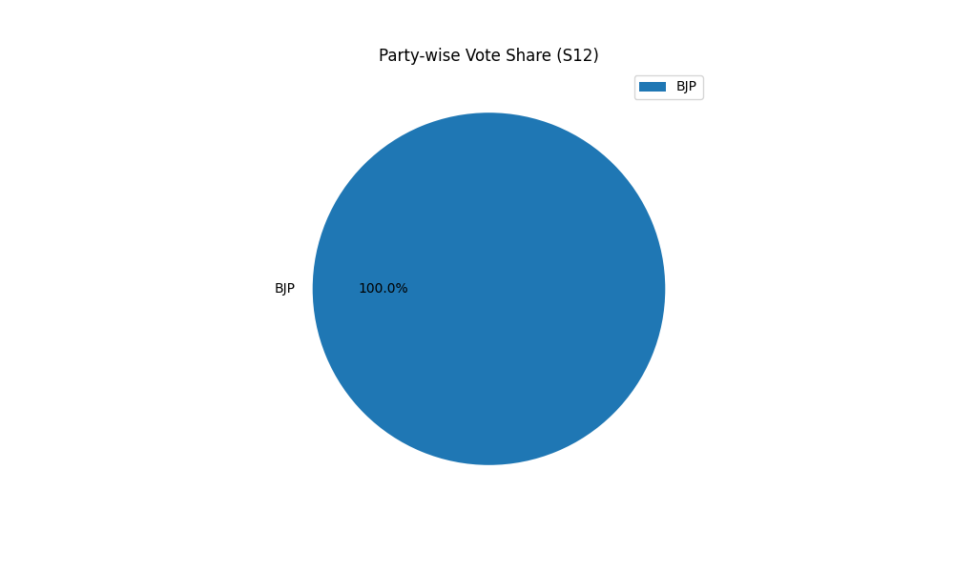
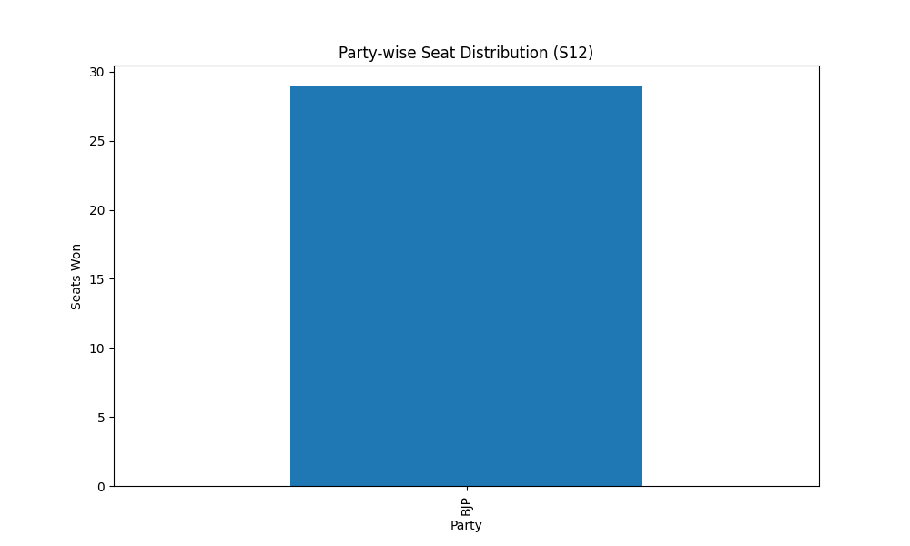
Party-wise Seat Distribution (S12)
Party | Seats
BJP | 29

Party-wise Vote Share (S12)
Party | Votes
BJP | 29

