Election Results
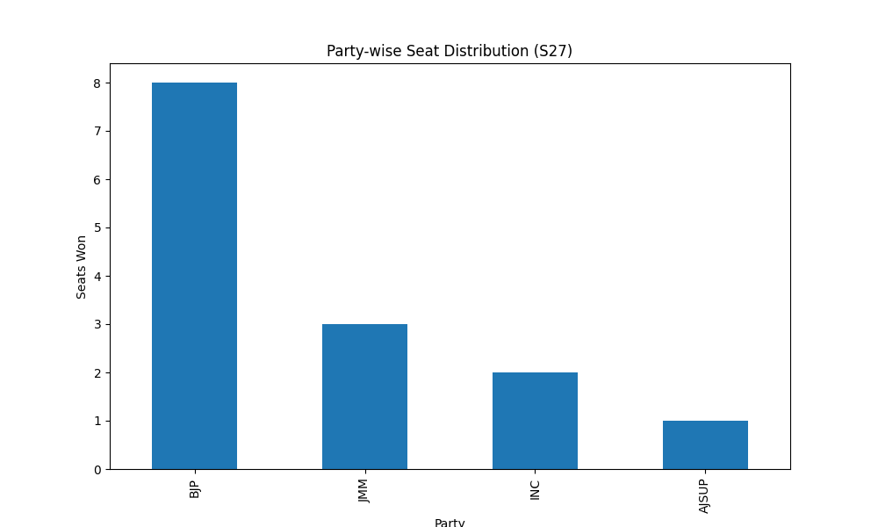
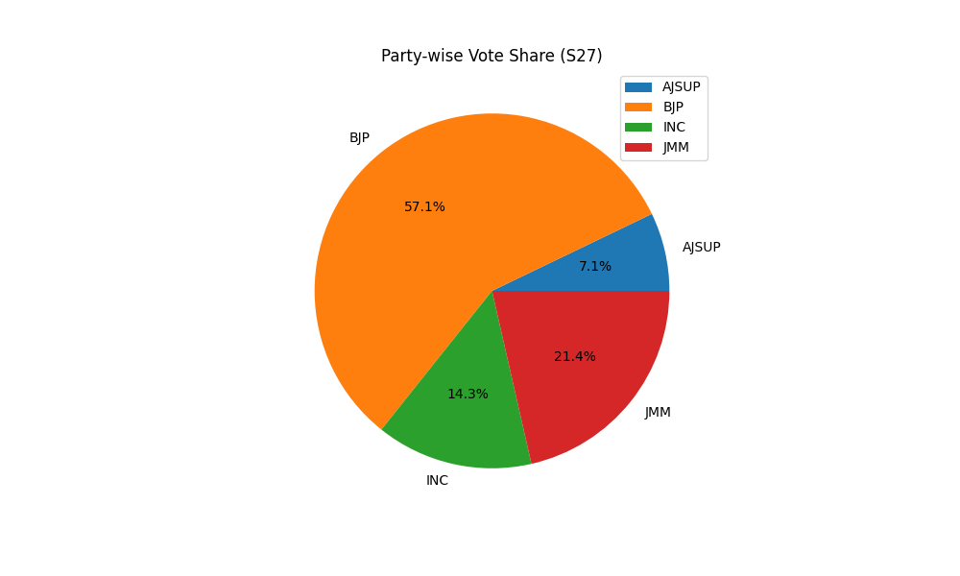
Party-wise Seat Distribution (S27)
Party | Seats
BJP | 8
JMM | 3
INC | 2
AJSUP | 1

Party-wise Vote Share (S27)
Party | Votes
AJSUP | 1
BJP | 8
INC | 2
JMM | 3

