Election Results
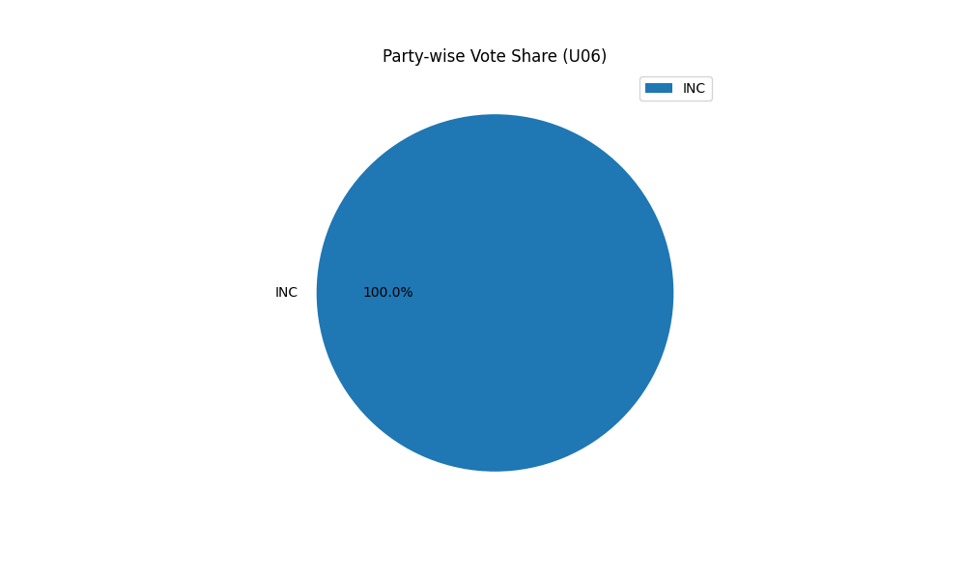
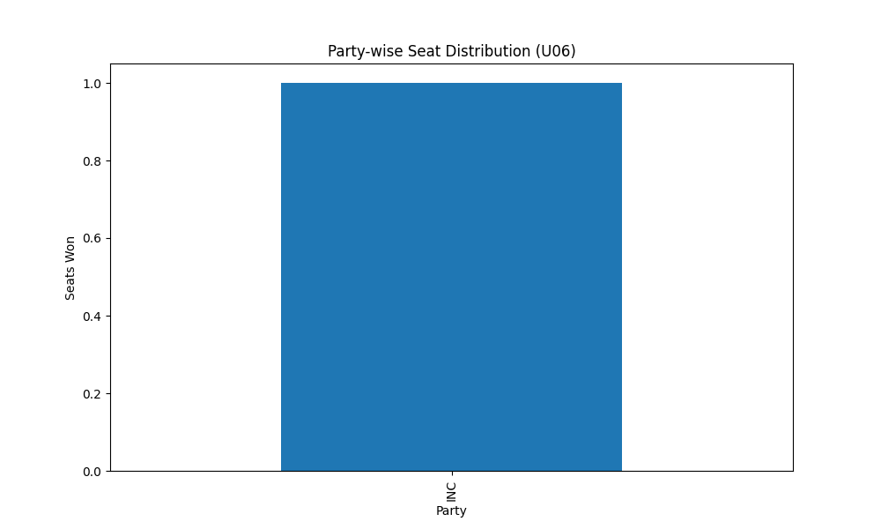
Party-wise Seat Distribution (U06)
Party | Seats
INC | 1

Party-wise Vote Share (U06)
Party | Votes
INC | 1

