Election Results
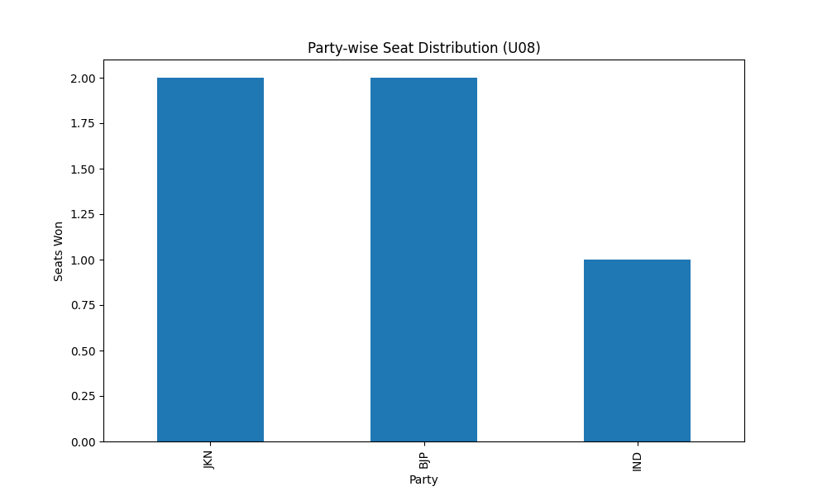
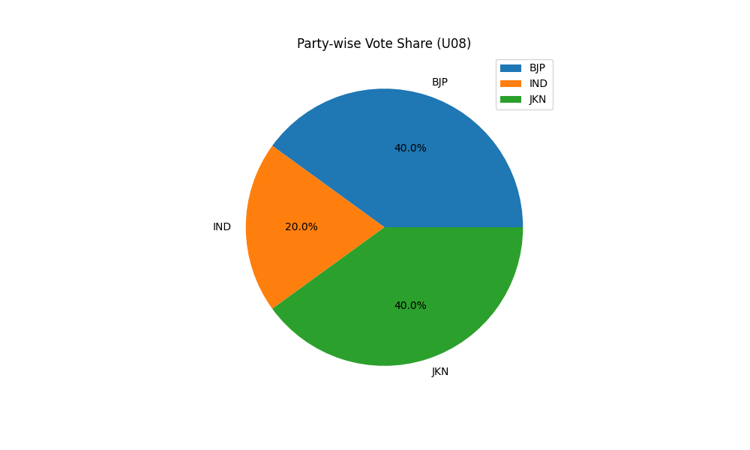
Party-wise Seat Distribution (U08)
Party | Seats
JKN | 2
BJP | 2
IND | 1

Party-wise Vote Share (U08)
Party | Votes
BJP | 2
IND | 1
JKN | 2

