Election Results
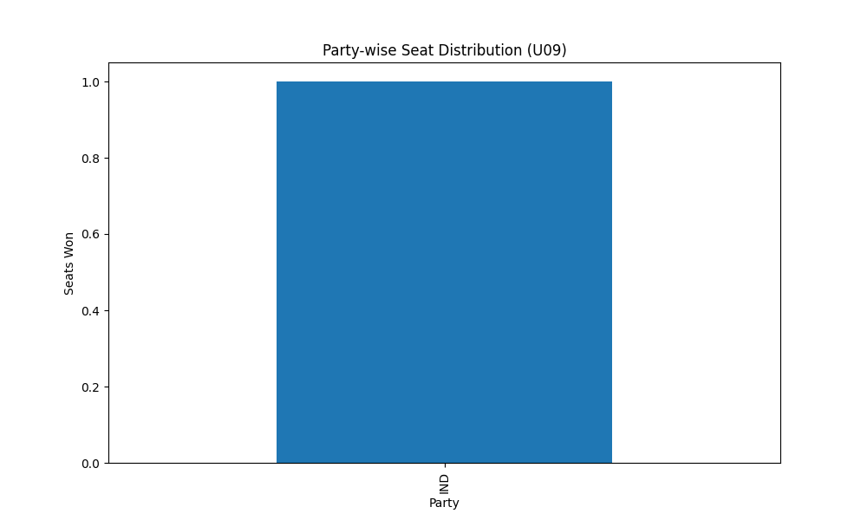
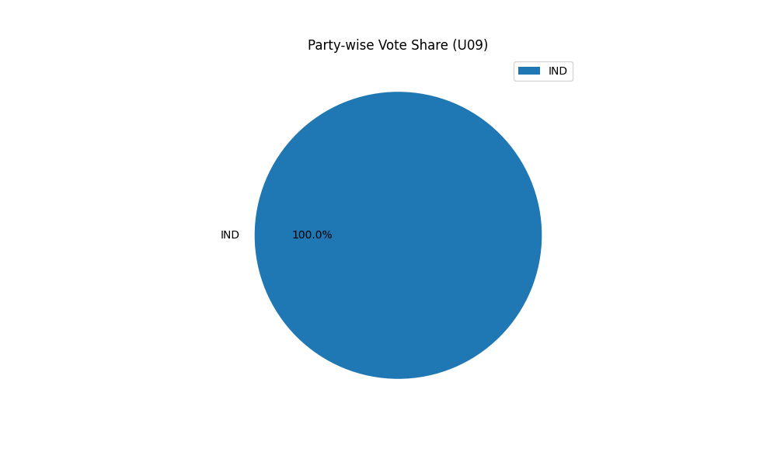
Party-wise Seat Distribution (U09)
Party | Seats
IND | 1

Party-wise Vote Share (U09)
Party | Votes
IND | 1

