Test Results
10
Test Name | Status | Message | Date
test01() | Failed | The test failed org.opentest4j.AssertionFailedError: expected: <Username> but was: <Usernam> | 2024-11-13 13:31:24
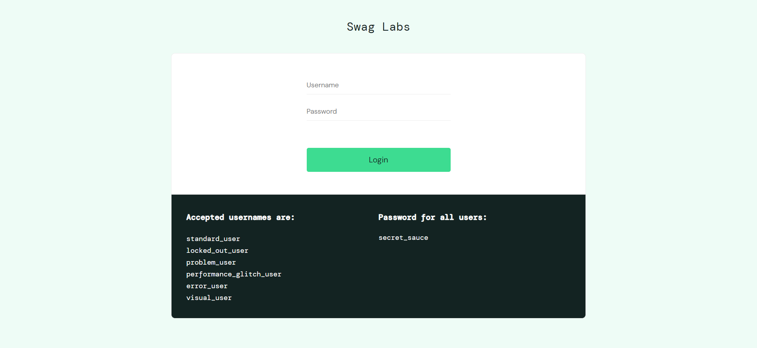

test02() | Succeeded | The test succeeded | 2024-11-13 13:31:24

