Test Results
58
Test Name | Status | Message | Date
test01() | Failed | The test failed org.opentest4j.AssertionFailedError: expected: <Username> but was: <Usernam> | 2024-11-13 13:31:24
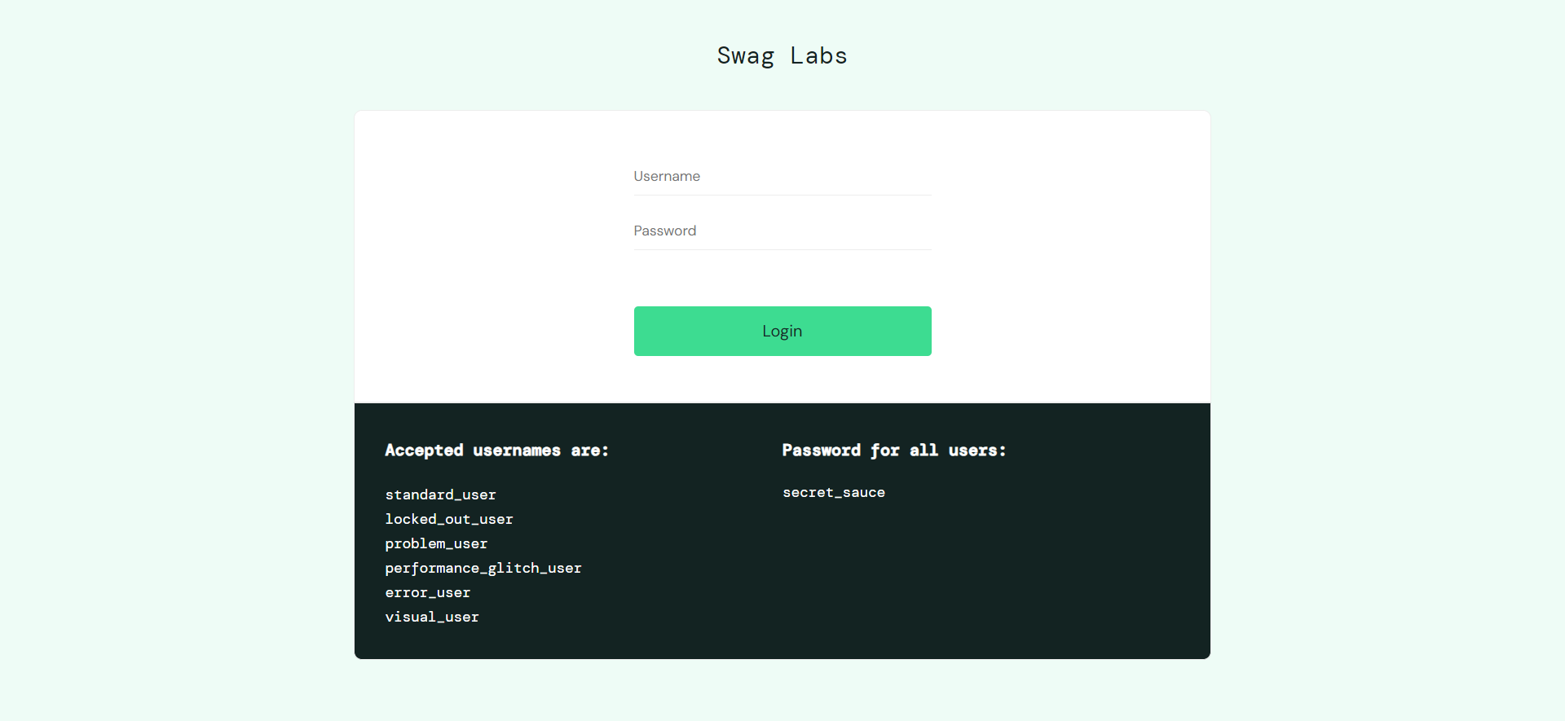

test02() | Succeeded | The test succeeded | 2024-11-13 13:31:24

test01() | Failed | The test failed org.opentest4j.AssertionFailedError: expected: <Username> but was: <Usernam> | 2024-11-14 14:24:15
test02() | Succeeded | The test succeeded | 2024-11-14 14:24:15

test01() | Failed | The test failed org.opentest4j.AssertionFailedError: expected: <Username> but was: <Usernam> | 2024-11-14 14:25:06
test02() | Succeeded | The test succeeded | 2024-11-14 14:25:06

test01() | Failed | The test failed org.opentest4j.AssertionFailedError: expected: <Username> but was: <Usernam> | 2024-11-14 14:34:19
test02() | Succeeded | The test succeeded | 2024-11-14 14:34:20

test01() | Failed | The test failed org.opentest4j.AssertionFailedError: expected: <Username> but was: <Usernam> | 2024-11-14 14:43:45
test02() | Succeeded | The test succeeded | 2024-11-14 14:43:45

test01() | Failed | The test failed org.opentest4j.AssertionFailedError: expected: <Username> but was: <Usernam> | 2024-11-14 14:44:38
test02() | Succeeded | The test succeeded | 2024-11-14 14:44:38

test01() | Failed | The test failed org.opentest4j.AssertionFailedError: expected: <Username> but was: <Usernam> | 2024-11-14 15:07:07
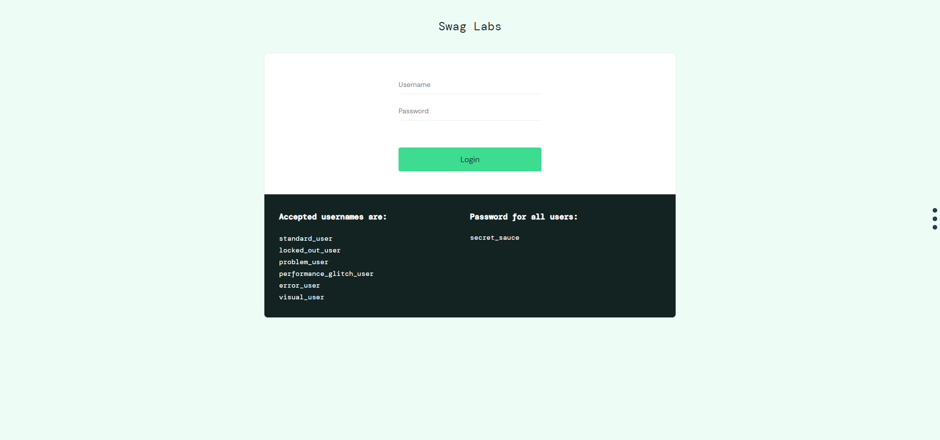

test02() | Succeeded | The test succeeded | 2024-11-14 15:07:08

test01() | Failed | The test failed org.opentest4j.AssertionFailedError: expected: <Username> but was: <Usernam> | 2024-11-14 19:27:08
test02() | Succeeded | The test succeeded | 2024-11-14 19:27:08

test01() | Failed | The test failed org.opentest4j.AssertionFailedError: expected: <Username> but was: <Usernam> | 2024-11-14 19:27:57
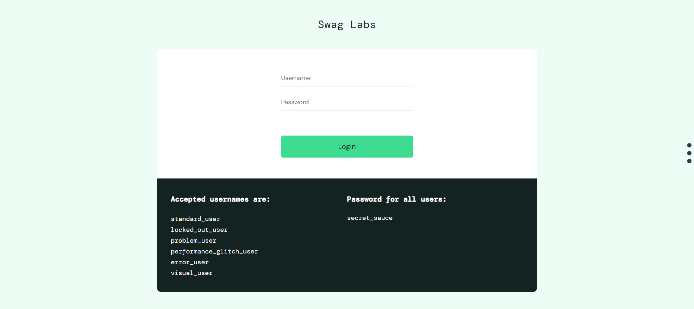

test02() | Succeeded | The test succeeded | 2024-11-14 19:27:59

test01() | Failed | The test failed org.opentest4j.AssertionFailedError: expected: <Username> but was: <Usernam> | 2024-11-14 19:29:00

test02() | Succeeded | The test succeeded | 2024-11-14 19:29:02

test01() | Succeeded | The test succeeded | 2024-11-14 20:05:22
test02() | Succeeded | The test succeeded | 2024-11-14 20:05:23

