Reports
ABOUT REPORTING
Microsoft Azure Educator Services can create an Account Consumption, Services Utilization, or other custom reports for your account or institution. Please email azuredu@microsoft.com directly to request a report. If a custom report, please be sure to specify dimensions (by Institution, by Course, Date Range) you want to include.

2.) Services Utilization Report
3.) Custom Report Request
1.) Account Consumption Report

The Account Consumption Report will show each Subscription under your account and their aggregate spend. It will be broken out by each SubscriptionID and their usage across the various services. | The Services Utilization Report will aggregate all usage under the Account. It will break out by Service, and Service Resource Name. It does not break down individual Subscription usage. | Custom reports can be generated with additional dimensions or measures per the request of the Account Owner Additonal fields: - Geography - University - Professor - Program Name - Date Range - Quantity of Service Units - Remaining Monetary Cap Space

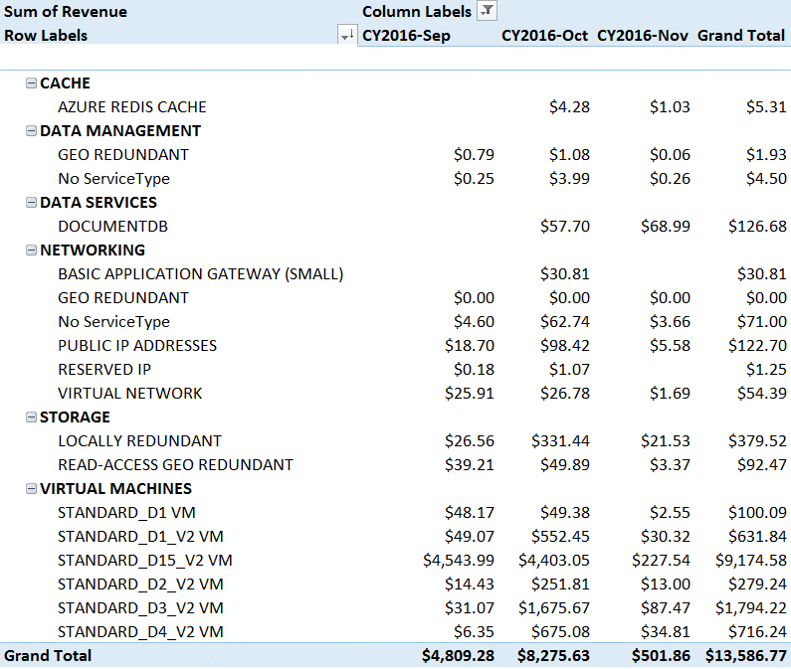

All reports can be exported in the following formats:
.xlsx
.xml
.csv
.txt

