tree
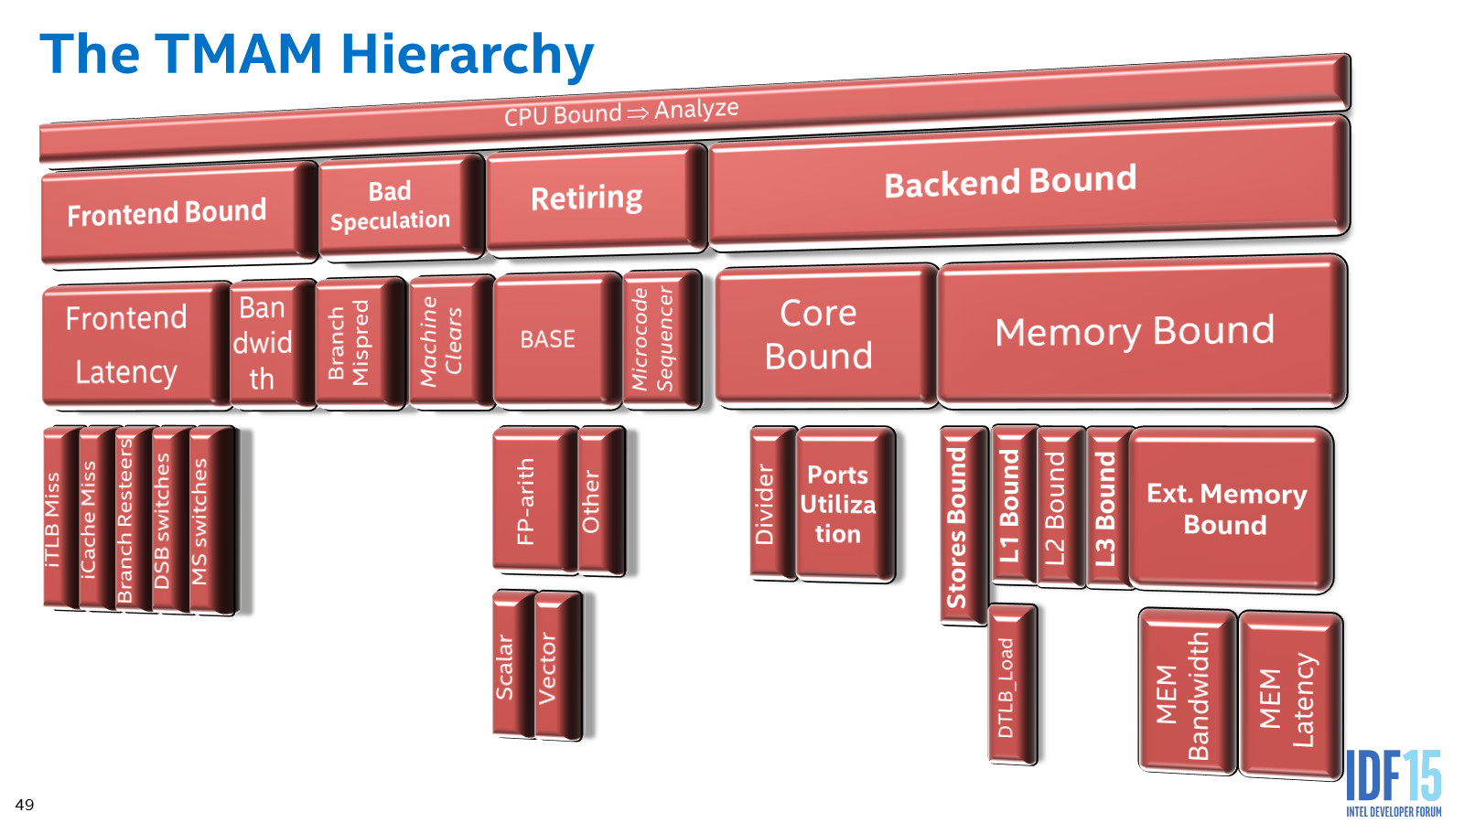
TMAM - Top-down Microarchitecture Analysis Method
References
 | Intel® Architecture Optimization Reference Manual, Top-Down Analysis Method chapter
 | Software Optimizations Become Simple with Top-Down Analysis Methodology on Intel® Microarchitecture, Code Name Skylake. Ahmad Yasin, Intel Developer Forum 2015, IDF'15.

