Sheet1
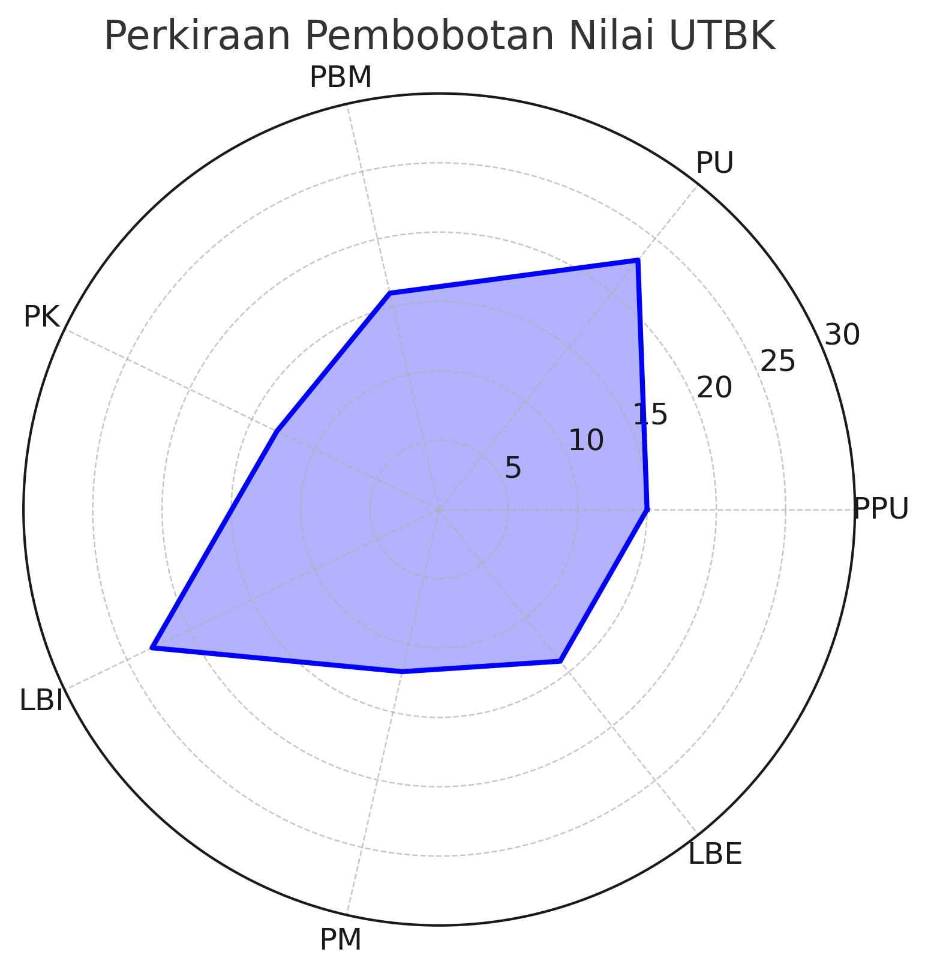
Subtes | Minimal Benar | Total Soal | Persentase Benar | Skor UTBK
PPU | 15 | 20 | 75 | 800
PU | 23 | 30 | 77 | 813
PBM | 16 | 20 | 80 | 840
PK | 13 | 20 | 65 | 720
LBI | 23 | 30 | 77 | 813
PM | 12 | 20 | 60 | 680
LBE | 14 | 20 | 70 | 760
TOTAL | 116 | 160 | 72.5 | 780

