Sheet1

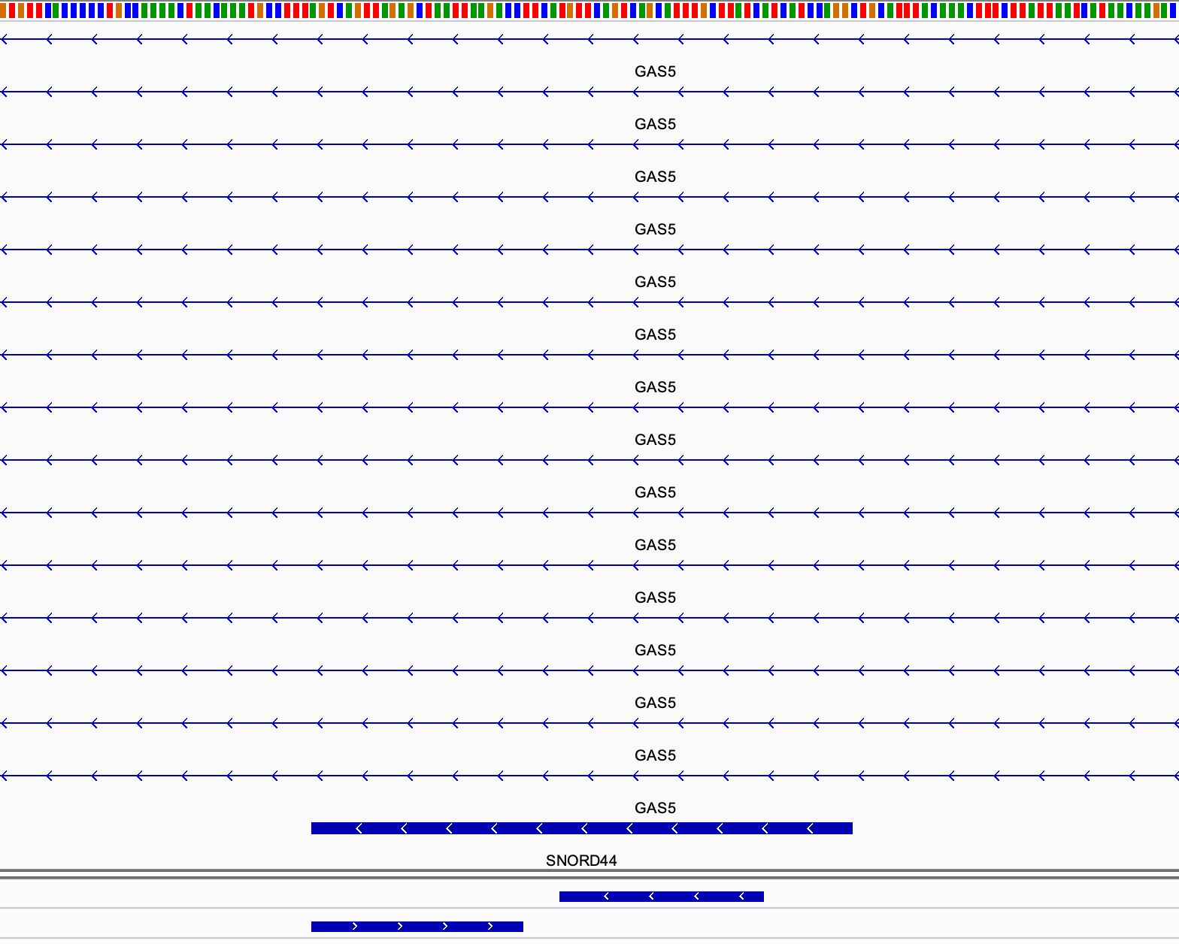
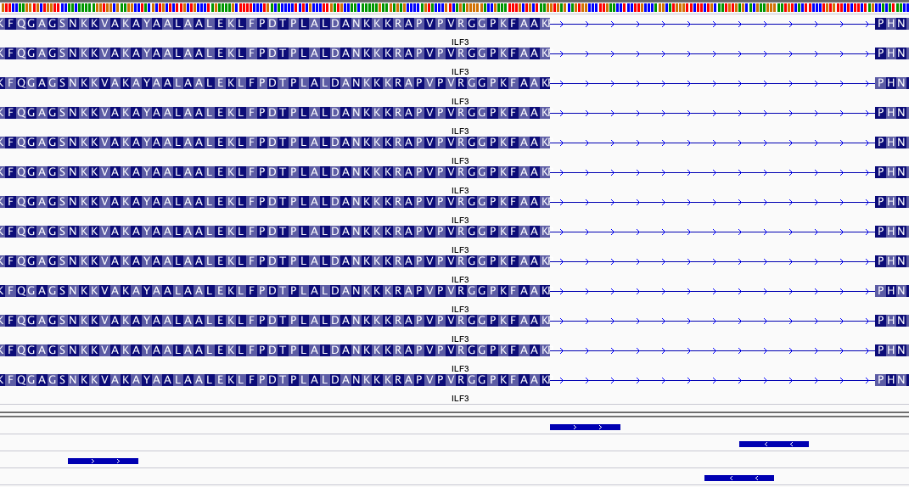
 |  |  |  | BLAT results |  |  |  | Interval |  |  |  |  | FLEXI counts | Counts/Reads intersected with PCR primers | Calculated copies/cell | 95% CI | % as of SNORD44 | %(junction/intron)
SW13 | CCTGGTAGTGAGTTGTTGGGT | 7I_EIF4A1___ENSG00000161960___ENST00000578495___protein_coding___protein_coding | intron F | chr17 | 7577511 | 7577532 | + | SW13-14 | chr17 | 7577511 | 7577567 | + | 354 | 681 | 1,997 | 248-16,094 | 9.8%
SW14 | TGGAGGTTGGGGGACAAAAAT | 7I_EIF4A1___ENSG00000161960___ENST00000578495___protein_coding___protein_coding | intron R | chr17 | 7577546 | 7577567 | -
SW33 | TTGACCCTGGAGGGTATCCG | 7I_EIF4A1___ENSG00000161960___ENST00000578495___protein_coding___protein_coding | junction F | chr17 | 7577439 | 7577459 | + | SW33-34 | chr17 | 7577439 | 7577528 | + |  | 244 | 1,171 | 107-12,777 | 3.5% | 35.8%
SW34 | AACAACTCACTACCAGGCCC | 7I_EIF4A1___ENSG00000161960___ENST00000578495___protein_coding___protein_coding | junction R | chr17 | 7577508 | 7577528 | -

SW3 | CTGCCCGTACCTGTGATTGA | 3I_OAZ1___ENSG00000104904___ENST00000602676___protein_coding___protein_coding | intron F | chr19 | 2271594 | 2271614 | + | SW3-4 | chr19 | 2271594 | 2271741 | + | 5 | 69 | 607 | 38-9,680 | 1.0%
SW4 | CCCACAGGACTCCAAGAACC | 3I_OAZ1___ENSG00000104904___ENST00000602676___protein_coding___protein_coding | intron R | chr19 | 2271721 | 2271741 | -
SW41 | CTACTCCGTGAGTATGGGGC | 3I_OAZ1___ENSG00000104904___ENST00000602676___protein_coding___protein_coding | junction F | chr19 | 2271523 | 2271543 | + | SW41-42 | chr19 | 2271523 | 2271640 | + |  | 17 | 293 | 12-7,154 | 0.2% | 24.6%
SW42 | GAAACTCAGGGTTCCCACGA | 3I_OAZ1___ENSG00000104904___ENST00000602676___protein_coding___protein_coding | junction R | chr19 | 2271620 | 2271640 | -

SW7 | GTGAGCAGTGGCCCTTGAAC | 15I_ILF3___ENSG00000129351___ENST00000449870___protein_coding___protein_coding | intron F | chr19 | 10683542 | 10683562 | + | SW7-8 | chr19 | 10683542 | 10683616 | + | 48 | 1,175 | 2,652 | 385-18,245 | 16.9%
SW8 | AGTGACATTCCCTTCGTGCT | 15I_ILF3___ENSG00000129351___ENST00000449870___protein_coding___protein_coding | intron R | chr19 | 10683596 | 10683616 | -
SW37 | AACAAAAAGGTGGCGAAGGC | 15I_ILF3___ENSG00000129351___ENST00000449870___protein_coding___protein_coding | junction F | chr19 | 10683404 | 10683424 | + | SW37-38 | chr19 | 10683404 | 10683606 | + |  | 1,144 | 2,615 | 377-18,132 | 16.4% | 97.4%
SW38 | CCTTCGTGCTCACATTGCAG | 15I_ILF3___ENSG00000129351___ENST00000449870___protein_coding___protein_coding | junction R | chr19 | 10683586 | 10683606 | -

SW19 | GATAAGCAAATGCTGACTGAACA | SNORD44 | control | chr1 | 173865995 | 173866018 | - | SW19-20 | chr1 | 173865967 | 173866018 | - | NA | 6,965 | 6,691 | 1,594-28,085 | 100.0%
SW20 | AGTCAGTTAGAGCTAATTAAGACC | SNORD44 | control | chr1 | 173865967 | 173865991 | +

SW23 | CGCTTCGGCAGCACATATAC | RNU-6A | control | too many hits
SW24 | ATTTGCGTGTCATCCTTGCG | RNU-6A | control

