From2021
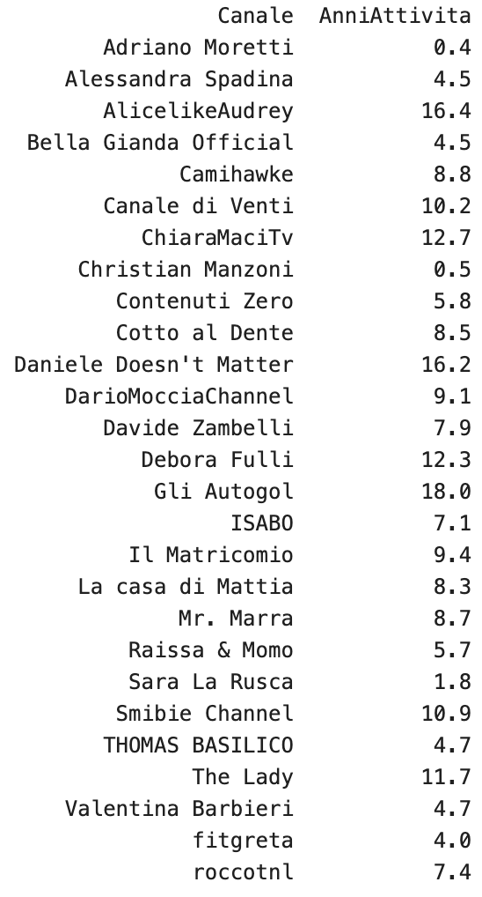
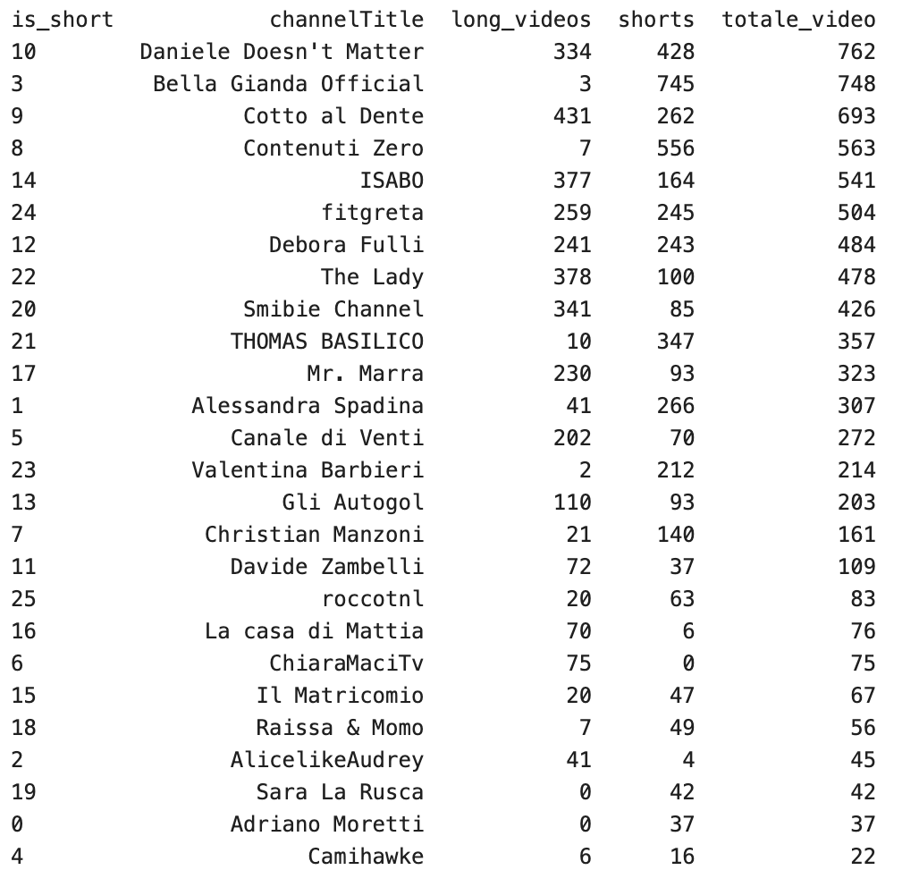
 | CHANNELS | LAST VIDEO | ACTIVE | TOPIC 1 | TOPIC 2 | # SUBSCRIPTION | SHORTS
Cinema | Mr. Marra | 2026-02-08 | Attivo | Cinema | Nerd | 110k | long + short
Cooking | Davide Zambelli | 2026-02-13 | Attivo | Cooking |  | 415 k | long + short
 | ChiaraMaciTv | 2026-02-20 | Attivo | Cooking |  | 47.6 k | long only
Venti | Canale di Venti | 2024-03-18 | Inattivo | Culture | Mental health | 795k | long + short
Daily vlogs | Smibie Channel | 2026-02-25 | Attivo | Daily vlogs | Trips, shopping, study | 167k | long + short
 | The Lady | 2026-02-26 | Attivo | Daily vlogs |  | 451k | long + short
 | Debora Fulli | 2026-02-25 | Attivo | Daily vlogs | Shopping, Make-up | 317k | long + short
Rocco | roccotnl | 2026-02-25 | Attivo | Entertainment | Daily vlogs | 29.9 k | long + short
 | Camihawke | 2026-02-27 | Attivo | Entertainment | Game | 113k | long only
Entertainment low-budget | Il Matricomio | 2026-02-22 | Attivo | Entertainment | Comedy | 40.4 k | shorts only
 | Raissa & Momo | 2025-09-15 | Attivo | Entertainment | Comedy | 12.1k | shorts only
 | Sara La Rusca | 2026-02-18 | Attivo | Entertainment | Comedy | 58.8 k | shorts only
Entertainment high-budget | THOMAS BASILICO | 2026-03-01 | Attivo | Entertainment | Parodies | 150 k | shorts only
 | Contenuti Zero | 2026-02-26 | Attivo | Entertainment | Comedy | 138k | shorts only
 | Valentina Barbieri | 2026-02-06 | Attivo | Entertainment | Parodies | 434k | shorts only
Make-up | AlicelikeAudrey | 2025-07-21 | Semi | Make-up | Home care | 340k | long
 | Christian Manzoni | 2026-02-27 | Attivo | Make-up |  | 22.4 k | long + short

 |  |  | Main Reason
 | Affinity order | Canale di Venti | Topic
 |  | Cinema | Topic
 |  | Entertainment Low-budget | Shorts
 |  | Entertainment High-budget | Shorts
 |  | Rocco | Channel history
 |  | Daily vlogs | Potential
 |  | Make-up | Side area of interest
 |  | Cooking | Side area of interest

How We Filtered the Channels
For each channel, we identified the publication date of the most recent video included in the dataset to determine whether the channel was still active, dormant, or effectively inactive.
We then analyzed the topics covered by each channel, categorizing them into Topic 1 (broader category) and Topic 2(more specific subcategory). We also examined the content format published on each channel (long-form videos or Shorts), paying particular attention to whether the channel focused exclusively on one format or used a mix of both. Finally, we recorded the total number of subscribers for each channel.
We excluded several channels from the outset to refine the dataset:
• DarioMocciaChannel was excluded because it has been inactive since 2020.
• La casa di Mattia was excluded for the same reason, having been inactive since mid-2025.
• Adriano Moretti was excluded because the channel is too new and has a subscriber base that is too small to allow for a meaningful evaluation of its community.
• Cotto al dente, ISABO, Gli Autogol, Bella Gianda Official, and fitgreta were removed because their topics are not sufficiently aligned with our target audience and are therefore followed by communities with interests that differ from those we aim to analyze.
This process allowed us to assess the affinity of each channel with Camihawke’s one and to create several clusters among the channels that remained after filtering, as shown in the final table.
Each cluster was assigned a descriptive name and accompanied by the main reason why we believe it is relevant from an analytical perspective. The clusters highlighted in yellow represent the channels that are most closely related and relevant to Camihawke, while others in white are more distant but could still become relevant to Camihawke and her content in the future.

