End point_1
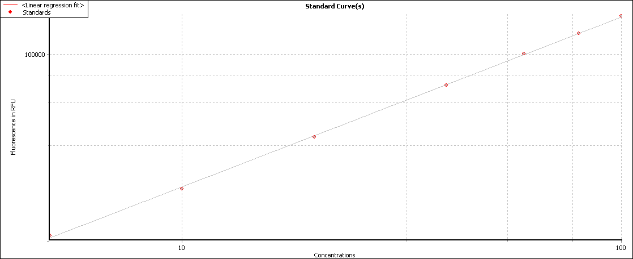
 | 1. Raw Data (485-12/EM520)
 | 1 | 2 | 3 | 4 | 5 | 6 | 7 | 8 | 9 | 10 | 11 | 12
A | 37378 | 40480 | 15833 | 12307 | 4328 | 3799 | 2479 | 2154 | 1837 | 2220 | 1935 | 1712
B | 47808 | 67364 | 15944 | 16251 | 5174 | 5116 | 2681 | 2929 | 1994 | 1957 | 1660 | 1699
C | 41213 | 57838 | 10962 | 10182 | 3496 | 3871 | 2402 | 2278 | 1827 | 1813 | 1753 | 1739
D | 40689 | 42775 | 8241 | 11479 | 3505 | 3295 | 2145 | 2122 | 1813 | 1642 | 1660 | 1700
E | 52020 | 54772 | 9594 | 11420 | 3700 | 3759 | 2321 | 2225 | 1800 | 1861 | 1738 | 1734
F | 43426 | 46949 | 14225 | 14305 | 5726 | 4957 | 3286 | 3120 | 2123 | 2213 | 1845 | 1801
G | 48532 | 46694 | 16838 | 16626 | 5931 | 5306 | 3374 | 3349 | 2166 | 2037 | 1792 | 1767
H | 38845 | 38797 | 19232 | 22239 | 5818 | 5763 | 3547 | 3639 | 2201 | 2283 | 1904 | 1827

 | 2. Linear regression fit based on Raw Data (485-12/EM520)
 | 1 | 2 | 3 | 4 | 5 | 6 | 7 | 8 | 9 | 10 | 11 | 12
A | 20.393 | 22.263 | 7.923 | 6.005 | 1.901 | 1.647 | 1.029 | 0.882 | 0.74 | 0.912 | 0.784 | 0.685
B | 26.737 | 38.995 | 7.984 | 8.154 | 2.314 | 2.285 | 1.122 | 1.237 | 0.81 | 0.794 | 0.662 | 0.679
C | 22.707 | 32.971 | 5.286 | 4.874 | 1.503 | 1.681 | 0.994 | 0.938 | 0.736 | 0.73 | 0.703 | 0.697
D | 22.389 | 23.656 | 3.862 | 5.561 | 1.507 | 1.408 | 0.878 | 0.868 | 0.73 | 0.654 | 0.662 | 0.68
E | 29.34 | 31.053 | 4.565 | 5.53 | 1.6 | 1.628 | 0.958 | 0.914 | 0.724 | 0.751 | 0.696 | 0.695
F | 24.052 | 26.208 | 7.042 | 7.086 | 2.587 | 2.207 | 1.404 | 1.326 | 0.868 | 0.909 | 0.744 | 0.724
G | 27.182 | 26.052 | 8.478 | 8.361 | 2.689 | 2.379 | 1.445 | 1.433 | 0.887 | 0.829 | 0.72 | 0.709
H | 21.275 | 21.246 | 9.814 | 11.516 | 2.633 | 2.605 | 1.527 | 1.571 | 0.903 | 0.94 | 0.77 | 0.736

End point
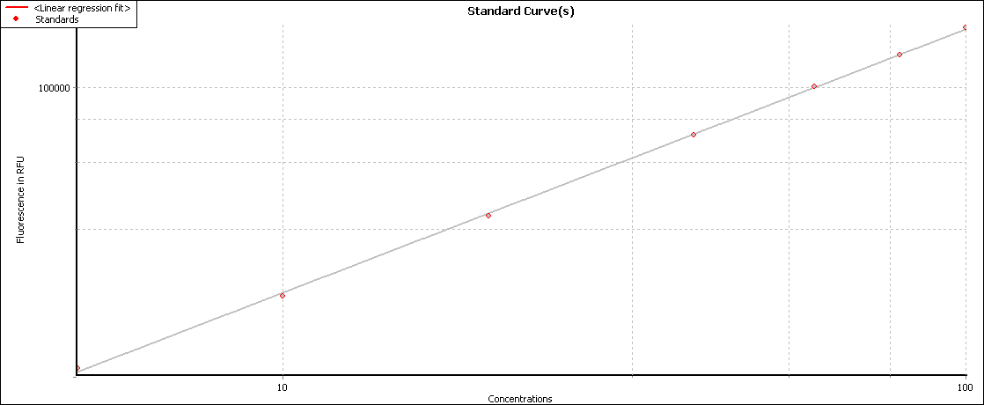
Well Row | Well Col | Content | Raw Data (485-12/EM520) | Linear regression fit based on Raw Data (485-12/EM520)
A | 1 | Sample X1 | 37378 | 20.393
B | 1 | Sample X2 | 47808 | 26.737
C | 1 | Sample X3 | 41213 | 22.707
D | 1 | Sample X4 | 40689 | 22.389
E | 1 | Sample X5 | 52020 | 29.34
F | 1 | Sample X6 | 43426 | 24.052
G | 1 | Sample X7 | 48532 | 27.182
H | 1 | Sample X8 | 38845 | 21.275
A | 2 | Sample X9 | 40480 | 22.263
B | 2 | Sample X10 | 67364 | 38.995
C | 2 | Sample X11 | 57838 | 32.971
D | 2 | Sample X12 | 42775 | 23.656
E | 2 | Sample X13 | 54772 | 31.053
F | 2 | Sample X14 | 46949 | 26.208
G | 2 | Sample X15 | 46694 | 26.052
H | 2 | Sample X16 | 38797 | 21.246
A | 3 | Sample X17 | 15833 | 7.923
B | 3 | Sample X18 | 15944 | 7.984
C | 3 | Sample X19 | 10962 | 5.286
D | 3 | Sample X20 | 8241 | 3.862
E | 3 | Sample X21 | 9594 | 4.565
F | 3 | Sample X22 | 14225 | 7.042
G | 3 | Sample X23 | 16838 | 8.478
H | 3 | Sample X24 | 19232 | 9.814
A | 4 | Sample X25 | 12307 | 6.005
B | 4 | Sample X26 | 16251 | 8.154
C | 4 | Sample X27 | 10182 | 4.874
D | 4 | Sample X28 | 11479 | 5.561
E | 4 | Sample X29 | 11420 | 5.53
F | 4 | Sample X30 | 14305 | 7.086
G | 4 | Sample X31 | 16626 | 8.361
H | 4 | Sample X32 | 22239 | 11.516
A | 5 | Sample X33 | 4328 | 1.901
B | 5 | Sample X34 | 5174 | 2.314
C | 5 | Sample X35 | 3496 | 1.503
D | 5 | Sample X36 | 3505 | 1.507
E | 5 | Sample X37 | 3700 | 1.6
F | 5 | Sample X38 | 5726 | 2.587
G | 5 | Sample X39 | 5931 | 2.689
H | 5 | Sample X40 | 5818 | 2.633
A | 6 | Sample X41 | 3799 | 1.647
B | 6 | Sample X42 | 5116 | 2.285
C | 6 | Sample X43 | 3871 | 1.681
D | 6 | Sample X44 | 3295 | 1.408
E | 6 | Sample X45 | 3759 | 1.628
F | 6 | Sample X46 | 4957 | 2.207
G | 6 | Sample X47 | 5306 | 2.379
H | 6 | Sample X48 | 5763 | 2.605
A | 7 | Sample X49 | 2479 | 1.029
B | 7 | Sample X50 | 2681 | 1.122
C | 7 | Sample X51 | 2402 | 0.994
D | 7 | Sample X52 | 2145 | 0.878
E | 7 | Sample X53 | 2321 | 0.958
F | 7 | Sample X54 | 3286 | 1.404
G | 7 | Sample X55 | 3374 | 1.445
H | 7 | Sample X56 | 3547 | 1.527
A | 8 | Sample X57 | 2154 | 0.882
B | 8 | Sample X58 | 2929 | 1.237
C | 8 | Sample X59 | 2278 | 0.938
D | 8 | Sample X60 | 2122 | 0.868
E | 8 | Sample X61 | 2225 | 0.914
F | 8 | Sample X62 | 3120 | 1.326
G | 8 | Sample X63 | 3349 | 1.433
H | 8 | Sample X64 | 3639 | 1.571
A | 9 | Sample X65 | 1837 | 0.74
B | 9 | Sample X66 | 1994 | 0.81
C | 9 | Sample X67 | 1827 | 0.736
D | 9 | Sample X68 | 1813 | 0.73
E | 9 | Sample X69 | 1800 | 0.724
F | 9 | Sample X70 | 2123 | 0.868
G | 9 | Sample X71 | 2166 | 0.887
H | 9 | Sample X72 | 2201 | 0.903
A | 10 | Sample X73 | 2220 | 0.912
B | 10 | Sample X74 | 1957 | 0.794
C | 10 | Sample X75 | 1813 | 0.73
D | 10 | Sample X76 | 1642 | 0.654
E | 10 | Sample X77 | 1861 | 0.751
F | 10 | Sample X78 | 2213 | 0.909
G | 10 | Sample X79 | 2037 | 0.829
H | 10 | Sample X80 | 2283 | 0.94
A | 11 | Sample X81 | 1935 | 0.784
B | 11 | Sample X82 | 1660 | 0.662
C | 11 | Sample X83 | 1753 | 0.703
D | 11 | Sample X84 | 1660 | 0.662
E | 11 | Sample X85 | 1738 | 0.696
F | 11 | Sample X86 | 1845 | 0.744
G | 11 | Sample X87 | 1792 | 0.72
H | 11 | Sample X88 | 1904 | 0.77
A | 12 | Sample X89 | 1712 | 0.685
B | 12 | Sample X90 | 1699 | 0.679
C | 12 | Sample X91 | 1739 | 0.697
D | 12 | Sample X92 | 1700 | 0.68
E | 12 | Sample X93 | 1734 | 0.695
F | 12 | Sample X94 | 1801 | 0.724
G | 12 | Sample X95 | 1767 | 0.709
H | 12 | Sample X96 | 1827 | 0.736

