Cover Page
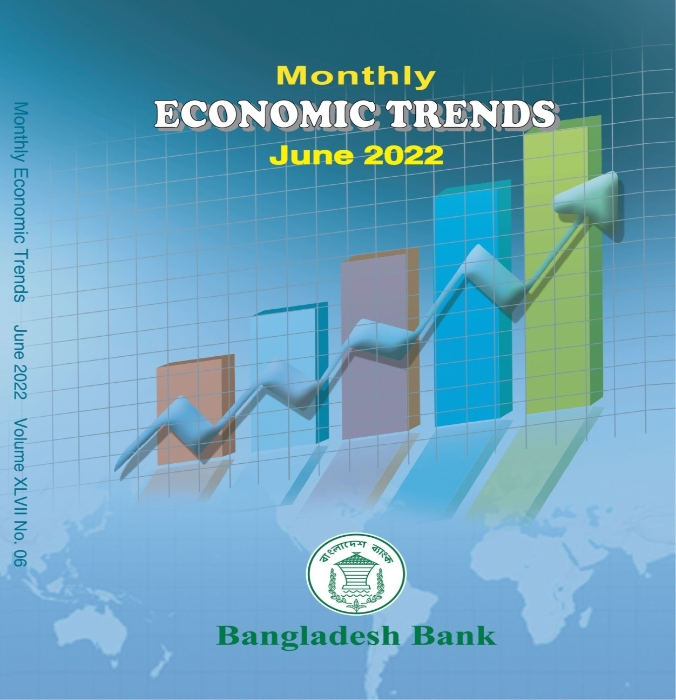
 |  |  |  |  | Advisor
 |  |  | A. K. M Sajedur Rahman Khan
 |  |  |  | Deputy Governor

 |  |  |  |  | Editorial Committee

 |  |  |  |  | Chairman
 |  |  | Mansura Parvin
 |  | Executive Director (Statistics)

 |  |  |  |  | Members
 |  |  |  | Md. Nurul Islam Director (Statistics)
 |  |  |  | Md. Masud Aktar Talukder Additional Director (Statistics)
 |  |  |  | Md. Faruqul Islam Joint Director

 |  |  |  | Kamrun Nahar Mukta
 |  |  |  | Deputy Director
 |  |  |  | Fatema Fazrin Assistant Director

 | Suggestions/Comments for improvement in the contents of this booklet would highly be appreciated. Users may kindly contact the following email addresses with their suggestions/comments and queries, if any:
Monthly
Economic Trends
June 2022
 |  |  | Email: masud.talukder@bb.org.bd
 |  |  | Additional Director (Statistics)
 |  |  | Statistics Department
 |  |  | Bangladesh Bank
 |  |  | Head Office, Dhaka
 |  |  | Email: faruqul.islam@bb.org.bd
 |  |  | Joint Director
Statistics Department |  |  | Statistics Department
Bangladesh Bank |  |  | Bangladesh Bank
 |  |  | Head Office, Dhaka

 |  |  | Email: kamrun.mukta@bb.org.bd
 |  |  | Deputy Director
 |  |  | Statistics Department
 |  |  | Bangladesh Bank
 |  |  | Head Office, Dhaka

 |  |  | Email: fatema.fazrin@bb.org.bd
 |  |  | Assistant Director
 |  |  | Statistics Department
 |  |  | Bangladesh Bank
 |  |  | Head Office, Dhaka

