2009-2019
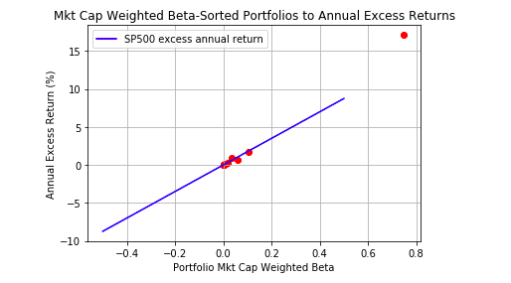
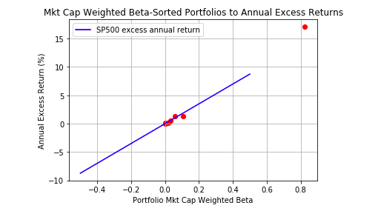
VEMAX (emerging markets) | gamma weighted | beta weighted | weighted excess return (rf) | CAPM return (according to beta) | weighted return in excess of CAPM
0 | 0.093 | 0.366 | 11.052 | 6.40 | 4.66
1 | 0.009 | 0.055 | 0.697 | 0.96 | -0.27 | sp500 annual excess return | 17.49
2 | 0.003 | 0.032 | 0.486 | 0.56 | -0.07
3 | 0.001 | 0.012 | 0.197 | 0.20 | 0.00 | *2009-2015 (portfolio)
4 | 0.000 | 0.025 | 0.599 | 0.44 | 0.15 | *2016-2019 (return)
5 | 0.000 | 0.005 | 0.043 | 0.08 | -0.04 | *excess return computed by implied value of CAPM
6 | 0.000 | 0.003 | 0.053 | 0.06 | 0.00 | only 358 stocks made the list for this 10 year period
7 | -0.001 | 0.031 | 0.460 | 0.54 | -0.08 | *mkt cap weighted portfolio
8 | -0.004 | 0.044 | 0.565 | 0.76 | -0.20
9 | -0.024 | 0.203 | 2.719 | 3.54 | -0.82

VEA (developed market) | gamma weighted | beta weighted | weighted excess return (rf) | CAPM return (according to beta) | weighted return in excess of CAPM
0 | 0.100 | 0.313 | 4.649 | 5.48 | -0.83
1 | 0.014 | 0.050 | 0.975 | 0.88 | 0.10
2 | 0.003 | 0.029 | 0.274 | 0.50 | -0.23
3 | 0.001 | 0.020 | 0.598 | 0.36 | 0.24
4 | 0.000 | 0.008 | 0.062 | 0.14 | -0.08
5 | 0.000 | 0.004 | 0.050 | 0.06 | -0.01
6 | -0.001 | 0.006 | 0.001 | 0.10 | -0.10
7 | -0.003 | 0.029 | 0.395 | 0.51 | -0.11
8 | -0.007 | 0.050 | 0.669 | 0.87 | -0.20
9 | -0.029 | 0.128 | 1.819 | 2.24 | -0.42

 | VEMAX (emerging markets) |  |  |  | VEA (emerging markets)
 | Gamma Sorted Portfolios |  |  |  | Gamma Sorted Portfolios
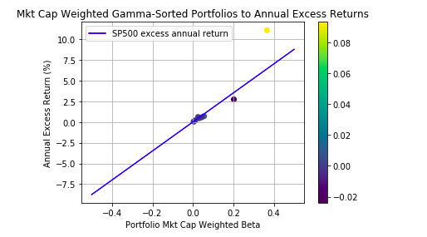
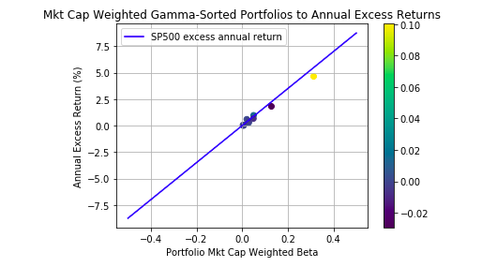

 | Beta Sorted Portfolios |  |  |  | Beta Sorted Portfolios

Backtest
Developed Economy | VEA portfolio year | Gamma of highest port | Gamma of Lowest Port | Excess Return (Highest Gamma) | Excess Return (Lowest Gamma) | difference (high - low)
2012-2013 | 2009-2011 | 0.000 | 0.000 | 0.001 | 0.001 | 0.000
2014-2015 | 2011-2013 | 0.643 | 0.000 | -1.032 | 3.431 | -4.463
2016-2017 | 2013-2015 | 0.000 | 0.000 | 0.000 | 0.000 | 0.000
2018-2019 | 2015-2017 | 0.459 | -0.200 | 6.194 | 2.116 | 4.078
2016-2019 | 2009-2015 | 0.100 | -0.029 | 6.974 | 2.728 | 4.246

Emerging Markets | VEMAX portfolio year | Gamma of highest port | Gamma of Lowest Port | Excess Return (Highest Gamma) | Excess Return (Lowest Gamma) | difference (high - low)
2012-2013 | 2009-2011 | 0.204 | 0.000 | 2.680 | 0.001 | 2.679
2014-2015 | 2011-2013 | 0.015 | 0.000 | -103.201 | 0.000 | -103.201
2016-2017 | 2013-2015 | 0.000 | 0.000 | 0.000 | 0.000 | 0.000
2018-2019 | 2015-2017 | 0.232 | -0.106 | 4.734 | 1.626 | 3.108
2016-2019 | 2009-2015 | 0.093 | -0.024 | 16.578 | 4.078 | 12.500

Reasons for poor results in VEMAX backtest 2011-2015:
VEMAX had a bad 2014-2015 year losing -21.4%
The highest gamma stocks also performed bad in 2014-2015 as shown in the picture below

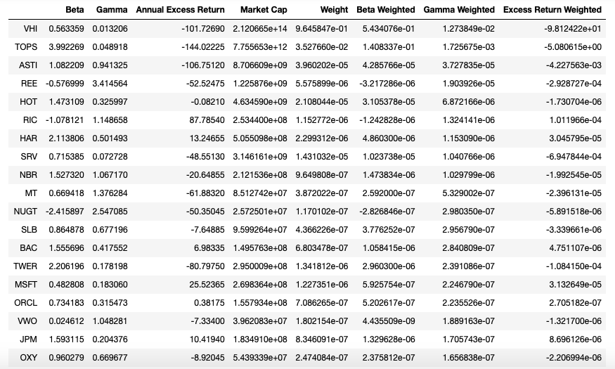

gamma diverges, bet on volatility
smb bet on size

