Regional Definitions
Regional boundaries overlaid on a map of average annual global horizontal irradiance (GHI)
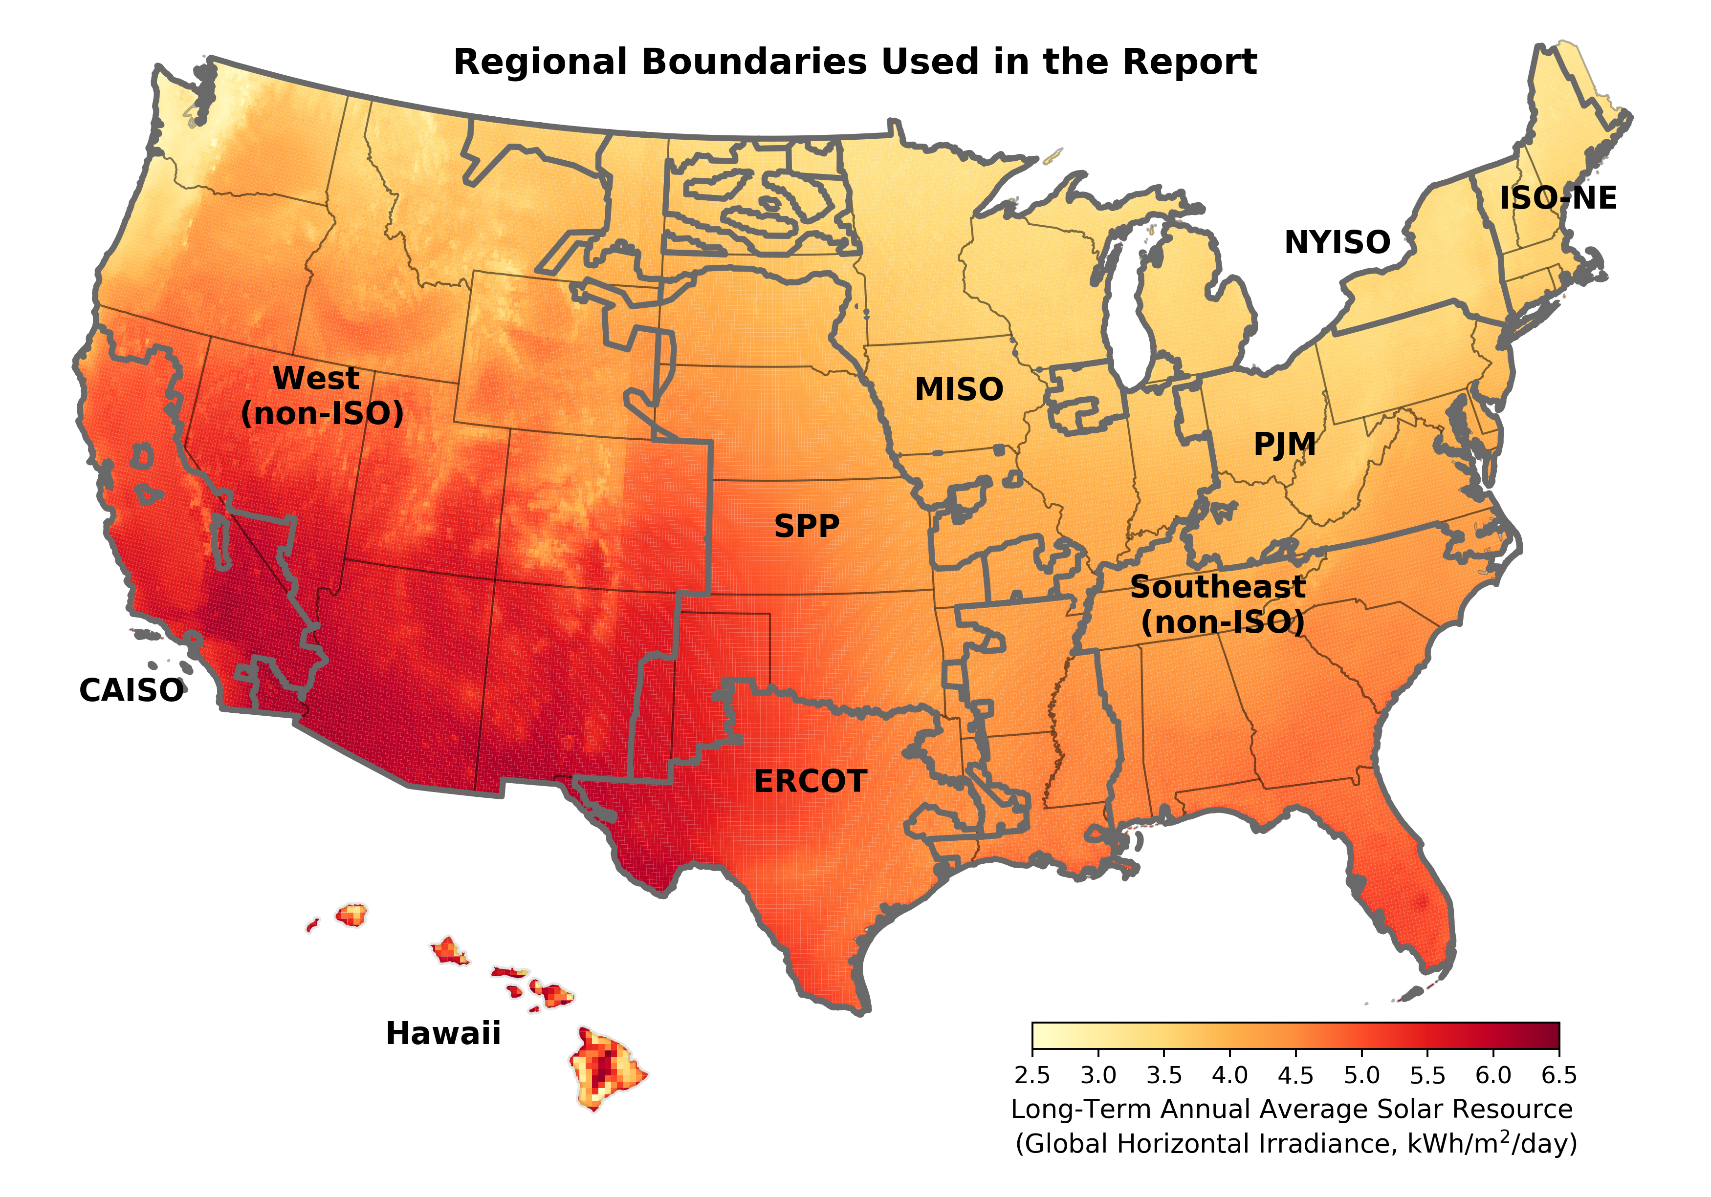

Sources: National Renewable Energy Laboratory (NREL)

PV Capacity by Sector
Historical and projected PV and CSP capacity by sector in the United States

Sources: Total U.S. PV capacity additions are based on Wood Mackenzie and SEIA (2010 - 2019), IREC's data collection, LBNL's Tracking the Sun Database and LBNL's Utility-Scale Solar Database.
Note: Wood Mackenzie and SEIA's definition of utility-scale PV capacity differs from LBNL both in size threshholds and treatment of project phase completion.

Installation Year | Residential PV |  | Commercial PV |  | Utility PV |  | Utility CSP
 | Annual Capacity MWDC | Cumulative Capacity MWDC | Annual Capacity MWDC | Cumulative Capacity MWDC | Annual Capacity MWDC | Cumulative Capacity MWDC | Annual Capacity MWAC | Cumulative Capacity MWAC
2007 | 58 | 191 | 93 | 264 | 9 | 14 | 69 | 425
2008 | 77 | 268 | 190 | 454 | 22 | 35 | 0 | 425
2009 | 157 | 425 | 208 | 662 | 70 | 105 | 0 | 425
2010 | 246 | 671 | 337 | 999 | 267 | 371 | 75 | 500
2011 | 305 | 976 | 850 | 1,849 | 786 | 1,157 | 0 | 500
2012 | 496 | 1,471 | 1,075 | 2,924 | 1,803 | 2,960 | 0 | 500
2013 | 799 | 2,270 | 1,109 | 4,033 | 2,858 | 5,817 | 250 | 750
2014 | 1,268 | 3,538 | 1,055 | 5,088 | 3,922 | 9,739 | 877 | 1,627
2015 | 2,171 | 5,709 | 1,070 | 6,158 | 4,268 | 14,007 | 110 | 1,737
2016 | 2,638 | 8,348 | 1,715 | 7,873 | 10,751 | 24,758 | 0 | 1,737
2017 | 2,239 | 10,587 | 2,366 | 10,238 | 6,476 | 31,234 | 0 | 1,737
2018 | 2,436 | 13,022 | 2,200 | 12,439 | 6,119 | 37,353 | 0 | 1,737
2019 | 2,865 | 15,888 | 2,157 | 14,595 | 8,462 | 45,815 | 0 | 1,737
2020 | 3,194 | 19,082 | 2,074 | 16,669 | 13,953 | 59,768 | 0 | 1,737
2021e | 3,782 | 22,863 | 2,594 | 19,263 | 17,451 | 77,219 | #N/A | 1,737
2022e | 4,295 | 27,158 | 2,677 | 21,940 | 18,519 | 95,738 | #N/A | 1,737
2023e | 4,706 | 31,864 | 2,733 | 24,673 | 19,305 | 115,043 | #N/A | 1,737
2024e | 4,204 | 36,067 | 2,690 | 27,363 | 17,211 | 132,253 | #N/A | 1,737
2025e | 4,572 | 40,639 | 2,665 | 30,029 | 17,465 | 149,718 | #N/A | 1,737
2026e | 4,972 | 45,611 | 2,845 | 32,873 | 19,020 | 168,738 | #N/A | 1,737
2027e | 5,404 | 51,015 | 3,083 | 35,957 | 23,086 | 191,824 | #N/A | 1,737
2028e | 6,051 | 57,066 | 3,701 | 39,658 | 29,907 | 221,731 | #N/A | 1,737
2029e | 6,769 | 63,836 | 4,042 | 43,700 | 35,891 | 257,622 | #N/A | 1,737
2030e | 7,597 | 71,433 | 4,643 | 48,343 | 41,807 | 299,430 | #N/A | 1,737

Capacity Additions by Gen Type
Annual capacity additions of different generator types

Sources: ABB, AWEA WindIQ, Wood Mackenzie, Berkeley Lab

 | Nameplate Capacity Additions (GW-AC)
Generation Type | 1998 | 1999 | 2000 | 2001 | 2002 | 2003 | 2004 | 2005 | 2006 | 2007 | 2008 | 2009 | 2010 | 2011 | 2012 | 2013 | 2014 | 2015 | 2016 | 2017 | 2018 | 2019 | 2020
Wind | 0.1 | 0.9 | 0.1 | 1.7 | 0.4 | 1.7 | 0.4 | 2.4 | 2.5 | 5.3 | 8.4 | 10.0 | 5.2 | 6.8 | 13.0 | 1.1 | 4.9 | 8.6 | 8.2 | 7.0 | 7.6 | 9.1 | 16.8
Utility-Scale Solar | 0.0 | 0.0 | 0.0 | 0.0 | 0.0 | 0.0 | 0.0 | 0.0 | 0.0 | 0.1 | 0.0 | 0.1 | 0.3 | 0.7 | 1.4 | 2.6 | 3.8 | 3.4 | 8.2 | 4.9 | 4.5 | 6.2 | 10.7
Distributed Solar | 0.0 | 0.0 | 0.0 | 0.0 | 0.0 | 0.0 | 0.1 | 0.1 | 0.1 | 0.1 | 0.2 | 0.3 | 0.5 | 1.0 | 1.4 | 1.7 | 2.0 | 2.8 | 3.8 | 3.9 | 4.0 | 4.2 | 4.5
Other RE | 0.3 | 0.4 | 0.2 | 0.6 | 0.4 | 0.3 | 0.2 | 0.1 | 0.4 | 0.5 | 0.5 | 0.7 | 0.4 | 0.8 | 1.2 | 1.5 | 0.7 | 0.5 | 0.5 | 0.5 | 0.4 | 0.3 | 0.3
Gas | 3.0 | 10.6 | 29.2 | 49.3 | 71.4 | 55.0 | 27.3 | 19.4 | 10.8 | 8.4 | 10.5 | 12.0 | 7.4 | 12.0 | 9.8 | 7.9 | 9.0 | 6.6 | 9.3 | 12.4 | 21.7 | 8.8 | 7.8
Coal | 0.1 | 0.4 | 0.2 | 0.0 | 0.5 | 0.1 | 0.7 | 0.4 | 0.6 | 1.5 | 1.6 | 3.6 | 6.0 | 1.7 | 4.8 | 1.8 | 0.1 | 0.0 | 0.0 | 0.0 | 0.0 | 0.0 | 0.0
Other non-RE | 0.2 | 0.3 | 1.3 | 0.8 | 1.2 | 0.4 | 0.5 | 0.3 | 0.3 | 0.4 | 0.1 | 0.3 | 1.2 | 0.8 | 0.3 | 0.1 | 0.2 | 0.2 | 1.4 | 0.1 | 0.1 | 0.1 | 0.0
Total | 3.8 | 12.6 | 31.0 | 52.5 | 73.9 | 57.6 | 29.2 | 22.6 | 14.7 | 16.3 | 21.3 | 27.0 | 21.0 | 23.9 | 31.8 | 16.6 | 20.6 | 22.0 | 31.4 | 28.8 | 38.3 | 28.8 | 40.3
Utility-Scale Solar % of Total | 0% | 0% | 0% | 0% | 0% | 0% | 0% | 0% | 0% | 0% | 0% | 0% | 1% | 3% | 4% | 16% | 18% | 15% | 26% | 17% | 12% | 21% | 27%
Distributed Solar % of Total | 0% | 0% | 0% | 0% | 0% | 0% | 0% | 0% | 1% | 1% | 1% | 1% | 2% | 4% | 4% | 10% | 10% | 13% | 12% | 14% | 11% | 15% | 11%
Total Solar % of Total | 0% | 0% | 0% | 0% | 0% | 0% | 0% | 0% | 1% | 1% | 1% | 1% | 4% | 7% | 9% | 26% | 28% | 28% | 38% | 30% | 22% | 36% | 38%

PV Capacity by Region
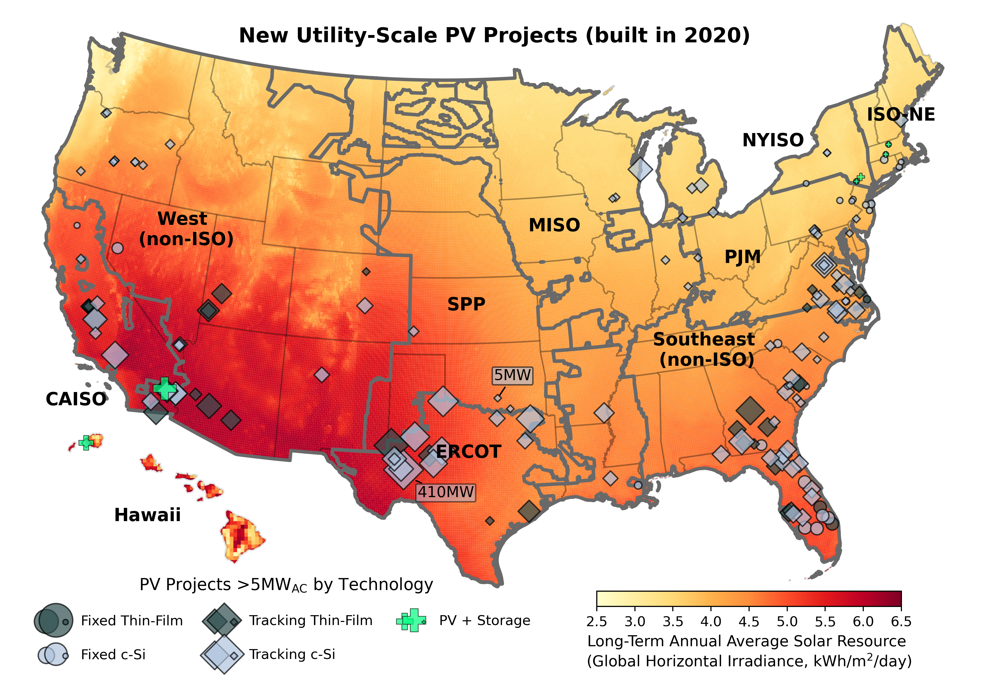
Annual and cumulative utility-scale PV capacity by region

 |  |  |  |  |  |  |  |  |  |  | CAISO | ERCOT
 | 79 | 14 |  |  |  |  | 23 |  | 65 | 69 | 48 | 14
 | 174 | 44 |  |  |  | 32 | 97 | 50 | 71 | 268 | 95 | 30
 | 599 | 74 | 6 |  |  | 32 | 204 | 50 | 111 | 620 | 425 | 30
 | 1,500 | 125 | 6 |  | 39 | 32 | 222 | 50 | 154 | 914 | 900 | 51
 | 4,176 | 165 | 18 | 20 | 56 | 32 | 324 | 50 | 216 | 1,169 | 2,676 | 40
 | 5,513 | 295 | 40 | 20 | 76 | 32 | 570 | 50 | 631 | 1,884 | 1,337 | 130
 | 8,610 | 559 | 46 | 47 | 187 | 41 | 939 | 215 | 1,966 | 3,932 | 3,097 | 264
 | 9,139 | 1,220 | 92 | 74 | 460 | 56 | 1,412 | 234 | 3,167 | 4,768 | 529 | 661
 | 9,975 | 1,866 | 112 | 139 | 571 | 89 | 1,773 | 252 | 4,544 | 5,262 | 836 | 646
 | 10,954 | 2,363 | 241 | 235 | 585 | 154 | 2,243 | 268 | 6,092 | 6,018 | 979 | 498
 | 12,709 | 4,859 | 255 | 332 | 1,026 | 176 | 3,361 | 298 | 8,898 | 6,833 | 1,755 | 2,495

Sources: Berkeley Lab: Capacity Information, NREL: Long-Term Annual Average Solar Resource

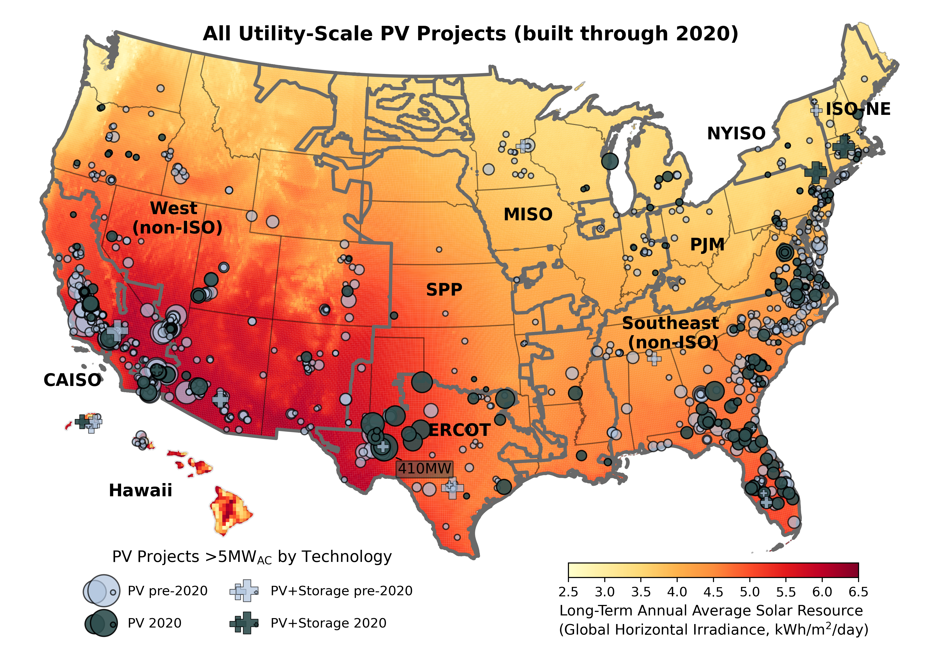
 | Annual Capacity Additions (MWAC) |  |  |  |  |  |  |  |  |  | State-level Statistics (MWAC)
Solar COD | CAISO | ERCOT | HI | ISO-NE | MISO | NYISO | PJM | SPP | Southeast (non-ISO) | West (non-ISO) | State | Cumulative Capacity | 2020 Annual Capacity | 2020 Annual New Project Count
2007 |  |  |  |  |  |  |  |  |  | 19 | CA | 12,332 | 1,610 | 19
2008 | 10 |  |  |  |  |  |  |  |  |  | TX | 4,869 | 2,495 | 16
2009 | 21 |  |  |  |  |  |  |  | 25 |  | FL | 3,719 | 1,639 | 22
2010 | 48 | 14 |  |  |  |  | 23 |  | 40 | 50 | NC | 2,703 | 361 | 9
2011 | 95 | 30 |  |  |  | 32 | 74 | 50 | 6 | 200 | NV | 2,276 | 155 | 4
2012 | 425 | 30 | 6 |  |  |  | 107 |  | 40 | 352 | GA | 2,087 | 687 | 8
2013 | 900 | 51 |  |  | 39 |  | 17 |  | 44 | 293 | AZ | 1,980 | 291 | 3
2014 | 2,676 | 40 | 12 | 20 | 17 |  | 102 |  | 62 | 255 | VA | 1,279 | 651 | 13
2015 | 1,337 | 130 | 22 |  | 20 |  | 246 |  | 415 | 715 | UT | 1,147 | 279 | 3
2016 | 3,097 | 264 | 7 | 27 | 111 | 10 | 369 | 165 | 1,335 | 2,048 | SC | 997 | 416 | 11
2017 | 529 | 661 | 46 | 27 | 273 | 15 | 473 | 19 | 1,201 | 836 | NM | 665 | 55 | 1
2018 | 836 | 646 | 20 | 65 | 112 | 33 | 361 | 18 | 1,377 | 495 | CO | 548 | 66 | 2
2019 | 979 | 498 | 129 | 97 | 13 | 65 | 470 | 16 | 1,548 | 755 | NJ | 471 | 66 | 6
2020 | 1,755 | 2,495 | 14 | 96 | 441 | 22 | 1,118 | 30 | 2,806 | 816 | OR | 446 | 115 | 11
 |  |  |  |  |  |  |  |  |  |  | MN | 263
 | Cumulative Capacity (MWAC) |  |  |  |  |  |  |  |  |  | HI | 255 | 14 | 1
Solar COD | CAISO | ERCOT | HI | ISO-NE | MISO | NYISO | PJM | SPP | Southeast (non-ISO) | West (non-ISO) | ID | 240
2007 |  |  |  |  |  |  |  |  |  | 19 | MD | 219 | 16 | 2
2008 | 10 |  |  |  |  |  |  |  |  | 19 | MS | 207
2009 | 31 |  |  |  |  |  |  |  | 25 | 19 | AR | 204 | 100 | 1
2010 | 79 | 14 |  |  |  |  | 23 |  | 65 | 69 | AL | 198
2011 | 174 | 44 |  |  |  | 32 | 97 | 50 | 71 | 268 | MI | 177 | 105 | 4
2012 | 599 | 74 | 6 |  |  | 32 | 204 | 50 | 111 | 620 | NY | 176 | 22 | 4
2013 | 1,500 | 125 | 6 |  | 39 | 32 | 222 | 50 | 154 | 914 | IN | 173 | 24 | 3
2014 | 4,176 | 165 | 18 | 20 | 56 | 32 | 324 | 50 | 216 | 1,169 | WI | 164 | 164 | 3
2015 | 5,513 | 295 | 40 | 20 | 76 | 32 | 570 | 50 | 631 | 1,884 | TN | 162
2016 | 8,610 | 559 | 46 | 47 | 187 | 41 | 939 | 215 | 1,966 | 3,932 | MA | 89 | 10 | 2
2017 | 9,139 | 1,220 | 92 | 74 | 460 | 56 | 1,412 | 234 | 3,167 | 4,768 | PA | 89 | 65 | 4
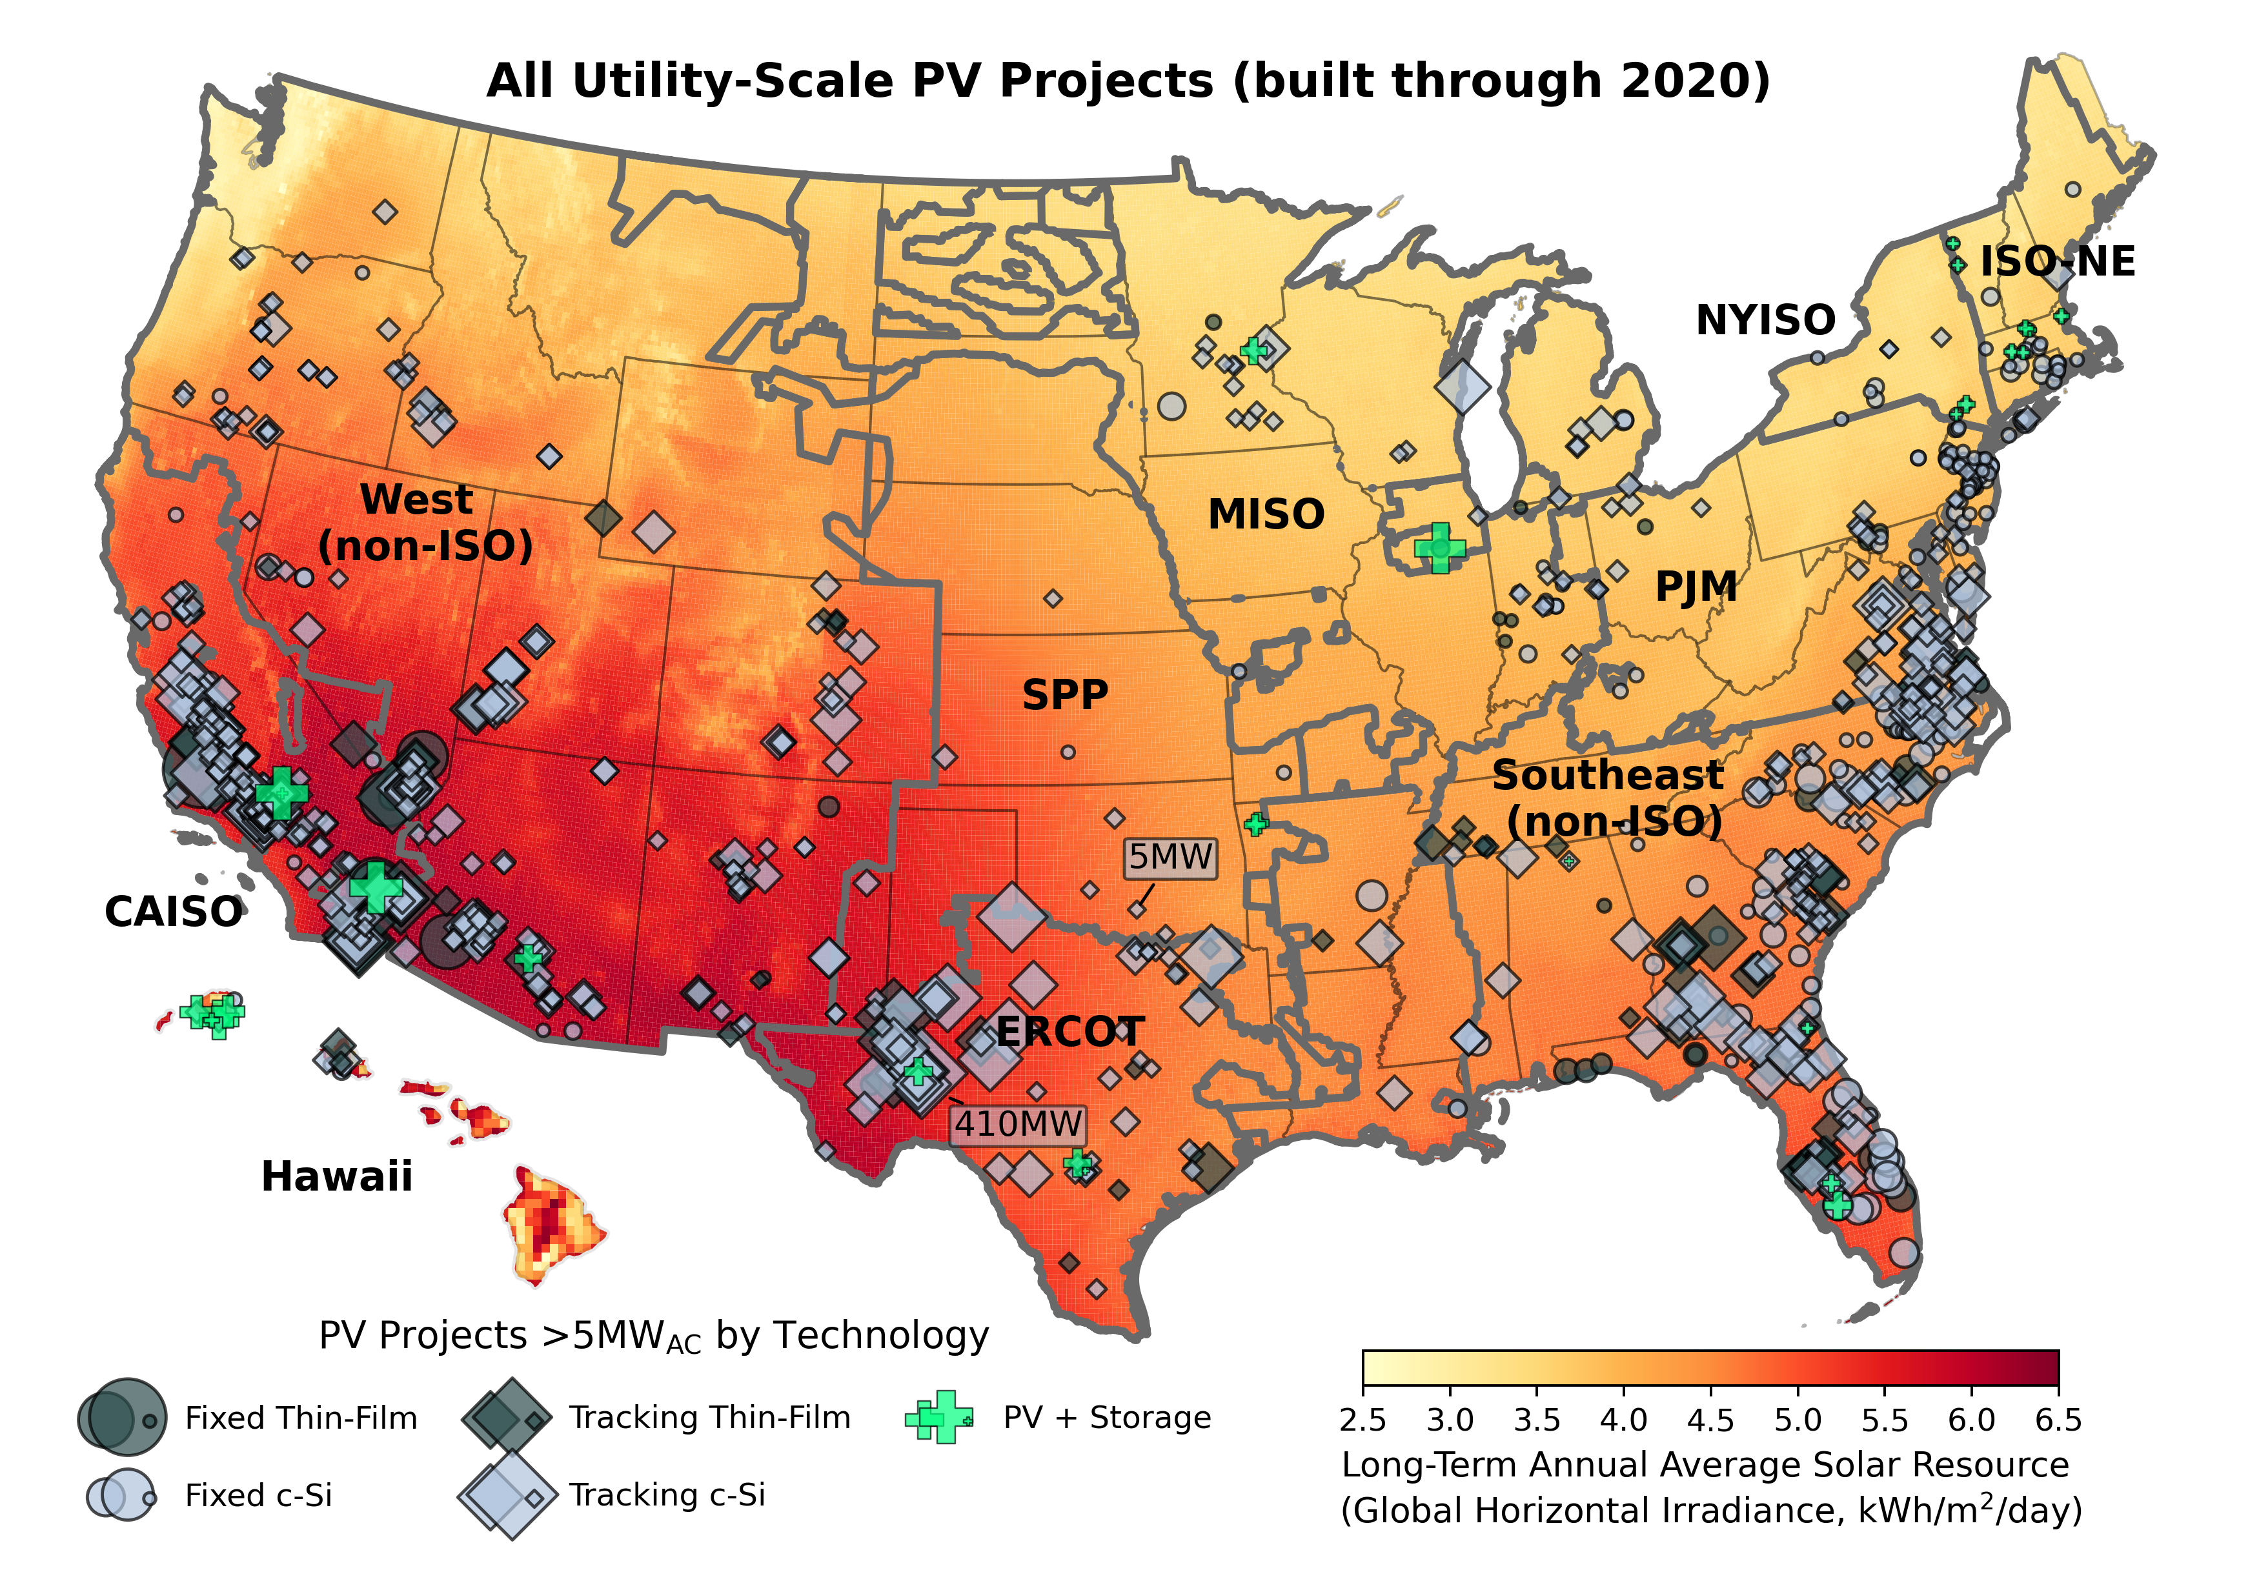
2018 | 9,975 | 1,866 | 112 | 139 | 571 | 89 | 1,773 | 252 | 4,544 | 5,262 | CT | 86 | 20 | 1
2019 | 10,954 | 2,363 | 241 | 235 | 585 | 154 | 2,243 | 268 | 6,092 | 6,018 | WY | 80
2020 | 12,709 | 4,859 | 255 | 332 | 1,026 | 176 | 3,361 | 298 | 8,898 | 6,833 | LA | 70 | 70 | 2
 |  |  |  |  |  |  |  |  |  |  | RI | 67 | 17 | 2
 | Annual New Project Count |  |  |  |  |  |  |  |  |  | ME | 59 | 49 | 1
Solar COD | CAISO | ERCOT | HI | ISO-NE | MISO | NYISO | PJM | SPP | Southeast (non-ISO) | West (non-ISO) | OH | 57
2007 |  |  |  |  |  |  |  |  |  | 2 | VT | 30
2008 | 1 |  |  |  |  |  |  |  |  |  | IL | 28
2009 | 1 |  |  |  |  |  |  |  | 1 |  | KS | 26 | 20 | 1
2010 | 1 | 1 |  |  |  |  | 3 |  | 3 | 2 | OK | 25 | 10 | 2
2011 | 6 | 1 |  |  |  | 1 | 7 | 5 | 1 | 14 | DE | 22
2012 | 10 | 3 | 1 |  |  |  | 9 |  | 3 | 18 | WA | 19
2013 | 16 | 2 |  |  | 4 |  | 2 |  | 3 | 11 | KY | 19
2014 | 32 | 1 | 1 | 2 | 2 |  | 9 |  | 3 | 15 | MO | 16
2015 | 34 | 3 | 2 |  | 3 |  | 13 |  | 16 | 18 | NE | 6
2016 | 45 | 2 | 1 | 2 | 3 | 1 | 23 | 3 | 30 | 42
2017 | 24 | 15 | 3 | 4 | 17 | 2 | 23 | 3 | 47 | 28
2018 | 7 | 10 | 1 | 4 | 4 | 2 | 15 | 2 | 29 | 22
2019 | 11 | 9 | 4 | 8 | 2 | 5 | 18 | 3 | 26 | 22
2020 | 19 | 16 | 1 | 6 | 11 | 4 | 33 | 3 | 44 | 24

 | Cumulative Project Count
Solar COD | CAISO | ERCOT | HI | ISO-NE | MISO | NYISO | PJM | SPP | Southeast (non-ISO) | West (non-ISO)
2007 |  |  |  |  |  |  |  |  |  | 2
2008 | 1 |  |  |  |  |  |  |  |  | 2
2009 | 2 |  |  |  |  |  |  |  | 1 | 2
2010 | 3 | 1 |  |  |  |  | 3 |  | 4 | 4
2011 | 9 | 2 |  |  |  | 1 | 10 | 5 | 5 | 18
2012 | 19 | 5 | 1 |  |  | 1 | 19 | 5 | 8 | 36
2013 | 35 | 7 | 1 |  | 4 | 1 | 21 | 5 | 11 | 47
2014 | 67 | 8 | 2 | 2 | 6 | 1 | 30 | 5 | 14 | 62
2015 | 101 | 11 | 4 | 2 | 9 | 1 | 43 | 5 | 30 | 80
2016 | 146 | 13 | 5 | 4 | 12 | 2 | 66 | 8 | 60 | 122
2017 | 170 | 28 | 8 | 8 | 29 | 4 | 89 | 11 | 107 | 150
2018 | 177 | 38 | 9 | 12 | 33 | 6 | 104 | 13 | 136 | 172
2019 | 188 | 47 | 13 | 20 | 35 | 11 | 122 | 16 | 162 | 194
2020 | 207 | 63 | 14 | 26 | 46 | 15 | 155 | 19 | 206 | 218

PV Capacity by Technology
Annual and cumulative utility-scale PV capacity by module and/or mounting type
 |  |  |  |  |  |  |  |  | Fixed-Tilt c-Si |  | Fixed-Tilt Thin-Film |  | Tracking c-Si |  | Tracking Thin-Film
2010 | 0.02 | 2010 | 0.15 | 2010 | 0.08 | 2010 |  | 2010 | 0.02 | 2010 | 0.12 | 2010 | 0.04 | 2010
2011 | 0.15 | 2011 | 0.24 | 2011 | 0.31 | 2011 | 0.02 | 2011 | 0.14 | 2011 | 0.10 | 2011 | 0.23 | 2011 | 0.02
2012 | 0.50 | 2012 | 0.44 | 2012 | 0.66 | 2012 | 0.05 | 2012 | 0.35 | 2012 | 0.20 | 2012 | 0.35 | 2012 | 0.03
2013 | 0.61 | 2013 | 0.94 | 2013 | 1.40 | 2013 | 0.05 | 2013 | 0.11 | 2013 | 0.50 | 2013 | 0.74 | 2013
2014 | 0.82 | 2014 | 2.62 | 2014 | 2.14 | 2014 | 0.58 | 2014 | 0.20 | 2014 | 1.68 | 2014 | 0.75 | 2014 | 0.53
2015 | 1.48 | 2015 | 2.83 | 2015 | 3.80 | 2015 | 0.92 | 2015 | 0.67 | 2015 | 0.21 | 2015 | 1.66 | 2015 | 0.34
2016 | 2.41 | 2016 | 3.45 | 2016 | 8.58 | 2016 | 2.02 | 2016 | 0.92 | 2016 | 0.62 | 2016 | 4.78 | 2016 | 1.11
2017 | 3.03 | 2017 | 3.71 | 2017 | 11.12 | 2017 | 2.68 | 2017 | 0.62 | 2017 | 0.26 | 2017 | 2.54 | 2017 | 0.65
2018 | 4.26 | 2018 | 3.76 | 2018 | 12.87 | 2018 | 3.62 | 2018 | 1.22 | 2018 | 0.05 | 2018 | 1.75 | 2018 | 0.94
2019 | 4.79 | 2019 | 3.80 | 2019 | 15.28 | 2019 | 5.21 | 2019 | 0.53 | 2019 | 0.04 | 2019 | 2.40 | 2019 | 1.60
 | 5.54 |  | 4.04 |  | 21.24 |  | 7.77 | 2020 | 0.76 | 2020 | 0.24 | 2020 | 5.96 | 2020 | 2.55

Sources: Berkeley Lab
Installation Year | Tracking c-Si |  |  |  | Fixed-Tilt c-Si |  |  |  | Tracking Thin-Film |  |  |  | Fixed-Tilt Thin-Film |  |  |  | Total Tracking |  |  |  | Total Fixed-Tilt |  |  |  | Total c-Si |  |  |  | Total Thin-Film
 | Annual Project Count | Cumulative Project Count | Annual Capacity GWAC | Cumulative Capacity GWAC | Annual Project Count | Cumulative Project Count | Annual Capacity GWAC | Cumulative Capacity GWAC | Annual Project Count | Cumulative Project Count | Annual Capacity GWAC | Cumulative Capacity GWAC | Annual Project Count | Cumulative Project Count | Annual Capacity GWAC | Cumulative Capacity GWAC | Annual Project Count | Cumulative Project Count | Annual Capacity GWAC | Cumulative Capacity GWAC | Annual Project Count | Cumulative Project Count | Annual Capacity GWAC | Cumulative Capacity GWAC | Annual Project Count | Cumulative Project Count | Annual Capacity GWAC | Cumulative Capacity GWAC | Annual Project Count | Cumulative Project Count | Annual Capacity GWAC | Cumulative Capacity GWAC
2007 | 1 | 1 | 0.01 | 0.01 |  |  |  |  |  |  |  |  |  |  |  |  | 1 | 1 | 0.01 | 0.01 |  |  |  |  | 1 | 1 | 0.01 | 0.01 | 0 | 0 | 0.00 | 0.00
2008 |  | 1 |  | 0.01 |  |  |  |  |  |  |  |  | 1 | 1 | 0.01 | 0.01 |  | 1 |  | 0.01 | 1 | 1 | 0.01 | 0.01 | 0 | 1 | 0.00 | 0.01 | 1 | 1 | 0.01 | 0.01
2009 | 1 | 2 | 0.02 | 0.04 |  |  |  |  |  |  |  |  | 1 | 2 | 0.02 | 0.03 | 1 | 2 | 0.02 | 0.04 | 1 | 2 | 0.02 | 0.03 | 1 | 2 | 0.02 | 0.04 | 1 | 2 | 0.02 | 0.03
2010 | 3 | 5 | 0.04 | 0.08 | 2 | 2 | 0.02 | 0.02 |  |  |  |  | 5 | 7 | 0.12 | 0.15 | 3 | 5 | 0.04 | 0.08 | 7 | 9 | 0.13 | 0.16 | 5 | 7 | 0.06 | 0.10 | 5 | 7 | 0.12 | 0.15
2011 | 17 | 22 | 0.23 | 0.31 | 9 | 11 | 0.14 | 0.15 | 1 | 1 | 0.02 | 0.02 | 7 | 14 | 0.10 | 0.24 | 18 | 23 | 0.25 | 0.33 | 16 | 25 | 0.23 | 0.39 | 26 | 33 | 0.37 | 0.46 | 8 | 15 | 0.12 | 0.26
2012 | 21 | 43 | 0.35 | 0.66 | 15 | 26 | 0.35 | 0.50 | 1 | 2 | 0.03 | 0.05 | 6 | 20 | 0.20 | 0.44 | 22 | 45 | 0.38 | 0.71 | 21 | 46 | 0.55 | 0.95 | 36 | 69 | 0.70 | 1.16 | 7 | 22 | 0.23 | 0.49
2013 | 20 | 63 | 0.74 | 1.40 | 10 | 36 | 0.11 | 0.61 |  | 2 |  | 0.05 | 8 | 28 | 0.50 | 0.94 | 20 | 65 | 0.74 | 1.44 | 18 | 64 | 0.61 | 1.55 | 30 | 99 | 0.85 | 2.01 | 8 | 30 | 0.50 | 0.99
2014 | 29 | 92 | 0.75 | 2.14 | 18 | 54 | 0.20 | 0.82 | 11 | 13 | 0.53 | 0.58 | 5 | 33 | 1.68 | 2.62 | 40 | 105 | 1.28 | 2.72 | 23 | 87 | 1.88 | 3.44 | 47 | 146 | 0.95 | 2.96 | 16 | 46 | 2.21 | 3.20
2015 | 43 | 135 | 1.66 | 3.80 | 26 | 80 | 0.67 | 1.48 | 12 | 25 | 0.34 | 0.92 | 7 | 40 | 0.21 | 2.83 | 55 | 160 | 1.99 | 4.72 | 33 | 120 | 0.87 | 4.31 | 69 | 215 | 2.33 | 5.28 | 19 | 65 | 0.55 | 3.75
2016 | 93 | 228 | 4.78 | 8.58 | 38 | 118 | 0.92 | 2.41 | 15 | 40 | 1.11 | 2.02 | 6 | 46 | 0.62 | 3.45 | 108 | 268 | 5.89 | 10.61 | 44 | 164 | 1.54 | 5.86 | 131 | 346 | 5.70 | 10.99 | 21 | 86 | 1.73 | 5.47
2017 | 105 | 333 | 2.54 | 11.12 | 36 | 154 | 0.62 | 3.03 | 16 | 56 | 0.65 | 2.68 | 9 | 55 | 0.26 | 3.71 | 121 | 389 | 3.20 | 13.80 | 45 | 209 | 0.88 | 6.74 | 141 | 487 | 3.16 | 14.15 | 25 | 111 | 0.91 | 6.39
2018 | 41 | 374 | 1.75 | 12.87 | 33 | 187 | 1.22 | 4.26 | 21 | 77 | 0.94 | 3.62 | 1 | 56 | 0.05 | 3.76 | 62 | 451 | 2.69 | 16.49 | 34 | 243 | 1.27 | 8.01 | 74 | 561 | 2.97 | 17.13 | 22 | 133 | 0.99 | 7.38
2019 | 61 | 435 | 2.40 | 15.28 | 25 | 212 | 0.53 | 4.79 | 21 | 98 | 1.60 | 5.21 | 1 | 57 | 0.04 | 3.80 | 82 | 533 | 4.00 | 20.49 | 26 | 269 | 0.57 | 8.58 | 86 | 647 | 2.93 | 20.07 | 22 | 155 | 1.64 | 9.01
2020 | 97 | 532 | 5.96 | 21.24 | 26 | 238 | 0.76 | 5.54 | 33 | 131 | 2.55 | 7.77 | 4 | 61 | 0.24 | 4.04 | 130 | 663 | 8.52 | 29.00 | 30 | 299 | 1.00 | 9.58 | 123 | 770 | 6.72 | 26.78 | 37 | 192 | 2.79 | 11.81

PV Irradiance
Global horizontal irradiance by mounting type and installation year
 |  |  |  |  |  |  |  |  |  | Graph Support | Fixed-Tilt | Tracking | x-Axis | Fixed Tilt 20th Perc Error | Fixed Tilt 80th Perc Error | Tracking 20th Perc Error | Tracking 80th Perc Error
 |  |  |  |  |  |  |  |  |  | 2010 | 0.55 | 1.3 | 2010 n=10 0.2 GW | 0.62 | 0.5 | 0.35 | 0.53
 |  |  |  |  |  |  |  |  |  | 2011 | 2.55 | 3.3 | 2011 n=35 0.5 GW | 1.32 | 0.04 | 0.72 | 0.2
 |  |  |  |  |  |  |  |  |  | 2012 | 4.55 | 5.3 | 2012 n=44 1.0 GW | 1.23 | 0.25 | 0.44 | 0.45
 |  |  |  |  |  |  |  |  |  | 2013 | 6.55 | 7.3 | 2013 n=38 1.3 GW | 1.31 | 0.33 | 0.49 | 0.05
 |  |  |  |  |  |  |  |  |  | 2014 | 8.55 | 9.3 | 2014 n=65 3.2 GW | 0.4 | 1.34 | 0.31 | 0.15
 |  |  |  |  |  |  |  |  |  | 2015 | 10.55 | 11.3 | 2015 n=89 2.9 GW | 0.29 | 0.98 | 0.47 | 0.41
 |  |  |  |  |  |  |  |  |  | 2016 | 12.55 | 13.3 | 2016 n=152 7.4 GW | 0.48 | 0.34 | 0.75 | 0.45
 |  |  |  |  |  |  |  |  |  | 2017 | 14.55 | 15.3 | 2017 n=166 4.1 GW | 0.49 | 0.23 | 0.28 | 0.8
 |  |  |  |  |  |  |  |  |  | 2018 | 16.55 | 17.3 | 2018 n=96 4. GW | 0.48 | 0.49 | 0.3 | 0.91
 |  |  |  |  |  |  |  |  |  | 2019 | 18.55 | 19.3 | 2019 n=108 4.6 GW | 0.12 | 0.84 | 0.4 | 0.59
 |  |  |  |  |  |  |  |  |  | 2020 | 20.55 | 21.3 | 2020 n=161 9.6 GW | 0.59 | 0.48 | 0.4 | 0.63

Sources: Berkeley Lab: Project Information, NREL: Long-Term Annual Average Solar Resource

 |  |  | Long-Term Average Global Horizontal Irradiance (kWh/m2/day)
Installation Year | All Count | All Capacity MWAC | All Median | All 20th Percentile | All 80th Percentile | Fixed Tilt Median | Fixed Tilt 20th Percentile | Fixed Tilt 80th Percentile | Tracking Median | Tracking 20th Percentile | Tracking 80th Percentile
2007 | 2 | 19 | 5.5 | 5.42 | 5.57 |  |  |  | 5.62 | 5.62 | 5.62
2008 | 1 | 10 | 5.66 | 5.66 | 5.66 | 5.66 | 5.66 | 5.66
2009 | 2 | 46 | 5.36 | 5.17 | 5.55 | 5.68 | 5.68 | 5.68 | 5.04 | 5.04 | 5.04
2010 | 10 | 175 | 4.76 | 4 | 5.36 | 4.79 | 4.16 | 5.29 | 4.48 | 4.13 | 5.02
2011 | 35 | 485 | 5.35 | 4.15 | 5.65 | 5.32 | 4 | 5.36 | 5.58 | 4.86 | 5.78
2012 | 44 | 961 | 5.32 | 4.28 | 5.79 | 5.27 | 4.04 | 5.51 | 5.34 | 4.9 | 5.8
2013 | 38 | 1,344 | 5.62 | 4.72 | 5.82 | 5.35 | 4.03 | 5.68 | 5.8 | 5.31 | 5.85
2014 | 65 | 3,184 | 5.55 | 4.43 | 5.84 | 4.37 | 3.98 | 5.71 | 5.69 | 5.38 | 5.84
2015 | 89 | 2,887 | 5.28 | 4.43 | 5.64 | 4.48 | 4.19 | 5.47 | 5.36 | 4.89 | 5.78
2016 | 152 | 7,431 | 5.06 | 4.41 | 5.76 | 4.45 | 3.97 | 4.79 | 5.33 | 4.58 | 5.78
2017 | 166 | 4,079 | 4.63 | 4.26 | 5.37 | 4.44 | 3.95 | 4.68 | 4.68 | 4.4 | 5.48
2018 | 96 | 3,962 | 4.63 | 4.24 | 5.3 | 4.43 | 3.95 | 4.92 | 4.69 | 4.39 | 5.6
2019 | 108 | 4,570 | 4.74 | 4 | 5.44 | 3.93 | 3.81 | 4.77 | 4.89 | 4.5 | 5.48
2020 | 161 | 9,593 | 4.65 | 4.11 | 5.28 | 4.47 | 3.88 | 4.95 | 4.72 | 4.32 | 5.35
Total | 969 | 38,745

PV ILR
Inverter loading ratio by mounting type and installation year
 |  |  |  |  |  |  |  |  |  | Graph Support | Fixed-Tilt | Tracking | x-Axis | Fixed Tilt 20th Perc Error | Fixed Tilt 80th Perc Error | Tracking 20th Perc Error | Tracking 80th Perc Error
 |  |  |  |  |  |  |  |  |  | 2010 | 0.55 | 1.3 | 2010 n=10 0.2 GW | 0 | 0.01 | 0.08 | 0.04
 |  |  |  |  |  |  |  |  |  | 2011 | 2.55 | 3.3 | 2011 n=35 0.5 GW | 0.06 | 0.05 | 0.06 | 0.07
 |  |  |  |  |  |  |  |  |  | 2012 | 4.55 | 5.3 | 2012 n=44 1.0 GW | 0.05 | 0.05 | 0.09 | 0.06
 |  |  |  |  |  |  |  |  |  | 2013 | 6.55 | 7.3 | 2013 n=38 1.3 GW | 0.03 | 0.08 | 0.03 | 0.07
 |  |  |  |  |  |  |  |  |  | 2014 | 8.55 | 9.3 | 2014 n=65 3.2 GW | 0.06 | 0.06 | 0.05 | 0.07
 |  |  |  |  |  |  |  |  |  | 2015 | 10.55 | 11.3 | 2015 n=89 2.9 GW | 0.04 | 0.08 | 0.06 | 0.07
 |  |  |  |  |  |  |  |  |  | 2016 | 12.55 | 13.3 | 2016 n=150 7.4 GW | 0.08 | 0.12 | 0.06 | 0.05
 |  |  |  |  |  |  |  |  |  | 2017 | 14.55 | 15.3 | 2017 n=166 4.1 GW | 0.06 | 0.13 | 0.08 | 0.08
 |  |  |  |  |  |  |  |  |  | 2018 | 16.55 | 17.3 | 2018 n=96 4. GW | 0.12 | 0.14 | 0.06 | 0.11
 |  |  |  |  |  |  |  |  |  | 2019 | 18.55 | 19.3 | 2019 n=108 4.6 GW | 0.06 | 0.18 | 0.12 | 0.1
 |  |  |  |  |  |  |  |  |  | 2020 | 20.55 | 21.3 | 2020 n=161 9.6 GW | 0.1 | 0.11 | 0.08 | 0.1

Sources: Berkeley Lab
Notes: The Inverter Loading Ratio describes the ratio of project capacity measured in MWDC at the inverter to the nominal inverter capacity measured in MWAC
 |  |  | Inverter Loading Ratio
Installation Year | All Count | All Capacity MWAC | All Median | All 20th Percentile | All 80th Percentile | Fixed Tilt Median | Fixed Tilt 20th Percentile | Fixed Tilt 80th Percentile | Tracking Median | Tracking 20th Percentile | Tracking 80th Percentile
2007 | 2 | 19 | 1.18 | 1.18 | 1.19 |  |  |  | 1.17 | 1.17 | 1.17
2008 | 1 | 10 | 1.21 | 1.21 | 1.21 | 1.21 | 1.21 | 1.21
2009 | 2 | 46 | 1.15 | 1.12 | 1.18 | 1.2 | 1.2 | 1.2 | 1.1 | 1.1 | 1.1
2010 | 10 | 175 | 1.2 | 1.17 | 1.22 | 1.19 | 1.19 | 1.21 | 1.21 | 1.13 | 1.25
2011 | 35 | 485 | 1.18 | 1.11 | 1.25 | 1.23 | 1.17 | 1.28 | 1.15 | 1.09 | 1.22
2012 | 44 | 961 | 1.24 | 1.16 | 1.29 | 1.24 | 1.2 | 1.29 | 1.22 | 1.13 | 1.29
2013 | 38 | 1,344 | 1.29 | 1.25 | 1.36 | 1.3 | 1.26 | 1.37 | 1.29 | 1.25 | 1.35
2014 | 65 | 3,184 | 1.28 | 1.22 | 1.34 | 1.26 | 1.2 | 1.33 | 1.29 | 1.24 | 1.36
2015 | 89 | 2,887 | 1.3 | 1.24 | 1.38 | 1.3 | 1.26 | 1.38 | 1.29 | 1.23 | 1.36
2016 | 150 | 7,370 | 1.31 | 1.25 | 1.37 | 1.3 | 1.23 | 1.43 | 1.31 | 1.25 | 1.35
2017 | 166 | 4,079 | 1.33 | 1.24 | 1.41 | 1.27 | 1.21 | 1.4 | 1.33 | 1.25 | 1.42
2018 | 96 | 3,962 | 1.33 | 1.26 | 1.46 | 1.38 | 1.26 | 1.52 | 1.32 | 1.26 | 1.43
2019 | 108 | 4,570 | 1.32 | 1.2 | 1.43 | 1.32 | 1.26 | 1.5 | 1.32 | 1.19 | 1.41
2020 | 161 | 9,593 | 1.34 | 1.26 | 1.44 | 1.34 | 1.24 | 1.45 | 1.34 | 1.26 | 1.43
Total | 967 | 38,685

CapEx Trend (PV-only)
Installed Costs by year (in both DC and AC terms)

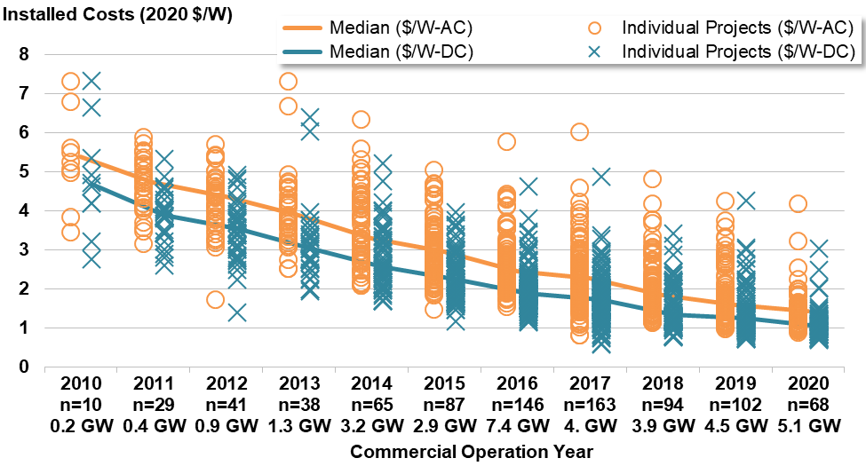

Sources: Berkeley Lab, Energy Information Administration

Installed Costs 2020 $/WAC
Commercial Operation Year | All Count | All Capacity (MWAC) | All Median | All 20th Percentile | All 80th Percentile
2007 | 2 | 19 | 10.46 | 10.33 | 10.59
2008 | 1 | 10 | 4.82 | 4.82 | 4.82
2009 | 2 | 46 | 5.19 | 4.14 | 6.25
2010 | 10 | 175 | 5.38 | 4.77 | 6.9 |  | geometric average
2011 | 29 | 428 | 4.72 | 4.08 | 5.33 | 0.87732342007 | -0.12471274078
2012 | 41 | 930 | 4.37 | 3.68 | 4.82 | 0.92584745763 | -0.12471274078
2013 | 38 | 1,344 | 3.89 | 3.35 | 4.6 | 0.89016018307
2014 | 65 | 3,184 | 3.3 | 2.74 | 4.41 | 0.84832904884
2015 | 87 | 2,870 | 2.96 | 2.33 | 3.63 | 0.89696969697
2016 | 146 | 7,379 | 2.45 | 2.12 | 2.89 | 0.8277027027
2017 | 163 | 4,046 | 2.27 | 1.76 | 2.87 | 0.92653061224
2018 | 94 | 3,949 | 1.84 | 1.49 | 2.68 | 0.81057268722
2019 | 102 | 4,519 | 1.58 | 1.27 | 2.27 | 0.85869565217
2020 | 68 | 5,123 | 1.42 | 1.13 | 1.65 | 0.89873417722
Total | 848 | 34,020

Installed Costs 2020 $/WDC
Commercial Operation Year | All Count | All Capacity (MWDC) | All Median | All 20th Percentile | All 80th Percentile
2007 | 2 | 22 | 8.85 | 8.78 | 8.92
2008 | 1 | 12 | 3.97 | 3.97 | 3.97
2009 | 2 | 53 | 4.58 | 3.55 | 5.61
2010 | 10 | 211 | 4.67 | 3.99 | 5.6 |  | geometric average
2011 | 29 | 517 | 3.88 | 3.43 | 4.45 | 0.83083511777 | -0.13863495868
2012 | 41 | 1,181 | 3.54 | 2.85 | 3.91 | 0.91237113402
2013 | 38 | 1,754 | 3.04 | 2.6 | 3.51 | 0.85875706215
2014 | 65 | 4,112 | 2.57 | 2.08 | 3.46 | 0.84539473684
2015 | 87 | 3,728 | 2.25 | 1.75 | 2.89 | 0.87548638132
2016 | 145 | 9,612 | 1.88 | 1.6 | 2.25 | 0.83555555556
2017 | 163 | 5,382 | 1.72 | 1.37 | 2.02 | 0.91489361702
2018 | 94 | 5,382 | 1.35 | 1.13 | 2.07 | 0.78488372093
2019 | 102 | 5,981 | 1.24 | 1.01 | 1.67 | 0.91851851852
2020 | 68 | 6,804 | 1.05 | 0.85 | 1.25 | 0.84677419355
Total | 847 | 44,752

Graph Support | x-Axis | DC-Annual | AC
2010 | 2010 n=10 0.2 GW | 0.7 | 1.3
2011 | 2011 n=29 0.4 GW | 2.7 | 3.3
2012 | 2012 n=41 0.9 GW | 4.7 | 5.3
2013 | 2013 n=38 1.3 GW | 6.7 | 7.3
2014 | 2014 n=65 3.2 GW | 8.7 | 9.3
2015 | 2015 n=87 2.9 GW | 10.7 | 11.3
2016 | 2016 n=146 7.4 GW | 12.7 | 13.3
2017 | 2017 n=163 4. GW | 14.7 | 15.3
2018 | 2018 n=94 3.9 GW | 16.7 | 17.3
2019 | 2019 n=102 4.5 GW | 18.7 | 19.3
2020 | 2020 n=68 5.1 GW | 20.7 | 21.3

CapEx by Size (PV-only)
Installed costs by project size in 2020

 | All PV |  | "x-axis placeholder"
1 | 1.55 | 5-20 MW n=15 162 MW | 1
2 | 1.65 | 20-50 MW n=9 256 MW | 2
3 | 1.35 | 50-100 MW n=32 2303 MW | 3
4 | 1.29 | 100-500 MW n=12 2402 MW | 4
 | All PV |  | "x-axis placeholder"
1 | 1.23 | 5-20 MW n=14 181 MW | 1
2 | 1.05 | 20-50 MW n=8 255 MW | 2
3 | 0.95 | 50-100 MW n=18 1491 MW | 3
4 | 0.98 | 100-500 MW n=28 4877 MW | 4

Sources: Berkeley Lab

 | Installed Costs in $2020/WAC
Project Size Bin | Project Count in 2020 | Project Capacity MWAC | Median | 20th Percentile | 80th Percentile | 20th Error | 80th Error | x-Axis
5-20 MW | 15 | 162 | 1.55 | 1.41 | 1.91 | 0.14 | 0.36 | 5-20 MW n=15 162 MW
20-50 MW | 9 | 256 | 1.65 | 1.38 | 1.97 | 0.27 | 0.32 | 20-50 MW n=9 256 MW
50-100 MW | 32 | 2303.17 | 1.35 | 1.07 | 1.53 | 0.27 | 0.19 | 50-100 MW n=32 2303 MW
100-500 MW | 12 | 2401.6 | 1.29 | 1 | 1.43 | 0.29 | 0.14 | 100-500 MW n=12 2402 MW

 | Installed Costs in $2020/WDC
Project Size Bin | Project Count in 2020 | Project Capacity MWDC | Median | 20th Percentile | 80th Percentile | 20th Error | 80th Error | x-Axis
5-20 MW | 14 | 180.57 | 1.23 | 1.09 | 1.63 | 0.15 | 0.39 | 5-20 MW n=14 181 MW
20-50 MW | 8 | 254.7 | 1.05 | 1.03 | 1.36 | 0.03 | 0.31 | 20-50 MW n=8 255 MW
50-100 MW | 18 | 1491.2 | 0.95 | 0.83 | 1.22 | 0.12 | 0.27 | 50-100 MW n=18 1491 MW
100-500 MW | 28 | 4877.44 | 0.98 | 0.78 | 1.11 | 0.2 | 0.13 | 100-500 MW n=28 4877 MW

CapEx Trend by Mount Type (PV)
Installed costs by mounting type and installation year |  |  |  |  |  |  |  |  |  |  |  |  |  |  |  | $/WAC
 |  |  |  |  |  |  |  |  |  |  |  | Graph Support | Fixed-Tilt | Tracking | x-Axis | Fixed Tilt 20th Perc Error | Fixed Tilt 80th Perc Error | Tracking 20th Perc Error | Tracking 80th Perc Error
 |  |  |  |  |  |  |  |  |  |  |  | 2010 | 0.55 | 1.3 | 2010 n=10 0.2 GW | 0.98 | 0.53 | 0.92 | 1.25
 |  |  |  |  |  |  |  |  |  |  |  | 2011 | 2.55 | 3.3 | 2011 n=29 0.4 GW | 0.77 | 0.56 | 0.48 | 0.62
 |  |  |  |  |  |  |  |  |  |  |  | 2012 | 4.55 | 5.3 | 2012 n=41 0.9 GW | 0.53 | 0.81 | 0.09 | 0.59
 |  |  |  |  |  |  |  |  |  |  |  | 2013 | 6.55 | 7.3 | 2013 n=38 1.3 GW | 0.68 | 0.66 | 0.45 | 0.57
 |  |  |  |  |  |  |  |  |  |  |  | 2014 | 8.55 | 9.3 | 2014 n=65 3.2 GW | 0.53 | 0.9 | 0.67 | 1.06
 |  |  |  |  |  |  |  |  |  |  |  | 2015 | 10.55 | 11.3 | 2015 n=87 2.9 GW | 0.5 | 0.77 | 0.63 | 0.68
 |  |  |  |  |  |  |  |  |  |  |  | 2016 | 12.55 | 13.3 | 2016 n=146 7.4 GW | 0.39 | 1.03 | 0.31 | 0.34
 |  |  |  |  |  |  |  |  |  |  |  | 2017 | 14.55 | 15.3 | 2017 n=163 4.0 GW | 0.41 | 0.4 | 0.56 | 0.64
 |  |  |  |  |  |  |  |  |  |  |  | 2018 | 16.55 | 17.3 | 2018 n=94 3.9 GW | 0.61 | 0.87 | 0.27 | 0.74
 |  |  |  |  |  |  |  |  |  |  |  | 2019 | 18.55 | 19.3 | 2019 n=102 4.5 GW | 0.48 | 1.1 | 0.28 | 0.39
 |  |  |  |  |  |  |  |  |  |  |  | 2020 | 20.55 | 21.3 | 2020 n=68 5.1 GW | 0.12 | 0.35 | 0.21 | 0.24

 |  |  |  |  |  |  |  |  |  |  |  |  |  |  |  | $/WDC
 |  |  |  |  |  |  |  |  |  |  |  |  |  |  | x-Axis | Fixed Tilt 20th Perc Error | Fixed Tilt 80th Perc Error | Tracking 20th Perc Error | Tracking 80th Perc Error
 |  |  |  |  |  |  |  |  |  |  |  |  |  |  | 2010 n=10 0.2 GW | 0.98 | 0.53 | 0.92 | 1.25
 |  |  |  |  |  |  |  |  |  |  |  |  |  |  | 2011 n=29 .5 GW | 0.77 | 0.56 | 0.48 | 0.62
 |  |  |  |  |  |  |  |  |  |  |  |  |  |  | 2012 n=41 1.2 GW | 0.53 | 0.81 | 0.09 | 0.59
Sources: Berkeley Lab, Energy Information Administration |  |  |  |  |  |  |  |  |  |  |  |  |  |  | 2013 n=38 1.8 GW | 0.68 | 0.66 | 0.45 | 0.57
Note: |  |  |  |  |  |  |  |  |  |  |  |  |  |  | 2014 n=65 4.1 GW | 0.53 | 0.9 | 0.67 | 1.06
 |  |  | Installed Costs 2020 $/WAC |  |  |  |  |  |  |  |  |  |  |  | 2015 n=87 3.7 GW | 0.5 | 0.77 | 0.63 | 0.68
Commercial Operation Year | All Count | All Capacity (MWAC) | All Median | All 20th Percentile | All 80th Percentile | Fixed Tilt Median | Fixed Tilt 20th Percentile | Fixed Tilt 80th Percentile | Tracking Median | Tracking 20th Percentile | Tracking 80th Percentile |  |  |  | 2016 n=145 9.6 GW | 0.39 | 1.03 | 0.31 | 0.34
2007 | 2 | 19 | 10.46 | 10.33 | 10.59 |  |  |  | 10.24 | 10.24 | 10.24 |  |  |  | 2017 n=163 5.4 GW | 0.41 | 0.4 | 0.56 | 0.64
2008 | 1 | 10 | 4.82 | 4.82 | 4.82 | 4.82 | 4.82 | 4.82 |  |  |  |  |  |  | 2018 n=94 5.4 GW | 0.61 | 0.87 | 0.27 | 0.74
2009 | 2 | 46 | 5.19 | 4.14 | 6.25 | 3.43 | 3.43 | 3.43 | 6.95 | 6.95 | 6.95 |  |  |  | 2019 n=102 6. GW | 0.48 | 1.1 | 0.28 | 0.39
2010 | 10 | 175 | 5.38 | 4.77 | 6.9 | 5.07 | 4.09 | 5.59 | 6.8 | 5.88 | 8.05 |  |  |  | 2020 n=68 6.8 GW | 0.12 | 0.35 | 0.21 | 0.24
2011 | 29 | 428 | 4.72 | 4.08 | 5.33 | 4.72 | 3.95 | 5.28 | 4.71 | 4.23 | 5.33
2012 | 41 | 930 | 4.37 | 3.68 | 4.82 | 3.82 | 3.3 | 4.64 | 4.45 | 4.36 | 5.04
2013 | 38 | 1,344 | 3.89 | 3.35 | 4.6 | 3.86 | 3.18 | 4.52 | 4.03 | 3.58 | 4.6
2014 | 65 | 3,184 | 3.3 | 2.74 | 4.41 | 3.29 | 2.76 | 4.18 | 3.4 | 2.73 | 4.45
2015 | 87 | 2,870 | 2.96 | 2.33 | 3.63 | 2.64 | 2.14 | 3.42 | 3.08 | 2.45 | 3.76
2016 | 146 | 7,379 | 2.45 | 2.12 | 2.89 | 2.39 | 2.01 | 3.42 | 2.46 | 2.15 | 2.81
2017 | 163 | 4,046 | 2.27 | 1.76 | 2.87 | 2.27 | 1.86 | 2.67 | 2.27 | 1.71 | 2.91
2018 | 94 | 3,949 | 1.84 | 1.49 | 2.68 | 1.82 | 1.21 | 2.69 | 1.86 | 1.59 | 2.6
2019 | 102 | 4,519 | 1.58 | 1.27 | 2.27 | 1.69 | 1.21 | 2.78 | 1.56 | 1.27 | 1.94
2020 | 68 | 5,123 | 1.42 | 1.13 | 1.65 | 1.22 | 1.1 | 1.57 | 1.42 | 1.21 | 1.65
Total | 848 | 34,020

 |  |  | Installed Costs 2020 $/WDC
Commercial Operation Year | All Count | All Capacity (MWDC) | All Median | All 20th Percentile | All 80th Percentile | Fixed Tilt Median | Fixed Tilt 20th Percentile | Fixed Tilt 80th Percentile | Tracking Median | Tracking 20th Percentile | Tracking 80th Percentile
2007 | 2 | 22 | 8.85 | 8.78 | 8.92 |  |  |  | 8.74 | 8.74 | 8.74
2008 | 1 | 12 | 3.97 | 3.97 | 3.97 | 3.97 | 3.97 | 3.97
2009 | 2 | 53 | 4.58 | 3.55 | 5.61 | 2.86 | 2.86 | 2.86 | 6.29 | 6.29 | 6.29
2010 | 10 | 211 | 4.67 | 3.99 | 5.6 | 4.2 | 3.41 | 4.7 | 5.34 | 5.08 | 6.53
2011 | 29 | 517 | 3.88 | 3.43 | 4.45 | 3.81 | 3.17 | 4.47 | 3.98 | 3.69 | 4.35
2012 | 41 | 1,181 | 3.54 | 2.85 | 3.91 | 3.01 | 2.72 | 3.71 | 3.75 | 3.44 | 4.02
2013 | 38 | 1,754 | 3.04 | 2.6 | 3.51 | 2.92 | 2.33 | 3.44 | 3.09 | 2.75 | 3.53
2014 | 65 | 4,112 | 2.57 | 2.08 | 3.46 | 2.54 | 2.01 | 3.3 | 2.59 | 2.1 | 3.46
2015 | 87 | 3,728 | 2.25 | 1.75 | 2.89 | 1.95 | 1.7 | 2.52 | 2.4 | 1.89 | 2.99
2016 | 145 | 9,612 | 1.88 | 1.6 | 2.25 | 1.85 | 1.51 | 2.65 | 1.88 | 1.64 | 2.21
2017 | 163 | 5,382 | 1.72 | 1.37 | 2.02 | 1.75 | 1.5 | 2.07 | 1.72 | 1.35 | 2.02
2018 | 94 | 5,382 | 1.35 | 1.13 | 2.07 | 1.26 | 0.79 | 2.12 | 1.38 | 1.17 | 2
2019 | 102 | 5,981 | 1.24 | 1.01 | 1.67 | 1.3 | 0.96 | 2.09 | 1.22 | 1.01 | 1.51
2020 | 68 | 6,804 | 1.05 | 0.85 | 1.25 | 0.92 | 0.74 | 1.13 | 1.07 | 0.9 | 1.28
Total | 847 | 44,752

Storage CapEx
Installed Costs of Solar and Battery Projects
Battery Costs in $/kWh terms in the LBNL sample for the years 2018 and 2019 |  |  |  |  |  |  | Battery price adder relative to PV capacity as a function of battery:PV capacity, 2017-2019 |  |  |  |  | Battery cost adder relative to full project costs as a function of battery:PV capacity, 2017-2019 |  |  |  |  | Battery cost adder relative to PV capacity by battery installation year | Battery cost adder relative to full project costs by battery installation year | Combined solar and battery costs relative to PV project capacity by battery installation year
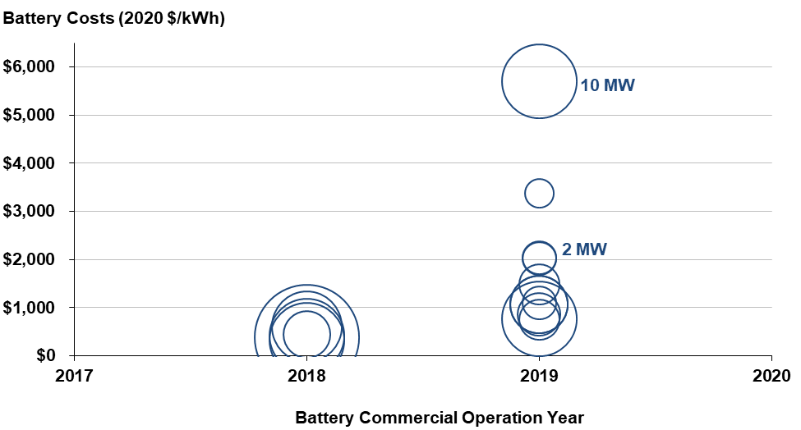
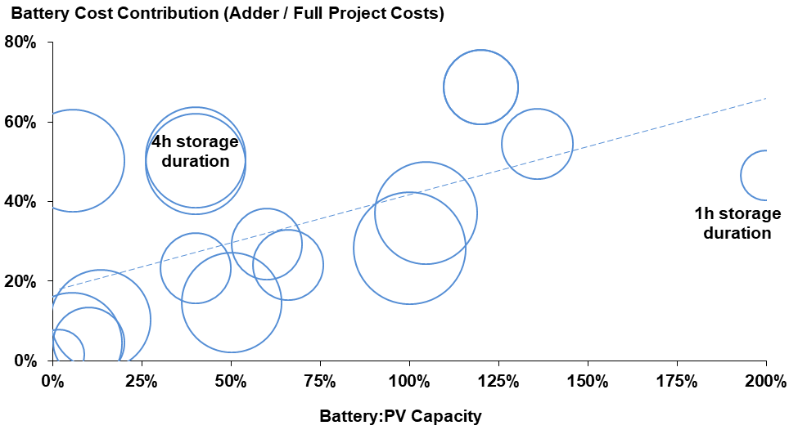
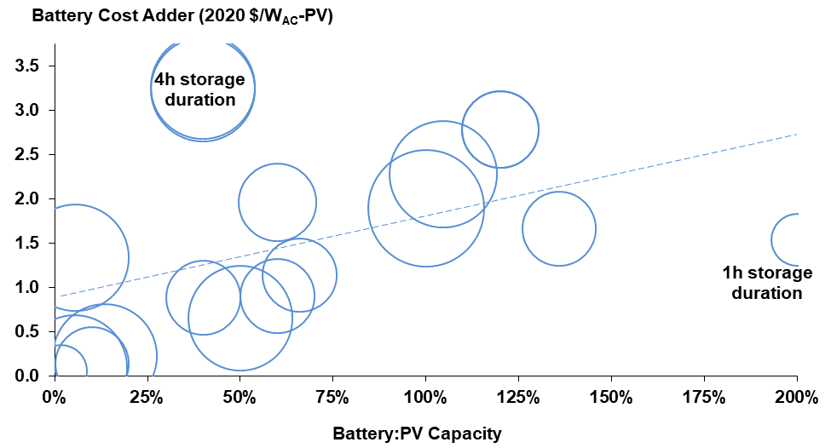
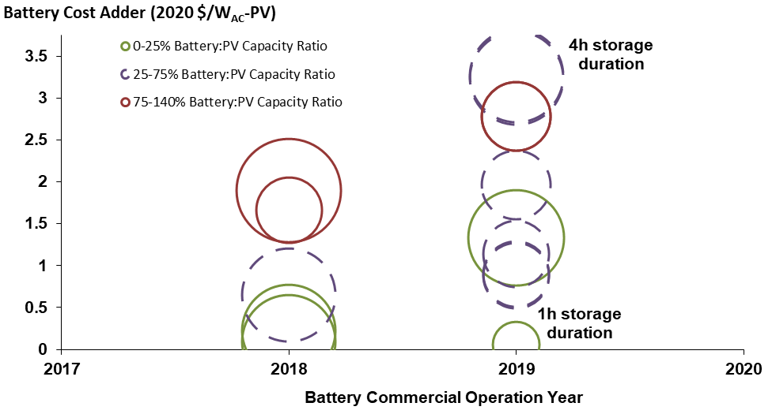
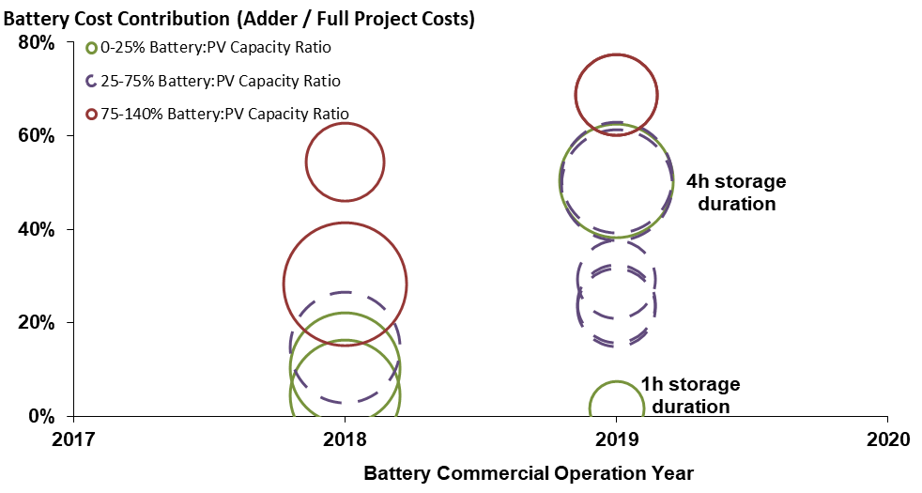
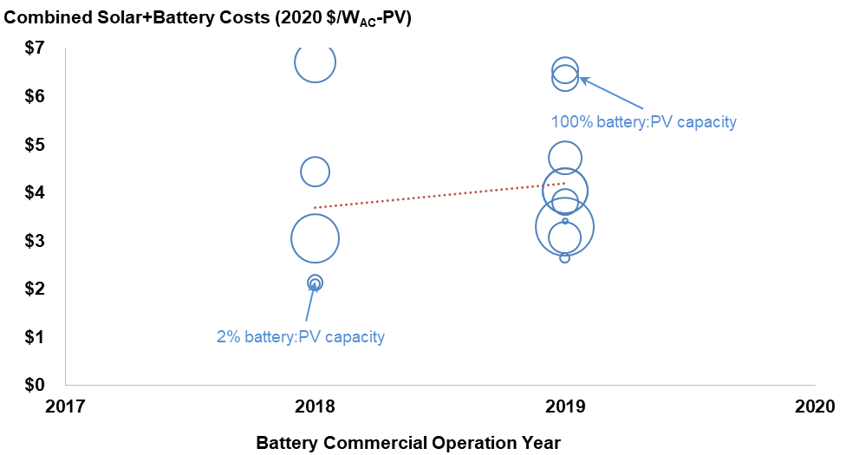

Note: Some of the PV-battery projects are retrofits to earlier PV projects. The solar online date of the 2018 battery projects ranged from 2016 to 2018, while the solar online date of the 2019 battery projects ranged from 2018 to 2019.
Sources: Berkeley Lab (some data points suppressed to protect confidentiality), Energy Information Administration

 | Battery Count | Battery Capacity (MW) | Battery Energy (MWh) | Median Battery Capacity Ratio | Median Battery Duration (h) | Battery Costs ($/kWh) Median | Battery Price ($/kWh) 20th Percentile | Battery Costs ($/kWh) 80th Percentile | Battery Cost Contribution (Adder/Total) Median | Battery Cost Contribution (Adder/Total) 20th Percentile | Battery Price Contribution (Adder/Total) 80th Percentile | Battery Cost Adder ($/WAC-PV) Median | Battery Cost Adder ($/WAC-PV) 20th Percentile | Battery Cost Adder ($/WAC-PV) 80th Percentile | Battery Cost Adder ($/WDC-PV) Median | Battery Cost Adder ($/WDC-PV) 20th Percentile | Battery Cost Adder ($/WDC-PV) 80th Percentile
2018 | 5 | 53 | 214 | 0.50 | 4.00 | $412 | $369 | $473 | 15% | 9% | 33% | $0.65 | $0.20 | $1.71 | $0.42 | $0.12 | $1.26
2019 | 11 | 48.8 | 118.9 | 0.60 | 2.18 | $1,104 | $863 | $2,040 | 48% | 24% | 55% | $1.54 | $0.90 | $2.78 | $1.30 | $0.78 | $2.40
2020 | 0 | 0 | 0
Total | 16 | 101.8 | 332.9

 | Median
 |  | Solar | Adder
2018 | Solar Standalone | $1.84 | #N/A
 | Solar + Battery | $2.01 | $0.65
2019 | Solar Standalone | $1.58 | #N/A
 | Solar + Battery | $2.55 | $1.54
2020 | Solar Standalone | $1.42 | #N/A
 | Solar + Battery | #N/A

 | Average
 |  | Solar | Adder
2018 | Solar Standalone | $2.06 | #N/A
 | Solar + Battery | $2.78 | $0.90
2019 | Solar Standalone | $1.80 | #N/A
 | Solar + Battery | $2.41 | $1.81
2020 | Solar Standalone | $1.49 | #N/A
 | Solar + Battery | #N/A

CSP CapEx
Installed costs of individual CSP projects

Solar Tech Sub | Solar Capacity AC | Solar COD | Solar Costs AC | Core Size |  | PV Median Cost | Bubble Size
Tower | 370 | 2014 | $6.76 | 1 | 2010 | $5.38 | 10
Tower | 110 | 2015 | $9.63 | 1 | 2011 | $4.72 | 10
 |  |  |  |  | 2012 | $4.37 | 10
 |  |  |  |  | 2013 | $3.89 | 10
 |  |  |  |  | 2014 | $3.30 | 10
Solar Tech Sub | Solar Capacity AC | Solar COD | Solar Costs AC | Core Size | 2015 | $2.96 | 10
Trough | 68.5 | 2007 | $4.94 | 1 | 2016 | $2.45 | 10
Trough | 75 | 2010 | $6.27 | 1 | 2017 | $2.27 | 10
Trough | 250 | 2013 | $7.44 | 1 | 2018 | $1.84 | 10
Trough | 250 | 2014 | $5.64 | 1 | 2019 | $1.58 | 10
Trough | 250 | 2014 | $6.75 | 1 | 2020 | $1.42 | 10

O&M Cost Time Trend
PV Operation and Maintenance Costs

Sources: Berkeley Lab, FERC
Note: Included in cost scope are project supervision, engineering, maintenance, rents, and training. Excluded are payments for property taxes, insurance, land royalties, performance bonds, various admnistrative and other fees, and overhead.

 | $2020/kWAC-yr |  |  | $2020/MWh
 | All Mean | Min | Max | All Mean | Min | Max
2011 | 33.38 | 11.07 | 44.53 | 20.72 | 17.02 | 22.57
2012 | 31.90 | 14.54 | 40.91 | 15.33 | 9.58 | 19.50
2013 | 30.52 | 16.62 | 37.82 | 14.86 | 10.73 | 17.13
2014 | 19.54 | 14.90 | 36.56 | 9.02 | 6.32 | 15.30
2015 | 16.87 | 12.87 | 32.53 | 7.95 | 5.46 | 18.48
2016 | 19.08 | 7.50 | 28.65 | 8.77 | 6.88 | 14.92
2017 | 16.66 | 11.46 | 22.42 | 8.74 | 6.58 | 12.74
2018 | 19.17 | 8.34 | 39.83 | 10.89 | 6.91 | 24.12
2019 | 19.21 | 8.18 | 29.54 | 11.55 | 5.87 | 23.87
2020 | 15.83 | 6.47 | 22.09 | 8.56 | 4.15 | 15.49

 |  | Negative Error | Positive Error |  | Negative Error | Positive Error | x-axis
 |  | 22.31 | 11.15 |  | 3.70 | 1.85 | 1.20
 |  | 17.37 | 9.01 |  | 5.75 | 4.17 | 2.20
 |  | 13.90 | 7.30 |  | 4.13 | 2.27 | 3.20
 |  | 4.65 | 17.02 |  | 2.70 | 6.28 | 4.20
 |  | 4.00 | 15.66 |  | 2.49 | 10.53 | 5.20
 |  | 11.58 | 9.56 |  | 1.89 | 6.15 | 6.20
 |  | 5.20 | 5.76 |  | 2.15 | 4.00 | 7.20
 |  | 10.83 | 20.66 |  | 3.98 | 13.22 | 8.20
 |  | 11.03 | 10.33 |  | 5.68 | 12.32 | 9.20
 |  | 9.35 | 6.27 |  | 4.40 | 6.93 | 10.20

CF by GHI, Mount, ILR
Cumulative capacity factor by resource strength, fixed-tilt vs. tracking, and inverter loading ratio

 | Median |  | Individual Project
1 | 16.8% | 1 | 9.2%
2 | 18.2% | 1 | 13.9%
3 | 18.4% | 1 | 14.7%
4 | 19.3% | 1 | 14.9%
1 | 19.0% | 1 | 15.0%
2 | 21.2% | 1 | 15.3%
3 | 21.5% | 1 | 15.3%
4 | 21.6% | 1 | 15.6%
1 | 19.4% | 1 | 15.6%
2 | 19.7% | 1 | 15.7%
3 | 20.4% | 1 | 15.7%
4 | 22.2% | 1 | 15.8%
1 | 21.6% | 1 | 15.8%
2 | 23.0% | 1 | 16.1%
3 | 25.1% | 1 | 16.4%
4 | 23.5% | 1 | 16.5%
1 | 22.1% | 1 | 16.5%
2 | 22.9% | 1 | 16.5%
3 | 22.8% | 1 | 16.5%
4 | 24.2% | 1 | 16.6%
1 | 24.5% | 1 | 16.8%
2 | 27.9% | 1 | 16.9%
3 | 28.6% | 1 | 16.9%
4 | 28.7% | 1 | 17.0%
1 | 21.5% | 1 | 17.0%
2 | 25.3% | 1 | 17.1%
3 | 27.7% | 1 | 17.3%
4 | 27.5% | 1 | 17.4%
1 | 28.1% | 1 | 17.5%
2 | 30.4% | 1 | 17.5%
3 | 31.4% | 1 | 17.7%
4 | 31.9% | 1 | 17.8%
 |  | 1 | 17.8%
 |  | 1 | 18.3%
 |  | 1 | 18.3%
 |  | 1 | 18.4%
 |  | 1 | 18.6%
 |  | 1 | 18.9%
 |  | 1 | 19.0%
 |  | 1 | 19.1%
 |  | 1 | 19.6%
 |  | 1 | 22.3%
 |  | 2 | 12.9%
 |  | 2 | 15.6%
 |  | 2 | 15.9%
 |  | 2 | 16.6%
 |  | 2 | 16.9%
 |  | 2 | 17.0%
 |  | 2 | 17.2%
 |  | 2 | 17.7%
...

Source: EIA, FERC, Berkeley Lab

 |  |  | Median |  |  | Individual Projects
GHI | Mount | DC:AC (ILR) | Capacity | Sample | Sample |  | Capacity
Quartile | Type | Quartile | Factor | Projects | MW | Bin | Factor
1st Quartile GHI | Fixed-Tilt | 1 | 16.8% | 42 | 482 | 1 | 9.2%
 |  | 2 | 18.2% | 26 | 248 | 1 | 13.9%
 |  | 3 | 18.4% | 18 | 290 | 1 | 14.7%
 |  | 4 | 19.3% | 25 | 450 | 1 | 14.9%
 | Tracking | 1 | 19.0% | 14 | 239 | 1 | 15.0%
 |  | 2 | 21.2% | 17 | 221 | 1 | 15.3%
 |  | 3 | 21.5% | 20 | 401 | 1 | 15.3%
 |  | 4 | 21.6% | 26 | 927 | 1 | 15.6%
2nd Quartile GHI | Fixed-Tilt | 1 | 19.4% | 10 | 244 | 1 | 15.6%
 |  | 2 | 19.7% | 14 | 281 | 1 | 15.7%
 |  | 3 | 20.4% | 14 | 535 | 1 | 15.7%
 |  | 4 | 22.2% | 27 | 1,044 | 1 | 15.8%
 | Tracking | 1 | 21.6% | 19 | 531 | 1 | 15.8%
 |  | 2 | 23.0% | 12 | 458 | 1 | 16.1%
 |  | 3 | 25.1% | 38 | 918 | 1 | 16.4%
 |  | 4 | 23.5% | 54 | 1,612 | 1 | 16.5%
3rd Quartile GHI | Fixed-Tilt | 1 | 22.1% | 8 | 181 | 1 | 16.5%
 |  | 2 | 22.9% | 10 | 703 | 1 | 16.5%
 |  | 3 | 22.8% | 4 | 72 | 1 | 16.5%
 |  | 4 | 24.2% | 13 | 1,090 | 1 | 16.6%
 | Tracking | 1 | 24.5% | 40 | 1,492 | 1 | 16.8%
 |  | 2 | 27.9% | 37 | 2,416 | 1 | 16.9%
 |  | 3 | 28.6% | 55 | 2,942 | 1 | 16.9%
 |  | 4 | 28.7% | 21 | 682 | 1 | 17.0%
4th Quartile GHI | Fixed-Tilt | 1 | 21.5% | 11 | 663 | 1 | 17.0%
 |  | 2 | 25.3% | 9 | 464 | 1 | 17.1%
 |  | 3 | 27.7% | 7 | 961 | 1 | 17.3%
 |  | 4 | 27.5% | 7 | 671 | 1 | 17.4%
 | Tracking | 1 | 28.1% | 44 | 1,575 | 1 | 17.5%
 |  | 2 | 30.4% | 54 | 2,639 | 1 | 17.5%
 |  | 3 | 31.4% | 41 | 2,558 | 1 | 17.7%
 |  | 4 | 31.9% | 15 | 664 | 1 | 17.8%
 |  |  |  |  |  | 1 | 17.8%
 |  |  | Total: | 752 | 28,652 | 1 | 18.3%
 |  |  |  |  |  | 1 | 18.3%
 |  |  |  |  |  | 1 | 18.4%
 |  |  |  |  |  | 1 | 18.6%
 |  |  |  |  |  | 1 | 18.9%
 |  |  |  |  |  | 1 | 19.0%
 |  |  |  |  |  | 1 | 19.1%
 |  |  |  |  |  | 1 | 19.6%
 |  |  |  |  |  | 1 | 22.3%
 |  |  |  |  |  | 2 | 12.9%
 |  |  |  |  |  | 2 | 15.6%
 |  |  |  |  |  | 2 | 15.9%
 |  |  |  |  |  | 2 | 16.6%
 |  |  |  |  |  | 2 | 16.9%
 |  |  |  |  |  | 2 | 17.0%
 |  |  |  |  |  | 2 | 17.2%
 |  |  |  |  |  | 2 | 17.7%
 |  |  |  |  |  | 2 | 17.8%
 |  |  |  |  |  | 2 | 17.8%
 |  |  |  |  |  | 2 | 18.1%
 |  |  |  |  |  | 2 | 18.2%
 |  |  |  |  |  | 2 | 18.2%
 |  |  |  |  |  | 2 | 18.3%
 |  |  |  |  |  | 2 | 18.3%
 |  |  |  |  |  | 2 | 18.3%
 |  |  |  |  |  | 2 | 18.7%
 |  |  |  |  |  | 2 | 18.7%
 |  |  |  |  |  | 2 | 18.8%
 |  |  |  |  |  | 2 | 18.8%
 |  |  |  |  |  | 2 | 19.0%
 |  |  |  |  |  | 2 | 19.0%
 |  |  |  |  |  | 2 | 19.4%
 |  |  |  |  |  | 2 | 19.4%
 |  |  |  |  |  | 2 | 19.9%
 |  |  |  |  |  | 2 | 20.8%
 |  |  |  |  |  | 3 | 16.2%
 |  |  |  |  |  | 3 | 16.5%
 |  |  |  |  |  | 3 | 16.7%
 |  |  |  |  |  | 3 | 17.0%
 |  |  |  |  |  | 3 | 17.3%
 |  |  |  |  |  | 3 | 17.5%
 |  |  |  |  |  | 3 | 17.6%
 |  |  |  |  |  | 3 | 17.6%
 |  |  |  |  |  | 3 | 18.2%
 |  |  |  |  |  | 3 | 18.5%
 |  |  |  |  |  | 3 | 18.5%
 |  |  |  |  |  | 3 | 18.6%
 |  |  |  |  |  | 3 | 18.7%
 |  |  |  |  |  | 3 | 18.9%
 |  |  |  |  |  | 3 | 19.2%
 |  |  |  |  |  | 3 | 20.1%
 |  |  |  |  |  | 3 | 20.1%
 |  |  |  |  |  | 3 | 20.9%
 |  |  |  |  |  | 4 | 15.6%
 |  |  |  |  |  | 4 | 16.5%
 |  |  |  |  |  | 4 | 17.0%
 |  |  |  |  |  | 4 | 17.3%
 |  |  |  |  |  | 4 | 17.8%
 |  |  |  |  |  | 4 | 18.2%
 |  |  |  |  |  | 4 | 18.4%
 |  |  |  |  |  | 4 | 18.4%
 |  |  |  |  |  | 4 | 18.5%
 |  |  |  |  |  | 4 | 18.6%
 |  |  |  |  |  | 4 | 18.9%
 |  |  |  |  |  | 4 | 19.2%
 |  |  |  |  |  | 4 | 19.3%
 |  |  |  |  |  | 4 | 19.6%
 |  |  |  |  |  | 4 | 19.6%
 |  |  |  |  |  | 4 | 20.1%
 |  |  |  |  |  | 4 | 20.4%
 |  |  |  |  |  | 4 | 20.9%
 |  |  |  |  |  | 4 | 21.2%
 |  |  |  |  |  | 4 | 21.2%
 |  |  |  |  |  | 4 | 21.6%
 |  |  |  |  |  | 4 | 22.3%
 |  |  |  |  |  | 4 | 22.4%
 |  |  |  |  |  | 4 | 22.5%
 |  |  |  |  |  | 4 | 22.9%
 |  |  |  |  |  | 5 | 17.5%
 |  |  |  |  |  | 5 | 18.0%
 |  |  |  |  |  | 5 | 18.1%
 |  |  |  |  |  | 5 | 18.4%
 |  |  |  |  |  | 5 | 18.8%
 |  |  |  |  |  | 5 | 18.8%
 |  |  |  |  |  | 5 | 18.8%
 |  |  |  |  |  | 5 | 19.2%
 |  |  |  |  |  | 5 | 19.2%
 |  |  |  |  |  | 5 | 19.5%
 |  |  |  |  |  | 5 | 19.6%
 |  |  |  |  |  | 5 | 19.7%
 |  |  |  |  |  | 5 | 19.7%
 |  |  |  |  |  | 5 | 19.9%
 |  |  |  |  |  | 6 | 18.5%
 |  |  |  |  |  | 6 | 19.2%
 |  |  |  |  |  | 6 | 19.2%
 |  |  |  |  |  | 6 | 19.6%
 |  |  |  |  |  | 6 | 19.9%
 |  |  |  |  |  | 6 | 20.2%
 |  |  |  |  |  | 6 | 20.2%
 |  |  |  |  |  | 6 | 20.7%
 |  |  |  |  |  | 6 | 21.2%
 |  |  |  |  |  | 6 | 21.5%
 |  |  |  |  |  | 6 | 21.6%
 |  |  |  |  |  | 6 | 21.7%
 |  |  |  |  |  | 6 | 21.8%
 |  |  |  |  |  | 6 | 21.8%
 |  |  |  |  |  | 6 | 21.8%
 |  |  |  |  |  | 6 | 22.6%
 |  |  |  |  |  | 6 | 23.1%
 |  |  |  |  |  | 7 | 11.6%
 |  |  |  |  |  | 7 | 16.5%
 |  |  |  |  |  | 7 | 17.9%
 |  |  |  |  |  | 7 | 18.0%
 |  |  |  |  |  | 7 | 18.3%
 |  |  |  |  |  | 7 | 18.9%
 |  |  |  |  |  | 7 | 20.4%
 |  |  |  |  |  | 7 | 20.9%
 |  |  |  |  |  | 7 | 20.9%
 |  |  |  |  |  | 7 | 21.3%
 |  |  |  |  |  | 7 | 21.7%
 |  |  |  |  |  | 7 | 21.9%
 |  |  |  |  |  | 7 | 22.0%
 |  |  |  |  |  | 7 | 22.5%
 |  |  |  |  |  | 7 | 22.8%
 |  |  |  |  |  | 7 | 23.0%
 |  |  |  |  |  | 7 | 23.4%
 |  |  |  |  |  | 7 | 24.8%
 |  |  |  |  |  | 7 | 24.9%
 |  |  |  |  |  | 7 | 25.2%
 |  |  |  |  |  | 8 | 18.8%
 |  |  |  |  |  | 8 | 19.7%
 |  |  |  |  |  | 8 | 19.9%
 |  |  |  |  |  | 8 | 20.3%
 |  |  |  |  |  | 8 | 20.4%
 |  |  |  |  |  | 8 | 20.8%
 |  |  |  |  |  | 8 | 20.8%
 |  |  |  |  |  | 8 | 21.0%
 |  |  |  |  |  | 8 | 21.2%
 |  |  |  |  |  | 8 | 21.2%
 |  |  |  |  |  | 8 | 21.4%
 |  |  |  |  |  | 8 | 21.4%
 |  |  |  |  |  | 8 | 21.5%
 |  |  |  |  |  | 8 | 21.8%
 |  |  |  |  |  | 8 | 21.8%
 |  |  |  |  |  | 8 | 22.4%
 |  |  |  |  |  | 8 | 22.5%
 |  |  |  |  |  | 8 | 22.5%
 |  |  |  |  |  | 8 | 22.6%
 |  |  |  |  |  | 8 | 22.9%
 |  |  |  |  |  | 8 | 23.0%
 |  |  |  |  |  | 8 | 23.3%
 |  |  |  |  |  | 8 | 24.0%
 |  |  |  |  |  | 8 | 24.1%
 |  |  |  |  |  | 8 | 25.5%
 |  |  |  |  |  | 8 | 26.3%
 |  |  |  |  |  | 9 | 18.1%
 |  |  |  |  |  | 9 | 18.4%
 |  |  |  |  |  | 9 | 19.1%
 |  |  |  |  |  | 9 | 19.2%
 |  |  |  |  |  | 9 | 19.4%
 |  |  |  |  |  | 9 | 19.4%
 |  |  |  |  |  | 9 | 19.5%
 |  |  |  |  |  | 9 | 19.7%
 |  |  |  |  |  | 9 | 20.6%
 |  |  |  |  |  | 9 | 22.6%
 |  |  |  |  |  | 10 | 17.6%
 |  |  |  |  |  | 10 | 18.4%
 |  |  |  |  |  | 10 | 18.9%
 |  |  |  |  |  | 10 | 19.1%
 |  |  |  |  |  | 10 | 19.4%
 |  |  |  |  |  | 10 | 19.5%
 |  |  |  |  |  | 10 | 19.6%
 |  |  |  |  |  | 10 | 19.9%
 |  |  |  |  |  | 10 | 20.0%
 |  |  |  |  |  | 10 | 20.2%
 |  |  |  |  |  | 10 | 20.7%
 |  |  |  |  |  | 10 | 20.8%
 |  |  |  |  |  | 10 | 20.8%
 |  |  |  |  |  | 10 | 21.1%
 |  |  |  |  |  | 11 | 16.8%
 |  |  |  |  |  | 11 | 16.9%
 |  |  |  |  |  | 11 | 19.3%
 |  |  |  |  |  | 11 | 19.5%
 |  |  |  |  |  | 11 | 19.9%
 |  |  |  |  |  | 11 | 20.2%
 |  |  |  |  |  | 11 | 20.3%
 |  |  |  |  |  | 11 | 20.5%
 |  |  |  |  |  | 11 | 20.5%
 |  |  |  |  |  | 11 | 20.8%
 |  |  |  |  |  | 11 | 21.2%
 |  |  |  |  |  | 11 | 22.2%
 |  |  |  |  |  | 11 | 22.5%
 |  |  |  |  |  | 11 | 22.6%
 |  |  |  |  |  | 12 | 16.4%
 |  |  |  |  |  | 12 | 20.3%
 |  |  |  |  |  | 12 | 20.5%
 |  |  |  |  |  | 12 | 20.9%
 |  |  |  |  |  | 12 | 21.0%
 |  |  |  |  |  | 12 | 21.2%
 |  |  |  |  |  | 12 | 21.4%
 |  |  |  |  |  | 12 | 21.5%
 |  |  |  |  |  | 12 | 21.6%
 |  |  |  |  |  | 12 | 21.8%
 |  |  |  |  |  | 12 | 21.9%
 |  |  |  |  |  | 12 | 21.9%
 |  |  |  |  |  | 12 | 22.1%
 |  |  |  |  |  | 12 | 22.2%
 |  |  |  |  |  | 12 | 22.2%
 |  |  |  |  |  | 12 | 22.3%
 |  |  |  |  |  | 12 | 22.3%
 |  |  |  |  |  | 12 | 22.3%
 |  |  |  |  |  | 12 | 22.6%
 |  |  |  |  |  | 12 | 23.0%
 |  |  |  |  |  | 12 | 23.1%
 |  |  |  |  |  | 12 | 23.2%
 |  |  |  |  |  | 12 | 23.3%
 |  |  |  |  |  | 12 | 23.3%
 |  |  |  |  |  | 12 | 23.4%
 |  |  |  |  |  | 12 | 23.5%
 |  |  |  |  |  | 12 | 24.1%
 |  |  |  |  |  | 13 | 15.3%
 |  |  |  |  |  | 13 | 18.8%
 |  |  |  |  |  | 13 | 19.3%
 |  |  |  |  |  | 13 | 20.3%
 |  |  |  |  |  | 13 | 20.4%
 |  |  |  |  |  | 13 | 20.7%
 |  |  |  |  |  | 13 | 20.8%
 |  |  |  |  |  | 13 | 20.9%
 |  |  |  |  |  | 13 | 21.0%
 |  |  |  |  |  | 13 | 21.6%
 |  |  |  |  |  | 13 | 21.7%
 |  |  |  |  |  | 13 | 21.8%
 |  |  |  |  |  | 13 | 22.0%
 |  |  |  |  |  | 13 | 22.5%
 |  |  |  |  |  | 13 | 23.2%
 |  |  |  |  |  | 13 | 24.0%
 |  |  |  |  |  | 13 | 24.6%
 |  |  |  |  |  | 13 | 25.1%
 |  |  |  |  |  | 13 | 29.4%
 |  |  |  |  |  | 14 | 17.7%
 |  |  |  |  |  | 14 | 21.2%
 |  |  |  |  |  | 14 | 21.2%
 |  |  |  |  |  | 14 | 21.8%
 |  |  |  |  |  | 14 | 22.3%
 |  |  |  |  |  | 14 | 22.6%
 |  |  |  |  |  | 14 | 23.5%
 |  |  |  |  |  | 14 | 23.5%
 |  |  |  |  |  | 14 | 24.5%
 |  |  |  |  |  | 14 | 25.4%
 |  |  |  |  |  | 14 | 25.7%
 |  |  |  |  |  | 14 | 28.0%
 |  |  |  |  |  | 15 | 19.1%
 |  |  |  |  |  | 15 | 19.6%
 |  |  |  |  |  | 15 | 20.4%
 |  |  |  |  |  | 15 | 20.9%
 |  |  |  |  |  | 15 | 21.2%
 |  |  |  |  |  | 15 | 21.9%
 |  |  |  |  |  | 15 | 22.6%
 |  |  |  |  |  | 15 | 22.8%
 |  |  |  |  |  | 15 | 23.0%
 |  |  |  |  |  | 15 | 23.4%
 |  |  |  |  |  | 15 | 23.4%
 |  |  |  |  |  | 15 | 24.1%
 |  |  |  |  |  | 15 | 24.3%
 |  |  |  |  |  | 15 | 24.5%
 |  |  |  |  |  | 15 | 24.6%
 |  |  |  |  |  | 15 | 24.8%
 |  |  |  |  |  | 15 | 25.0%
 |  |  |  |  |  | 15 | 25.0%
 |  |  |  |  |  | 15 | 25.1%
 |  |  |  |  |  | 15 | 25.1%
 |  |  |  |  |  | 15 | 25.4%
 |  |  |  |  |  | 15 | 25.4%
 |  |  |  |  |  | 15 | 25.5%
 |  |  |  |  |  | 15 | 25.5%
 |  |  |  |  |  | 15 | 26.1%
 |  |  |  |  |  | 15 | 26.2%
 |  |  |  |  |  | 15 | 26.3%
 |  |  |  |  |  | 15 | 26.4%
 |  |  |  |  |  | 15 | 26.6%
 |  |  |  |  |  | 15 | 26.7%
 |  |  |  |  |  | 15 | 27.0%
 |  |  |  |  |  | 15 | 27.0%
 |  |  |  |  |  | 15 | 27.2%
 |  |  |  |  |  | 15 | 27.3%
 |  |  |  |  |  | 15 | 27.5%
 |  |  |  |  |  | 15 | 27.5%
 |  |  |  |  |  | 15 | 28.2%
 |  |  |  |  |  | 15 | 29.4%
 |  |  |  |  |  | 16 | 15.7%
 |  |  |  |  |  | 16 | 17.8%
 |  |  |  |  |  | 16 | 19.1%
 |  |  |  |  |  | 16 | 19.7%
 |  |  |  |  |  | 16 | 20.0%
 |  |  |  |  |  | 16 | 20.5%
 |  |  |  |  |  | 16 | 20.9%
 |  |  |  |  |  | 16 | 20.9%
 |  |  |  |  |  | 16 | 21.8%
 |  |  |  |  |  | 16 | 21.8%
 |  |  |  |  |  | 16 | 21.8%
 |  |  |  |  |  | 16 | 21.9%
 |  |  |  |  |  | 16 | 22.0%
 |  |  |  |  |  | 16 | 22.2%
 |  |  |  |  |  | 16 | 22.2%
 |  |  |  |  |  | 16 | 22.4%
 |  |  |  |  |  | 16 | 22.6%
 |  |  |  |  |  | 16 | 22.8%
 |  |  |  |  |  | 16 | 22.8%
 |  |  |  |  |  | 16 | 22.8%
 |  |  |  |  |  | 16 | 23.1%
 |  |  |  |  |  | 16 | 23.2%
 |  |  |  |  |  | 16 | 23.2%
 |  |  |  |  |  | 16 | 23.3%
 |  |  |  |  |  | 16 | 23.3%
 |  |  |  |  |  | 16 | 23.4%
 |  |  |  |  |  | 16 | 23.5%
 |  |  |  |  |  | 16 | 23.6%
 |  |  |  |  |  | 16 | 23.7%
 |  |  |  |  |  | 16 | 23.9%
 |  |  |  |  |  | 16 | 24.0%
 |  |  |  |  |  | 16 | 24.0%
 |  |  |  |  |  | 16 | 24.1%
 |  |  |  |  |  | 16 | 24.1%
 |  |  |  |  |  | 16 | 24.2%
 |  |  |  |  |  | 16 | 24.4%
 |  |  |  |  |  | 16 | 24.6%
 |  |  |  |  |  | 16 | 24.7%
 |  |  |  |  |  | 16 | 24.9%
 |  |  |  |  |  | 16 | 24.9%
 |  |  |  |  |  | 16 | 25.2%
 |  |  |  |  |  | 16 | 25.2%
 |  |  |  |  |  | 16 | 25.4%
 |  |  |  |  |  | 16 | 25.6%
 |  |  |  |  |  | 16 | 25.8%
 |  |  |  |  |  | 16 | 26.0%
 |  |  |  |  |  | 16 | 26.2%
 |  |  |  |  |  | 16 | 26.9%
 |  |  |  |  |  | 16 | 27.0%
 |  |  |  |  |  | 16 | 27.0%
 |  |  |  |  |  | 16 | 27.1%
 |  |  |  |  |  | 16 | 27.4%
 |  |  |  |  |  | 16 | 27.5%
 |  |  |  |  |  | 16 | 27.5%
 |  |  |  |  |  | 17 | 19.8%
 |  |  |  |  |  | 17 | 21.0%
 |  |  |  |  |  | 17 | 21.4%
 |  |  |  |  |  | 17 | 22.0%
 |  |  |  |  |  | 17 | 22.1%
 |  |  |  |  |  | 17 | 22.2%
 |  |  |  |  |  | 17 | 23.8%
 |  |  |  |  |  | 17 | 25.9%
 |  |  |  |  |  | 18 | 20.3%
 |  |  |  |  |  | 18 | 22.3%
 |  |  |  |  |  | 18 | 22.6%
 |  |  |  |  |  | 18 | 22.7%
 |  |  |  |  |  | 18 | 22.8%
 |  |  |  |  |  | 18 | 23.0%
 |  |  |  |  |  | 18 | 24.2%
 |  |  |  |  |  | 18 | 24.4%
 |  |  |  |  |  | 18 | 24.6%
 |  |  |  |  |  | 18 | 24.9%
 |  |  |  |  |  | 19 | 19.2%
 |  |  |  |  |  | 19 | 22.7%
 |  |  |  |  |  | 19 | 22.9%
 |  |  |  |  |  | 19 | 23.8%
 |  |  |  |  |  | 20 | 23.2%
 |  |  |  |  |  | 20 | 23.2%
 |  |  |  |  |  | 20 | 23.4%
 |  |  |  |  |  | 20 | 23.7%
 |  |  |  |  |  | 20 | 24.0%
 |  |  |  |  |  | 20 | 24.1%
 |  |  |  |  |  | 20 | 24.2%
 |  |  |  |  |  | 20 | 24.6%
 |  |  |  |  |  | 20 | 24.7%
 |  |  |  |  |  | 20 | 24.8%
 |  |  |  |  |  | 20 | 24.9%
 |  |  |  |  |  | 20 | 25.3%
 |  |  |  |  |  | 20 | 27.8%
 |  |  |  |  |  | 21 | 16.9%
 |  |  |  |  |  | 21 | 18.3%
 |  |  |  |  |  | 21 | 18.9%
 |  |  |  |  |  | 21 | 19.8%
 |  |  |  |  |  | 21 | 21.3%
 |  |  |  |  |  | 21 | 21.5%
 |  |  |  |  |  | 21 | 21.6%
 |  |  |  |  |  | 21 | 21.8%
 |  |  |  |  |  | 21 | 21.9%
 |  |  |  |  |  | 21 | 21.9%
 |  |  |  |  |  | 21 | 22.0%
 |  |  |  |  |  | 21 | 22.0%
 |  |  |  |  |  | 21 | 22.1%
 |  |  |  |  |  | 21 | 22.1%
 |  |  |  |  |  | 21 | 22.2%
 |  |  |  |  |  | 21 | 23.0%
 |  |  |  |  |  | 21 | 23.1%
 |  |  |  |  |  | 21 | 23.8%
 |  |  |  |  |  | 21 | 23.9%
 |  |  |  |  |  | 21 | 24.5%
 |  |  |  |  |  | 21 | 24.5%
 |  |  |  |  |  | 21 | 24.6%
 |  |  |  |  |  | 21 | 24.6%
 |  |  |  |  |  | 21 | 24.8%
 |  |  |  |  |  | 21 | 24.9%
 |  |  |  |  |  | 21 | 24.9%
 |  |  |  |  |  | 21 | 25.3%
 |  |  |  |  |  | 21 | 26.9%
 |  |  |  |  |  | 21 | 27.3%
 |  |  |  |  |  | 21 | 27.4%
 |  |  |  |  |  | 21 | 27.5%
 |  |  |  |  |  | 21 | 27.5%
 |  |  |  |  |  | 21 | 28.0%
 |  |  |  |  |  | 21 | 28.1%
 |  |  |  |  |  | 21 | 28.5%
 |  |  |  |  |  | 21 | 28.5%
 |  |  |  |  |  | 21 | 28.8%
 |  |  |  |  |  | 21 | 29.6%
 |  |  |  |  |  | 21 | 29.7%
 |  |  |  |  |  | 21 | 30.6%
 |  |  |  |  |  | 22 | 18.4%
 |  |  |  |  |  | 22 | 20.3%
 |  |  |  |  |  | 22 | 22.5%
 |  |  |  |  |  | 22 | 25.0%
 |  |  |  |  |  | 22 | 25.1%
 |  |  |  |  |  | 22 | 25.3%
 |  |  |  |  |  | 22 | 25.9%
 |  |  |  |  |  | 22 | 26.1%
 |  |  |  |  |  | 22 | 26.1%
 |  |  |  |  |  | 22 | 26.3%
 |  |  |  |  |  | 22 | 26.3%
 |  |  |  |  |  | 22 | 26.3%
 |  |  |  |  |  | 22 | 26.5%
 |  |  |  |  |  | 22 | 26.9%
 |  |  |  |  |  | 22 | 27.1%
 |  |  |  |  |  | 22 | 27.3%
 |  |  |  |  |  | 22 | 27.4%
 |  |  |  |  |  | 22 | 27.7%
 |  |  |  |  |  | 22 | 27.9%
 |  |  |  |  |  | 22 | 27.9%
 |  |  |  |  |  | 22 | 27.9%
 |  |  |  |  |  | 22 | 28.0%
 |  |  |  |  |  | 22 | 28.0%
 |  |  |  |  |  | 22 | 28.2%
 |  |  |  |  |  | 22 | 28.6%
 |  |  |  |  |  | 22 | 28.6%
 |  |  |  |  |  | 22 | 28.7%
 |  |  |  |  |  | 22 | 28.9%
 |  |  |  |  |  | 22 | 29.0%
 |  |  |  |  |  | 22 | 29.2%
 |  |  |  |  |  | 22 | 29.3%
 |  |  |  |  |  | 22 | 29.4%
 |  |  |  |  |  | 22 | 29.8%
 |  |  |  |  |  | 22 | 29.8%
 |  |  |  |  |  | 22 | 30.0%
 |  |  |  |  |  | 22 | 30.4%
 |  |  |  |  |  | 22 | 31.4%
 |  |  |  |  |  | 23 | 21.8%
 |  |  |  |  |  | 23 | 22.1%
 |  |  |  |  |  | 23 | 23.4%
 |  |  |  |  |  | 23 | 24.0%
 |  |  |  |  |  | 23 | 24.1%
 |  |  |  |  |  | 23 | 26.2%
 |  |  |  |  |  | 23 | 26.6%
 |  |  |  |  |  | 23 | 26.6%
 |  |  |  |  |  | 23 | 26.8%
 |  |  |  |  |  | 23 | 26.9%
 |  |  |  |  |  | 23 | 27.2%
 |  |  |  |  |  | 23 | 27.7%
 |  |  |  |  |  | 23 | 27.8%
 |  |  |  |  |  | 23 | 27.8%
 |  |  |  |  |  | 23 | 28.0%
 |  |  |  |  |  | 23 | 28.0%
 |  |  |  |  |  | 23 | 28.1%
 |  |  |  |  |  | 23 | 28.1%
 |  |  |  |  |  | 23 | 28.2%
 |  |  |  |  |  | 23 | 28.2%
 |  |  |  |  |  | 23 | 28.3%
 |  |  |  |  |  | 23 | 28.4%
 |  |  |  |  |  | 23 | 28.4%
 |  |  |  |  |  | 23 | 28.5%
 |  |  |  |  |  | 23 | 28.6%
 |  |  |  |  |  | 23 | 28.6%
 |  |  |  |  |  | 23 | 28.6%
 |  |  |  |  |  | 23 | 28.6%
 |  |  |  |  |  | 23 | 28.6%
 |  |  |  |  |  | 23 | 28.7%
 |  |  |  |  |  | 23 | 28.8%
 |  |  |  |  |  | 23 | 28.8%
 |  |  |  |  |  | 23 | 28.9%
 |  |  |  |  |  | 23 | 28.9%
 |  |  |  |  |  | 23 | 28.9%
 |  |  |  |  |  | 23 | 29.0%
 |  |  |  |  |  | 23 | 29.1%
 |  |  |  |  |  | 23 | 29.3%
 |  |  |  |  |  | 23 | 29.4%
 |  |  |  |  |  | 23 | 29.4%
 |  |  |  |  |  | 23 | 29.4%
 |  |  |  |  |  | 23 | 29.5%
 |  |  |  |  |  | 23 | 29.7%
 |  |  |  |  |  | 23 | 29.7%
 |  |  |  |  |  | 23 | 29.7%
 |  |  |  |  |  | 23 | 29.8%
 |  |  |  |  |  | 23 | 29.9%
 |  |  |  |  |  | 23 | 29.9%
 |  |  |  |  |  | 23 | 30.2%
 |  |  |  |  |  | 23 | 30.4%
 |  |  |  |  |  | 23 | 31.4%
 |  |  |  |  |  | 23 | 31.4%
 |  |  |  |  |  | 23 | 31.4%
 |  |  |  |  |  | 23 | 32.0%
 |  |  |  |  |  | 23 | 32.2%
 |  |  |  |  |  | 24 | 11.3%
 |  |  |  |  |  | 24 | 18.8%
 |  |  |  |  |  | 24 | 24.5%
 |  |  |  |  |  | 24 | 24.9%
 |  |  |  |  |  | 24 | 26.2%
 |  |  |  |  |  | 24 | 26.8%
 |  |  |  |  |  | 24 | 27.0%
 |  |  |  |  |  | 24 | 27.7%
 |  |  |  |  |  | 24 | 28.1%
 |  |  |  |  |  | 24 | 28.6%
 |  |  |  |  |  | 24 | 28.7%
 |  |  |  |  |  | 24 | 28.7%
 |  |  |  |  |  | 24 | 28.8%
 |  |  |  |  |  | 24 | 28.9%
 |  |  |  |  |  | 24 | 29.2%
 |  |  |  |  |  | 24 | 29.4%
 |  |  |  |  |  | 24 | 29.8%
 |  |  |  |  |  | 24 | 29.9%
 |  |  |  |  |  | 24 | 30.6%
 |  |  |  |  |  | 24 | 31.1%
 |  |  |  |  |  | 24 | 31.9%
 |  |  |  |  |  | 25 | 17.4%
 |  |  |  |  |  | 25 | 19.0%
 |  |  |  |  |  | 25 | 21.1%
 |  |  |  |  |  | 25 | 21.2%
 |  |  |  |  |  | 25 | 21.5%
 |  |  |  |  |  | 25 | 21.5%
 |  |  |  |  |  | 25 | 23.8%
 |  |  |  |  |  | 25 | 24.8%
 |  |  |  |  |  | 25 | 25.0%
 |  |  |  |  |  | 25 | 25.2%
 |  |  |  |  |  | 25 | 27.2%
 |  |  |  |  |  | 26 | 20.7%
 |  |  |  |  |  | 26 | 24.3%
 |  |  |  |  |  | 26 | 24.7%
 |  |  |  |  |  | 26 | 24.9%
 |  |  |  |  |  | 26 | 25.3%
 |  |  |  |  |  | 26 | 25.3%
 |  |  |  |  |  | 26 | 25.6%
 |  |  |  |  |  | 26 | 26.4%
 |  |  |  |  |  | 26 | 27.5%
 |  |  |  |  |  | 27 | 24.1%
 |  |  |  |  |  | 27 | 25.3%
 |  |  |  |  |  | 27 | 27.1%
 |  |  |  |  |  | 27 | 27.7%
 |  |  |  |  |  | 27 | 27.9%
 |  |  |  |  |  | 27 | 28.1%
 |  |  |  |  |  | 27 | 28.6%
 |  |  |  |  |  | 28 | 22.1%
 |  |  |  |  |  | 28 | 25.3%
 |  |  |  |  |  | 28 | 26.7%
 |  |  |  |  |  | 28 | 27.5%
 |  |  |  |  |  | 28 | 28.1%
 |  |  |  |  |  | 28 | 28.3%
 |  |  |  |  |  | 28 | 28.7%
 |  |  |  |  |  | 29 | 24.1%
 |  |  |  |  |  | 29 | 24.4%
 |  |  |  |  |  | 29 | 24.7%
 |  |  |  |  |  | 29 | 25.2%
 |  |  |  |  |  | 29 | 26.0%
 |  |  |  |  |  | 29 | 26.0%
 |  |  |  |  |  | 29 | 26.3%
 |  |  |  |  |  | 29 | 26.7%
 |  |  |  |  |  | 29 | 26.7%
 |  |  |  |  |  | 29 | 26.9%
 |  |  |  |  |  | 29 | 27.0%
 |  |  |  |  |  | 29 | 27.0%
 |  |  |  |  |  | 29 | 27.1%
 |  |  |  |  |  | 29 | 27.1%
 |  |  |  |  |  | 29 | 27.3%
 |  |  |  |  |  | 29 | 27.3%
 |  |  |  |  |  | 29 | 27.5%
 |  |  |  |  |  | 29 | 27.7%
 |  |  |  |  |  | 29 | 27.7%
 |  |  |  |  |  | 29 | 27.8%
 |  |  |  |  |  | 29 | 27.8%
 |  |  |  |  |  | 29 | 28.0%
 |  |  |  |  |  | 29 | 28.1%
 |  |  |  |  |  | 29 | 28.1%
 |  |  |  |  |  | 29 | 28.2%
 |  |  |  |  |  | 29 | 28.5%
 |  |  |  |  |  | 29 | 28.5%
 |  |  |  |  |  | 29 | 28.7%
 |  |  |  |  |  | 29 | 29.2%
 |  |  |  |  |  | 29 | 29.2%
 |  |  |  |  |  | 29 | 29.3%
 |  |  |  |  |  | 29 | 29.4%
 |  |  |  |  |  | 29 | 29.5%
 |  |  |  |  |  | 29 | 29.6%
 |  |  |  |  |  | 29 | 29.8%
 |  |  |  |  |  | 29 | 29.8%
 |  |  |  |  |  | 29 | 29.9%
 |  |  |  |  |  | 29 | 30.0%
 |  |  |  |  |  | 29 | 30.1%
 |  |  |  |  |  | 29 | 30.3%
 |  |  |  |  |  | 29 | 30.4%
 |  |  |  |  |  | 29 | 30.9%
 |  |  |  |  |  | 29 | 31.0%
 |  |  |  |  |  | 29 | 31.2%
 |  |  |  |  |  | 30 | 21.7%
 |  |  |  |  |  | 30 | 25.9%
 |  |  |  |  |  | 30 | 27.2%
 |  |  |  |  |  | 30 | 27.7%
 |  |  |  |  |  | 30 | 27.8%
 |  |  |  |  |  | 30 | 28.1%
 |  |  |  |  |  | 30 | 28.2%
 |  |  |  |  |  | 30 | 28.5%
 |  |  |  |  |  | 30 | 28.8%
 |  |  |  |  |  | 30 | 29.1%
 |  |  |  |  |  | 30 | 29.1%
 |  |  |  |  |  | 30 | 29.2%
 |  |  |  |  |  | 30 | 29.6%
 |  |  |  |  |  | 30 | 29.7%
 |  |  |  |  |  | 30 | 29.7%
 |  |  |  |  |  | 30 | 29.7%
 |  |  |  |  |  | 30 | 29.8%
 |  |  |  |  |  | 30 | 29.8%
 |  |  |  |  |  | 30 | 29.9%
 |  |  |  |  |  | 30 | 30.0%
 |  |  |  |  |  | 30 | 30.0%
 |  |  |  |  |  | 30 | 30.1%
 |  |  |  |  |  | 30 | 30.2%
 |  |  |  |  |  | 30 | 30.3%
 |  |  |  |  |  | 30 | 30.4%
 |  |  |  |  |  | 30 | 30.4%
 |  |  |  |  |  | 30 | 30.4%
 |  |  |  |  |  | 30 | 30.5%
 |  |  |  |  |  | 30 | 30.5%
 |  |  |  |  |  | 30 | 30.6%
 |  |  |  |  |  | 30 | 30.6%
 |  |  |  |  |  | 30 | 30.7%
 |  |  |  |  |  | 30 | 30.7%
 |  |  |  |  |  | 30 | 30.7%
 |  |  |  |  |  | 30 | 30.8%
 |  |  |  |  |  | 30 | 30.8%
 |  |  |  |  |  | 30 | 31.0%
 |  |  |  |  |  | 30 | 31.0%
 |  |  |  |  |  | 30 | 31.1%
 |  |  |  |  |  | 30 | 31.1%
 |  |  |  |  |  | 30 | 31.2%
 |  |  |  |  |  | 30 | 31.4%
 |  |  |  |  |  | 30 | 31.5%
 |  |  |  |  |  | 30 | 31.6%
 |  |  |  |  |  | 30 | 31.6%
 |  |  |  |  |  | 30 | 31.6%
 |  |  |  |  |  | 30 | 31.7%
 |  |  |  |  |  | 30 | 31.9%
 |  |  |  |  |  | 30 | 32.5%
 |  |  |  |  |  | 30 | 32.5%
 |  |  |  |  |  | 30 | 32.8%
 |  |  |  |  |  | 30 | 33.4%
 |  |  |  |  |  | 30 | 33.4%
 |  |  |  |  |  | 30 | 33.7%
 |  |  |  |  |  | 31 | 24.1%
 |  |  |  |  |  | 31 | 26.2%
 |  |  |  |  |  | 31 | 26.7%
 |  |  |  |  |  | 31 | 26.9%
 |  |  |  |  |  | 31 | 26.9%
 |  |  |  |  |  | 31 | 27.6%
 |  |  |  |  |  | 31 | 28.2%
 |  |  |  |  |  | 31 | 28.5%
 |  |  |  |  |  | 31 | 28.5%
 |  |  |  |  |  | 31 | 28.6%
 |  |  |  |  |  | 31 | 28.7%
 |  |  |  |  |  | 31 | 29.3%
 |  |  |  |  |  | 31 | 29.4%
 |  |  |  |  |  | 31 | 29.7%
 |  |  |  |  |  | 31 | 30.2%
 |  |  |  |  |  | 31 | 30.3%
 |  |  |  |  |  | 31 | 30.6%
 |  |  |  |  |  | 31 | 30.7%
 |  |  |  |  |  | 31 | 31.0%
 |  |  |  |  |  | 31 | 31.1%
 |  |  |  |  |  | 31 | 31.4%
 |  |  |  |  |  | 31 | 31.4%
 |  |  |  |  |  | 31 | 31.5%
 |  |  |  |  |  | 31 | 31.5%
 |  |  |  |  |  | 31 | 31.5%
 |  |  |  |  |  | 31 | 31.7%
 |  |  |  |  |  | 31 | 31.7%
 |  |  |  |  |  | 31 | 31.9%
 |  |  |  |  |  | 31 | 32.0%
 |  |  |  |  |  | 31 | 32.1%
 |  |  |  |  |  | 31 | 32.2%
 |  |  |  |  |  | 31 | 32.3%
 |  |  |  |  |  | 31 | 32.3%
 |  |  |  |  |  | 31 | 32.5%
 |  |  |  |  |  | 31 | 32.7%
 |  |  |  |  |  | 31 | 33.2%
 |  |  |  |  |  | 31 | 33.3%
 |  |  |  |  |  | 31 | 33.3%
 |  |  |  |  |  | 31 | 33.4%
 |  |  |  |  |  | 31 | 33.7%
 |  |  |  |  |  | 31 | 33.8%
 |  |  |  |  |  | 32 | 30.1%
 |  |  |  |  |  | 32 | 30.2%
 |  |  |  |  |  | 32 | 30.6%
 |  |  |  |  |  | 32 | 31.5%
 |  |  |  |  |  | 32 | 31.6%
 |  |  |  |  |  | 32 | 31.7%
 |  |  |  |  |  | 32 | 31.8%
 |  |  |  |  |  | 32 | 31.9%
 |  |  |  |  |  | 32 | 32.1%
 |  |  |  |  |  | 32 | 32.1%
 |  |  |  |  |  | 32 | 32.1%
 |  |  |  |  |  | 32 | 33.4%
 |  |  |  |  |  | 32 | 33.9%
 |  |  |  |  |  | 32 | 35.1%
 |  |  |  |  |  | 32 | 35.6%

CF by Region
Cumulative capacity factor by region and fixed-tilt vs. tracking

 | Fixed-Tilt | Tracking
ISO-NE | 16.5%
NYISO | 18.6% | 17.9%
MISO | 18.0% | 20.3%
PJM | 17.6% | 21.0%
Hawaii | 20.9% | 21.7%
Southeast (non-ISO) | 21.2% | 22.7%
ERCOT | 19.9% | 23.5%
SPP | 20.8% | 25.6%
West (non-ISO) | 24.2% | 28.3%
CAISO | 24.5% | 28.9%
 | Fixed-Tilt | Tracking
ISO-NE | 16.5%
NYISO | 18.6% | 17.9%
MISO | 18.0% | 20.3%
PJM | 17.6% | 21.0%
Hawaii | 20.9% | 21.7%
Southeast (non-ISO) | 21.2% | 22.7%
ERCOT | 19.9% | 23.5%
SPP | 20.8% | 25.6%
West (non-ISO) | 24.2% | 28.3%
CAISO | 24.5% | 28.9%

Source: EIA, FERC, Berkeley Lab

 | Fixed-Tilt | Fixed-Tilt | Fixed-Tilt | Tracking | Tracking | Tracking | Fixed-Tilt | Tracking
 | Average | # projects | # MW | Average | # projects | # MW | Labels | Labels
ISO-NE | 16.5% | 12 | 186 |  | 0 | 0 | 12 projects, 186 MW | 0 projects, 0 MW
NYISO | 18.6% | 8 | 121 | 17.9% | 2 | 28 | 8 projects, 121 MW | 2 projects, 28 MW
MISO | 18.0% | 17 | 305 | 20.3% | 16 | 264 | 17 projects, 305 MW | 16 projects, 264 MW
PJM | 17.6% | 65 | 745 | 21.0% | 51 | 1,447 | 65 projects, 745 MW | 51 projects, 1,447 MW
Hawaii | 20.9% | 6 | 74 | 21.7% | 5 | 157 | 6 projects, 74 MW | 5 projects, 157 MW
Southeast (non-ISO) | 21.2% | 79 | 2,974 | 22.7% | 77 | 3,056 | 79 projects, 2,974 MW | 77 projects, 3,056 MW
ERCOT | 19.9% | 2 | 44 | 23.5% | 41 | 2,299 | 2 projects, 44 MW | 41 projects, 2,299 MW
SPP | 20.8% | 2 | 16 | 25.6% | 10 | 231 | 2 projects, 16 MW | 10 projects, 231 MW
West (non-ISO) | 24.2% | 19 | 761 | 28.3% | 157 | 5,016 | 19 projects, 761 MW | 157 projects, 5,016 MW
CAISO | 24.5% | 35 | 3,153 | 28.9% | 148 | 7,776 | 35 projects, 3,153 MW | 148 projects, 7,776 MW

CF by Project Vintage
Cumulative and 2020 capacity factor by project vintage: 2010-2019 projects |  |  |  |  |  |  |  |  | 2019 capacity factor by project vintage: 2010-2018 projects

 | Weighted-Average Capacity Factor in 2019 (left scale) | Index of the Inverse of Built Specific Power (right scale) | Index of Built Turbine Hub Height (right scale) | Index of Built Wind Resource Quality at 80m (right scale)
2010 | 19.6% | 100.0 | 100.0 | 100.0
2011 | 22.1% | 100.5 | 134.1 | 116.2
2012 | 22.7% | 105.7 | 134.4 | 115.9
2013 | 24.9% | 110.8 | 144.4 | 140.0
2014 | 24.8% | 112.1 | 149.0 | 126.9
2015 | 24.3% | 113.4 | 151.6 | 112.7
2016 | 25.1% | 113.7 | 157.3 | 103.6
2017 | 22.8% | 116.3 | 163.8 | 75.3
2018 | 23.5% | 115.8 | 150.5 | 72.9
2019 | 23.2% | 113.3 | 165.5 | 85.2
2020 |  | 116.7 | 175.2 | 68.1

Source: EIA, FERC, Berkeley Lab
 |  |  | Average | Average
 |  |  | 2020 | Cumulative
Sample | Sample | Project | Capacity | Capacity | Average | Average | % |  |  | ILR | GHI | Tracking
GW | Projects | Vintage | Factor | Factor | ILR | GHI | Tracking |  |  | Index | Index | Index
0.14 | 7 | 2010 | 19.6% | 21.3% | 1.17 | 4.97 | 14% | 1.17 ILR; 14% tracking; | 4.97 GHI | 100.0 | 100.0 | 100.0
0.45 | 31 | 2011 | 22.1% | 22.9% | 1.18 | 5.13 | 48% | 1.18 ILR; 48% tracking; | 5.13 GHI | 100.5 | 116.2 | 134.1
0.89 | 37 | 2012 | 22.7% | 23.9% | 1.23 | 5.13 | 49% | 1.23 ILR; 49% tracking; | 5.13 GHI | 105.7 | 115.9 | 134.4
1.72 | 46 | 2013 | 24.9% | 26.4% | 1.28 | 5.37 | 59% | 1.28 ILR; 59% tracking; | 5.37 GHI | 110.8 | 140.0 | 144.4
2.73 | 49 | 2014 | 24.8% | 25.8% | 1.29 | 5.24 | 63% | 1.29 ILR; 63% tracking; | 5.24 GHI | 112.1 | 126.9 | 149.0
2.77 | 85 | 2015 | 24.3% | 25.5% | 1.31 | 5.10 | 66% | 1.31 ILR; 66% tracking; | 5.10 GHI | 113.4 | 112.7 | 151.6
7.51 | 148 | 2016 | 25.1% | 25.6% | 1.31 | 5.00 | 72% | 1.31 ILR; 72% tracking; | 5.00 GHI | 113.7 | 103.6 | 157.3
3.82 | 146 | 2017 | 22.8% | 23.3% | 1.34 | 4.72 | 78% | 1.34 ILR; 78% tracking; | 4.72 GHI | 116.3 | 75.3 | 163.8
3.92 | 91 | 2018 | 23.5% | 23.2% | 1.33 | 4.70 | 65% | 1.33 ILR; 65% tracking; | 4.70 GHI | 115.8 | 72.9 | 150.5
4.44 | 89 | 2019 | 23.2% | 23.2% | 1.31 | 4.82 | 80% | 1.31 ILR; 80% tracking; | 4.82 GHI | 113.3 | 85.2 | 165.5
 |  | 2020 |  |  | 1.34 | 4.65 | 89% | 1.34 ILR; 89% tracking; | 4.65 GHI | 116.7 | 68.1 | 175.2

CF by Project Age
Changes in fleet-wide performance as projects age

Source: EIA, FERC, Berkeley Lab

Sample | Sample | Years | Simple | Cap-Wgtd |  | 20th | 80th | Reference |  |  | 50th | 25th | 75%
MW-AC | Projects | Post-COD | Average | Average | Median | Percentile | Percentile | 1.2% | Add | Subtract | Percentile | Percentile | Percentile
28,094 | 727 | 1 | 100.0% | 100.0% | 100.0% | 100.0% | 100.0% | 100.0% | 0.0% | 0.0% | 100.0% | 100.0% | 100.0% | 0.0%
23,567 | 633 | 2 | 100.2% | 100.4% | 99.8% | 96.0% | 104.2% | 98.8% | 4.4% | 3.8% | 99.8% | 96.7% | 103.1% | 6.3%
19,928 | 544 | 3 | 98.2% | 99.2% | 98.7% | 93.7% | 103.1% | 97.6% | 4.4% | 5.0% | 98.7% | 94.8% | 102.1% | 7.4%
16,178 | 403 | 4 | 97.3% | 97.7% | 97.7% | 92.5% | 101.9% | 96.4% | 4.2% | 5.2% | 97.7% | 93.8% | 101.0% | 7.2%
8,707 | 259 | 5 | 95.3% | 97.1% | 95.7% | 90.2% | 100.2% | 95.3% | 4.5% | 5.5% | 95.7% | 91.7% | 99.3% | 7.6%
6,030 | 177 | 6 | 92.8% | 93.4% | 93.0% | 87.5% | 98.6% | 94.1% | 5.6% | 5.5% | 93.0% | 89.2% | 97.7% | 8.5%
3,292 | 127 | 7 | 91.2% | 92.7% | 91.4% | 86.6% | 97.7% | 93.0% | 6.3% | 4.8% | 91.4% | 87.5% | 96.5% | 8.9%
1,567 | 81 | 8 | 91.0% | 93.0% | 91.2% | 84.7% | 97.5% | 91.9% | 6.3% | 6.5% | 91.2% | 85.9% | 97.0% | 11.1%
667 | 43 | 9 | 90.7% | 91.0% | 91.4% | 85.6% | 96.9% | 90.8% | 5.5% | 5.9% | 91.4% | 87.0% | 94.6% | 7.5%
227 | 13 | 10 | 89.2% | 89.3% | 89.7% | 81.8% | 95.6% | 89.7% | 5.9% | 7.9% | 89.7% | 82.6% | 95.5% | 12.9%
83 | 6 | 11 | 90.5% | 86.3% | 88.2% | 79.0% | 103.0% | 88.6% | 14.8% | 9.2% | 88.2% | 80.6% | 99.9% | 19.4%
29 | 3 | 12 | 91.6% | 91.4% | 90.4% | 88.4% | 94.6% | 87.6% | 4.2% | 2.0% | 90.4% | 88.7% | 93.9% | 5.2%

Inter-Annual Variability
Inter-annual variability in the sample's solar resource, by region and nationally
 | National | CAISO | SPP | MISO | ERCOT | PJM | NYISO | ISO-NE | West (non-ISO) | Southeast (non-ISO)
2008 | 1.02 |  |  |  |  |  |  |  | 1.02
2009 | 1.00 | 1.00 |  |  |  |  |  |  | 1.00
2010 | 1.01 | 0.99 |  |  |  | 1.03 |  |  | 1.01 | 1.04
2011 | 1.02 | 1.01 |  |  | 1.06 | 0.96 |  |  | 1.04 | 1.03
2012 | 1.01 | 1.00 | 1.02 |  | 1.03 | 1.04 | 1.03 |  | 1.00 | 1.01
2013 | 1.01 | 1.02 | 1.02 |  | 1.00 | 1.02 | 1.04 |  | 1.00 | 0.99
2014 | 1.00 | 1.00 | 0.98 | 1.01 | 1.00 | 1.02 | 1.02 |  | 1.00 | 1.00
2015 | 0.99 | 0.99 | 0.95 | 1.02 | 0.95 | 1.02 | 1.04 | 1.03 | 0.97 | 0.97
2016 | 1.01 | 1.00 | 1.00 | 1.03 | 1.02 | 1.04 | 1.04 | 1.07 | 1.00 | 1.05
2017 | 1.00 | 0.99 | 1.01 | 1.01 | 1.00 | 1.02 | 0.99 | 0.99 | 1.00 | 1.02
2018 | 0.99 | 1.00 | 0.97 | 0.97 | 0.96 | 0.95 | 0.93 | 0.93 | 1.00 | 0.96
2019 | 0.98 | 0.98 | 0.96 | 0.96 | 0.97 | 0.99 | 0.96 | 0.99 | 0.99 | 0.98
2020 | 1.00 | 1.01 | 1.01 | 1.01 | 1.00 | 0.98 | 0.99 | 0.99 | 1.03 | 0.98

Source: NSRDB, Berkeley Lab

Year | National | CAISO | ERCOT | SPP | MISO | PJM | NYISO | ISO-NE | West (non-ISO) | Southeast (non-ISO)
2008 | 1.02 |  |  |  |  |  |  |  | 1.02
2009 | 1.00 | 1.00 |  |  |  |  |  |  | 1.00
2010 | 1.01 | 0.99 |  |  |  | 1.03 |  |  | 1.01 | 1.04
2011 | 1.02 | 1.01 | 1.06 |  |  | 0.96 |  |  | 1.04 | 1.03
2012 | 1.01 | 1.00 | 1.03 | 1.02 |  | 1.04 | 1.03 |  | 1.00 | 1.01
2013 | 1.01 | 1.02 | 1.00 | 1.02 |  | 1.02 | 1.04 |  | 1.00 | 0.99
2014 | 1.00 | 1.00 | 1.00 | 0.98 | 1.01 | 1.02 | 1.02 |  | 1.00 | 1.00
2015 | 0.99 | 0.99 | 0.95 | 0.95 | 1.02 | 1.02 | 1.04 | 1.03 | 0.97 | 0.97
2016 | 1.01 | 1.00 | 1.02 | 1.00 | 1.03 | 1.04 | 1.04 | 1.07 | 1.00 | 1.05
2017 | 1.00 | 0.99 | 1.00 | 1.01 | 1.01 | 1.02 | 0.99 | 0.99 | 1.00 | 1.02
2018 | 0.99 | 1.00 | 0.96 | 0.97 | 0.97 | 0.95 | 0.93 | 0.93 | 1.00 | 0.96
2019 | 0.98 | 0.98 | 0.97 | 0.96 | 0.96 | 0.99 | 0.96 | 0.99 | 0.99 | 0.98
2020 | 1.00 | 1.01 | 1.00 | 1.01 | 1.01 | 0.98 | 0.99 | 0.99 | 1.03 | 0.98

CF for CSP Plants
Capacity factor of CSP projects (solar portion only) over time

2008 | 8.8% | 1.8% | 6.9% | 5.6% | 21.8% |  |  |  |  | 30.8%
2009 | 7.1% | 0.4% | 9.6% | 4.2% | 21.1% |  |  |  |  | 27.6%
2010 | 8.7% | 0.1% | 9.3% | 3.1% | 22.2% |  |  |  |  | 27.3%
2011 | 9.2% | 0.7% | 8.7% | 2.1% | 21.4% |  |  |  |  | 27.2%
2012 | 9.5% | 0.1% | 8.0% | 3.6% | 21.4% |  |  |  |  | 26.1%
2013 | 7.8% | 1.0% | 6.9% | 4.3% | 18.8% |  |  |  |  | 27.5%
2014 | 2.9% | 4.2% | 8.2% | 3.9% | 19.4% | 28.7% | 27.6% | 12.7% |  | 28.6%
2015 | 10.4% | 0.0% | 1.9% | 6.6% | 17.6% | 28.4% | 32.8% | 19.5% | 23.0% | 28.4%
2016 | 0.0% | 0.0% | 9.9% | 8.6% | 19.4% | 28.4% | 29.3% | 20.2% | 28.5% | 28.4% | 13.2%
2017 | 0.0% | 0.0% | 10.6% | 6.4% | 19.7% | 28.7% | 33.1% | 20.8% | 27.1% | 28.6% | 4.4%
2018 | 0.0% | 0.0% | 9.1% | 8.7% | 18.4% | 28.5% | 35.4% | 23.1% | 27.6% | 28.7% | 20.3%
2019 | 0.0% | 0.0% | 12.8% | 3.4% | 18.4% | 28.2% | 36.1% | 22.4% | 23.5% | 27.8% | 5.2%
2020 | 0.0% | 0.0% | 14.8% | 1.0% | 17.8% | 27.7% | 35.3% | 24.6% | 25.4% | 27.1% | 0.0%

Source: EIA, FERC, Berkeley Lab

 |  |  |  |  |  |  |  |  |  |  |  |  |  |  |  | Average
 |  |  |  |  |  |  |  |  |  |  |  |  |  |  |  | PV in | SEGS I&II |  | SEGS III-IX
 | SEGS I | SEGS II | SEGS III | SEGS IV | SEGS V | SEGS VI | SEGS VII | SEGS VIII | SEGS IX | Nevada Solar One | Genesis | Solana | Ivanpah | Mojave | Crescent Dunes | CA/NV/AZ | Min | Add | Min | Add
2008 | 8.8% | 10.6% | 23.0% | 23.1% | 23.1% | 21.8% | 21.2% | 17.5% | 19.5% | 21.8% |  |  |  |  |  | 30.8% | 8.8% | 1.8% | 6.9% | 5.6%
2009 | 7.5% | 7.1% | 21.0% | 21.2% | 20.0% | 20.5% | 19.2% | 17.1% | 18.1% | 21.1% |  |  |  |  |  | 27.6% | 7.1% | 0.4% | 9.6% | 4.2%
2010 | 8.8% | 8.7% | 20.0% | 21.1% | 18.1% | 20.7% | 19.2% | 20.2% | 21.3% | 22.2% |  |  |  |  |  | 27.3% | 8.7% | 0.1% | 9.3% | 3.1%
2011 | 9.2% | 10.0% | 20.5% | 19.3% | 20.2% | 19.3% | 18.7% | 19.8% | 20.8% | 21.4% |  |  |  |  |  | 27.2% | 9.2% | 0.7% | 8.7% | 2.1%
2012 | 9.6% | 9.5% | 18.9% | 20.8% | 20.9% | 18.2% | 17.6% | 18.8% | 21.2% | 21.4% |  |  |  |  |  | 26.1% | 9.5% | 0.1% | 8.0% | 3.6%
2013 | 7.8% | 8.8% | 19.0% | 19.5% | 19.3% | 17.1% | 15.7% | 18.3% | 20.0% | 18.8% |  |  |  |  |  | 27.5% | 7.8% | 1.0% | 6.9% | 4.3%
2014 | 7.1% | 2.9% | 18.2% | 18.1% | 18.8% | 16.5% | 15.3% | 18.9% | 19.2% | 19.4% | 28.7% | 27.6% | 12.7% |  |  | 28.6% | 2.9% | 4.2% | 8.2% | 3.9%
2015 | 10.4% | - | 17.4% | 17.7% | 17.6% | 15.3% | 12.3% | 17.9% | 18.9% | 17.6% | 28.4% | 32.8% | 19.5% | 23.0% |  | 28.4% | 10.4% | 0.0% | 1.9% | 6.6%
2016 | - | - | 15.5% | 16.3% | 16.7% | 13.3% | 9.9% | 18.2% | 18.5% | 19.4% | 28.4% | 29.3% | 20.2% | 28.5% | 13.2% | 28.4% | 0.0% | 0.0% | 9.9% | 8.6%
2017 | - | - | 14.7% | 14.4% | 14.7% | 11.9% | 10.6% | 16.0% | 17.0% | 19.7% | 28.7% | 33.1% | 20.8% | 27.1% | 4.4% | 28.6% | 0.0% | 0.0% | 10.6% | 6.4%
2018 | - | - | 14.6% | 14.8% | 15.8% | 11.2% | 9.1% | 17.2% | 17.8% | 18.4% | 28.5% | 35.4% | 23.1% | 27.6% | 20.3% | 28.7% | 0.0% | 0.0% | 9.1% | 8.7%
2019 | - | - | 12.8% | 14.0% | 13.8% | - | - | 15.6% | 16.1% | 18.4% | 28.2% | 36.1% | 22.4% | 23.5% | 5.2% | 27.8% | 0.0% | 0.0% | 12.8% | 3.4%
2020 | - | - | - | - | - | - | - | 14.8% | 15.8% | 17.8% | 27.7% | 35.3% | 24.6% | 25.4% | - | 27.1% | 0.0% | 0.0% | 14.8% | 1.0%

PPA Price by Project (PV only)
Levelized PPA prices by region, contract size, and PPA execution date: full sample (PV only--no PV+battery included here) |  |  |  |  |  |  |  |  |  |  | Levelized PPA prices by region, contract size, and PPA execution date: recent sample (PV only) |  |  |  |  |  |  |  |  | Levelized PPA prices by consolidated region, contract size, and PPA execution date: full sample (PV only) | Levelized PPA prices by consolidated region, contract size, and PPA execution date: recent sample (PV only) | Levelized PPA prices by region, contract size, and PPA execution date (with non-Hawaii time trend) -- PV only
 | CAISO | West (non-ISO) | MISO | SPP | ERCOT | PJM | NYISO | Southeast (non-ISO) | ISO-NE | Hawaii
9/1/2006 | #N/A | 239.87 | #N/A | #N/A | #N/A | #N/A | #N/A | #N/A | #N/A | #N/A
6/25/2007 | 220.63 | #N/A | #N/A | #N/A | #N/A | #N/A | #N/A | #N/A | #N/A | #N/A
7/1/2008 | 150.73 | #N/A | #N/A | #N/A | #N/A | #N/A | #N/A | #N/A | #N/A | #N/A
7/23/2008 | 131.77 | #N/A | #N/A | #N/A | #N/A | #N/A | #N/A | #N/A | #N/A | #N/A
12/19/2008 | 168.79 | #N/A | #N/A | #N/A | #N/A | #N/A | #N/A | #N/A | #N/A | #N/A
2/23/2009 | #N/A | 132.10 | #N/A | #N/A | #N/A | #N/A | #N/A | #N/A | #N/A | #N/A
3/1/2009 | #N/A | #N/A | #N/A | #N/A | 159.50 | #N/A | #N/A | #N/A | #N/A | #N/A
3/5/2009 | #N/A | 150.76 | #N/A | #N/A | #N/A | #N/A | #N/A | #N/A | #N/A | #N/A
5/1/2009 | #N/A | #N/A | #N/A | #N/A | #N/A | #N/A | #N/A | 210.07 | #N/A | #N/A
5/8/2009 | 142.78 | #N/A | #N/A | #N/A | #N/A | #N/A | #N/A | #N/A | #N/A | #N/A
6/1/2009 | #N/A | 131.35 | #N/A | #N/A | #N/A | #N/A | #N/A | #N/A | #N/A | #N/A
6/1/2009 | #N/A | #N/A | #N/A | #N/A | 201.88 | #N/A | #N/A | #N/A | #N/A | #N/A
6/1/2009 | #N/A | #N/A | #N/A | #N/A | #N/A | 227.75 | #N/A | #N/A | #N/A | #N/A
6/22/2009 | 166.37 | #N/A | #N/A | #N/A | #N/A | #N/A | #N/A | #N/A | #N/A | #N/A
8/17/2009 | 145.59 | #N/A | #N/A | #N/A | #N/A | #N/A | #N/A | #N/A | #N/A | #N/A
9/8/2009 | 194.79 | #N/A | #N/A | #N/A | #N/A | #N/A | #N/A | #N/A | #N/A | #N/A
11/20/2009 | 117.45 | #N/A | #N/A | #N/A | #N/A | #N/A | #N/A | #N/A | #N/A | #N/A
12/23/2009 | #N/A | #N/A | #N/A | 133.18 | #N/A | #N/A | #N/A | #N/A | #N/A | #N/A
12/24/2009 | 240.08 | #N/A | #N/A | #N/A | #N/A | #N/A | #N/A | #N/A | #N/A | #N/A
12/24/2009 | 240.08 | #N/A | #N/A | #N/A | #N/A | #N/A | #N/A | #N/A | #N/A | #N/A
12/24/2009 | 240.08 | #N/A | #N/A | #N/A | #N/A | #N/A | #N/A | #N/A | #N/A | #N/A
1/26/2010 | 164.23 | #N/A | #N/A | #N/A | #N/A | #N/A | #N/A | #N/A | #N/A | #N/A
1/26/2010 | 164.23 | #N/A | #N/A | #N/A | #N/A | #N/A | #N/A | #N/A | #N/A | #N/A
1/26/2010 | 163.21 | #N/A | #N/A | #N/A | #N/A | #N/A | #N/A | #N/A | #N/A | #N/A
2/2/2010 | #N/A | 139.13 | #N/A | #N/A | #N/A | #N/A | #N/A | #N/A | #N/A | #N/A
2/24/2010 | 141.83 | #N/A | #N/A | #N/A | #N/A | #N/A | #N/A | #N/A | #N/A | #N/A
3/6/2010 | 133.82 | #N/A | #N/A | #N/A | #N/A | #N/A | #N/A | #N/A | #N/A | #N/A
4/19/2010 | #N/A | 106.66 | #N/A | #N/A | #N/A | #N/A | #N/A | #N/A | #N/A | #N/A
4/21/2010 | 140.64 | #N/A | #N/A | #N/A | #N/A | #N/A | #N/A | #N/A | #N/A | #N/A
4/29/2010 | #N/A | 132.52 | #N/A | #N/A | #N/A | #N/A | #N/A | #N/A | #N/A | #N/A
5/10/2010 | 133.21 | #N/A | #N/A | #N/A | #N/A | #N/A | #N/A | #N/A | #N/A | #N/A
5/20/2010 | 160.56 | #N/A | #N/A | #N/A | #N/A | #N/A | #N/A | #N/A | #N/A | #N/A
6/1/2010 | #N/A | #N/A | #N/A | #N/A | #N/A | #N/A | 323.58 | #N/A | #N/A | #N/A
6/1/2010 | #N/A | 132.52 | #N/A | #N/A | #N/A | #N/A | #N/A | #N/A | #N/A | #N/A
6/24/2010 | #N/A | 128.07 | #N/A | #N/A | #N/A | #N/A | #N/A | #N/A | #N/A | #N/A
6/30/2010 | #N/A | 100.78 | #N/A | #N/A | #N/A | #N/A | #N/A | #N/A | #N/A | #N/A
6/30/2010 | #N/A | 100.48 | #N/A | #N/A | #N/A | #N/A | #N/A | #N/A | #N/A | #N/A
7/26/2010 | #N/A | 134.10 | #N/A | #N/A | #N/A | #N/A | #N/A | #N/A | #N/A | #N/A
7/29/2010 | 154.49 | #N/A | #N/A | #N/A | #N/A | #N/A | #N/A | #N/A | #N/A | #N/A
7/29/2010 | 128.94 | #N/A | #N/A | #N/A | #N/A | #N/A | #N/A | #N/A | #N/A | #N/A
8/10/2010 | #N/A | 133.64 | #N/A | #N/A | #N/A | #N/A | #N/A | #N/A | #N/A | #N/A
8/10/2010 | #N/A | #N/A | #N/A | #N/A | #N/A | #N/A | #N/A | 193.82 | #N/A | #N/A
8/24/2010 | #N/A | 114.43 | #N/A | #N/A | #N/A | #N/A | #N/A | #N/A | #N/A | #N/A
9/20/2010 | 124.46 | #N/A | #N/A | #N/A | #N/A | #N/A | #N/A | #N/A | #N/A | #N/A
11/10/2010 | 130.46 | #N/A | #N/A | #N/A | #N/A | #N/A | #N/A | #N/A | #N/A | #N/A
11/15/2010 | 77.04 | #N/A | #N/A | #N/A | #N/A | #N/A | #N/A | #N/A | #N/A | #N/A
11/15/2010 | 78.97 | #N/A | #N/A | #N/A | #N/A | #N/A | #N/A | #N/A | #N/A | #N/A
12/1/2010 | #N/A | 138.73 | #N/A | #N/A | #N/A | #N/A | #N/A | #N/A | #N/A | #N/A
12/1/2010 | #N/A | #N/A | #N/A | #N/A | #N/A | #N/A | #N/A | 149.39 | #N/A | #N/A
12/21/2010 | 124.70 | #N/A | #N/A | #N/A | #N/A | #N/A | #N/A | #N/A | #N/A | #N/A
...
 | CAISO |  | West (non-ISO) |  | MISO |  | SPP
9/1/2006 | #N/A | 9/1/2006 | 239.87 | 9/1/2006 | #N/A | 9/1/2006
6/25/2007 | 220.63 | 6/25/2007 | #N/A | 6/25/2007 | #N/A | 6/25/2007
7/1/2008 | 150.73 | 7/1/2008 | #N/A | 7/1/2008 | #N/A | 7/1/2008
7/23/2008 | 131.77 | 7/23/2008 | #N/A | 7/23/2008 | #N/A | 7/23/2008
12/19/2008 | 168.79 | 12/19/2008 | #N/A | 12/19/2008 | #N/A | 12/19/2008
2/23/2009 | #N/A | 2/23/2009 | 132.10 | 2/23/2009 | #N/A | 2/23/2009
3/1/2009 | #N/A | 3/1/2009 | #N/A | 3/1/2009 | #N/A | 3/1/2009
3/5/2009 | #N/A | 3/5/2009 | 150.76 | 3/5/2009 | #N/A | 3/5/2009
5/1/2009 | #N/A | 5/1/2009 | #N/A | 5/1/2009 | #N/A | 5/1/2009
5/8/2009 | 142.78 | 5/8/2009 | #N/A | 5/8/2009 | #N/A | 5/8/2009
6/1/2009 | #N/A | 6/1/2009 | 131.35 | 6/1/2009 | #N/A | 6/1/2009
6/1/2009 | #N/A | 6/1/2009 | #N/A | 6/1/2009 | #N/A | 6/1/2009
6/1/2009 | #N/A | 6/1/2009 | #N/A | 6/1/2009 | #N/A | 6/1/2009
6/22/2009 | 166.37 | 6/22/2009 | #N/A | 6/22/2009 | #N/A | 6/22/2009
8/17/2009 | 145.59 | 8/17/2009 | #N/A | 8/17/2009 | #N/A | 8/17/2009
9/8/2009 | 194.79 | 9/8/2009 | #N/A | 9/8/2009 | #N/A | 9/8/2009
11/20/2009 | 117.45 | 11/20/2009 | #N/A | 11/20/2009 | #N/A | 11/20/2009
12/23/2009 | #N/A | 12/23/2009 | #N/A | 12/23/2009 | #N/A | 12/23/2009
12/24/2009 | 240.08 | 12/24/2009 | #N/A | 12/24/2009 | #N/A | 12/24/2009
12/24/2009 | 240.08 | 12/24/2009 | #N/A | 12/24/2009 | #N/A | 12/24/2009
12/24/2009 | 240.08 | 12/24/2009 | #N/A | 12/24/2009 | #N/A | 12/24/2009
1/26/2010 | 164.23 | 1/26/2010 | #N/A | 1/26/2010 | #N/A | 1/26/2010
1/26/2010 | 164.23 | 1/26/2010 | #N/A | 1/26/2010 | #N/A | 1/26/2010
1/26/2010 | 163.21 | 1/26/2010 | #N/A | 1/26/2010 | #N/A | 1/26/2010
2/2/2010 | #N/A | 2/2/2010 | 139.13 | 2/2/2010 | #N/A | 2/2/2010
2/24/2010 | 141.83 | 2/24/2010 | #N/A | 2/24/2010 | #N/A | 2/24/2010
3/6/2010 | 133.82 | 3/6/2010 | #N/A | 3/6/2010 | #N/A | 3/6/2010
4/19/2010 | #N/A | 4/19/2010 | 106.66 | 4/19/2010 | #N/A | 4/19/2010
4/21/2010 | 140.64 | 4/21/2010 | #N/A | 4/21/2010 | #N/A | 4/21/2010
4/29/2010 | #N/A | 4/29/2010 | 132.52 | 4/29/2010 | #N/A | 4/29/2010
5/10/2010 | 133.21 | 5/10/2010 | #N/A | 5/10/2010 | #N/A | 5/10/2010
5/20/2010 | 160.56 | 5/20/2010 | #N/A | 5/20/2010 | #N/A | 5/20/2010
6/1/2010 | #N/A | 6/1/2010 | #N/A | 6/1/2010 | #N/A | 6/1/2010
6/1/2010 | #N/A | 6/1/2010 | 132.52 | 6/1/2010 | #N/A | 6/1/2010
6/24/2010 | #N/A | 6/24/2010 | 128.07 | 6/24/2010 | #N/A | 6/24/2010
6/30/2010 | #N/A | 6/30/2010 | 100.78 | 6/30/2010 | #N/A | 6/30/2010
6/30/2010 | #N/A | 6/30/2010 | 100.48 | 6/30/2010 | #N/A | 6/30/2010
7/26/2010 | #N/A | 7/26/2010 | 134.10 | 7/26/2010 | #N/A | 7/26/2010
7/29/2010 | 154.49 | 7/29/2010 | #N/A | 7/29/2010 | #N/A | 7/29/2010
7/29/2010 | 128.94 | 7/29/2010 | #N/A | 7/29/2010 | #N/A | 7/29/2010
8/10/2010 | #N/A | 8/10/2010 | 133.64 | 8/10/2010 | #N/A | 8/10/2010
8/10/2010 | #N/A | 8/10/2010 | #N/A | 8/10/2010 | #N/A | 8/10/2010
8/24/2010 | #N/A | 8/24/2010 | 114.43 | 8/24/2010 | #N/A | 8/24/2010
9/20/2010 | 124.46 | 9/20/2010 | #N/A | 9/20/2010 | #N/A | 9/20/2010
11/10/2010 | 130.46 | 11/10/2010 | #N/A | 11/10/2010 | #N/A | 11/10/2010
11/15/2010 | 77.04 | 11/15/2010 | #N/A | 11/15/2010 | #N/A | 11/15/2010
11/15/2010 | 78.97 | 11/15/2010 | #N/A | 11/15/2010 | #N/A | 11/15/2010
12/1/2010 | #N/A | 12/1/2010 | 138.73 | 12/1/2010 | #N/A | 12/1/2010
12/1/2010 | #N/A | 12/1/2010 | #N/A | 12/1/2010 | #N/A | 12/1/2010
12/21/2010 | 124.70 | 12/21/2010 | #N/A | 12/21/2010 | #N/A | 12/21/2010
...
 | Hawaii | West | Central | Southeast | Northeast
9/1/2006 | #N/A | 239.87 | #N/A | #N/A | #N/A
6/25/2007 | #N/A | 220.63 | #N/A | #N/A | #N/A
7/1/2008 | #N/A | 150.73 | #N/A | #N/A | #N/A
7/23/2008 | #N/A | 131.77 | #N/A | #N/A | #N/A
12/19/2008 | #N/A | 168.79 | #N/A | #N/A | #N/A
2/23/2009 | #N/A | 132.10 | #N/A | #N/A | #N/A
3/1/2009 | #N/A | #N/A | 159.50 | #N/A | #N/A
3/5/2009 | #N/A | 150.76 | #N/A | #N/A | #N/A
5/1/2009 | #N/A | #N/A | #N/A | 210.07 | #N/A
5/8/2009 | #N/A | 142.78 | #N/A | #N/A | #N/A
6/1/2009 | #N/A | 131.35 | #N/A | #N/A | #N/A
6/1/2009 | #N/A | #N/A | 201.88 | #N/A | #N/A
6/1/2009 | #N/A | #N/A | #N/A | #N/A | 227.75
6/22/2009 | #N/A | 166.37 | #N/A | #N/A | #N/A
8/17/2009 | #N/A | 145.59 | #N/A | #N/A | #N/A
9/8/2009 | #N/A | 194.79 | #N/A | #N/A | #N/A
11/20/2009 | #N/A | 117.45 | #N/A | #N/A | #N/A
12/23/2009 | #N/A | #N/A | 133.18 | #N/A | #N/A
12/24/2009 | #N/A | 240.08 | #N/A | #N/A | #N/A
12/24/2009 | #N/A | 240.08 | #N/A | #N/A | #N/A
12/24/2009 | #N/A | 240.08 | #N/A | #N/A | #N/A
1/26/2010 | #N/A | 164.23 | #N/A | #N/A | #N/A
1/26/2010 | #N/A | 164.23 | #N/A | #N/A | #N/A
1/26/2010 | #N/A | 163.21 | #N/A | #N/A | #N/A
2/2/2010 | #N/A | 139.13 | #N/A | #N/A | #N/A
2/24/2010 | #N/A | 141.83 | #N/A | #N/A | #N/A
3/6/2010 | #N/A | 133.82 | #N/A | #N/A | #N/A
4/19/2010 | #N/A | 106.66 | #N/A | #N/A | #N/A
4/21/2010 | #N/A | 140.64 | #N/A | #N/A | #N/A
4/29/2010 | #N/A | 132.52 | #N/A | #N/A | #N/A
5/10/2010 | #N/A | 133.21 | #N/A | #N/A | #N/A
5/20/2010 | #N/A | 160.56 | #N/A | #N/A | #N/A
6/1/2010 | #N/A | #N/A | #N/A | #N/A | 323.58
6/1/2010 | #N/A | 132.52 | #N/A | #N/A | #N/A
6/24/2010 | #N/A | 128.07 | #N/A | #N/A | #N/A
6/30/2010 | #N/A | 100.78 | #N/A | #N/A | #N/A
6/30/2010 | #N/A | 100.48 | #N/A | #N/A | #N/A
7/26/2010 | #N/A | 134.10 | #N/A | #N/A | #N/A
7/29/2010 | #N/A | 154.49 | #N/A | #N/A | #N/A
7/29/2010 | #N/A | 128.94 | #N/A | #N/A | #N/A
8/10/2010 | #N/A | 133.64 | #N/A | #N/A | #N/A
8/10/2010 | #N/A | #N/A | #N/A | 193.82 | #N/A
8/24/2010 | #N/A | 114.43 | #N/A | #N/A | #N/A
9/20/2010 | #N/A | 124.46 | #N/A | #N/A | #N/A
11/10/2010 | #N/A | 130.46 | #N/A | #N/A | #N/A
11/15/2010 | #N/A | 77.04 | #N/A | #N/A | #N/A
11/15/2010 | #N/A | 78.97 | #N/A | #N/A | #N/A
12/1/2010 | #N/A | 138.73 | #N/A | #N/A | #N/A
12/1/2010 | #N/A | #N/A | #N/A | 149.39 | #N/A
12/21/2010 | #N/A | 124.70 | #N/A | #N/A | #N/A
...
 | Hawaii | West | Central | Southeast | Northeast
9/1/2006 | #N/A | 239.87 | #N/A | #N/A | #N/A
6/25/2007 | #N/A | 220.63 | #N/A | #N/A | #N/A
7/1/2008 | #N/A | 150.73 | #N/A | #N/A | #N/A
7/23/2008 | #N/A | 131.77 | #N/A | #N/A | #N/A
12/19/2008 | #N/A | 168.79 | #N/A | #N/A | #N/A
2/23/2009 | #N/A | 132.10 | #N/A | #N/A | #N/A
3/1/2009 | #N/A | #N/A | 159.50 | #N/A | #N/A
3/5/2009 | #N/A | 150.76 | #N/A | #N/A | #N/A
5/1/2009 | #N/A | #N/A | #N/A | 210.07 | #N/A
5/8/2009 | #N/A | 142.78 | #N/A | #N/A | #N/A
6/1/2009 | #N/A | 131.35 | #N/A | #N/A | #N/A
6/1/2009 | #N/A | #N/A | 201.88 | #N/A | #N/A
6/1/2009 | #N/A | #N/A | #N/A | #N/A | 227.75
6/22/2009 | #N/A | 166.37 | #N/A | #N/A | #N/A
8/17/2009 | #N/A | 145.59 | #N/A | #N/A | #N/A
9/8/2009 | #N/A | 194.79 | #N/A | #N/A | #N/A
11/20/2009 | #N/A | 117.45 | #N/A | #N/A | #N/A
12/23/2009 | #N/A | #N/A | 133.18 | #N/A | #N/A
12/24/2009 | #N/A | 240.08 | #N/A | #N/A | #N/A
12/24/2009 | #N/A | 240.08 | #N/A | #N/A | #N/A
12/24/2009 | #N/A | 240.08 | #N/A | #N/A | #N/A
1/26/2010 | #N/A | 164.23 | #N/A | #N/A | #N/A
1/26/2010 | #N/A | 164.23 | #N/A | #N/A | #N/A
1/26/2010 | #N/A | 163.21 | #N/A | #N/A | #N/A
2/2/2010 | #N/A | 139.13 | #N/A | #N/A | #N/A
2/24/2010 | #N/A | 141.83 | #N/A | #N/A | #N/A
3/6/2010 | #N/A | 133.82 | #N/A | #N/A | #N/A
4/19/2010 | #N/A | 106.66 | #N/A | #N/A | #N/A
4/21/2010 | #N/A | 140.64 | #N/A | #N/A | #N/A
4/29/2010 | #N/A | 132.52 | #N/A | #N/A | #N/A
5/10/2010 | #N/A | 133.21 | #N/A | #N/A | #N/A
5/20/2010 | #N/A | 160.56 | #N/A | #N/A | #N/A
6/1/2010 | #N/A | #N/A | #N/A | #N/A | 323.58
6/1/2010 | #N/A | 132.52 | #N/A | #N/A | #N/A
6/24/2010 | #N/A | 128.07 | #N/A | #N/A | #N/A
6/30/2010 | #N/A | 100.78 | #N/A | #N/A | #N/A
6/30/2010 | #N/A | 100.48 | #N/A | #N/A | #N/A
7/26/2010 | #N/A | 134.10 | #N/A | #N/A | #N/A
7/29/2010 | #N/A | 154.49 | #N/A | #N/A | #N/A
7/29/2010 | #N/A | 128.94 | #N/A | #N/A | #N/A
8/10/2010 | #N/A | 133.64 | #N/A | #N/A | #N/A
8/10/2010 | #N/A | #N/A | #N/A | 193.82 | #N/A
8/24/2010 | #N/A | 114.43 | #N/A | #N/A | #N/A
9/20/2010 | #N/A | 124.46 | #N/A | #N/A | #N/A
11/10/2010 | #N/A | 130.46 | #N/A | #N/A | #N/A
11/15/2010 | #N/A | 77.04 | #N/A | #N/A | #N/A
11/15/2010 | #N/A | 78.97 | #N/A | #N/A | #N/A
12/1/2010 | #N/A | 138.73 | #N/A | #N/A | #N/A
12/1/2010 | #N/A | #N/A | #N/A | 149.39 | #N/A
12/21/2010 | #N/A | 124.70 | #N/A | #N/A | #N/A
...

Source: Berkeley Lab, FERC |  |  |  |  |  |  |  |  |  |  | Source: Berkeley Lab, FERC |  |  |  |  |  |  |  |  | Source: Berkeley Lab, FERC | Source: Berkeley Lab, FERC

PPA Execution Date | Capacity (MW) | CAISO | West (non-ISO) | MISO | SPP | ERCOT | PJM | NYISO | ISO-NE | Southeast (non-ISO) | Hawaii | Hawaii | West | Central | Northeast | Southeast | Note: Hawaii = Hawaii; West = CAISO, West (non-ISO); Central = MISO, SPP, ERCOT; Northeast = PJM, NYISO, ISO-NE; Southeast = Southeast (non-ISO)
2006-09-01 | 7.0 | #N/A | 239.87 | #N/A | #N/A | #N/A | #N/A | #N/A | #N/A | #N/A | #N/A | #N/A | 239.87 | #N/A | #N/A | #N/A
2007-06-25 | 5.0 | 220.63 | #N/A | #N/A | #N/A | #N/A | #N/A | #N/A | #N/A | #N/A | #N/A | #N/A | 220.63 | #N/A | #N/A | #N/A |  |  | Non-HI Gen-Wgtd Avg
2008-07-01 | 550.0 | 150.73 | #N/A | #N/A | #N/A | #N/A | #N/A | #N/A | #N/A | #N/A | #N/A | #N/A | 150.73 | #N/A | #N/A | #N/A |  |  | 2020 $/MWh
2008-07-23 | 210.0 | 131.77 | #N/A | #N/A | #N/A | #N/A | #N/A | #N/A | #N/A | #N/A | #N/A | #N/A | 131.77 | #N/A | #N/A | #N/A |  | 2009 | 160.6
2008-12-19 | 10.0 | 168.79 | #N/A | #N/A | #N/A | #N/A | #N/A | #N/A | #N/A | #N/A | #N/A | #N/A | 168.79 | #N/A | #N/A | #N/A |  | 2010 | 133.8
2009-02-23 | 30.0 | #N/A | 132.10 | #N/A | #N/A | #N/A | #N/A | #N/A | #N/A | #N/A | #N/A | #N/A | 132.10 | #N/A | #N/A | #N/A |  | 2011 | 109.1
2009-03-01 | 30.0 | #N/A | #N/A | #N/A | #N/A | 159.50 | #N/A | #N/A | #N/A | #N/A | #N/A | #N/A | #N/A | 159.50 | #N/A | #N/A |  | 2012 | 85.0
2009-03-05 | 19.0 | #N/A | 150.76 | #N/A | #N/A | #N/A | #N/A | #N/A | #N/A | #N/A | #N/A | #N/A | 150.76 | #N/A | #N/A | #N/A |  | 2013 | 67.9
2009-05-01 | 12.6 | #N/A | #N/A | #N/A | #N/A | #N/A | #N/A | #N/A | #N/A | 210.07 | #N/A | #N/A | #N/A | #N/A | #N/A | 210.07 |  | 2014 | 56.6
2009-05-08 | 230.0 | 142.78 | #N/A | #N/A | #N/A | #N/A | #N/A | #N/A | #N/A | #N/A | #N/A | #N/A | 142.78 | #N/A | #N/A | #N/A |  | 2015 | 46.6
2009-06-01 | 20.0 | #N/A | 131.35 | #N/A | #N/A | #N/A | #N/A | #N/A | #N/A | #N/A | #N/A | #N/A | 131.35 | #N/A | #N/A | #N/A |  | 2016 | 39.4
2009-06-01 | 14.0 | #N/A | #N/A | #N/A | #N/A | 201.88 | #N/A | #N/A | #N/A | #N/A | #N/A | #N/A | #N/A | 201.88 | #N/A | #N/A |  | 2017 | 35.0
2009-06-01 | 10.1 | #N/A | #N/A | #N/A | #N/A | #N/A | 227.75 | #N/A | #N/A | #N/A | #N/A | #N/A | #N/A | #N/A | 227.75 | #N/A |  | 2018 | 25.8
2009-06-22 | 48.0 | 166.37 | #N/A | #N/A | #N/A | #N/A | #N/A | #N/A | #N/A | #N/A | #N/A | #N/A | 166.37 | #N/A | #N/A | #N/A |  | 2019 | 20.7
2009-08-17 | 250.0 | 145.59 | #N/A | #N/A | #N/A | #N/A | #N/A | #N/A | #N/A | #N/A | #N/A | #N/A | 145.59 | #N/A | #N/A | #N/A |  | 2020 | 21.6
2009-09-08 | 250.0 | 194.79 | #N/A | #N/A | #N/A | #N/A | #N/A | #N/A | #N/A | #N/A | #N/A | #N/A | 194.79 | #N/A | #N/A | #N/A |  | 2021 | 24.3
2009-11-20 | 21.0 | 117.45 | #N/A | #N/A | #N/A | #N/A | #N/A | #N/A | #N/A | #N/A | #N/A | #N/A | 117.45 | #N/A | #N/A | #N/A
2009-12-23 | 50.0 | #N/A | #N/A | #N/A | 133.18 | #N/A | #N/A | #N/A | #N/A | #N/A | #N/A | #N/A | #N/A | 133.18 | #N/A | #N/A
2009-12-24 | 20.0 | 240.08 | #N/A | #N/A | #N/A | #N/A | #N/A | #N/A | #N/A | #N/A | #N/A | #N/A | 240.08 | #N/A | #N/A | #N/A
2009-12-24 | 19.0 | 240.08 | #N/A | #N/A | #N/A | #N/A | #N/A | #N/A | #N/A | #N/A | #N/A | #N/A | 240.08 | #N/A | #N/A | #N/A
2009-12-24 | 6.0 | 240.08 | #N/A | #N/A | #N/A | #N/A | #N/A | #N/A | #N/A | #N/A | #N/A | #N/A | 240.08 | #N/A | #N/A | #N/A
2010-01-26 | 50.0 | 164.23 | #N/A | #N/A | #N/A | #N/A | #N/A | #N/A | #N/A | #N/A | #N/A | #N/A | 164.23 | #N/A | #N/A | #N/A
2010-01-26 | 20.0 | 164.23 | #N/A | #N/A | #N/A | #N/A | #N/A | #N/A | #N/A | #N/A | #N/A | #N/A | 164.23 | #N/A | #N/A | #N/A
2010-01-26 | 20.0 | 163.21 | #N/A | #N/A | #N/A | #N/A | #N/A | #N/A | #N/A | #N/A | #N/A | #N/A | 163.21 | #N/A | #N/A | #N/A
2010-02-02 | 50.0 | #N/A | 139.13 | #N/A | #N/A | #N/A | #N/A | #N/A | #N/A | #N/A | #N/A | #N/A | 139.13 | #N/A | #N/A | #N/A
2010-02-24 | 300.0 | 141.83 | #N/A | #N/A | #N/A | #N/A | #N/A | #N/A | #N/A | #N/A | #N/A | #N/A | 141.83 | #N/A | #N/A | #N/A
2010-03-06 | 40.0 | 133.82 | #N/A | #N/A | #N/A | #N/A | #N/A | #N/A | #N/A | #N/A | #N/A | #N/A | 133.82 | #N/A | #N/A | #N/A
2010-04-19 | 29.0 | #N/A | 106.66 | #N/A | #N/A | #N/A | #N/A | #N/A | #N/A | #N/A | #N/A | #N/A | 106.66 | #N/A | #N/A | #N/A
2010-04-21 | 66.0 | 140.64 | #N/A | #N/A | #N/A | #N/A | #N/A | #N/A | #N/A | #N/A | #N/A | #N/A | 140.64 | #N/A | #N/A | #N/A
2010-04-29 | 25.0 | #N/A | 132.52 | #N/A | #N/A | #N/A | #N/A | #N/A | #N/A | #N/A | #N/A | #N/A | 132.52 | #N/A | #N/A | #N/A
2010-05-10 | 125.0 | 133.21 | #N/A | #N/A | #N/A | #N/A | #N/A | #N/A | #N/A | #N/A | #N/A | #N/A | 133.21 | #N/A | #N/A | #N/A
2010-05-20 | 25.8 | 160.56 | #N/A | #N/A | #N/A | #N/A | #N/A | #N/A | #N/A | #N/A | #N/A | #N/A | 160.56 | #N/A | #N/A | #N/A
2010-06-01 | 32.0 | #N/A | #N/A | #N/A | #N/A | #N/A | #N/A | 323.58 | #N/A | #N/A | #N/A | #N/A | #N/A | #N/A | 323.58 | #N/A
2010-06-01 | 20.0 | #N/A | 132.52 | #N/A | #N/A | #N/A | #N/A | #N/A | #N/A | #N/A | #N/A | #N/A | 132.52 | #N/A | #N/A | #N/A
2010-06-24 | 23.0 | #N/A | 128.07 | #N/A | #N/A | #N/A | #N/A | #N/A | #N/A | #N/A | #N/A | #N/A | 128.07 | #N/A | #N/A | #N/A
2010-06-30 | 12.0 | #N/A | 100.78 | #N/A | #N/A | #N/A | #N/A | #N/A | #N/A | #N/A | #N/A | #N/A | 100.78 | #N/A | #N/A | #N/A
2010-06-30 | 10.0 | #N/A | 100.48 | #N/A | #N/A | #N/A | #N/A | #N/A | #N/A | #N/A | #N/A | #N/A | 100.48 | #N/A | #N/A | #N/A
2010-07-26 | 20.0 | #N/A | 134.10 | #N/A | #N/A | #N/A | #N/A | #N/A | #N/A | #N/A | #N/A | #N/A | 134.10 | #N/A | #N/A | #N/A
2010-07-29 | 150.0 | 154.49 | #N/A | #N/A | #N/A | #N/A | #N/A | #N/A | #N/A | #N/A | #N/A | #N/A | 154.49 | #N/A | #N/A | #N/A
2010-07-29 | 45.0 | 128.94 | #N/A | #N/A | #N/A | #N/A | #N/A | #N/A | #N/A | #N/A | #N/A | #N/A | 128.94 | #N/A | #N/A | #N/A
2010-08-10 | 30.0 | #N/A | 133.64 | #N/A | #N/A | #N/A | #N/A | #N/A | #N/A | #N/A | #N/A | #N/A | 133.64 | #N/A | #N/A | #N/A
2010-08-10 | 5.5 | #N/A | #N/A | #N/A | #N/A | #N/A | #N/A | #N/A | #N/A | 193.82 | #N/A | #N/A | #N/A | #N/A | #N/A | 193.82
2010-08-24 | 23.0 | #N/A | 114.43 | #N/A | #N/A | #N/A | #N/A | #N/A | #N/A | #N/A | #N/A | #N/A | 114.43 | #N/A | #N/A | #N/A
2010-09-20 | 62.5 | 124.46 | #N/A | #N/A | #N/A | #N/A | #N/A | #N/A | #N/A | #N/A | #N/A | #N/A | 124.46 | #N/A | #N/A | #N/A
2010-11-10 | 130.0 | 130.46 | #N/A | #N/A | #N/A | #N/A | #N/A | #N/A | #N/A | #N/A | #N/A | #N/A | 130.46 | #N/A | #N/A | #N/A
2010-11-15 | 20.0 | 77.04 | #N/A | #N/A | #N/A | #N/A | #N/A | #N/A | #N/A | #N/A | #N/A | #N/A | 77.04 | #N/A | #N/A | #N/A
2010-11-15 | 14.0 | 78.97 | #N/A | #N/A | #N/A | #N/A | #N/A | #N/A | #N/A | #N/A | #N/A | #N/A | 78.97 | #N/A | #N/A | #N/A
2010-12-01 | 9.0 | #N/A | 138.73 | #N/A | #N/A | #N/A | #N/A | #N/A | #N/A | #N/A | #N/A | #N/A | 138.73 | #N/A | #N/A | #N/A
2010-12-01 | 7.7 | #N/A | #N/A | #N/A | #N/A | #N/A | #N/A | #N/A | #N/A | 149.39 | #N/A | #N/A | #N/A | #N/A | #N/A | 149.39
2010-12-21 | 60.0 | 124.70 | #N/A | #N/A | #N/A | #N/A | #N/A | #N/A | #N/A | #N/A | #N/A | #N/A | 124.70 | #N/A | #N/A | #N/A
2010-12-30 | 309.0 | 110.49 | #N/A | #N/A | #N/A | #N/A | #N/A | #N/A | #N/A | #N/A | #N/A | #N/A | 110.49 | #N/A | #N/A | #N/A
2010-12-30 | 20.0 | 147.93 | #N/A | #N/A | #N/A | #N/A | #N/A | #N/A | #N/A | #N/A | #N/A | #N/A | 147.93 | #N/A | #N/A | #N/A
2011-01-05 | 270.0 | 110.73 | #N/A | #N/A | #N/A | #N/A | #N/A | #N/A | #N/A | #N/A | #N/A | #N/A | 110.73 | #N/A | #N/A | #N/A
2011-01-07 | 110.0 | 123.31 | #N/A | #N/A | #N/A | #N/A | #N/A | #N/A | #N/A | #N/A | #N/A | #N/A | 123.31 | #N/A | #N/A | #N/A
2011-01-25 | 26.0 | 135.51 | #N/A | #N/A | #N/A | #N/A | #N/A | #N/A | #N/A | #N/A | #N/A | #N/A | 135.51 | #N/A | #N/A | #N/A
2011-02-07 | 250.0 | #N/A | 115.57 | #N/A | #N/A | #N/A | #N/A | #N/A | #N/A | #N/A | #N/A | #N/A | 115.57 | #N/A | #N/A | #N/A
2011-02-11 | 30.0 | #N/A | 114.51 | #N/A | #N/A | #N/A | #N/A | #N/A | #N/A | #N/A | #N/A | #N/A | 114.51 | #N/A | #N/A | #N/A
2011-02-11 | 20.0 | #N/A | 118.12 | #N/A | #N/A | #N/A | #N/A | #N/A | #N/A | #N/A | #N/A | #N/A | 118.12 | #N/A | #N/A | #N/A
2011-03-08 | 150.0 | 94.32 | #N/A | #N/A | #N/A | #N/A | #N/A | #N/A | #N/A | #N/A | #N/A | #N/A | 94.32 | #N/A | #N/A | #N/A
2011-06-03 | 127.0 | #N/A | 111.74 | #N/A | #N/A | #N/A | #N/A | #N/A | #N/A | #N/A | #N/A | #N/A | 111.74 | #N/A | #N/A | #N/A
2011-06-03 | 110.0 | 119.62 | #N/A | #N/A | #N/A | #N/A | #N/A | #N/A | #N/A | #N/A | #N/A | #N/A | 119.62 | #N/A | #N/A | #N/A
2011-06-21 | 150.0 | 107.11 | #N/A | #N/A | #N/A | #N/A | #N/A | #N/A | #N/A | #N/A | #N/A | #N/A | 107.11 | #N/A | #N/A | #N/A
2011-07-08 | 23.0 | 126.51 | #N/A | #N/A | #N/A | #N/A | #N/A | #N/A | #N/A | #N/A | #N/A | #N/A | 126.51 | #N/A | #N/A | #N/A
2011-07-14 | 20.0 | 101.06 | #N/A | #N/A | #N/A | #N/A | #N/A | #N/A | #N/A | #N/A | #N/A | #N/A | 101.06 | #N/A | #N/A | #N/A
2011-07-18 | 6.0 | #N/A | #N/A | #N/A | #N/A | #N/A | #N/A | #N/A | #N/A | #N/A | 196.32 | 196.32 | #N/A | #N/A | #N/A | #N/A
2011-07-21 | 150.0 | 115.93 | #N/A | #N/A | #N/A | #N/A | #N/A | #N/A | #N/A | #N/A | #N/A | #N/A | 115.93 | #N/A | #N/A | #N/A
2011-09-29 | 250.0 | 85.83 | #N/A | #N/A | #N/A | #N/A | #N/A | #N/A | #N/A | #N/A | #N/A | #N/A | 85.83 | #N/A | #N/A | #N/A
2011-10-01 | 9.0 | #N/A | 137.69 | #N/A | #N/A | #N/A | #N/A | #N/A | #N/A | #N/A | #N/A | #N/A | 137.69 | #N/A | #N/A | #N/A
2011-12-01 | 20.0 | #N/A | #N/A | #N/A | #N/A | #N/A | 225.77 | #N/A | #N/A | #N/A | #N/A | #N/A | #N/A | #N/A | 225.77 | #N/A
2011-12-08 | 19.0 | #N/A | 108.15 | #N/A | #N/A | #N/A | #N/A | #N/A | #N/A | #N/A | #N/A | #N/A | 108.15 | #N/A | #N/A | #N/A
2011-12-20 | 30.0 | #N/A | #N/A | #N/A | #N/A | #N/A | #N/A | #N/A | #N/A | 114.93 | #N/A | #N/A | #N/A | #N/A | #N/A | 114.93
2011-12-20 | 20.0 | #N/A | 85.46 | #N/A | #N/A | #N/A | #N/A | #N/A | #N/A | #N/A | #N/A | #N/A | 85.46 | #N/A | #N/A | #N/A
2011-12-20 | 20.0 | #N/A | 84.64 | #N/A | #N/A | #N/A | #N/A | #N/A | #N/A | #N/A | #N/A | #N/A | 84.64 | #N/A | #N/A | #N/A
2012-01-01 | 15.0 | #N/A | 86.33 | #N/A | #N/A | #N/A | #N/A | #N/A | #N/A | #N/A | #N/A | #N/A | 86.33 | #N/A | #N/A | #N/A
2012-01-01 | 15.0 | #N/A | 77.46 | #N/A | #N/A | #N/A | #N/A | #N/A | #N/A | #N/A | #N/A | #N/A | 77.46 | #N/A | #N/A | #N/A
2012-02-03 | 200.0 | 86.72 | #N/A | #N/A | #N/A | #N/A | #N/A | #N/A | #N/A | #N/A | #N/A | #N/A | 86.72 | #N/A | #N/A | #N/A
2012-02-27 | 20.0 | 76.76 | #N/A | #N/A | #N/A | #N/A | #N/A | #N/A | #N/A | #N/A | #N/A | #N/A | 76.76 | #N/A | #N/A | #N/A
2012-07-03 | 20.0 | 91.38 | #N/A | #N/A | #N/A | #N/A | #N/A | #N/A | #N/A | #N/A | #N/A | #N/A | 91.38 | #N/A | #N/A | #N/A
2012-07-03 | 20.0 | 94.21 | #N/A | #N/A | #N/A | #N/A | #N/A | #N/A | #N/A | #N/A | #N/A | #N/A | 94.21 | #N/A | #N/A | #N/A
2012-08-03 | 20.0 | 87.99 | #N/A | #N/A | #N/A | #N/A | #N/A | #N/A | #N/A | #N/A | #N/A | #N/A | 87.99 | #N/A | #N/A | #N/A
2012-08-13 | 20.0 | 91.29 | #N/A | #N/A | #N/A | #N/A | #N/A | #N/A | #N/A | #N/A | #N/A | #N/A | 91.29 | #N/A | #N/A | #N/A
2012-08-16 | 102.0 | 89.01 | #N/A | #N/A | #N/A | #N/A | #N/A | #N/A | #N/A | #N/A | #N/A | #N/A | 89.01 | #N/A | #N/A | #N/A
2012-08-29 | 20.0 | 86.05 | #N/A | #N/A | #N/A | #N/A | #N/A | #N/A | #N/A | #N/A | #N/A | #N/A | 86.05 | #N/A | #N/A | #N/A
2012-08-31 | 250.0 | #N/A | 91.65 | #N/A | #N/A | #N/A | #N/A | #N/A | #N/A | #N/A | #N/A | #N/A | 91.65 | #N/A | #N/A | #N/A
2012-09-17 | 20.8 | 100.91 | #N/A | #N/A | #N/A | #N/A | #N/A | #N/A | #N/A | #N/A | #N/A | #N/A | 100.91 | #N/A | #N/A | #N/A
2012-09-17 | 20.0 | 83.85 | #N/A | #N/A | #N/A | #N/A | #N/A | #N/A | #N/A | #N/A | #N/A | #N/A | 83.85 | #N/A | #N/A | #N/A
2012-10-17 | 10.0 | 86.46 | #N/A | #N/A | #N/A | #N/A | #N/A | #N/A | #N/A | #N/A | #N/A | #N/A | 86.46 | #N/A | #N/A | #N/A
2012-10-25 | 50.0 | #N/A | 55.83 | #N/A | #N/A | #N/A | #N/A | #N/A | #N/A | #N/A | #N/A | #N/A | 55.83 | #N/A | #N/A | #N/A
2012-11-01 | 20.0 | 71.03 | #N/A | #N/A | #N/A | #N/A | #N/A | #N/A | #N/A | #N/A | #N/A | #N/A | 71.03 | #N/A | #N/A | #N/A
2012-11-15 | 20.0 | 82.27 | #N/A | #N/A | #N/A | #N/A | #N/A | #N/A | #N/A | #N/A | #N/A | #N/A | 82.27 | #N/A | #N/A | #N/A
2012-12-12 | 250.0 | #N/A | 80.78 | #N/A | #N/A | #N/A | #N/A | #N/A | #N/A | #N/A | #N/A | #N/A | 80.78 | #N/A | #N/A | #N/A
2012-12-13 | 20.0 | #N/A | 83.79 | #N/A | #N/A | #N/A | #N/A | #N/A | #N/A | #N/A | #N/A | #N/A | 83.79 | #N/A | #N/A | #N/A
2013-02-04 | 28.8 | #N/A | #N/A | 99.91 | #N/A | #N/A | #N/A | #N/A | #N/A | #N/A | #N/A | #N/A | #N/A | 99.91 | #N/A | #N/A
2013-02-28 | 45.0 | 80.47 | #N/A | #N/A | #N/A | #N/A | #N/A | #N/A | #N/A | #N/A | #N/A | #N/A | 80.47 | #N/A | #N/A | #N/A
2013-03-22 | 20.0 | 86.88 | #N/A | #N/A | #N/A | #N/A | #N/A | #N/A | #N/A | #N/A | #N/A | #N/A | 86.88 | #N/A | #N/A | #N/A
2013-03-22 | 20.0 | 85.55 | #N/A | #N/A | #N/A | #N/A | #N/A | #N/A | #N/A | #N/A | #N/A | #N/A | 85.55 | #N/A | #N/A | #N/A
2013-03-25 | 20.0 | 75.77 | #N/A | #N/A | #N/A | #N/A | #N/A | #N/A | #N/A | #N/A | #N/A | #N/A | 75.77 | #N/A | #N/A | #N/A
2013-04-10 | 20.0 | 85.06 | #N/A | #N/A | #N/A | #N/A | #N/A | #N/A | #N/A | #N/A | #N/A | #N/A | 85.06 | #N/A | #N/A | #N/A
2013-04-16 | 20.0 | 62.49 | #N/A | #N/A | #N/A | #N/A | #N/A | #N/A | #N/A | #N/A | #N/A | #N/A | 62.49 | #N/A | #N/A | #N/A
2013-06-01 | 20.0 | 58.95 | #N/A | #N/A | #N/A | #N/A | #N/A | #N/A | #N/A | #N/A | #N/A | #N/A | 58.95 | #N/A | #N/A | #N/A
2013-06-03 | 48.0 | #N/A | 66.36 | #N/A | #N/A | #N/A | #N/A | #N/A | #N/A | #N/A | #N/A | #N/A | 66.36 | #N/A | #N/A | #N/A
2013-06-03 | 40.0 | #N/A | 67.25 | #N/A | #N/A | #N/A | #N/A | #N/A | #N/A | #N/A | #N/A | #N/A | 67.25 | #N/A | #N/A | #N/A
2013-06-19 | 12.0 | #N/A | #N/A | #N/A | #N/A | #N/A | #N/A | #N/A | #N/A | #N/A | 152.21 | 152.21 | #N/A | #N/A | #N/A | #N/A
2013-07-03 | 50.0 | #N/A | 57.24 | #N/A | #N/A | #N/A | #N/A | #N/A | #N/A | #N/A | #N/A | #N/A | 57.24 | #N/A | #N/A | #N/A
2013-07-10 | 40.0 | 58.76 | #N/A | #N/A | #N/A | #N/A | #N/A | #N/A | #N/A | #N/A | #N/A | #N/A | 58.76 | #N/A | #N/A | #N/A
2013-07-10 | 20.0 | 63.03 | #N/A | #N/A | #N/A | #N/A | #N/A | #N/A | #N/A | #N/A | #N/A | #N/A | 63.03 | #N/A | #N/A | #N/A
2013-07-17 | 20.0 | 79.57 | #N/A | #N/A | #N/A | #N/A | #N/A | #N/A | #N/A | #N/A | #N/A | #N/A | 79.57 | #N/A | #N/A | #N/A
2013-07-17 | 12.0 | 79.57 | #N/A | #N/A | #N/A | #N/A | #N/A | #N/A | #N/A | #N/A | #N/A | #N/A | 79.57 | #N/A | #N/A | #N/A
2013-09-06 | 15.0 | 66.29 | #N/A | #N/A | #N/A | #N/A | #N/A | #N/A | #N/A | #N/A | #N/A | #N/A | 66.29 | #N/A | #N/A | #N/A
2013-09-19 | 20.0 | #N/A | #N/A | #N/A | #N/A | #N/A | #N/A | #N/A | 100.72 | #N/A | #N/A | #N/A | #N/A | #N/A | 100.72 | #N/A
2013-09-27 | 20.0 | 63.69 | #N/A | #N/A | #N/A | #N/A | #N/A | #N/A | #N/A | #N/A | #N/A | #N/A | 63.69 | #N/A | #N/A | #N/A
2013-10-09 | 20.0 | 65.83 | #N/A | #N/A | #N/A | #N/A | #N/A | #N/A | #N/A | #N/A | #N/A | #N/A | 65.83 | #N/A | #N/A | #N/A
2013-10-22 | 20.0 | 63.92 | #N/A | #N/A | #N/A | #N/A | #N/A | #N/A | #N/A | #N/A | #N/A | #N/A | 63.92 | #N/A | #N/A | #N/A
2013-12-01 | 7.3 | 81.54 | #N/A | #N/A | #N/A | #N/A | #N/A | #N/A | #N/A | #N/A | #N/A | #N/A | 81.54 | #N/A | #N/A | #N/A
2013-12-06 | 20.0 | #N/A | #N/A | #N/A | #N/A | #N/A | #N/A | #N/A | #N/A | 67.09 | #N/A | #N/A | #N/A | #N/A | #N/A | 67.09
2013-12-19 | 150.0 | 56.08 | #N/A | #N/A | #N/A | #N/A | #N/A | #N/A | #N/A | #N/A | #N/A | #N/A | 56.08 | #N/A | #N/A | #N/A
2014-01-30 | 7.0 | 68.42 | #N/A | #N/A | #N/A | #N/A | #N/A | #N/A | #N/A | #N/A | #N/A | #N/A | 68.42 | #N/A | #N/A | #N/A
2014-02-20 | 10.4 | #N/A | 48.86 | #N/A | #N/A | #N/A | #N/A | #N/A | #N/A | #N/A | #N/A | #N/A | 48.86 | #N/A | #N/A | #N/A
2014-03-17 | 20.0 | 63.18 | #N/A | #N/A | #N/A | #N/A | #N/A | #N/A | #N/A | #N/A | #N/A | #N/A | 63.18 | #N/A | #N/A | #N/A
2014-03-26 | 26.7 | 59.12 | #N/A | #N/A | #N/A | #N/A | #N/A | #N/A | #N/A | #N/A | #N/A | #N/A | 59.12 | #N/A | #N/A | #N/A
2014-04-01 | 10.3 | #N/A | #N/A | #N/A | #N/A | #N/A | 64.80 | #N/A | #N/A | #N/A | #N/A | #N/A | #N/A | #N/A | 64.80 | #N/A
2014-05-01 | 157.5 | #N/A | #N/A | #N/A | #N/A | 43.77 | #N/A | #N/A | #N/A | #N/A | #N/A | #N/A | #N/A | 43.77 | #N/A | #N/A
2014-05-27 | 30.0 | #N/A | 62.71 | #N/A | #N/A | #N/A | #N/A | #N/A | #N/A | #N/A | #N/A | #N/A | 62.71 | #N/A | #N/A | #N/A
2014-06-01 | 20.0 | #N/A | #N/A | #N/A | #N/A | #N/A | #N/A | #N/A | #N/A | 65.58 | #N/A | #N/A | #N/A | #N/A | #N/A | 65.58
2014-06-12 | 30.0 | 56.86 | #N/A | #N/A | #N/A | #N/A | #N/A | #N/A | #N/A | #N/A | #N/A | #N/A | 56.86 | #N/A | #N/A | #N/A
2014-07-18 | 93.6 | 54.49 | #N/A | #N/A | #N/A | #N/A | #N/A | #N/A | #N/A | #N/A | #N/A | #N/A | 54.49 | #N/A | #N/A | #N/A
2014-07-23 | 75.0 | 57.45 | #N/A | #N/A | #N/A | #N/A | #N/A | #N/A | #N/A | #N/A | #N/A | #N/A | 57.45 | #N/A | #N/A | #N/A
2014-07-24 | 56.0 | #N/A | 57.24 | #N/A | #N/A | #N/A | #N/A | #N/A | #N/A | #N/A | #N/A | #N/A | 57.24 | #N/A | #N/A | #N/A
2014-07-24 | 56.0 | #N/A | 57.80 | #N/A | #N/A | #N/A | #N/A | #N/A | #N/A | #N/A | #N/A | #N/A | 57.80 | #N/A | #N/A | #N/A
2014-08-19 | 105.0 | #N/A | 60.44 | #N/A | #N/A | #N/A | #N/A | #N/A | #N/A | #N/A | #N/A | #N/A | 60.44 | #N/A | #N/A | #N/A
2014-08-25 | 60.0 | #N/A | 60.41 | #N/A | #N/A | #N/A | #N/A | #N/A | #N/A | #N/A | #N/A | #N/A | 60.41 | #N/A | #N/A | #N/A
2014-09-03 | 60.0 | 50.30 | #N/A | #N/A | #N/A | #N/A | #N/A | #N/A | #N/A | #N/A | #N/A | #N/A | 50.30 | #N/A | #N/A | #N/A
2014-09-04 | 120.0 | #N/A | 55.60 | #N/A | #N/A | #N/A | #N/A | #N/A | #N/A | #N/A | #N/A | #N/A | 55.60 | #N/A | #N/A | #N/A
2014-09-04 | 52.0 | #N/A | 46.39 | #N/A | #N/A | #N/A | #N/A | #N/A | #N/A | #N/A | #N/A | #N/A | 46.39 | #N/A | #N/A | #N/A
2014-10-03 | 30.0 | 59.12 | #N/A | #N/A | #N/A | #N/A | #N/A | #N/A | #N/A | #N/A | #N/A | #N/A | 59.12 | #N/A | #N/A | #N/A
2014-10-08 | 103.0 | #N/A | #N/A | #N/A | #N/A | #N/A | #N/A | #N/A | #N/A | 57.74 | #N/A | #N/A | #N/A | #N/A | #N/A | 57.74
2014-10-08 | 101.3 | #N/A | #N/A | #N/A | #N/A | #N/A | #N/A | #N/A | #N/A | 52.77 | #N/A | #N/A | #N/A | #N/A | #N/A | 52.77
2014-10-08 | 80.0 | #N/A | #N/A | #N/A | #N/A | #N/A | #N/A | #N/A | #N/A | 59.68 | #N/A | #N/A | #N/A | #N/A | #N/A | 59.68
2014-10-08 | 76.5 | #N/A | #N/A | #N/A | #N/A | #N/A | #N/A | #N/A | #N/A | 53.48 | #N/A | #N/A | #N/A | #N/A | #N/A | 53.48
2014-10-08 | 51.0 | #N/A | #N/A | #N/A | #N/A | #N/A | #N/A | #N/A | #N/A | 53.54 | #N/A | #N/A | #N/A | #N/A | #N/A | 53.54
2014-10-08 | 30.0 | #N/A | #N/A | #N/A | #N/A | #N/A | #N/A | #N/A | #N/A | 57.16 | #N/A | #N/A | #N/A | #N/A | #N/A | 57.16
2014-10-20 | 40.0 | 56.49 | #N/A | #N/A | #N/A | #N/A | #N/A | #N/A | #N/A | #N/A | #N/A | #N/A | 56.49 | #N/A | #N/A | #N/A
2014-10-21 | 11.4 | 61.91 | #N/A | #N/A | #N/A | #N/A | #N/A | #N/A | #N/A | #N/A | #N/A | #N/A | 61.91 | #N/A | #N/A | #N/A
2014-10-22 | 20.0 | 56.28 | #N/A | #N/A | #N/A | #N/A | #N/A | #N/A | #N/A | #N/A | #N/A | #N/A | 56.28 | #N/A | #N/A | #N/A
2014-10-22 | 20.0 | 56.28 | #N/A | #N/A | #N/A | #N/A | #N/A | #N/A | #N/A | #N/A | #N/A | #N/A | 56.28 | #N/A | #N/A | #N/A
2014-10-22 | 20.0 | 56.28 | #N/A | #N/A | #N/A | #N/A | #N/A | #N/A | #N/A | #N/A | #N/A | #N/A | 56.28 | #N/A | #N/A | #N/A
2014-10-22 | 20.0 | 49.75 | #N/A | #N/A | #N/A | #N/A | #N/A | #N/A | #N/A | #N/A | #N/A | #N/A | 49.75 | #N/A | #N/A | #N/A
2014-10-22 | 19.5 | 64.21 | #N/A | #N/A | #N/A | #N/A | #N/A | #N/A | #N/A | #N/A | #N/A | #N/A | 64.21 | #N/A | #N/A | #N/A
2014-10-22 | 19.5 | 64.22 | #N/A | #N/A | #N/A | #N/A | #N/A | #N/A | #N/A | #N/A | #N/A | #N/A | 64.22 | #N/A | #N/A | #N/A
2014-10-22 | 15.0 | 56.28 | #N/A | #N/A | #N/A | #N/A | #N/A | #N/A | #N/A | #N/A | #N/A | #N/A | 56.28 | #N/A | #N/A | #N/A
2014-10-22 | 14.7 | 66.20 | #N/A | #N/A | #N/A | #N/A | #N/A | #N/A | #N/A | #N/A | #N/A | #N/A | 66.20 | #N/A | #N/A | #N/A
2014-10-24 | 100.0 | #N/A | #N/A | 66.36 | #N/A | #N/A | #N/A | #N/A | #N/A | #N/A | #N/A | #N/A | #N/A | 66.36 | #N/A | #N/A
2014-11-07 | 50.0 | #N/A | #N/A | #N/A | #N/A | #N/A | #N/A | #N/A | #N/A | 70.54 | #N/A | #N/A | #N/A | #N/A | #N/A | 70.54
2014-11-07 | 40.0 | #N/A | #N/A | #N/A | #N/A | #N/A | #N/A | #N/A | #N/A | 70.54 | #N/A | #N/A | #N/A | #N/A | #N/A | 70.54
2014-11-13 | 30.0 | #N/A | 61.57 | #N/A | #N/A | #N/A | #N/A | #N/A | #N/A | #N/A | #N/A | #N/A | 61.57 | #N/A | #N/A | #N/A
2014-11-18 | 45.0 | #N/A | 48.83 | #N/A | #N/A | #N/A | #N/A | #N/A | #N/A | #N/A | #N/A | #N/A | 48.83 | #N/A | #N/A | #N/A
2014-12-09 | 130.0 | 59.06 | #N/A | #N/A | #N/A | #N/A | #N/A | #N/A | #N/A | #N/A | #N/A | #N/A | 59.06 | #N/A | #N/A | #N/A
2015-02-01 | 80.0 | #N/A | #N/A | #N/A | #N/A | #N/A | #N/A | #N/A | #N/A | 57.60 | #N/A | #N/A | #N/A | #N/A | #N/A | 57.60
2015-03-02 | 25.0 | #N/A | #N/A | #N/A | 42.29 | #N/A | #N/A | #N/A | #N/A | #N/A | #N/A | #N/A | #N/A | 42.29 | #N/A | #N/A
2015-03-02 | 6.0 | #N/A | #N/A | #N/A | #N/A | #N/A | #N/A | #N/A | #N/A | 101.09 | #N/A | #N/A | #N/A | #N/A | #N/A | 101.09
2015-03-03 | 62.3 | #N/A | #N/A | 62.33 | #N/A | #N/A | #N/A | #N/A | #N/A | #N/A | #N/A | #N/A | #N/A | 62.33 | #N/A | #N/A
2015-03-04 | 70.0 | #N/A | #N/A | #N/A | 37.46 | #N/A | #N/A | #N/A | #N/A | #N/A | #N/A | #N/A | #N/A | 37.46 | #N/A | #N/A
2015-03-04 | 70.0 | #N/A | #N/A | #N/A | 37.94 | #N/A | #N/A | #N/A | #N/A | #N/A | #N/A | #N/A | #N/A | 37.94 | #N/A | #N/A
2015-03-05 | 10.5 | 83.89 | #N/A | #N/A | #N/A | #N/A | #N/A | #N/A | #N/A | #N/A | #N/A | #N/A | 83.89 | #N/A | #N/A | #N/A
2015-03-23 | 20.0 | 68.10 | #N/A | #N/A | #N/A | #N/A | #N/A | #N/A | #N/A | #N/A | #N/A | #N/A | 68.10 | #N/A | #N/A | #N/A
2015-03-25 | 30.0 | #N/A | 47.09 | #N/A | #N/A | #N/A | #N/A | #N/A | #N/A | #N/A | #N/A | #N/A | 47.09 | #N/A | #N/A | #N/A
2015-04-03 | 81.0 | #N/A | #N/A | 47.41 | #N/A | #N/A | #N/A | #N/A | #N/A | #N/A | #N/A | #N/A | #N/A | 47.41 | #N/A | #N/A
2015-04-03 | 54.0 | 45.33 | #N/A | #N/A | #N/A | #N/A | #N/A | #N/A | #N/A | #N/A | #N/A | #N/A | 45.33 | #N/A | #N/A | #N/A
2015-04-14 | 6.8 | 63.49 | #N/A | #N/A | #N/A | #N/A | #N/A | #N/A | #N/A | #N/A | #N/A | #N/A | 63.49 | #N/A | #N/A | #N/A
2015-04-17 | 20.0 | 52.97 | #N/A | #N/A | #N/A | #N/A | #N/A | #N/A | #N/A | #N/A | #N/A | #N/A | 52.97 | #N/A | #N/A | #N/A
2015-04-30 | 52.0 | #N/A | #N/A | #N/A | #N/A | #N/A | #N/A | #N/A | #N/A | 59.72 | #N/A | #N/A | #N/A | #N/A | #N/A | 59.72
2015-04-30 | 50.6 | #N/A | #N/A | #N/A | #N/A | #N/A | #N/A | #N/A | #N/A | 44.74 | #N/A | #N/A | #N/A | #N/A | #N/A | 44.74
2015-05-27 | 4.9 | #N/A | #N/A | #N/A | #N/A | #N/A | #N/A | #N/A | #N/A | 66.61 | #N/A | #N/A | #N/A | #N/A | #N/A | 66.61
2015-06-01 | 3.6 | #N/A | #N/A | #N/A | 74.01 | #N/A | #N/A | #N/A | #N/A | #N/A | #N/A | #N/A | #N/A | 74.01 | #N/A | #N/A
2015-06-05 | 100.0 | #N/A | 41.94 | #N/A | #N/A | #N/A | #N/A | #N/A | #N/A | #N/A | #N/A | #N/A | 41.94 | #N/A | #N/A | #N/A
2015-06-09 | 80.0 | #N/A | #N/A | #N/A | #N/A | #N/A | 67.58 | #N/A | #N/A | #N/A | #N/A | #N/A | #N/A | #N/A | 67.58 | #N/A
2015-06-19 | 100.0 | #N/A | 44.13 | #N/A | #N/A | #N/A | #N/A | #N/A | #N/A | #N/A | #N/A | #N/A | 44.13 | #N/A | #N/A | #N/A
2015-06-23 | 46.0 | #N/A | 49.03 | #N/A | #N/A | #N/A | #N/A | #N/A | #N/A | #N/A | #N/A | #N/A | 49.03 | #N/A | #N/A | #N/A
2015-06-25 | 100.8 | 54.67 | #N/A | #N/A | #N/A | #N/A | #N/A | #N/A | #N/A | #N/A | #N/A | #N/A | 54.67 | #N/A | #N/A | #N/A
2015-06-30 | 7.1 | #N/A | #N/A | #N/A | #N/A | #N/A | #N/A | #N/A | #N/A | 61.05 | #N/A | #N/A | #N/A | #N/A | #N/A | 61.05
2015-07-01 | 27.6 | #N/A | #N/A | #N/A | #N/A | #N/A | #N/A | #N/A | #N/A | #N/A | 130.34 | 130.34 | #N/A | #N/A | #N/A | #N/A
2015-07-01 | 20.0 | #N/A | #N/A | 65.79 | #N/A | #N/A | #N/A | #N/A | #N/A | #N/A | #N/A | #N/A | #N/A | 65.79 | #N/A | #N/A
2015-07-01 | 13.0 | #N/A | #N/A | #N/A | #N/A | #N/A | #N/A | #N/A | #N/A | 63.83 | #N/A | #N/A | #N/A | #N/A | #N/A | 63.83
2015-07-15 | 125.0 | 51.95 | #N/A | #N/A | #N/A | #N/A | #N/A | #N/A | #N/A | #N/A | #N/A | #N/A | 51.95 | #N/A | #N/A | #N/A
2015-07-16 | 150.0 | 48.89 | #N/A | #N/A | #N/A | #N/A | #N/A | #N/A | #N/A | #N/A | #N/A | #N/A | 48.89 | #N/A | #N/A | #N/A
2015-07-21 | 20.0 | #N/A | #N/A | #N/A | #N/A | #N/A | #N/A | #N/A | #N/A | 46.30 | #N/A | #N/A | #N/A | #N/A | #N/A | 46.30
2015-08-05 | 30.0 | #N/A | 45.02 | #N/A | #N/A | #N/A | #N/A | #N/A | #N/A | #N/A | #N/A | #N/A | 45.02 | #N/A | #N/A | #N/A
2015-08-09 | 30.0 | #N/A | 41.04 | #N/A | #N/A | #N/A | #N/A | #N/A | #N/A | #N/A | #N/A | #N/A | 41.04 | #N/A | #N/A | #N/A
2015-08-12 | 10.0 | 50.14 | #N/A | #N/A | #N/A | #N/A | #N/A | #N/A | #N/A | #N/A | #N/A | #N/A | 50.14 | #N/A | #N/A | #N/A
2015-08-16 | 10.0 | 50.14 | #N/A | #N/A | #N/A | #N/A | #N/A | #N/A | #N/A | #N/A | #N/A | #N/A | 50.14 | #N/A | #N/A | #N/A
2015-08-28 | 150.0 | #N/A | 51.02 | #N/A | #N/A | #N/A | #N/A | #N/A | #N/A | #N/A | #N/A | #N/A | 51.02 | #N/A | #N/A | #N/A
2015-09-03 | 10.9 | #N/A | 74.94 | #N/A | #N/A | #N/A | #N/A | #N/A | #N/A | #N/A | #N/A | #N/A | 74.94 | #N/A | #N/A | #N/A
2015-09-23 | 52.0 | #N/A | #N/A | 43.26 | #N/A | #N/A | #N/A | #N/A | #N/A | #N/A | #N/A | #N/A | #N/A | 43.26 | #N/A | #N/A
2015-09-23 | 52.0 | #N/A | #N/A | #N/A | #N/A | #N/A | #N/A | #N/A | #N/A | 46.99 | #N/A | #N/A | #N/A | #N/A | #N/A | 46.99
2015-09-24 | 25.0 | #N/A | 41.17 | #N/A | #N/A | #N/A | #N/A | #N/A | #N/A | #N/A | #N/A | #N/A | 41.17 | #N/A | #N/A | #N/A
2015-09-28 | 71.4 | #N/A | 19.78 | #N/A | #N/A | #N/A | #N/A | #N/A | #N/A | #N/A | #N/A | #N/A | 19.78 | #N/A | #N/A | #N/A
2015-09-28 | 46.2 | #N/A | 19.78 | #N/A | #N/A | #N/A | #N/A | #N/A | #N/A | #N/A | #N/A | #N/A | 19.78 | #N/A | #N/A | #N/A
2015-10-01 | 170.0 | #N/A | #N/A | #N/A | #N/A | 33.48 | #N/A | #N/A | #N/A | #N/A | #N/A | #N/A | #N/A | 33.48 | #N/A | #N/A
2015-10-01 | 146.0 | #N/A | #N/A | #N/A | #N/A | #N/A | #N/A | #N/A | #N/A | 57.92 | #N/A | #N/A | #N/A | #N/A | #N/A | 57.92
2015-10-01 | 118.5 | #N/A | #N/A | #N/A | #N/A | 36.02 | #N/A | #N/A | #N/A | #N/A | #N/A | #N/A | #N/A | 36.02 | #N/A | #N/A
2015-10-08 | 55.0 | 49.01 | #N/A | #N/A | #N/A | #N/A | #N/A | #N/A | #N/A | #N/A | #N/A | #N/A | 49.01 | #N/A | #N/A | #N/A
2015-10-09 | 154.3 | 42.59 | #N/A | #N/A | #N/A | #N/A | #N/A | #N/A | #N/A | #N/A | #N/A | #N/A | 42.59 | #N/A | #N/A | #N/A
2015-11-05 | 85.0 | 51.51 | #N/A | #N/A | #N/A | #N/A | #N/A | #N/A | #N/A | #N/A | #N/A | #N/A | 51.51 | #N/A | #N/A | #N/A
2015-11-06 | 54.0 | 44.59 | #N/A | #N/A | #N/A | #N/A | #N/A | #N/A | #N/A | #N/A | #N/A | #N/A | 44.59 | #N/A | #N/A | #N/A
2015-11-09 | 72.0 | #N/A | #N/A | #N/A | #N/A | #N/A | #N/A | #N/A | #N/A | 38.43 | #N/A | #N/A | #N/A | #N/A | #N/A | 38.43
2015-11-10 | 30.0 | #N/A | #N/A | #N/A | #N/A | 43.77 | #N/A | #N/A | #N/A | #N/A | #N/A | #N/A | #N/A | 43.77 | #N/A | #N/A
2015-11-20 | 86.0 | #N/A | 43.98 | #N/A | #N/A | #N/A | #N/A | #N/A | #N/A | #N/A | #N/A | #N/A | 43.98 | #N/A | #N/A | #N/A
2015-11-30 | 50.0 | #N/A | 46.10 | #N/A | #N/A | #N/A | #N/A | #N/A | #N/A | #N/A | #N/A | #N/A | 46.10 | #N/A | #N/A | #N/A
2015-12-17 | 90.0 | #N/A | 41.82 | #N/A | #N/A | #N/A | #N/A | #N/A | #N/A | #N/A | #N/A | #N/A | 41.82 | #N/A | #N/A | #N/A
2015-12-18 | 20.0 | 51.16 | #N/A | #N/A | #N/A | #N/A | #N/A | #N/A | #N/A | #N/A | #N/A | #N/A | 51.16 | #N/A | #N/A | #N/A
2015-12-18 | 20.0 | 51.09 | #N/A | #N/A | #N/A | #N/A | #N/A | #N/A | #N/A | #N/A | #N/A | #N/A | 51.09 | #N/A | #N/A | #N/A
2015-12-18 | 20.0 | 51.14 | #N/A | #N/A | #N/A | #N/A | #N/A | #N/A | #N/A | #N/A | #N/A | #N/A | 51.14 | #N/A | #N/A | #N/A
2015-12-18 | 20.0 | 50.76 | #N/A | #N/A | #N/A | #N/A | #N/A | #N/A | #N/A | #N/A | #N/A | #N/A | 50.76 | #N/A | #N/A | #N/A
2016-01-06 | 26.0 | 29.29 | #N/A | #N/A | #N/A | #N/A | #N/A | #N/A | #N/A | #N/A | #N/A | #N/A | 29.29 | #N/A | #N/A | #N/A
2016-04-12 | 20.4 | #N/A | #N/A | #N/A | #N/A | #N/A | #N/A | #N/A | #N/A | 45.57 | #N/A | #N/A | #N/A | #N/A | #N/A | 45.57
2016-04-12 | 8.2 | #N/A | #N/A | #N/A | #N/A | #N/A | #N/A | #N/A | #N/A | 48.36 | #N/A | #N/A | #N/A | #N/A | #N/A | 48.36
2016-05-19 | 100.0 | #N/A | 34.68 | #N/A | #N/A | #N/A | #N/A | #N/A | #N/A | #N/A | #N/A | #N/A | 34.68 | #N/A | #N/A | #N/A
2016-08-04 | 20.0 | 41.14 | #N/A | #N/A | #N/A | #N/A | #N/A | #N/A | #N/A | #N/A | #N/A | #N/A | 41.14 | #N/A | #N/A | #N/A
2016-08-26 | 60.0 | #N/A | #N/A | #N/A | #N/A | #N/A | 51.74 | #N/A | #N/A | #N/A | #N/A | #N/A | #N/A | #N/A | 51.74 | #N/A
2016-08-29 | 20.0 | #N/A | #N/A | #N/A | #N/A | #N/A | 43.12 | #N/A | #N/A | #N/A | #N/A | #N/A | #N/A | #N/A | 43.12 | #N/A
2016-09-15 | 100.0 | 41.92 | #N/A | #N/A | #N/A | #N/A | #N/A | #N/A | #N/A | #N/A | #N/A | #N/A | 41.92 | #N/A | #N/A | #N/A
2016-09-20 | 100.0 | #N/A | #N/A | #N/A | #N/A | #N/A | 42.23 | #N/A | #N/A | #N/A | #N/A | #N/A | #N/A | #N/A | 42.23 | #N/A
2016-09-22 | 24.9 | #N/A | #N/A | #N/A | #N/A | #N/A | #N/A | 148.59 | #N/A | #N/A | #N/A | #N/A | #N/A | #N/A | 148.59 | #N/A
2016-11-18 | 150.0 | #N/A | #N/A | #N/A | #N/A | 34.22 | #N/A | #N/A | #N/A | #N/A | #N/A | #N/A | #N/A | 34.22 | #N/A | #N/A
2016-11-18 | 80.0 | 34.53 | #N/A | #N/A | #N/A | #N/A | #N/A | #N/A | #N/A | #N/A | #N/A | #N/A | 34.53 | #N/A | #N/A | #N/A
2016-12-13 | 7.8 | #N/A | 41.03 | #N/A | #N/A | #N/A | #N/A | #N/A | #N/A | #N/A | #N/A | #N/A | 41.03 | #N/A | #N/A | #N/A
2016-12-15 | 200.0 | #N/A | 31.78 | #N/A | #N/A | #N/A | #N/A | #N/A | #N/A | #N/A | #N/A | #N/A | 31.78 | #N/A | #N/A | #N/A
2017-01-03 | 7.2 | #N/A | #N/A | #N/A | #N/A | #N/A | #N/A | #N/A | #N/A | 51.83 | #N/A | #N/A | #N/A | #N/A | #N/A | 51.83
2017-01-12 | 45.9 | #N/A | #N/A | #N/A | #N/A | #N/A | #N/A | #N/A | #N/A | #N/A | 90.24 | 90.24 | #N/A | #N/A | #N/A | #N/A
2017-01-12 | 14.7 | #N/A | #N/A | #N/A | #N/A | #N/A | #N/A | #N/A | #N/A | #N/A | 98.62 | 98.62 | #N/A | #N/A | #N/A | #N/A
2017-01-17 | 60.0 | 39.19 | #N/A | #N/A | #N/A | #N/A | #N/A | #N/A | #N/A | #N/A | #N/A | #N/A | 39.19 | #N/A | #N/A | #N/A
2017-01-31 | 20.0 | #N/A | #N/A | #N/A | #N/A | 36.45 | #N/A | #N/A | #N/A | #N/A | #N/A | #N/A | #N/A | 36.45 | #N/A | #N/A
2017-03-23 | 17.0 | 32.88 | #N/A | #N/A | #N/A | #N/A | #N/A | #N/A | #N/A | #N/A | #N/A | #N/A | 32.88 | #N/A | #N/A | #N/A
2017-03-31 | 49.0 | #N/A | #N/A | #N/A | #N/A | #N/A | #N/A | #N/A | #N/A | #N/A | 95.02 | 95.02 | #N/A | #N/A | #N/A | #N/A
2017-04-01 | 56.0 | #N/A | 52.29 | #N/A | #N/A | #N/A | #N/A | #N/A | #N/A | #N/A | #N/A | #N/A | 52.29 | #N/A | #N/A | #N/A
2017-05-22 | 100.0 | #N/A | 27.11 | #N/A | #N/A | #N/A | #N/A | #N/A | #N/A | #N/A | #N/A | #N/A | 27.11 | #N/A | #N/A | #N/A
2017-05-25 | 78.4 | #N/A | #N/A | #N/A | #N/A | #N/A | #N/A | #N/A | 72.99 | #N/A | #N/A | #N/A | #N/A | #N/A | 72.99 | #N/A
2017-05-25 | 49.4 | #N/A | #N/A | #N/A | #N/A | #N/A | #N/A | #N/A | 67.92 | #N/A | #N/A | #N/A | #N/A | #N/A | 67.92 | #N/A
2017-05-26 | 52.5 | #N/A | #N/A | #N/A | #N/A | #N/A | #N/A | #N/A | #N/A | 37.80 | #N/A | #N/A | #N/A | #N/A | #N/A | 37.80
2017-06-01 | 40.0 | #N/A | #N/A | #N/A | #N/A | #N/A | #N/A | #N/A | #N/A | 28.16 | #N/A | #N/A | #N/A | #N/A | #N/A | 28.16
2017-06-07 | 50.0 | #N/A | 29.78 | #N/A | #N/A | #N/A | #N/A | #N/A | #N/A | #N/A | #N/A | #N/A | 29.78 | #N/A | #N/A | #N/A
2017-06-19 | 100.0 | #N/A | #N/A | 28.20 | #N/A | #N/A | #N/A | #N/A | #N/A | #N/A | #N/A | #N/A | #N/A | 28.20 | #N/A | #N/A
2017-06-20 | 19.6 | #N/A | #N/A | #N/A | #N/A | #N/A | #N/A | #N/A | 83.37 | #N/A | #N/A | #N/A | #N/A | #N/A | 83.37 | #N/A
2017-06-20 | 19.6 | #N/A | #N/A | #N/A | #N/A | #N/A | #N/A | #N/A | 89.38 | #N/A | #N/A | #N/A | #N/A | #N/A | 89.38 | #N/A
2017-06-20 | 19.6 | #N/A | #N/A | #N/A | #N/A | #N/A | #N/A | #N/A | 82.20 | #N/A | #N/A | #N/A | #N/A | #N/A | 82.20 | #N/A
2017-06-20 | 19.6 | #N/A | #N/A | #N/A | #N/A | #N/A | #N/A | #N/A | 81.66 | #N/A | #N/A | #N/A | #N/A | #N/A | 81.66 | #N/A
2017-06-26 | 5.0 | #N/A | #N/A | #N/A | #N/A | #N/A | #N/A | #N/A | #N/A | 48.57 | #N/A | #N/A | #N/A | #N/A | #N/A | 48.57
2017-07-28 | 8.4 | #N/A | #N/A | #N/A | #N/A | #N/A | 82.81 | #N/A | #N/A | #N/A | #N/A | #N/A | #N/A | #N/A | 82.81 | #N/A
2017-07-28 | 8.4 | #N/A | #N/A | #N/A | #N/A | #N/A | 82.18 | #N/A | #N/A | #N/A | #N/A | #N/A | #N/A | #N/A | 82.18 | #N/A
2017-08-08 | 252.3 | 48.29 | #N/A | #N/A | #N/A | #N/A | #N/A | #N/A | #N/A | #N/A | #N/A | #N/A | 48.29 | #N/A | #N/A | #N/A
2017-09-23 | 200.0 | 29.92 | #N/A | #N/A | #N/A | #N/A | #N/A | #N/A | #N/A | #N/A | #N/A | #N/A | 29.92 | #N/A | #N/A | #N/A
2017-09-26 | 62.5 | 28.85 | #N/A | #N/A | #N/A | #N/A | #N/A | #N/A | #N/A | #N/A | #N/A | #N/A | 28.85 | #N/A | #N/A | #N/A
2017-09-26 | 50.0 | 28.33 | #N/A | #N/A | #N/A | #N/A | #N/A | #N/A | #N/A | #N/A | #N/A | #N/A | 28.33 | #N/A | #N/A | #N/A
2017-10-06 | 25.0 | #N/A | 27.84 | #N/A | #N/A | #N/A | #N/A | #N/A | #N/A | #N/A | #N/A | #N/A | 27.84 | #N/A | #N/A | #N/A
2017-10-06 | 25.0 | #N/A | 27.84 | #N/A | #N/A | #N/A | #N/A | #N/A | #N/A | #N/A | #N/A | #N/A | 27.84 | #N/A | #N/A | #N/A
2017-10-30 | 50.0 | #N/A | 30.35 | #N/A | #N/A | #N/A | #N/A | #N/A | #N/A | #N/A | #N/A | #N/A | 30.35 | #N/A | #N/A | #N/A
2017-11-13 | 200.0 | #N/A | #N/A | #N/A | #N/A | #N/A | #N/A | #N/A | #N/A | 25.20 | #N/A | #N/A | #N/A | #N/A | #N/A | 25.20
2017-11-13 | 150.0 | #N/A | #N/A | #N/A | #N/A | #N/A | #N/A | #N/A | #N/A | 26.47 | #N/A | #N/A | #N/A | #N/A | #N/A | 26.47
2017-12-08 | 45.0 | 19.55 | #N/A | #N/A | #N/A | #N/A | #N/A | #N/A | #N/A | #N/A | #N/A | #N/A | 19.55 | #N/A | #N/A | #N/A
2017-12-14 | 150.0 | #N/A | #N/A | #N/A | #N/A | 20.19 | #N/A | #N/A | #N/A | #N/A | #N/A | #N/A | #N/A | 20.19 | #N/A | #N/A
2017-12-15 | 50.0 | #N/A | #N/A | #N/A | #N/A | #N/A | #N/A | #N/A | #N/A | 34.79 | #N/A | #N/A | #N/A | #N/A | #N/A | 34.79
2018-01-05 | 50.0 | #N/A | 23.89 | #N/A | #N/A | #N/A | #N/A | #N/A | #N/A | #N/A | #N/A | #N/A | 23.89 | #N/A | #N/A | #N/A
2018-01-09 | 30.0 | #N/A | 27.80 | #N/A | #N/A | #N/A | #N/A | #N/A | #N/A | #N/A | #N/A | #N/A | 27.80 | #N/A | #N/A | #N/A
2018-01-29 | 120.0 | #N/A | #N/A | #N/A | #N/A | #N/A | #N/A | #N/A | #N/A | 26.34 | #N/A | #N/A | #N/A | #N/A | #N/A | 26.34
2018-01-29 | 57.5 | #N/A | #N/A | #N/A | #N/A | #N/A | #N/A | #N/A | #N/A | 23.84 | #N/A | #N/A | #N/A | #N/A | #N/A | 23.84
2018-02-01 | 10.0 | #N/A | #N/A | 36.79 | #N/A | #N/A | #N/A | #N/A | #N/A | #N/A | #N/A | #N/A | #N/A | 36.79 | #N/A | #N/A
2018-02-21 | 106.7 | 45.71 | #N/A | #N/A | #N/A | #N/A | #N/A | #N/A | #N/A | #N/A | #N/A | #N/A | 45.71 | #N/A | #N/A | #N/A
2018-04-16 | 6.3 | #N/A | #N/A | #N/A | #N/A | #N/A | #N/A | 158.19 | #N/A | #N/A | #N/A | #N/A | #N/A | #N/A | 158.19 | #N/A
2018-05-07 | 100.0 | 30.17 | #N/A | #N/A | #N/A | #N/A | #N/A | #N/A | #N/A | #N/A | #N/A | #N/A | 30.17 | #N/A | #N/A | #N/A
2018-05-16 | 74.5 | #N/A | #N/A | #N/A | #N/A | #N/A | #N/A | #N/A | #N/A | 29.72 | #N/A | #N/A | #N/A | #N/A | #N/A | 29.72
2018-05-16 | 74.5 | #N/A | #N/A | #N/A | #N/A | #N/A | #N/A | #N/A | #N/A | 29.72 | #N/A | #N/A | #N/A | #N/A | #N/A | 29.72
2018-05-30 | 300.0 | #N/A | 18.93 | #N/A | #N/A | #N/A | #N/A | #N/A | #N/A | #N/A | #N/A | #N/A | 18.93 | #N/A | #N/A | #N/A
2018-05-30 | 250.0 | #N/A | 21.69 | #N/A | #N/A | #N/A | #N/A | #N/A | #N/A | #N/A | #N/A | #N/A | 21.69 | #N/A | #N/A | #N/A
2018-05-30 | 200.0 | #N/A | 21.13 | #N/A | #N/A | #N/A | #N/A | #N/A | #N/A | #N/A | #N/A | #N/A | 21.13 | #N/A | #N/A | #N/A
2018-05-30 | 101.0 | #N/A | 21.12 | #N/A | #N/A | #N/A | #N/A | #N/A | #N/A | #N/A | #N/A | #N/A | 21.12 | #N/A | #N/A | #N/A
2018-05-30 | 100.0 | #N/A | 23.87 | #N/A | #N/A | #N/A | #N/A | #N/A | #N/A | #N/A | #N/A | #N/A | 23.87 | #N/A | #N/A | #N/A
2018-05-30 | 50.0 | #N/A | 24.33 | #N/A | #N/A | #N/A | #N/A | #N/A | #N/A | #N/A | #N/A | #N/A | 24.33 | #N/A | #N/A | #N/A
2018-06-01 | 5.7 | #N/A | #N/A | #N/A | 59.32 | #N/A | #N/A | #N/A | #N/A | #N/A | #N/A | #N/A | #N/A | 59.32 | #N/A | #N/A
2018-06-06 | 60.0 | #N/A | 24.64 | #N/A | #N/A | #N/A | #N/A | #N/A | #N/A | #N/A | #N/A | #N/A | 24.64 | #N/A | #N/A | #N/A
2018-06-08 | 30.0 | #N/A | 21.50 | #N/A | #N/A | #N/A | #N/A | #N/A | #N/A | #N/A | #N/A | #N/A | 21.50 | #N/A | #N/A | #N/A
2018-06-13 | 122.0 | #N/A | 23.23 | #N/A | #N/A | #N/A | #N/A | #N/A | #N/A | #N/A | #N/A | #N/A | 23.23 | #N/A | #N/A | #N/A
2018-06-13 | 58.0 | #N/A | 19.66 | #N/A | #N/A | #N/A | #N/A | #N/A | #N/A | #N/A | #N/A | #N/A | 19.66 | #N/A | #N/A | #N/A
2018-06-27 | 42.0 | #N/A | #N/A | #N/A | #N/A | #N/A | #N/A | #N/A | #N/A | 40.45 | #N/A | #N/A | #N/A | #N/A | #N/A | 40.45
...

Energy and Capacity Value
...
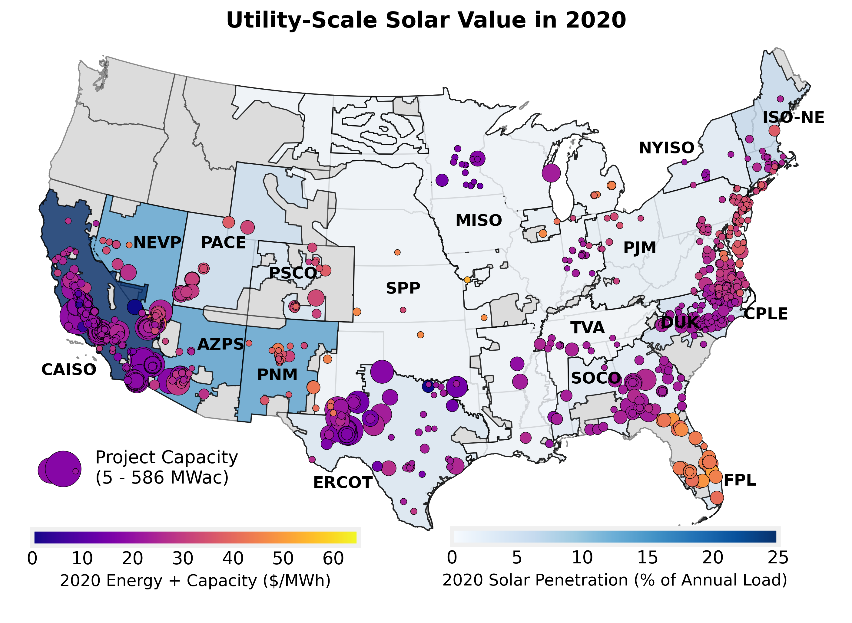
...
Add | Year
12.97 | 2012
9.69 | 2013
17.02 | 2014
14.73 | 2015
8.33 | 2016
7.85 | 2017
8.97 | 2018
8.09 | 2019
7.24 | 2020 | CAISO

2.04 | 2012
2.84 | 2013
3.52 | 2014
...

Value Difference vs. Flat Block
Cause of value differences between solar and flat block in 2020

Wholesale Market Value in 2020 (2020 $/MWh)
location
curtailment
profile

Sources: Berkeley Lab, ABB, ISOs |  |  |  |  |  |  | Sources: Berkeley Lab, ABB, ISOs
Notes: Solar value factor describes the market value of solar in proportion to that of a generalized flat-block, i.e., 24x7 average price across all pricing nodes in region.
For more details on methodology see Berkeley Lab publication "Mills et al, 2021, Solar-to-Grid" https://emp.lbl.gov/renewable-grid-insights

Regional average market value of solar in 2020 relative to a generalized flat block of power
 | CAISO |  | ERCOT |  | ISO-NE |  | MISO |  | NYISO |  | PJM
 | value factor | penetration | value factor | penetration | value factor | penetration | value factor | penetration | value factor | penetration | value factor | penetration
2012 | 1.4 | 1.6% | 1.3 | 0.1% | 1.2 | 0.2% | 1.2 | 0.0% | 1.3 | 0.1% | 1.5 | 0.2%
2013 | 1.2 | 2.9% | 1.2 | 0.1% | 1.1 | 0.5% | 1.2 | 0.0% | 1.3 | 0.2% | 1.6 | 0.3%
2014 | 1.1 | 6.5% | 1.1 | 0.1% | 1.0 | 1.0% | 1.2 | 0.1% | 1.2 | 0.3% | 1.4 | 0.4%
...

All Hybrid Capacity in Queues
Hybrid / co-located capacity within 42 selected interconnection queues at end of 2020
Wind Hybrids 13 GW-wind total
Solar Hybrids 159 GW-solar total

 |  |  |  |  |  |  |  |  |  |  | Region | % of Proposed Capacity Hybridizing in Each Region

 |  |  |  |  |  |  |  |  |  |  |  | Solar | Wind | Natural Gas | Battery
 |  |  |  |  |  |  |  |  |  |  | CAISO | 89% | 37% | 0% | 64%
 |  |  |  |  |  |  |  |  |  |  | ERCOT | 21% | 6% | 34% | 37%
 |  |  |  |  |  |  |  |  |  |  | SPP | 22% | 4% | 33% | 38%
 |  |  |  |  |  |  |  |  |  |  | MISO | 18% | 5% | 0% | n/a
 |  |  |  |  |  |  |  |  |  |  | PJM | 19% | 1% | 1% | n/a
 |  |  |  |  |  |  |  |  |  |  | NYISO | 5% | 0% | 6% | 2%
 |  |  |  |  |  |  |  |  |  |  | ISO-NE | 12% | 0% | 0% | n/a
 |  |  |  |  |  |  |  |  |  |  | West (non-ISO) | 67% | 13% | 6% | n/a
 |  |  |  |  |  |  |  |  |  |  | Southeast (non-ISO) | 13% | 0% | 1% | n/a
 |  |  |  |  |  |  |  |  |  |  | TOTAL | 34% | 6% | 6% | n/a

Notes: (1) Hybrid plants involving multiple generator types (e.g., wind+PV+storage, or just wind+PV) show up in all generator categories, presuming the capacity is known
for each generator type. (2) Hybrid storage capacity is estimated using storage:generator ratios from projects that provide separate capacity data
Source: Berkeley Lab review of interconnection queues

Total capacity in 42 queues at end of 2020 |  |  |  | Total capacity in queues at end of 2020, by region
 |  |  |  |  | Hybrid | Hybrid | Hybrid | Hybrid | Hybrid | Standalone | Standalone | Standalone | Standalone | Standalone | Standalone | Standalone
 |  |  |  |  | Wind | Solar | Nat. Gas | Storage* | Other | Wind | Solar | Nat. Gas | Battery | Other Storage | Coal | Nuclear
 | Hybrid | Standalone | Hybrid |  | Capacity (MW) | Capacity (MW) | Capacity (MW) | Capacity (MW) | Capacity (MW) | Capacity (MW) | Capacity (MW) | Capacity (MW) | Capacity (MW) | Capacity (MW) | Capacity (MW) | Capacity (MW)
...

Gen+Storage Hybrids in Queues
Generator+storage hybrid / co-located projects and standalone storage in interconnection queues: wind+storage, PV+storage, standalone storage
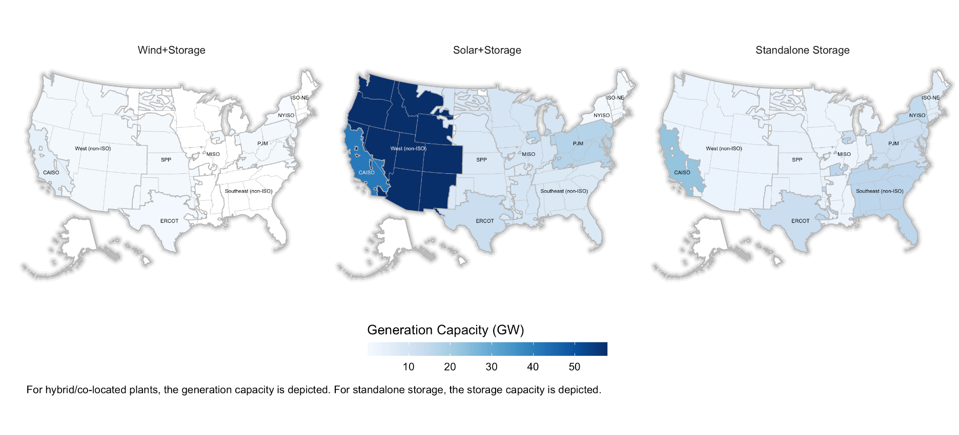
Storage:Generation Capacity Ratios
Total Capacity as % of POI Limit for Hybrids (CAISO Only)

Source: Berkeley Lab review of interconnection queues

 |  |  |  |  |  |  |  |  | Region | Storage:Generation Capacity Ratio |  |  |  |  |  |  |  | CAISO Generator+Storage Hybrids:
 | Wind+Storage | Solar+Storage | Standalone Storage |  | Wind+Storage |  | Solar+Storage |  |  | Wind+Storage |  |  |  | Solar+Storage |  |  |  | Total Capacity as Percentage of POI Limit
Region | MW, end of 2020 | MW, end of 2020 | MW, end of 2020 |  | Wind | Storage | Solar | Storage |  | n | p25 | median | p75 | n | p25 | median | p75 |  | Solar+Storage | Wind+Storage | Solar Only | Wind Only
CAISO | 4,327 | 41,275 | 22,712 | CAISO | 4,327 | 1,779 | 41,275 | 35,344 | CAISO | 9 | 63% | 99% | 100% | 150 | 53% | 99% | 100% | p25 | 153% | 111% | 100% | 65%
ERCOT | 1,000 | 13,050 | 12,779 | ERCOT | 1,000 | 392 | 12,520 | 6,209 | ERCOT | 5 | 24% | 29% | 35% | 49 | 25% | 40% | 67% | median | 200% | 126% | 101% | 104%
SPP | 620 | 7,906 | 5,734 | SPP | 620 | 144 | 7,906 | 3,435 | MISO | 0 | . | . | . | 28 | 20% | 25% | 50% | p75 | 203% | 206% | 103% | 104%
MISO | 0 | 9,593 | 2,536 | MISO | 0 | 0 | 6,038 | 1,238 | NYISO | 1 | 5% | 5% | 5% | 4 | 9% | 15% | 35% | n | 159 | 9 | 159 | 9
PJM | 390 | 17,228 | 14,898 | PJM | 390 | 49 | 2,219 | 737 | PJM | 2 | 9% | 13%
...

