Sheet1
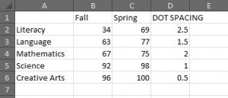
Subject | Fall | Spring
Literacy | 34 | 69
Language | 63 | 77
Mathematics | 67 | 75
Science | 92 | 98
Creative Arts | 96 | 100

