Munka1
 |  | 11 | NIRQ
 |  | 1 | SDN
 |  | 10 | GP1
 |  | 20 | GP3

Rpi J8 connector |  | ISM Radio
PIN number | Name | PIN number | Name | RPism board | Buzzer

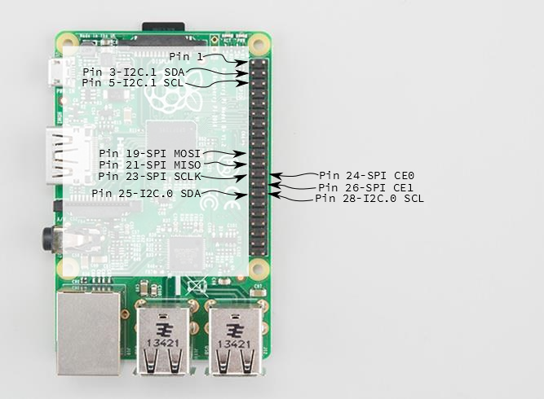
1 | 3V3
3 | G2
5 | G3
7 | G4
9 | GND
11 | G17 | 10 | ISM_GPIO1
13 | G27 | 20 | ISM_GPIO3
15 | G22
17 | 3V3
19 | G10 / MOSI | 14 | SDI
21 | G9 / MISO | 13 | SDO
23 | G11 / SCLK | 12 | SCLK
25 | GND
27 | G0 / SDA
29 | G5
31 | G6
33 | G13
35 | G19
37 | G26
39 | GND

2 | 5V
4 | 5V
6 | GND
8 | G14
10 | G15
12 | G18 | R2 220ohm | Buzzer control
14 | GND
16 | G23 | 1 | SHDN
18 | G24
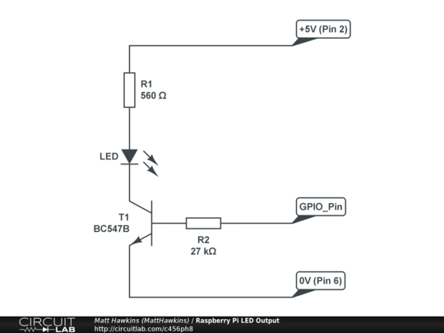
20 | GND
22 | G25 | 11 | NIRQ
24 | G8 / CE0 | 15 | NSEL
26 | G7
28 | G1
30 | GND
32 | G12
34 | GND
36 | G16
38 | G20
40 | G21

