Pesto_Pasta
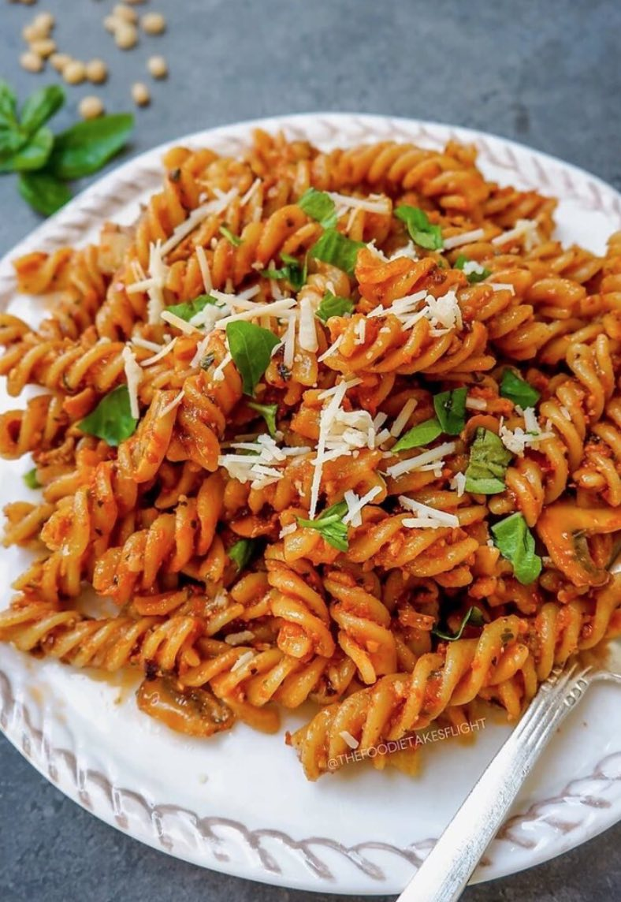
Name | Category | Quantity | Units
Pesto | Pasta | 2 | bottles
Chorizo | Cured Meat | 0.5 | Piece
Wholemeal Pasta | Pasta | 250 | grams

