Pesto_Pasta
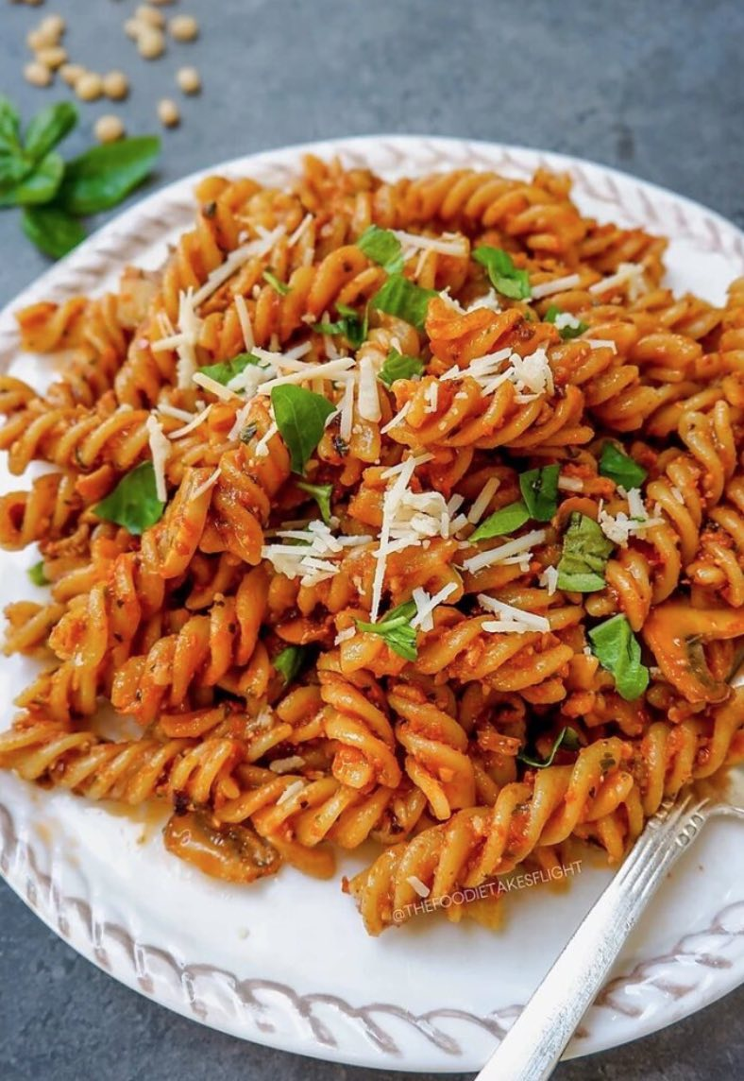
Name | Category | Quantity | Units | Comments
Pesto | Pasta | 2 | bottles
Chorizo | Cured Meat | 0.5 | Piece
Wholemeal Pasta | Pasta | 250 | grams
Red Pepper | Veg | 2 | Piece
Onion | Veg | 1 | Piece
Garlic | Veg | 2 | Piece

